Sheet1
City | Latitude | Longitude | Area (km^2) | 2023-10 | 2023-11 | 2023-12 | 2024-01 | 2024-02 | 2024-03 | 2024-04 | 2024-05 | 2024-06 | 2024-07 | 2024-08 | 2024-09 | 2024-10
Rafah | 31.3 | 34.25 | 65 | Medium | High | High | High | Medium | Medium | High | Medium | Low | Low | Low | Low | Low
Khan Younis | 31.3444 | 34.3031 | 108 | Medium | Medium | Medium | High | Medium | Medium | High | High | Medium | High | High | High | Medium
Deir Al-Balah | 31.4189 | 34.3517 | 56 | Medium | High | High | High | Medium | Medium | High | High | High | High | Medium | Medium | Medium
Gaza City | 31.5167 | 34.45 | 70 | Low | Low | Low | Low | Low | Low | Low | Low | Low | Low | Low | Medium | High
North Gaza | 31.5417 | 34.5196 | 61 | Low | Medium | Low | Low | Medium | Medium | Medium | Medium | Medium | Medium | Medium | Medium | Medium
Jabalya | 31.528056 | 34.483056
Beit Hanoun
Khirbet Al-Adas
Khuzaa
Abasan Al-Kabeera
Abasan Al-Jadeeda
Bani Suhelia
Al-Amal
Al-Qarara
Wedi As-Salqa
Al-Musaddar
Al-Maghazi
Az-Zawayda
Al-Nuseirat |  |  |  |  |  |  |  |  |  |  |  |  |  |  | https://israelpalestine.liveuamap.com/en/time/01.02.2024
Al-Bureij |  |  |  |  |  |  |  |  |  |  |  |  |  |  | https://storymaps.arcgis.com/stories/2e746151991643e39e64780f0674f7dd
Juhor Al-Deek
Al-Mughraqa
Beit Lahiya
Al-Qaraya Al-Badaqiya Al-Masiakh

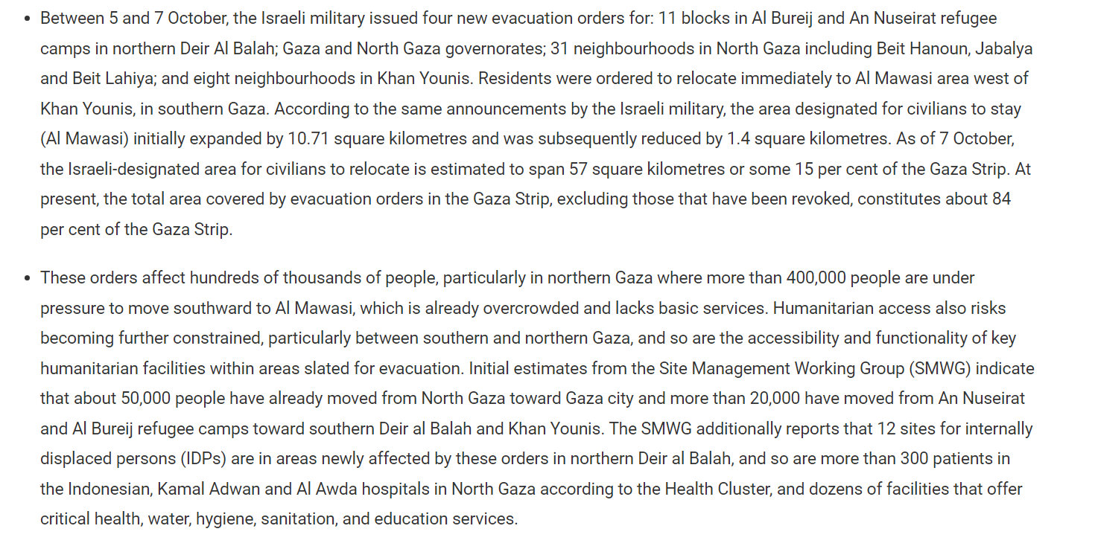
Gaza City | 31.5167 | 34.45 | 45 | 677,800
Khan Younis City | 31.3444 | 34.3031 | 54.5 | 242700
Jabalya | 31.528056 | 34.483056 | 27.7 | 208000
Rafah | 31.3 | 34.25 | 64 | 202300
Beit Lahiya | 31.55 | 34.5 | 20.3 | 108200
Deir Al-Balah | 31.4189 | 34.3517 | 14.7 | 87800
Beit Hanun | 31.538611 | 34.537222 | 12.5 | 62900
Al-Shati(Beach camp) | 31.532197 | 34.445394 | 0.52 | 46800
Khan Yunis Camp | 31.348333 | 34.293889 | 1.27 | 48700
An Nuseirat | 31.47 | 34.42 | 9.48 | 64100
Jabalya Camp | 31.537222 | 34.496389 | 1.4 | 59600
Az Zawayda | 31.430556 | 34.371667 | 15.3 | 27900
Al Qarara | 31.373056 | 34.339167 | 18.2 | 34300
An Nuseirat Camp | 31.4475 | 34.392778 | 0.68 | 37100
Rafah Camp | 31.283019 | 34.2532 | 1.23 | 43000
Bani Suheila | 31.342778 | 34.325278 | 5.17 | 49000
Abasan al Kabira' | 31.323333 | 34.346944 | 11.65 | 31700
Al Bureij Camp | 31.439531 | 34.402939 | 0.5 | 32700
Deir al Balah Camp | 31.425833 | 34.340556 | 0.17 | 8200
Al Maghazi Camp | 31.421358 | 34.385375 | 0.6 | 21200

