Income_Statement
Title | 12/31/2025 |  | 12/31/2024 | 12/31/2023 | 12/31/2022 |  | Gross Profit 2025 |  | Operating Income
Total Revenue | $47,941,000 |  | $47,061,000 | $45,754,000 | $43,004,000 |  | Revenue | 47941000 | Gross Profit | 29544000
Operating Revenue | $47,941,000 |  | $47,061,000 | $45,754,000 | $43,004,000 |  | Cost of Revenue | 18397000 | Total Operating Expense | 14633000
Cost of Revenue | $18,397,000 |  | $18,324,000 | $18,520,000 | $18,000,000 |  | Gross Profit | 29544000 |  | 14911000
Gross Profit | $29,544,000 |  | $28,737,000 | $27,234,000 | $25,004,000 | $25,004,000
Operating Expense | $14,633,000 | $14,633,000 | $14,715,000 | $14,136,000 | $12,962,000 | $12,962,000 | Operating Expense 2025
Selling General and Administrative | $14,521,000 |  | $14,582,000 | $13,972,000 | $12,880,000 |  | Salaries and Wages | 279000
General & Administrative Expense | $9,121,000 |  | $9,482,000 | $254,000 | $356,000 |  | Other G and A | 8842000
Salaries and Wages | $279,000 |  | $286,000 | $254,000 | $356,000 |  | Selling & Marketing Expense | 5400000
Other G and A | $8,842,000 |  | $9,196,000 | -- | -- |  |  | 14521000
Selling & Marketing Expense | $5,400,000 |  | $5,100,000 | $7,609,000 | $7,086,000 |  | Amortization of Intangibles | 15000
Depreciation Amortization Depletion | $15,000 |  | -- | $15,000 | -- |  | Other Operating Expenses | 97000
Depreciation & amortization | $15,000 |  | -- | $15,000 | -- |  |  | 112000
Amortization | $15,000 |  | -- | $15,000 | -- |  | Total | 29266000
Amortization of Intangibles | $15,000 |  | -- | $15,000 | --
Other Operating Expenses | $97,000 |  | $133,000 | $164,000 | $82,000
Operating Income | $14,911,000 |  | $14,022,000 | $13,098,000 | $12,042,000 | $12,042,000
Net Non Operating Interest Income Expense | -$868,000 | -$868,000 | -$668,000 | -$620,000 | -$433,000 | -$433,000
Interest Income Non Operating | $786,000 |  | $988,000 | $907,000 | $449,000
Interest Expense Non Operating | $1,654,000 |  | $1,656,000 | $1,527,000 | $882,000
Other Income Expense | $1,955,000 |  | -$268,000 | $474,000 | $77,000
Gain on Sale of Security | $520,000 |  | $315,000 | $185,000 | -$496,000
Earnings from Equity Interest | $2,031,000 |  | $1,770,000 | $1,691,000 | $1,472,000
Special Income Charges | -$501,000 |  | -$2,301,000 | -$1,787,000 | -$1,133,000
Restructuring & Mergers Acquisition | $16,000 |  | $2,246,000 | $1,744,000 | $1,076,000
Impairment of Capital Assets | $1,045,000 |  | $886,000 | -- | $57,000
Write Off | $65,000 |  | $34,000 | $39,000 | $96,000
Other Special Charges | $10,000 |  | -$23,000 | -$42,000 | -$219,000
Gain on Sale of Business | $635,000 |  | $842,000 | -$35,000 | --
Gain on Sale of PPE |  |  | -- | -$35,000 | --
Other Non Operating Income Expenses | -$95,000 |  | -$52,000 | $570,000 | -$262,000
Pretax Income/EBIT | $15,998,000 |  | $13,086,000 | $12,952,000 | $11,686,000
Tax Provision | $2,861,000 |  | $2,437,000 | $2,249,000 | $2,115,000
Net Income Common Stockholders | $13,107,000 | $13,137,000 | $10,631,000 | $10,714,000 | $9,542,000 | $9,542,000
Net Income | $13,107,000 |  | $10,631,000 | $10,714,000 | $9,542,000
Net Income Including Non-Controlling Interests | $13,137,000 |  | $10,649,000 | $10,703,000 | $9,571,000
Net Income Continuous Operations | $13,137,000 |  | $10,649,000 | $10,703,000 | $9,571,000
Minority Interests | -$30,000 |  | -$18,000 | $11,000 | -$29,000
Diluted NI Available to Com Stockholders | $13,107,000 | $13,107,000 | $10,631,000 | $10,714,000 | $9,542,000 | $9,542,000
Basic EPS | $3 |  | $2 | $2 | $2
Basic EPS
Basic EPS = Net Income –Preferred Dividends / Weighted Average Shares Outstanding
Diluted EPS
Diluted EPS = Net Income – Preferred Dividends / Weighted Average Diluted Shares
Diluted EPS | $3 |  | $2 | $2 | $2
Basic Average Shares | $4,303,000 |  | $4,309,000 | $4,323,000 | $4,328,000
Diluted Average Shares | $4,313,000 |  | $4,320,000 | $4,339,000 | $4,350,000
Total Operating Income as Reported | $13,762,000 |  | $9,992,000 | $11,311,000 | $10,909,000
Total Expenses | $33,030,000 |  | $33,039,000 | $32,656,000 | $30,962,000
Net Income from Continuing & Discontinued Operation | $13,107,000 |  | $10,631,000 | $10,714,000 | $9,542,000
Normalized Income | $13,091,398 |  | $12,264,237 | $12,190,062 | $10,469,927
Interest Income | $786,000 |  | $988,000 | $907,000 | $449,000
Interest Expense | $1,654,000 |  | $1,656,000 | $1,527,000 | $882,000
Net Interest Income | -$868,000 |  | -$668,000 | -$620,000 | -$433,000
EBIT | $17,652,000 |  | $14,742,000 | $14,479,000 | $12,568,000
EBITDA | $18,702,000 |  | $15,817,000 | $15,607,000 | $13,828,000
Reconciled Cost of Revenue | $17,362,000 |  | $18,324,000 | $18,520,000 | $18,000,000
Reconciled Depreciation | $1,050,000 |  | $1,075,000 | $1,128,000 | $1,260,000
Net Income from Continuing Operation Net Minority Interest | $13,107,000 |  | $10,631,000 | $10,714,000 | $9,542,000
Total Unusual Items Excluding Goodwill | $19,000 |  | -$1,986,000 | -$1,787,000 | -$1,133,000
Total Unusual Items | $19,000 |  | -$1,986,000 | -$1,787,000 | -$1,133,000
Normalized EBITDA | $18,683,000 |  | $17,803,000 | $17,394,000 | $14,961,000
Tax Rate for Calcs | $0 |  | $0 | $0 | $0
Tax Effect of Unusual Items | $3,398 |  | -$373,763 | -$310,938 | -$205,073

Ratio&Valuation Analysis
Comprehensive Financial Analysis Summary
The company’s 2025 financial performance reflects a highly profitable, efficiently managed, and strategically positioned organization with strong liquidity, robust margins, and exceptional returns to shareholders. Across all major ratio categories, the firm demonstrates financial strength and disciplined operational execution

Financial Ratios
 | Liquidity Ratios |  |  |  |  | Profitabilit Ratios

 |  | 2025 | 2024 |  |  |  | 2025 | 2024
 | Current Assets | $31,044,000 | $25,997,000 |  |  | Revenue | $47,941,000 | $47,061,000
 | Current Liabilities | $21,281,000 | $25,249,000 |  |  | Gross Profit | $29,544,000 | $28,737,000
 | Current Ratio | 1.46 | 1.03 |  |  | Gross Profit Margin | $0.62 | $0.61

 | Current Assets | $26,619,000 | $21,269,000 |  |  | Revenue | $47,941,000 | $47,061,000
 | Current Liabilities | $21,281,000 | $25,249,000 |  |  | Operating Income | $14,911,000 | $14,022,000
 | Quick Ratio (Acid Test) | 1.25 | 0.84 |  |  | Operating Profit Margin | $0.31 | $0.30

 | Cash and Cash equivalents | $10,270,000 | $10,828,000 |  |  | Revenue | $47,941,000 | $47,061,000
 | Marketable securities | $5,536,000 | $3,743,000 |  |  | Net Income | $13,107,000 | $10,631,000
 | Current Liabilities | $21,281,000 | $25,249,000 |  |  | Net Profit Margin | $0.27 | $0.23
 | Cash Ratio | 0.74 | 0.58

 | Ratio | Result | Strength | Interpretation |  | Net Income | $13,107,000 | $10,631,000
 | Current Ratio | 1.46 | Strong | Company can comfortably cover short‑term obligations. |  | Total Assets | $104,816,000 | $100,549,000
 | Quick Ratio (Acid Test) | 1.23 | Strong | Liquidity remains solid even without inventory. |  | ROA(Return on Assets) | $0.13 | $0.11
 | Cash Ratio | 0.74 | Healthy | Company has strong cash reserves relative to liabilities.

 |  |  |  |  |  | Net Income | $13,107,000 | $10,631,000
 |  |  |  |  |  | Shareholder’s equity | $32,169,000 | $24,856,000
 |  |  |  |  |  | ROE (Return on Equity) | $0.41 | $0.43

 |  |  |  |  | Ratio | Result | Strength | Interpretation
 |  |  |  |  | Gross Profit Margin | 0.62 | Excellent | Strong control over production costs.
 |  |  |  |  | Operating Profit Margin | 0.31 | Excellent | Efficient operations and overhead management.
 |  |  |  |  | Net Profit Margin | 0.27 | Excellent | High overall profitability.
 |  |  |  |  | ROA(Return on Assets) | 0.13 | Strong | Assets are generating solid returns.
 |  |  |  |  | ROE (Return on Equity) | 0.41 | Excellent | Shareholders are receiving exceptional returns.

 | Additional Ratios

Overall Conclusion
The company exhibits exceptional financial health across all major dimensions. Strong liquidity ensures stability, while high profitability and efficient operations drive impressive returns. The firm’s balanced approach to dividends and reinvestment supports both shareholder value and long‑term growth. Although leverage is present, it is used strategically and effectively. With a sustainable growth rate exceeding 13%, the company is well‑positioned for continued success.
This financial profile reflects a mature, well‑managed organization capable of delivering consistent performance, rewarding shareholders, and sustaining meaningful growth into the future.
 | Net Income | $13,107,000
 | Number of Common Shares Outstanding | $4,301,609
 | Earnings per share | 3.05

 | Price per common share | $77
 | Earnings per share | $3
 | Price/Earnings Ratio | 25.38

 | Total Dividend Paid | $8,779,000
 | Net Income | $13,107,000
 | Dividend Payout Ratio | 0.67

 | Total Debt | $45,492,000
 | Total Equity | $32,169,000
 | Debt-to-Equity Ratio | 1.41

 | ROE (Return on Equity) | 0.41
 | Dividend Payout Ratio | 0.67
 | Sustainable Growth Rate | 0.13

 | Ratio | Result | Strength | Interpretation
 | Earnings per share | 3.05 | Strong | High profit per share.
 | Price/Earnings Ratio | 25.38 | High | Market expects growth.
 | Dividend Payout Ratio | 0.67 | Moderate - High | Shareholder‑friendly; less reinvestment.
 | Debt-to-Equity Ratio | 1.41 | Leveraged | Debt boosts returns but adds risk.
 | Sustainable Growth Rate | 0.13 | Excellent | Strong internal growth capacity.

Additional_Ratios
Additional Ratios
Valuation and Shareholder Value
Earnings per share (EPS) of $3.05 indicate strong profitability on a per‑share basis. With a market price of $77.34, the resulting price‑to‑earnings (P/E) ratio of 25.38 suggests that investors view the company as a high‑quality, growth‑oriented investment. This valuation aligns with the company’s strong financial fundamentals and future growth prospects.
The dividend payout ratio of 67% shows a commitment to returning value to shareholders while still retaining sufficient earnings to support future expansion. This balanced approach appeals to both income‑focused and growth‑oriented investors.
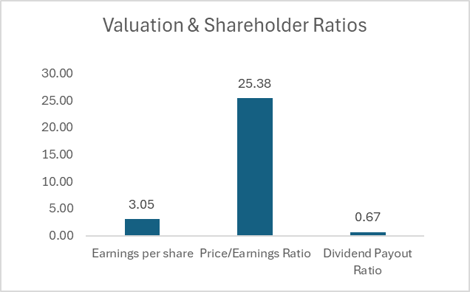
 |  |  |  | Additional Ratios

 |  |  |  | Net Income | $13,107,000
 |  |  |  | Number of Common Shares Outstanding | $4,301,609
 |  |  |  | Earnings per share | 3.05

 |  |  |  | Price per common share | $77.34
 |  |  |  | Earnings per share | $3.05
 |  |  |  | Price/Earnings Ratio | 25.38

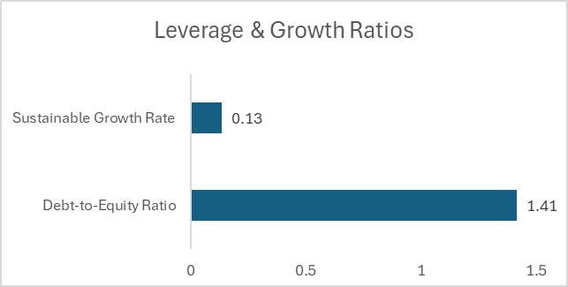
Ratio | Result | Strength | Interpretation
Earnings per share | 3.05 | Strong | High profit per share. | Total Dividend Paid | $8,779,000
Price/Earnings Ratio | 25.38 | High | Market expects growth. | Net Income | $13,107,000
Dividend Payout Ratio | 0.67 | Moderate - High | Shareholder‑friendly; less reinvestment. | Dividend Payout Ratio | 0.67
Debt-to-Equity Ratio | 1.41 | Leveraged | Debt boosts returns but adds risk.
Sustainable Growth Rate | 0.13 | Excellent | Strong internal growth capacity.
 |  |  |  | Total Debt | $45,492,000
Leverage and Capital Structure
The debt‑to‑equity ratio of 1.41 indicates a moderately leveraged capital structure. While the company does rely on debt financing, the level is manageable and appears to be used effectively to enhance returns without compromising financial stability. The strong liquidity and profitability ratios support the company’s ability to comfortably service its debt obligations.
 |  |  |  | Total Equity | $32,169,000
 |  |  |  | Debt-to-Equity Ratio | 1.41

 |  |  |  | ROE (Return on Equity) | 0.40744194722
 |  |  |  | Dividend Payout Ratio | 0.66979476616
 |  |  |  | Sustainable Growth Rate | 0.13

Growth Potential
The sustainable growth rate (SGR) of 13% reflects the company’s capacity to grow using internally generated funds without requiring additional equity financing. This impressive growth potential is driven by the combination of high ROE and a moderate earnings retention rate. It positions the company well for continued expansion while maintaining financial independence

Liquidity_Ratios
Liquidity and Short‑Term Stability
The liquidity ratios indicate a solid ability to meet short‑term obligations. A current ratio of 1.46 and a quick ratio of 1.25 show that the company maintains more than adequate liquid resources, even when inventory is excluded. The cash ratio of 0.74 further confirms a healthy cash position without excessive idle funds. Together, these measures suggest effective working capital management and low short‑term financial risk
Liquidity Ratios
 |  |  |  | Liquidity Ratios

 |  |  |  |  | 2025 | 2024
 |  |  |  | Current Assets | $31,044,000 | $25,997,000
 |  |  |  | Current Liabilities | $21,281,000 | $25,249,000
 |  |  |  | Current Ratio | 1.46 | 1.03

 |  |  |  | Current Assets | $26,619,000 | $21,269,000
 |  |  |  | Current Liabilities | $21,281,000 | $25,249,000
 |  |  |  | Quick Ratio (Acid Test) | 1.25 | 0.84
Ratio | Result | Strength | Interpretation
Current Ratio | 1.46 | Strong | Company can comfortably cover short‑term obligations.
Quick Ratio (Acid Test) | 1.23 | Strong | Liquidity remains solid even without inventory. | Cash and Cash equivalents | $10,270,000 | $10,828,000
Cash Ratio | 0.74 | Healthy | Company has strong cash reserves relative to liabilities. | Marketable securities | $5,536,000 | $3,743,000
 |  |  |  | Current Liabilities | $21,281,000 | $25,249,000
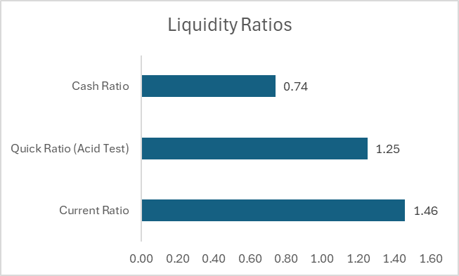
 |  |  |  | Cash Ratio | 0.74 | 0.58

Profitability_ratio
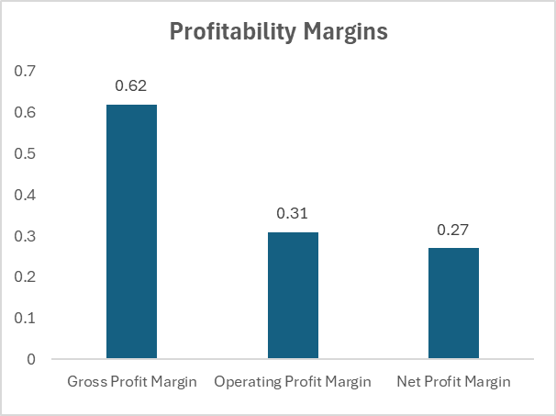
Profitability and Operating Performance
Profitability is a standout strength. A gross margin of 62% highlights strong control over production costs and pricing power. The operating margin of 31% reflects efficient management of overhead and operating expenses. Ultimately, the company achieves a net profit margin of 27%, placing it well above typical industry averages and signaling exceptional bottom‑line performance. These margins indicate a business model capable of generating substantial value from its revenue base.
Profitabilit Ratios
 |  |  |  | Profitabilit Ratios

 |  |  |  |  | 2025 | 2024
 |  |  |  | Revenue | $47,941,000 | $47,061,000
 |  |  |  | Gross Profit | $29,544,000 | $28,737,000
 |  |  |  | Gross Profit Margin | 0.62 | 0.61

 |  |  |  | Revenue | $47,941,000 | $47,061,000
 |  |  |  | Operating Income | $14,911,000 | $14,022,000
Ratio | Result | Strength | Interpretation | Operating Profit Margin | 0.31 | 0.30
Gross Profit Margin | 0.62 | Excellent | Strong control over production costs.
Operating Profit Margin | 0.31 | Excellent | Efficient operations and overhead management.
Net Profit Margin | 0.27 | Excellent | High overall profitability. | Revenue | $47,941,000 | $47,061,000
ROA(Return on Assets) | 0.13 | Strong | Assets are generating solid returns. | Net Income | $13,107,000 | $10,631,000
ROE (Return on Equity) | 0.41 | Excellent | Shareholders are receiving exceptional returns. | Net Profit Margin | 0.27 | 0.23
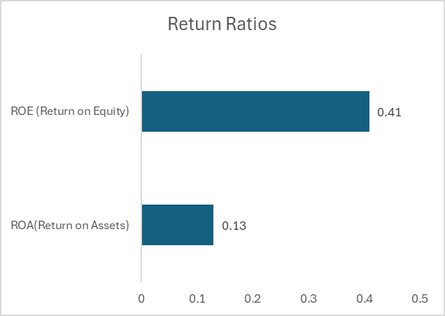
Returns on Investment
The company’s ability to convert resources into profit is further demonstrated by its return ratios. A return on assets (ROA) of 12.5% shows effective use of the asset base, while the return on equity (ROE) of 41% is exceptionally strong. This high ROE reflects both strong profitability and the strategic use of leverage to amplify shareholder returns
 |  |  |  | Net Income | $13,107,000 | $10,631,000
 |  |  |  | Total Assets | $104,816,000 | $100,549,000
 |  |  |  | ROA(Return on Assets) | 0.125 | 0.106

 |  |  |  | Net Income | $13,107,000 | $10,631,000
 |  |  |  | Shareholder’s equity | $32,169,000 | $24,856,000
 |  |  |  | ROE (Return on Equity) | 0.41 | 0.43

Charts_Ratios
Profitability Margins
Liquidity Ratios
Profitability Margins |  | Liquidity Ratios
Ratios | Value | Ratios | Value
Gross Profit Margin | 0.62 | Current Ratio | 1.46
Operating Profit Margin | 0.31 | Quick Ratio (Acid Test) | 1.25
Net Profit Margin | 0.27 | Cash Ratio | 0.74

Valuation & Shareholder Ratios
Return Ratios

 |  | Additional Ratios
Return Ratios |  | Ratios | Value
Ratios | Value | Earnings per share | 3.05
ROA(Return on Assets) | 0.13 | Price/Earnings Ratio | 25.38
ROE (Return on Equity) | 0.41 | Dividend Payout Ratio | 0.67

Leverage & Growth Ratios

 |  | Ratios | Value
 |  | Debt-to-Equity Ratio | 1.4141564861
 |  | Sustainable Growth Rate | 0.13453946346

