Sheet1
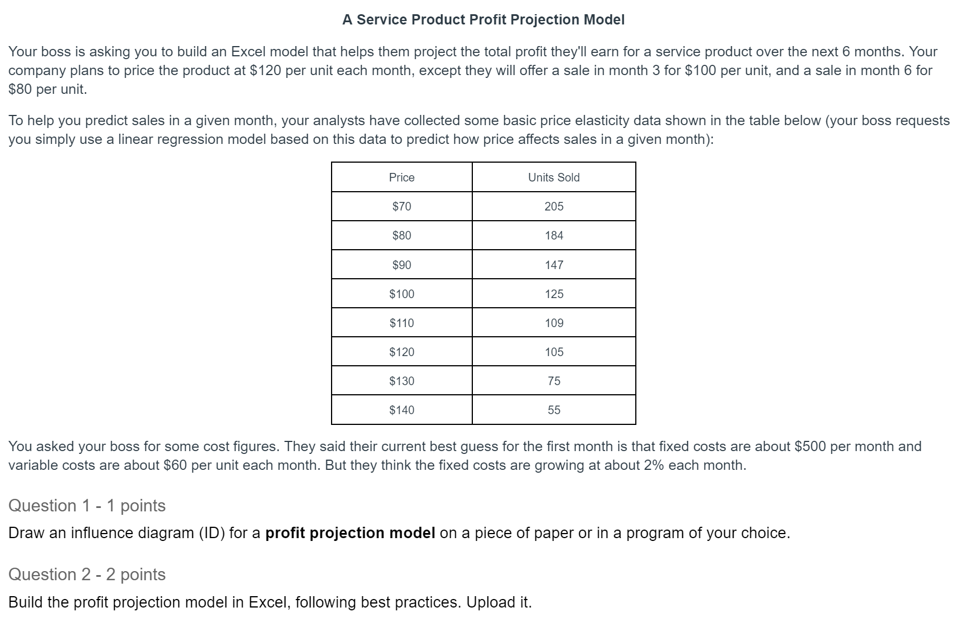
Price | Units Sold
$70 | 205
$80 | 184
$90 | 147
$100 | 125
$110 | 109
$120 | 105
$130 | 75
$140 | 55

