Map of 4 express lanes
Map of Bay Area Express Lanes:
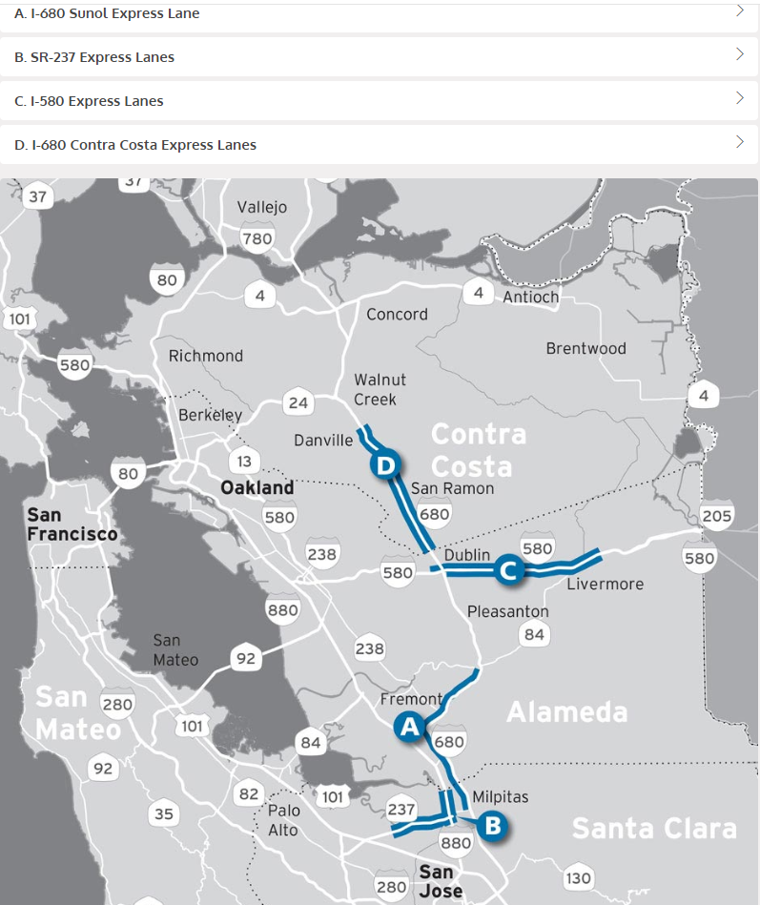

source: https://511.org/driving/express-lanes/find-lane

Background SR-237
Hours of operation:

* Eastbound - Monday – Friday, 5 a.m. to 9 a.m. and 3 p.m. to 7 p.m.
* Westbound - Monday – Friday, 5 a.m. to 10 a.m. and 3 p.m. to 7 p.m.

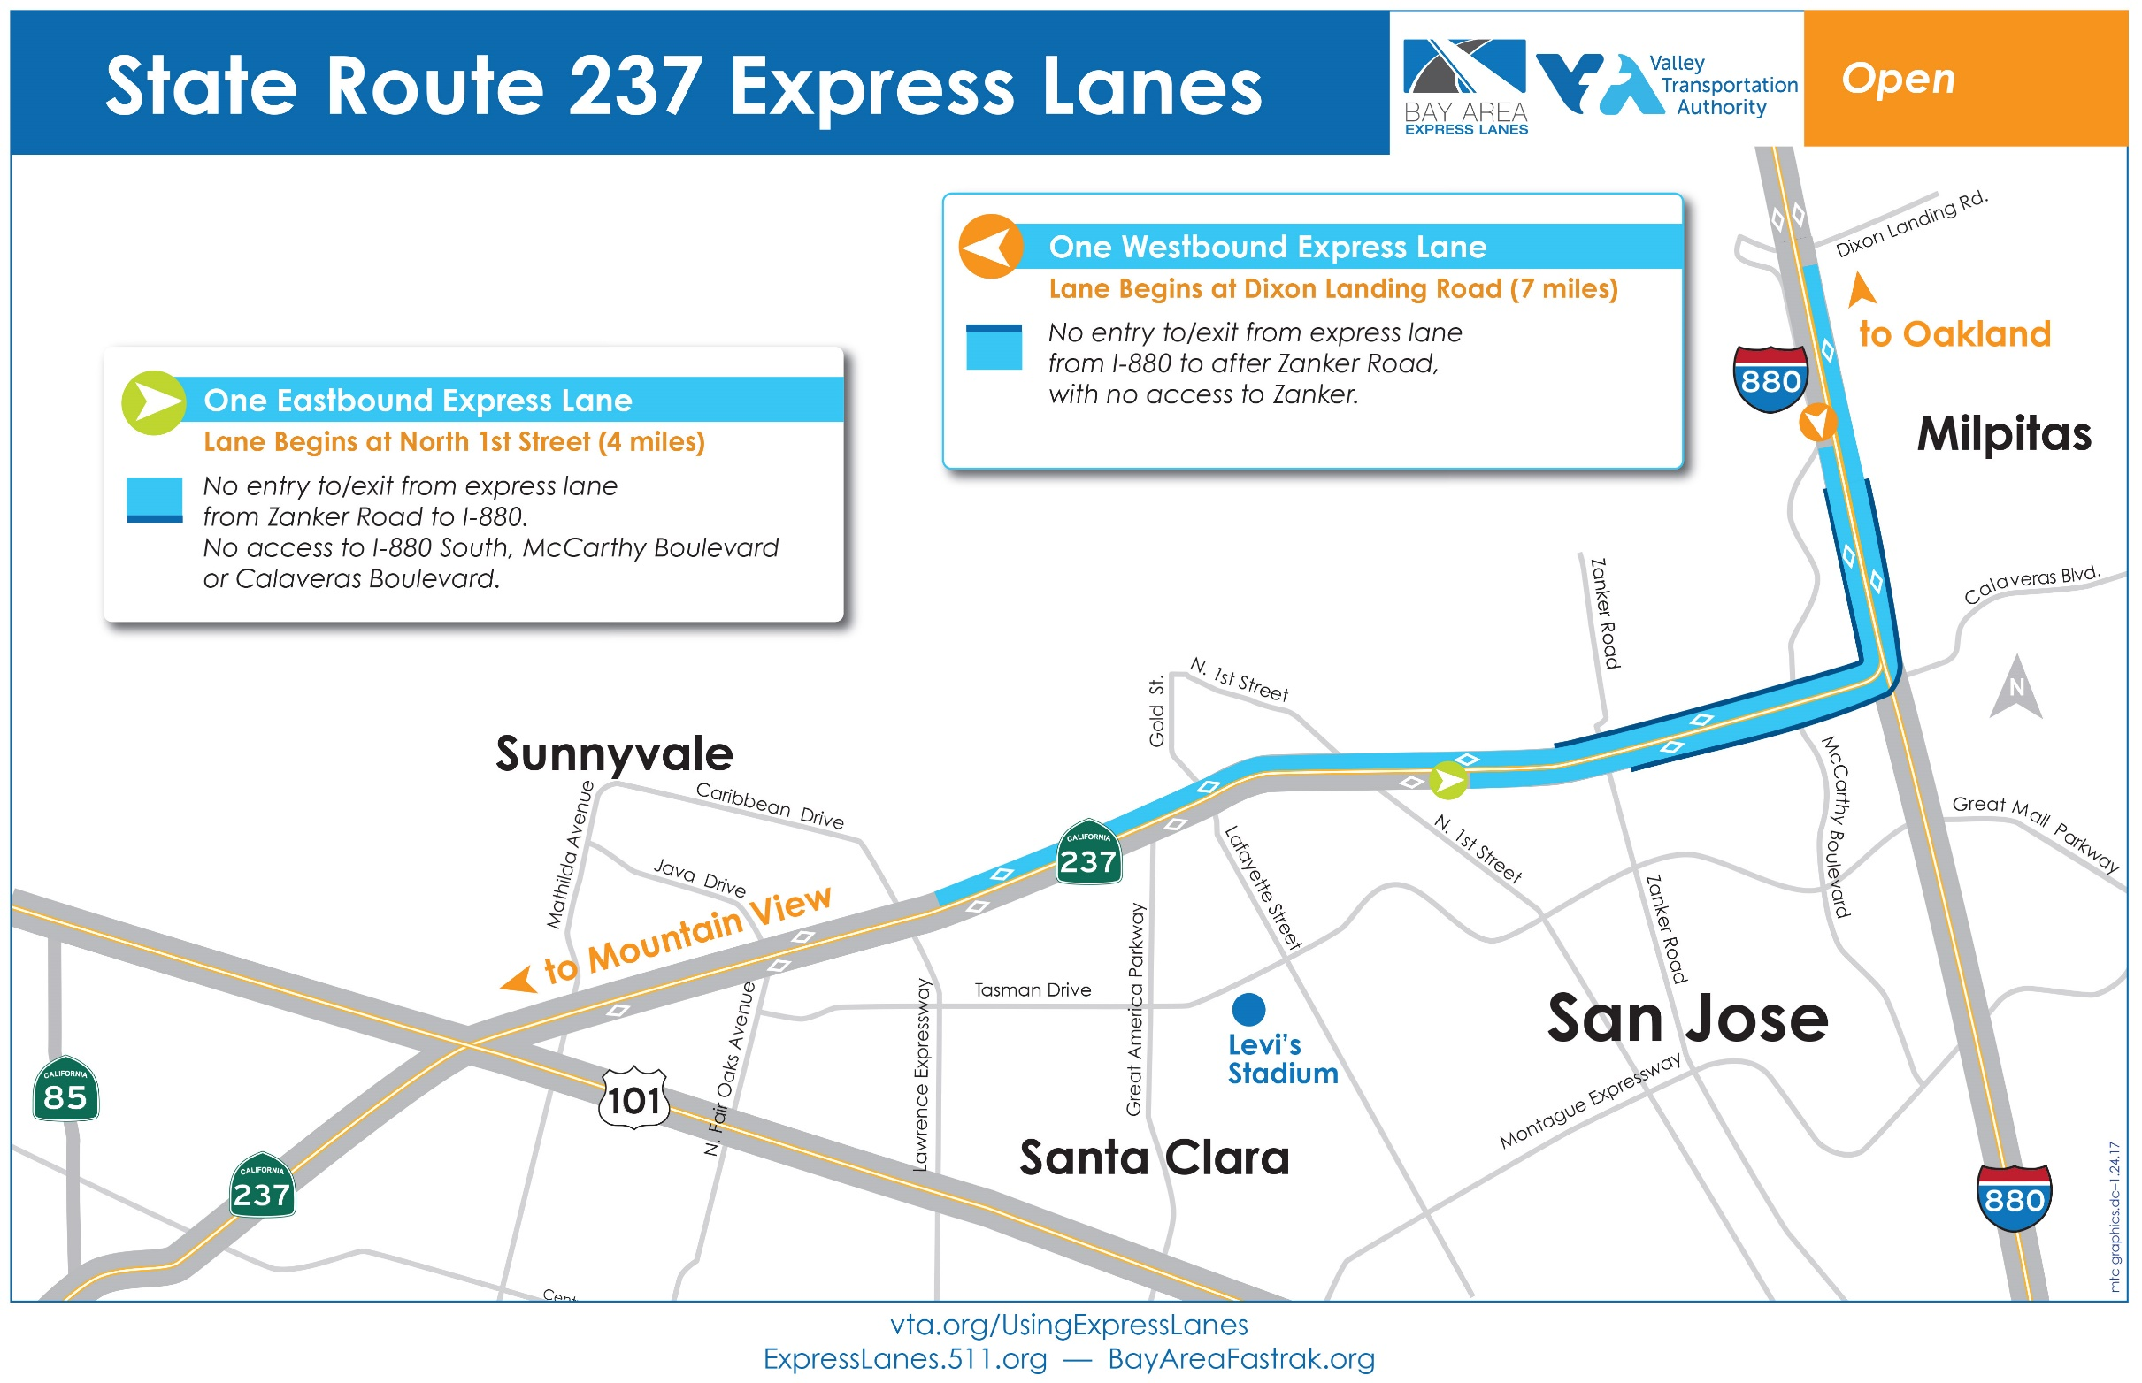

Source: https://511.org/driving/express-lanes/find-lane

Background I-580
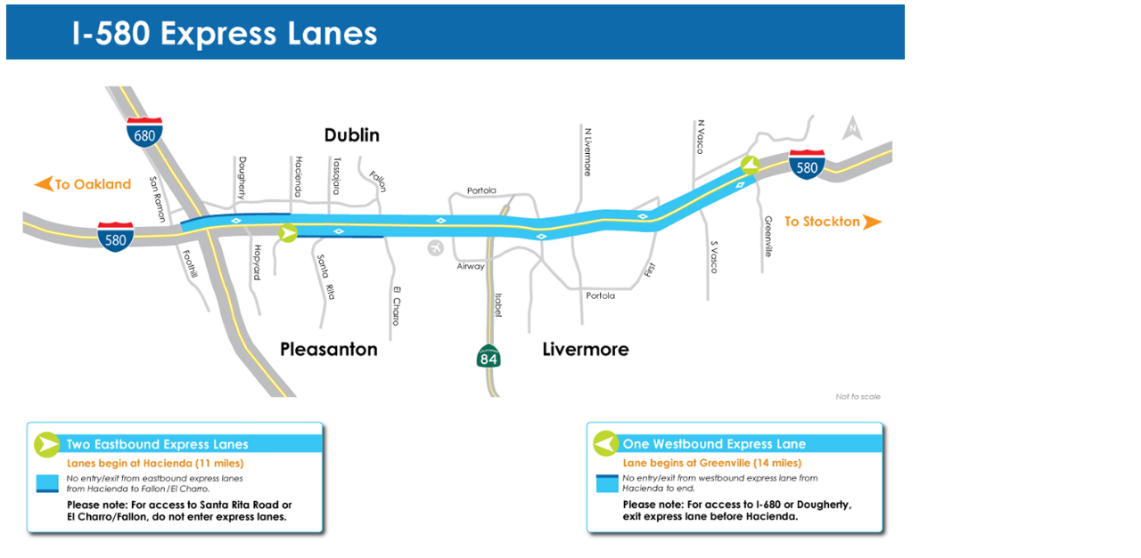

https://www.alamedactc.org/img/managed/Image/16738/file.jpg

Background I-680 CC
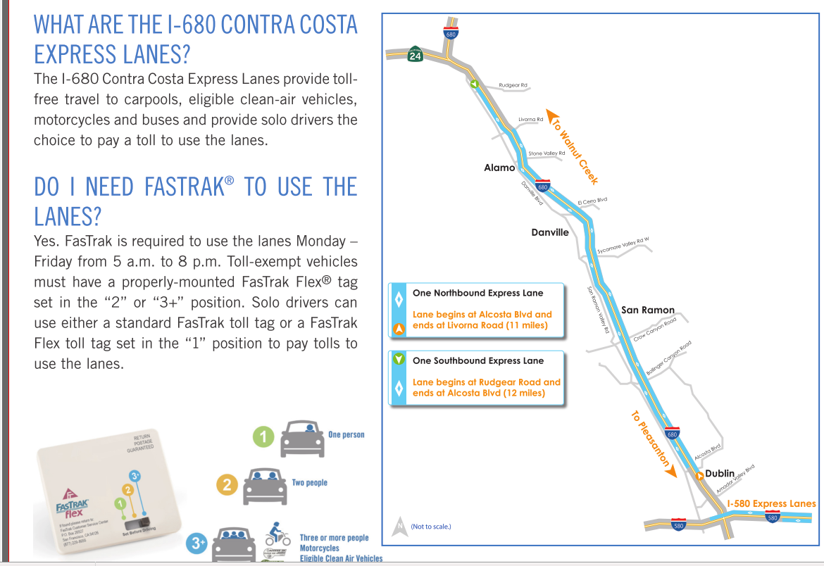

http://assets.511.org/pdf/nextgen/driving/I-680_CC_FAQ.pdf

