stats
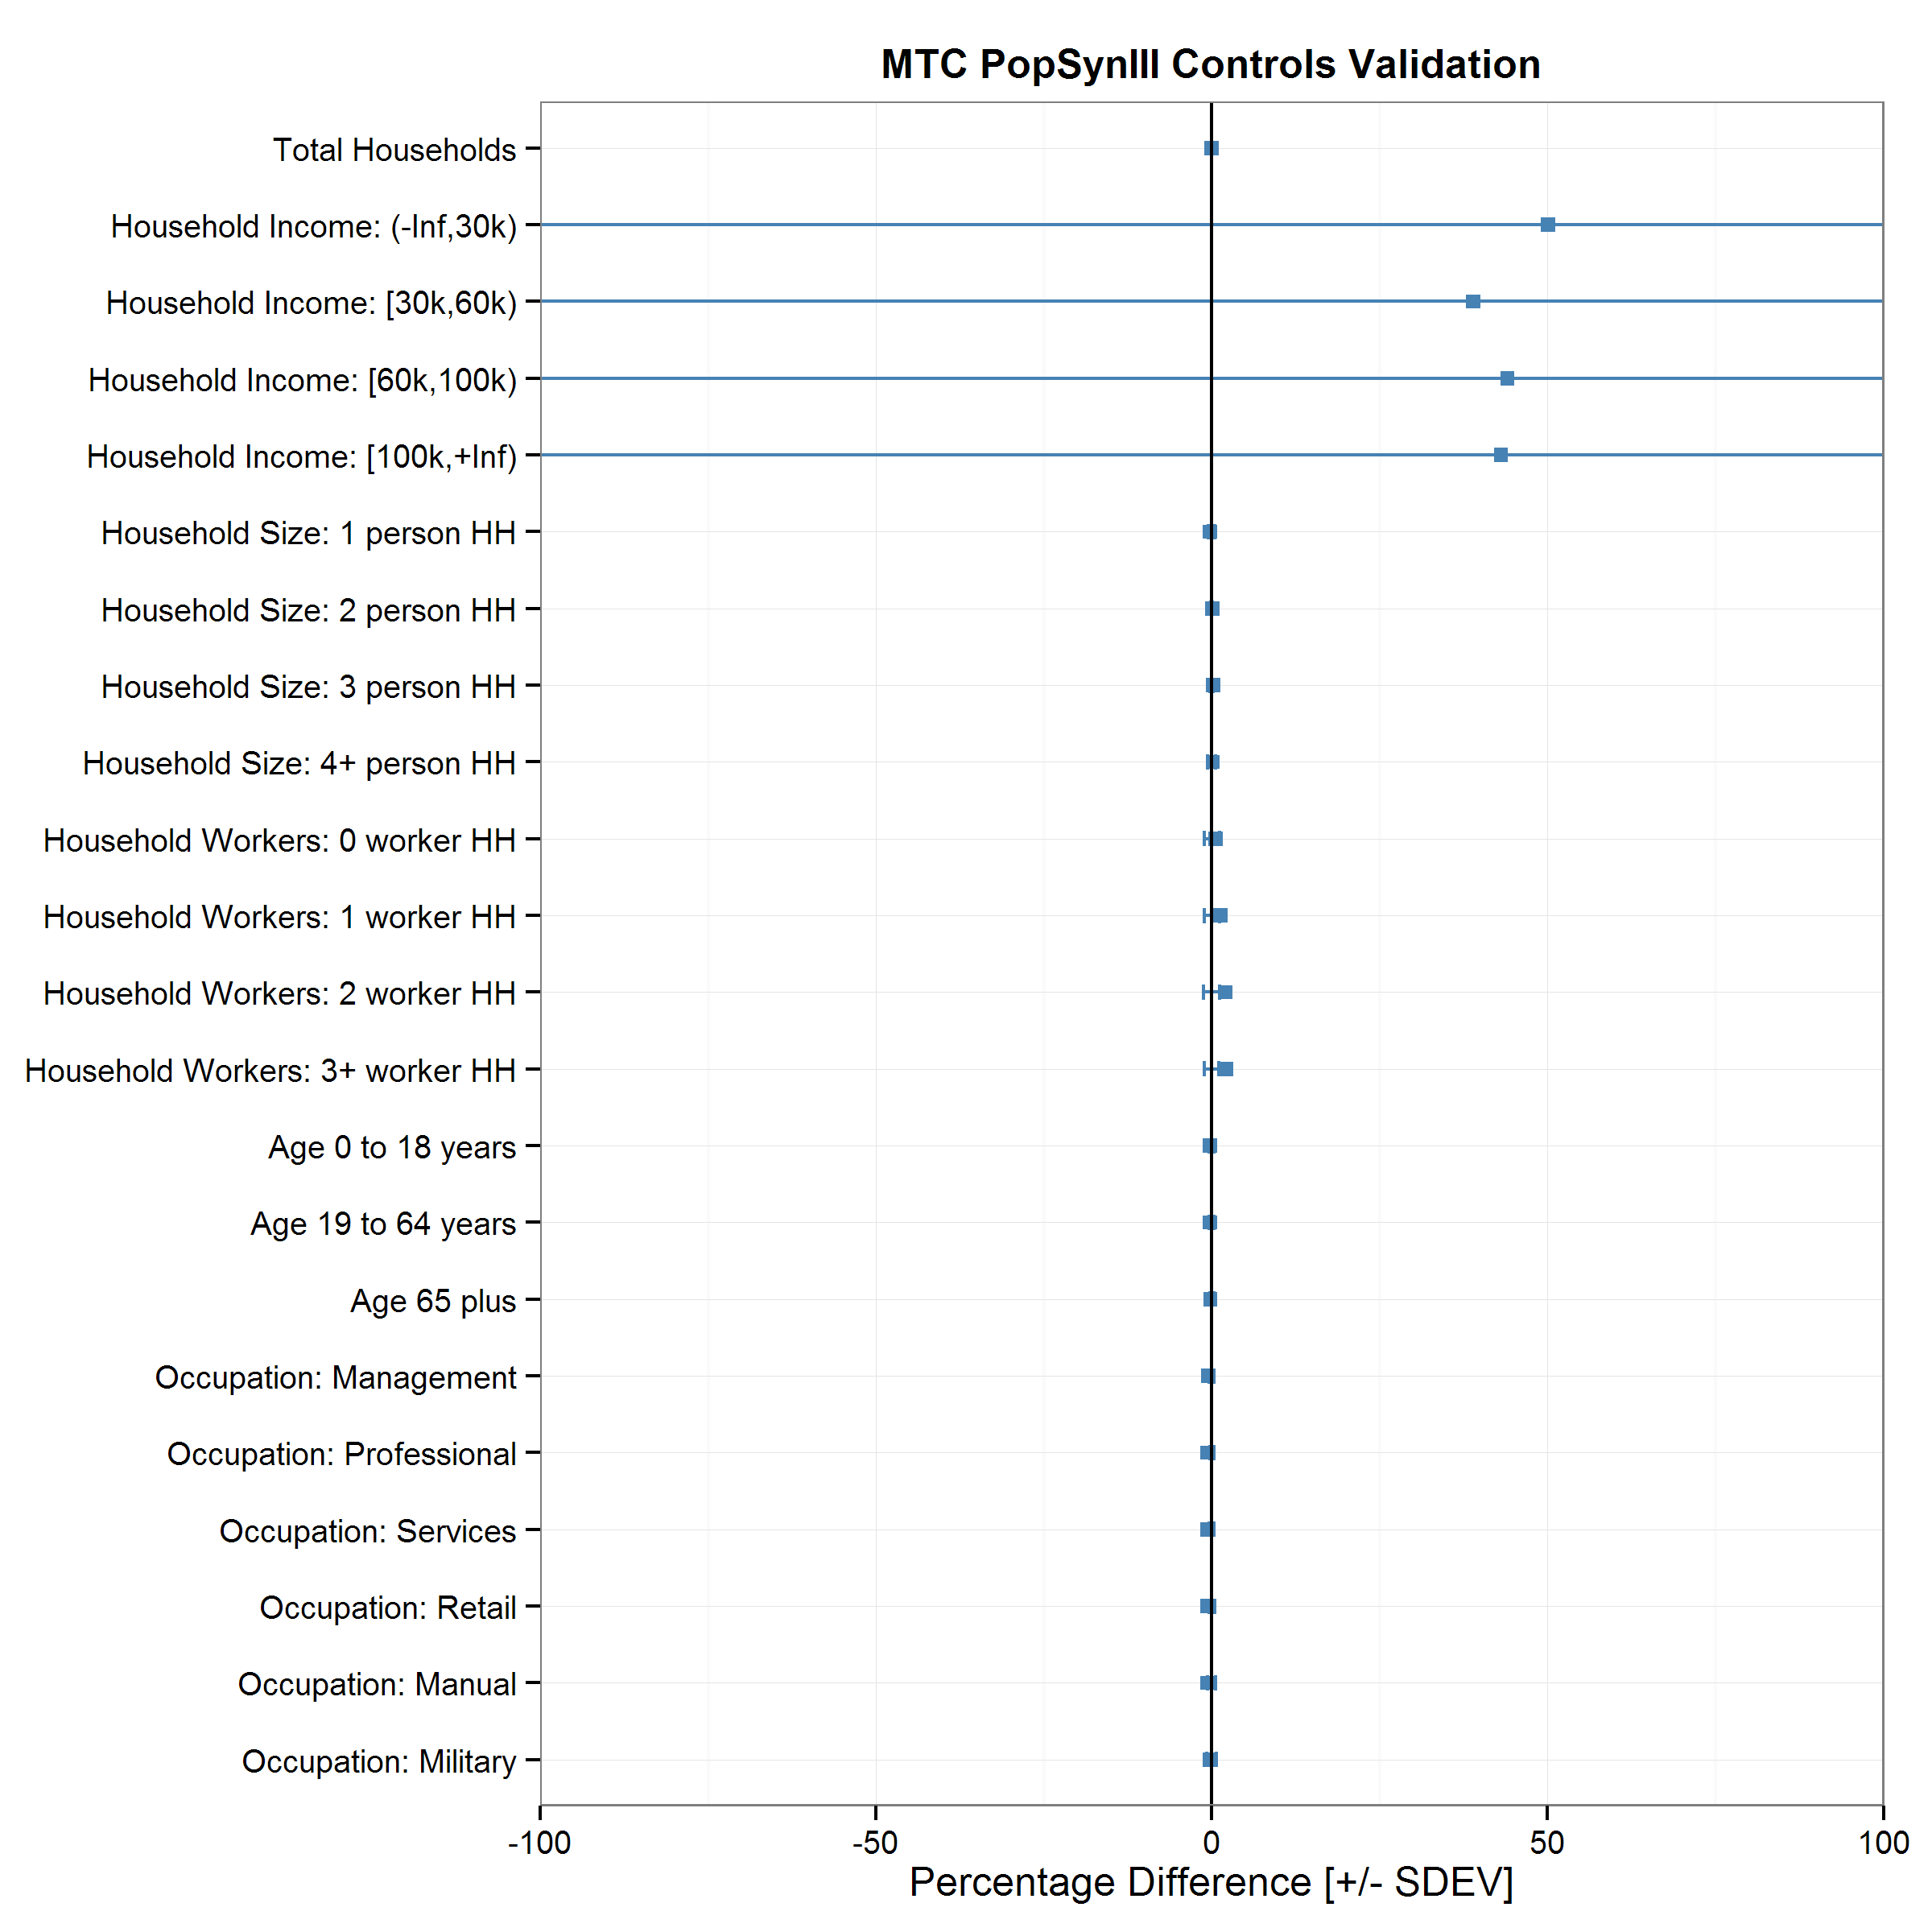
Control | Observed | Predicted | Difference | % Difference | Geography | N | RMSE | Avg. Difference | SDEV
Total Households | 2,608,023 | 2,608,023 | - | 0.00 | MAZ | 33936 | 0.00 | 0.00 | 0.00
Household Income: (-Inf,30k) | 497,655 | 503,207 | 5,552 | 1.12 | TAZ | 4504 | 232.74 | 50.06 | 702.34
Household Income: [30k,60k) | 524,278 | 529,398 | 5,120 | 0.98 | TAZ | 4587 | 218.27 | 38.91 | 482.76
Household Income: [60k,100k) | 569,838 | 576,913 | 7,075 | 1.24 | TAZ | 4628 | 201.53 | 44.03 | 762.07
Household Income: [100k,+Inf) | 971,991 | 998,505 | 26,514 | 2.73 | TAZ | 4596 | 212.03 | 43.06 | 534.26
Household Size: 1 person HH | 680,925 | 680,476 | (449) | -0.07 | County | 9 | 0.37 | -0.24 | 0.49
Household Size: 2 person HH | 797,839 | 798,622 | 783 | 0.10 | County | 9 | 0.19 | 0.05 | 0.11
Household Size: 3 person HH | 429,131 | 429,661 | 530 | 0.12 | County | 9 | 0.21 | 0.19 | 0.25
Household Size: 4+ person HH | 700,128 | 699,264 | (864) | -0.12 | County | 9 | 0.48 | 0.16 | 0.57
Household Workers: 0 worker HH | 583,180 | 588,300 | 5,120 | 0.88 | County | 9 | 1.60 | 0.54 | 1.14
Household Workers: 1 worker HH | 1,023,795 | 1,040,478 | 16,683 | 1.63 | County | 9 | 2.36 | 1.26 | 1.12
Household Workers: 2 worker HH | 762,185 | 780,111 | 17,926 | 2.35 | County | 9 | 3.22 | 1.97 | 1.21
Household Workers: 3+ worker HH | 194,359 | 199,134 | 4,775 | 2.46 | County | 9 | 3.34 | 2.17 | 1.10
Age 0 to 18 years | 1,680,910 | 1,677,882 | (3,028) | -0.18 | County | 9 | 0.30 | -0.27 | 0.34
Age 19 to 64 years | 4,591,600 | 4,584,044 | (7,556) | -0.16 | County | 9 | 0.26 | -0.27 | 0.35
Age 65 plus | 878,229 | 877,148 | (1,081) | -0.12 | County | 9 | 0.21 | -0.20 | 0.28
Occupation: Management | 412,755 | 410,188 | (2,567) | -0.62 | County | 9 | 0.88 | -0.58 | 0.37
Occupation: Professional | 948,715 | 942,824 | (5,891) | -0.62 | County | 9 | 0.90 | -0.60 | 0.33
Occupation: Services | 930,095 | 924,504 | (5,591) | -0.60 | County | 9 | 0.84 | -0.60 | 0.37
Occupation: Retail | 533,390 | 530,072 | (3,318) | -0.62 | County | 9 | 0.85 | -0.63 | 0.44
Occupation: Manual | 534,245 | 530,761 | (3,484) | -0.65 | County | 9 | 1.09 | -0.61 | 0.58
Occupation: Military | 4,445 | 4,450 | 5 | 0.11 | County | 9 | 1.03 | -0.27 | 0.70

uniformity
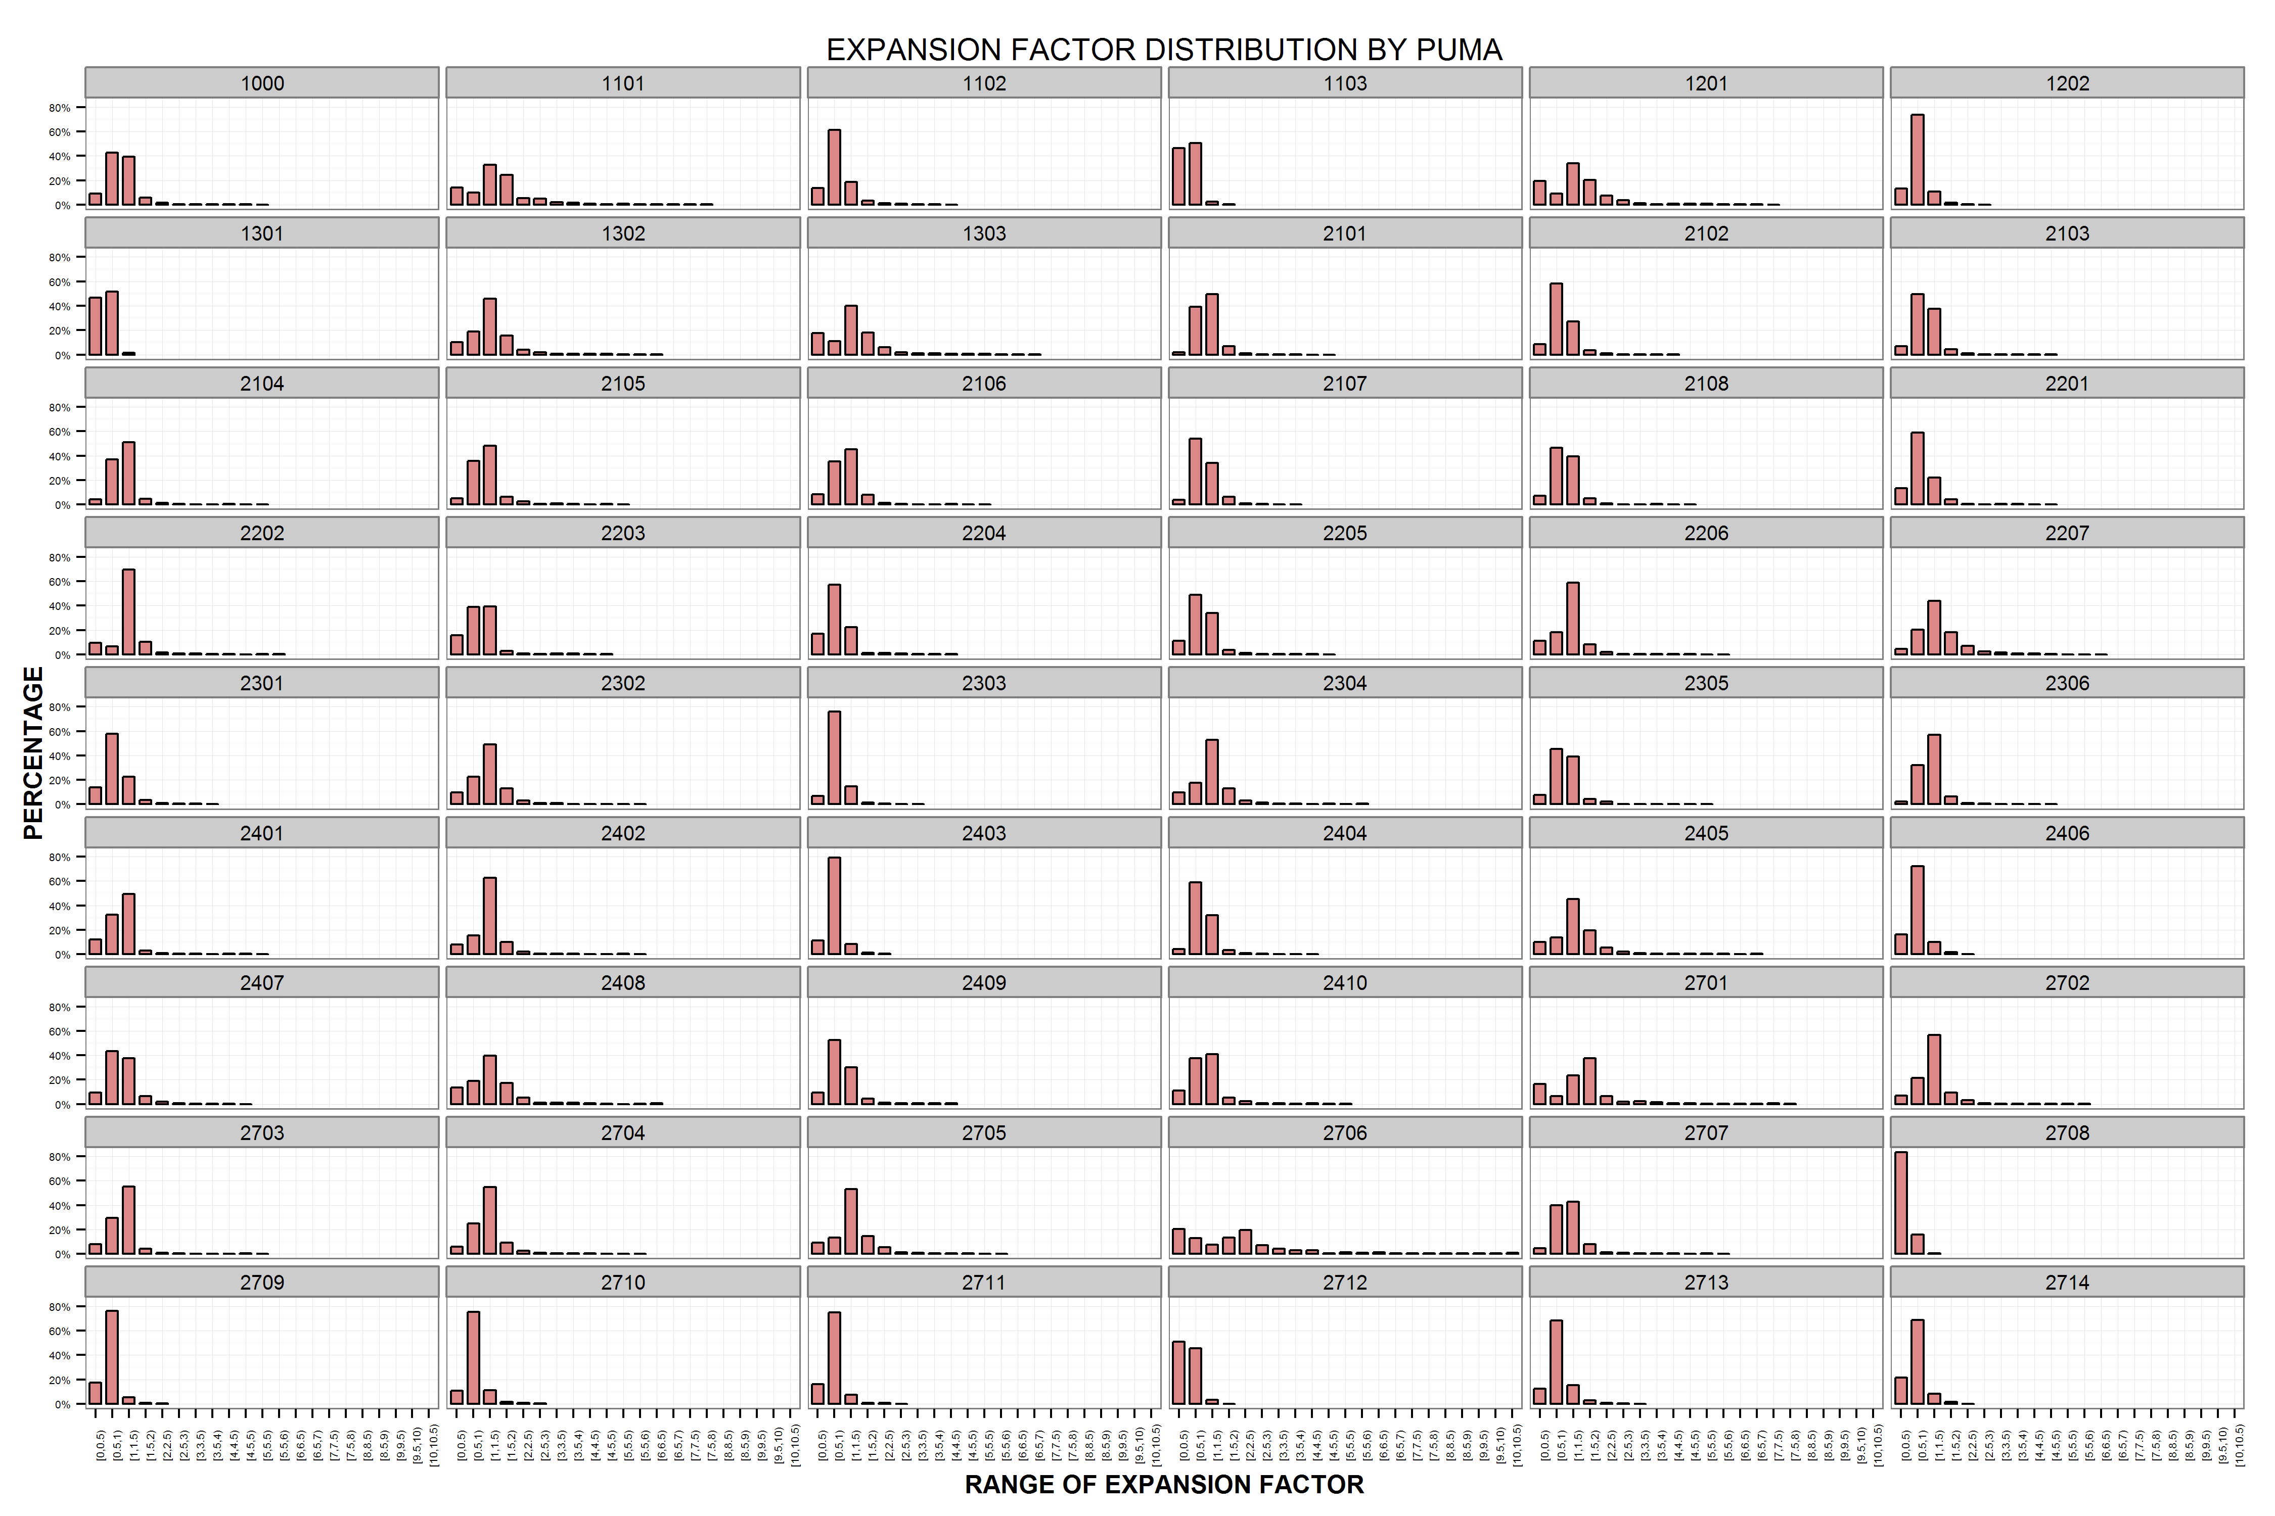
PUMA | SEED | CONTROL | N | AVG_EXP | EXP_MIN | EXP_MAX | RMSE
1000 | 49,640 | 48,876 | 2,524 | 0.98 | 0.06 | 5.00 | 0.53
1101 | 72,191 | 110,955 | 4,059 | 1.54 | 0.00 | 7.75 | 1.17
1102 | 45,449 | 39,926 | 2,460 | 0.88 | 0.00 | 4.05 | 0.50
1103 | 66,531 | 34,944 | 3,310 | 0.53 | 0.00 | 1.66 | 0.18
1201 | 42,267 | 60,267 | 2,091 | 1.43 | 0.00 | 7.12 | 1.09
1202 | 60,564 | 42,943 | 2,992 | 0.71 | 0.00 | 2.54 | 0.27
1301 | 51,716 | 26,156 | 2,702 | 0.51 | 0.00 | 1.44 | 0.15
1302 | 43,417 | 55,821 | 2,256 | 1.29 | 0.00 | 6.09 | 0.77
1303 | 44,180 | 59,781 | 2,134 | 1.35 | 0.00 | 6.69 | 0.98
2101 | 43,313 | 45,288 | 1,974 | 1.05 | 0.26 | 4.62 | 0.37
2102 | 44,741 | 40,284 | 2,391 | 0.90 | 0.00 | 4.00 | 0.44
2103 | 42,667 | 41,518 | 1,945 | 0.97 | 0.00 | 4.77 | 0.41
2104 | 61,525 | 64,073 | 3,203 | 1.04 | 0.00 | 5.13 | 0.49
2105 | 49,130 | 53,851 | 2,301 | 1.10 | 0.00 | 5.14 | 0.56
2106 | 46,333 | 48,635 | 2,149 | 1.05 | 0.00 | 5.24 | 0.54
2107 | 34,170 | 33,175 | 1,658 | 0.97 | 0.16 | 3.60 | 0.37
2108 | 49,045 | 48,540 | 2,011 | 0.99 | 0.00 | 4.96 | 0.41
2201 | 62,388 | 57,215 | 2,865 | 0.92 | 0.00 | 4.53 | 0.48
2202 | 58,919 | 69,342 | 2,552 | 1.18 | 0.00 | 5.88 | 0.64
2203 | 56,210 | 53,254 | 2,445 | 0.95 | 0.00 | 4.70 | 0.53
2204 | 51,472 | 44,378 | 2,404 | 0.86 | 0.00 | 4.33 | 0.50
2205 | 41,040 | 38,907 | 1,913 | 0.95 | 0.00 | 4.50 | 0.48
2206 | 38,299 | 42,640 | 1,805 | 1.11 | 0.00 | 5.54 | 0.56
2207 | 30,040 | 40,075 | 1,606 | 1.33 | 0.05 | 6.00 | 0.69
2301 | 45,151 | 38,213 | 2,282 | 0.85 | 0.00 | 3.71 | 0.41
2302 | 40,187 | 46,713 | 1,993 | 1.16 | 0.00 | 5.79 | 0.61
2303 | 40,142 | 31,490 | 2,103 | 0.78 | 0.04 | 3.20 | 0.28
2304 | 44,917 | 52,723 | 2,569 | 1.17 | 0.00 | 5.91 | 0.73
2305 | 48,576 | 48,775 | 2,562 | 1.00 | 0.00 | 5.00 | 0.51
2306 | 37,451 | 39,923 | 2,043 | 1.07 | 0.21 | 4.93 | 0.38
2401 | 52,205 | 53,430 | 3,103 | 1.02 | 0.00 | 5.12 | 0.57
2402 | 68,783 | 78,650 | 3,241 | 1.14 | 0.00 | 5.73 | 0.55
2403 | 55,290 | 37,260 | 2,995 | 0.67 | 0.00 | 2.44 | 0.26
2404 | 38,583 | 36,340 | 1,847 | 0.94 | 0.25 | 4.23 | 0.35
2405 | 59,996 | 82,769 | 3,082 | 1.38 | 0.00 | 6.92 | 0.89
2406 | 46,057 | 31,165 | 2,377 | 0.68 | 0.00 | 2.18 | 0.27
2407 | 44,281 | 44,552 | 2,262 | 1.01 | 0.00 | 4.67 | 0.49
2408 | 40,639 | 51,116 | 2,075 | 1.26 | 0.00 | 6.31 | 0.87
2409 | 61,854 | 58,825 | 3,070 | 0.95 | 0.00 | 4.42 | 0.54
2410 | 68,470 | 71,031 | 3,619 | 1.04 | 0.00 | 5.20 | 0.65
2701 | 76,085 | 119,870 | 4,341 | 1.58 | 0.00 | 7.89 | 1.14
2702 | 55,270 | 63,963 | 2,752 | 1.16 | 0.00 | 5.80 | 0.63
2703 | 47,065 | 48,675 | 2,261 | 1.03 | 0.00 | 5.17 | 0.52
2704 | 37,459 | 43,231 | 2,074 | 1.15 | 0.14 | 5.52 | 0.55
2705 | 28,612 | 36,675 | 1,602 | 1.28 | 0.05 | 5.75 | 0.66
2706 | 35,485 | 73,081 | 1,689 | 2.06 | 0.00 | 10.32 | 2.00
2707 | 48,258 | 53,056 | 2,570 | 1.10 | 0.00 | 5.50 | 0.62
2708 | 48,637 | 17,187 | 2,416 | 0.35 | 0.00 | 1.43 | 0.17
2709 | 42,202 | 25,960 | 2,090 | 0.62 | 0.05 | 2.20 | 0.22
2710 | 53,791 | 39,804 | 2,701 | 0.74 | 0.06 | 2.75 | 0.30
2711 | 36,791 | 24,577 | 1,930 | 0.67 | 0.00 | 2.67 | 0.29
2712 | 35,175 | 17,791 | 1,958 | 0.51 | 0.00 | 1.85 | 0.21
2713 | 32,258 | 25,552 | 1,616 | 0.79 | 0.06 | 3.20 | 0.33
2714 | 22,563 | 14,782 | 1,227 | 0.66 | 0.17 | 2.03 | 0.25

