ACS Summary
Region | Year | Data_Type | Mode | Observed Share | BayAreaCensus | ACS B08301 1-Year | ACS B08301 5-Year
Bay Area | 1970 | Residence | Work From Home | 2.4% | 2.4%
Bay Area | 1980 | Residence | Work From Home | 1.9% | 1.9%
Bay Area | 1990 | Residence | Work From Home | 3.4% | 3.4%
Bay Area | 2000 | Residence | Work From Home | 4.0% | 4.0%
Bay Area | 2006 | Residence | Work From Home | 5.5% |  | 5.5%
Bay Area | 2007 | Residence | Work From Home | 5.2% |  | 5.2%
Bay Area | 2008 | Residence | Work From Home | 5.1% |  | 5.1%
Bay Area | 2009 | Residence | Work From Home | 5.5% |  | 5.5%
Bay Area | 2010 | Residence | Work From Home | 5.9% |  | 5.9%
Bay Area | 2011 | Residence | Work From Home | 5.9% |  | 5.9%
Bay Area | 2012 | Residence | Work From Home | 5.6% |  | 5.6%
Bay Area | 2013 | Residence | Work From Home | 5.4% |  | 5.4%
Bay Area | 2014 | Residence | Work From Home | 5.8% |  | 5.8%
Bay Area | 2015 | Residence | Work From Home | 5.6% |  | 5.6%
Bay Area | 2016 | Residence | Work From Home | 6.3% |  | 6.3%
Bay Area | 2017 | Residence | Work From Home | 6.3% |  | 6.3%
Bay Area | 2018 | Residence | Work From Home | 6.4% |  | 6.4%
Bay Area | 2019 | Residence | Work From Home | 6.5% |  | 6.5%
Bay Area | 2020 | Residence | Work From Home | 10.2% |  |  | 10.2%
Bay Area | 2021 | Residence | Work From Home | 33.0% |  | 33.0%

Work From Home - Share of Workers
 | BayAreaCensus | ACS B08301 1-Year | ACS B08301 5-Year
1970 | 2.4%
1980 | 1.9%
1990 | 3.4%
2000 | 4.0%
2006 |  | 0.1
2007 |  | 0.1
2008 |  | 0.1
2009 |  | 0.1
2010 |  | 0.1
2011 |  | 0.1
2012 |  | 0.1
2013 |  | 0.1
2014 |  | 0.1
2015 |  | 0.1
2016 |  | 0.1
2017 |  | 0.1
2018 |  | 0.1
2019 |  | 0.1
2020 |  |  | 0.10230162903
2021 |  | 0.3

ATUS-2022
Source: Bureau of Labor Statistics News Release for American Time Use Survey - 2022 Results
https://www.bls.gov/news.release/pdf/atus.pdf

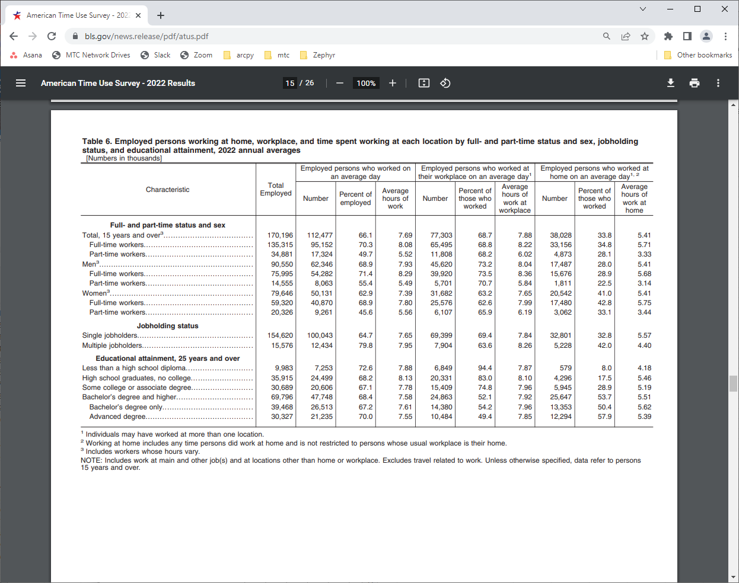

Table 6. Employed persons working at home, workplace, and time spent working at each location by full- and part-time status and sex, jobholding status, and educational attainment, 2022 annual averages
[Numbers in thousands]
 | Total Employed | Employed persons who worked on an average day |  |  | Employed persons who worked at their workplace on an average day |  |  | Employed persons who worked at home on an average day
Characteristic |  | Number | Percent of employed | Average hours of work | Number | Percent of those who worked | Average hours of work at workplace | Number | Percent of those who worked | Average hours of work at workplace
Full- and part-time status
Total, 15 years and over | 170,196 | 112,477 | 66.1% | 7.69 | 77,303 | 68.7% | 7.88 | 38,028 | 33.8% | 5.41
Full-time workers | 135,315 | 95,152 | 70.3% | 8.08 | 65,495 | 68.8% | 8.22 | 33,156 | 34.8% | 5.71
Part-time workers | 34,881 | 17,326 | 49.7% | 5.52 | 11,808 | 68.2% | 6.02 | 4,873 | 28.1% | 3.33

