Trip Distributions Plots
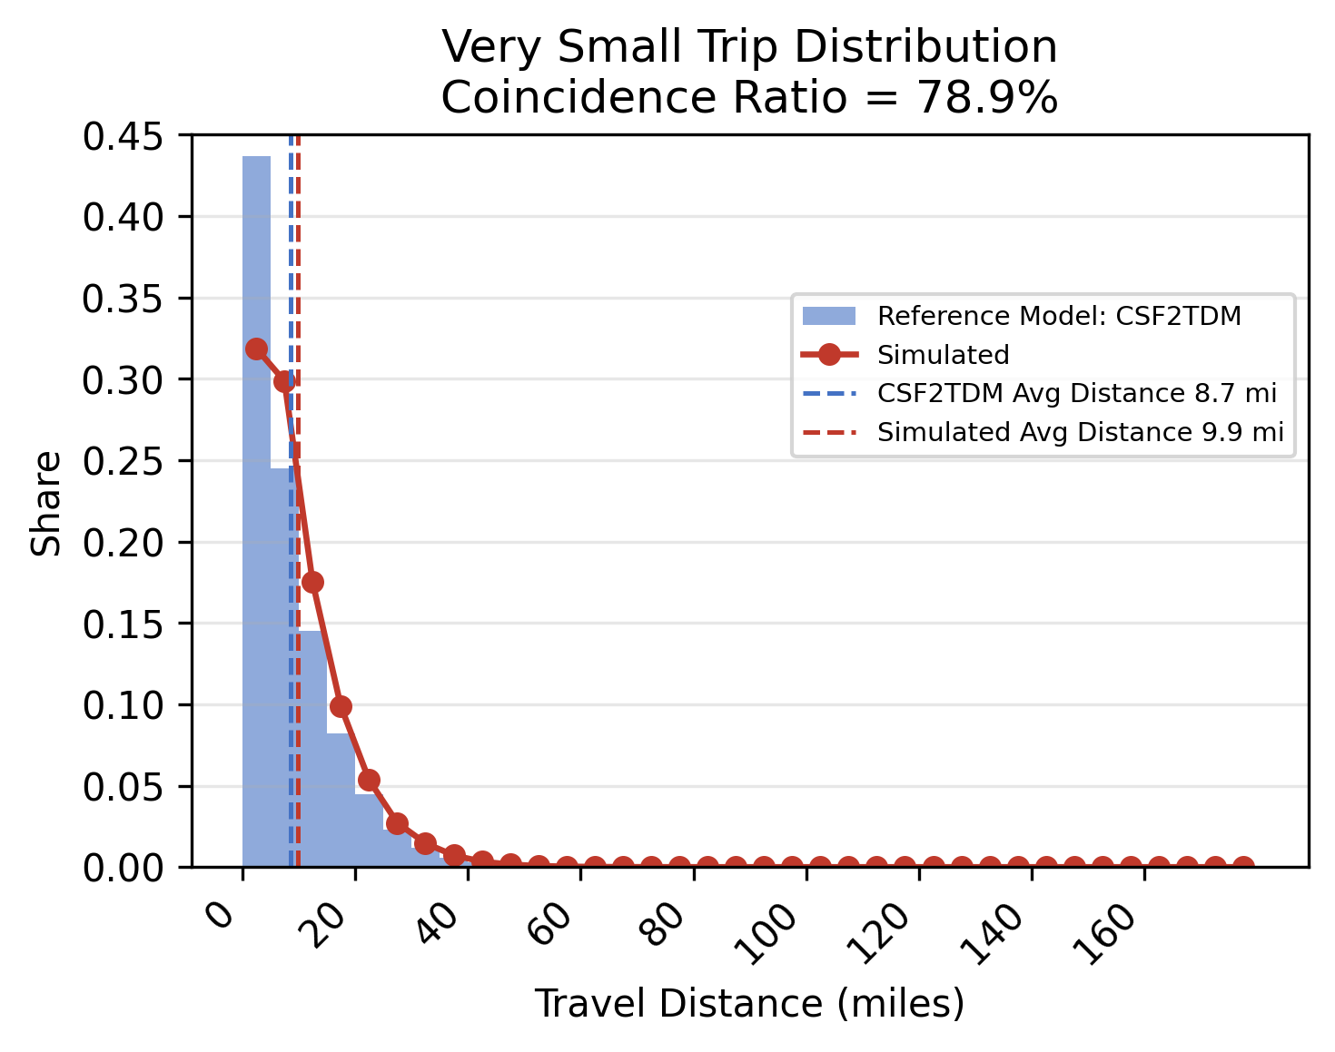



Plot Type | TM-1.7_FINAL | TM-1.7_BridgeheadIndustrial | TM-1.7_GiovannoniLogisticCenter | TM-1.7_SuisunLogistics
Very Small

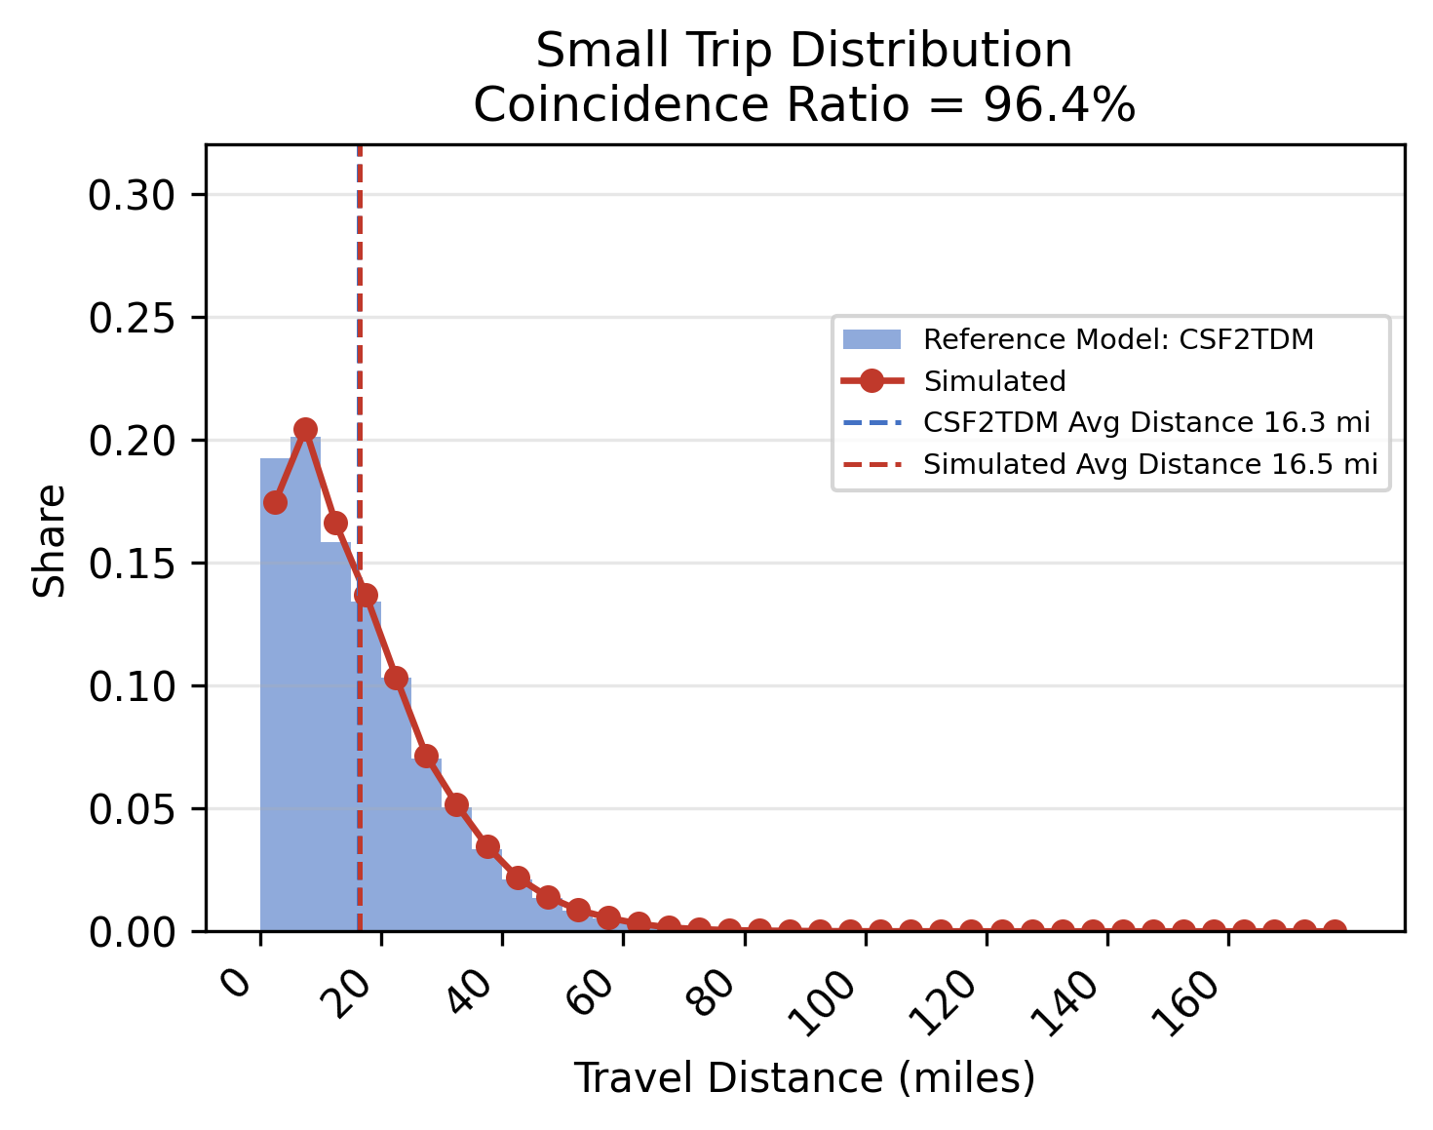



Small

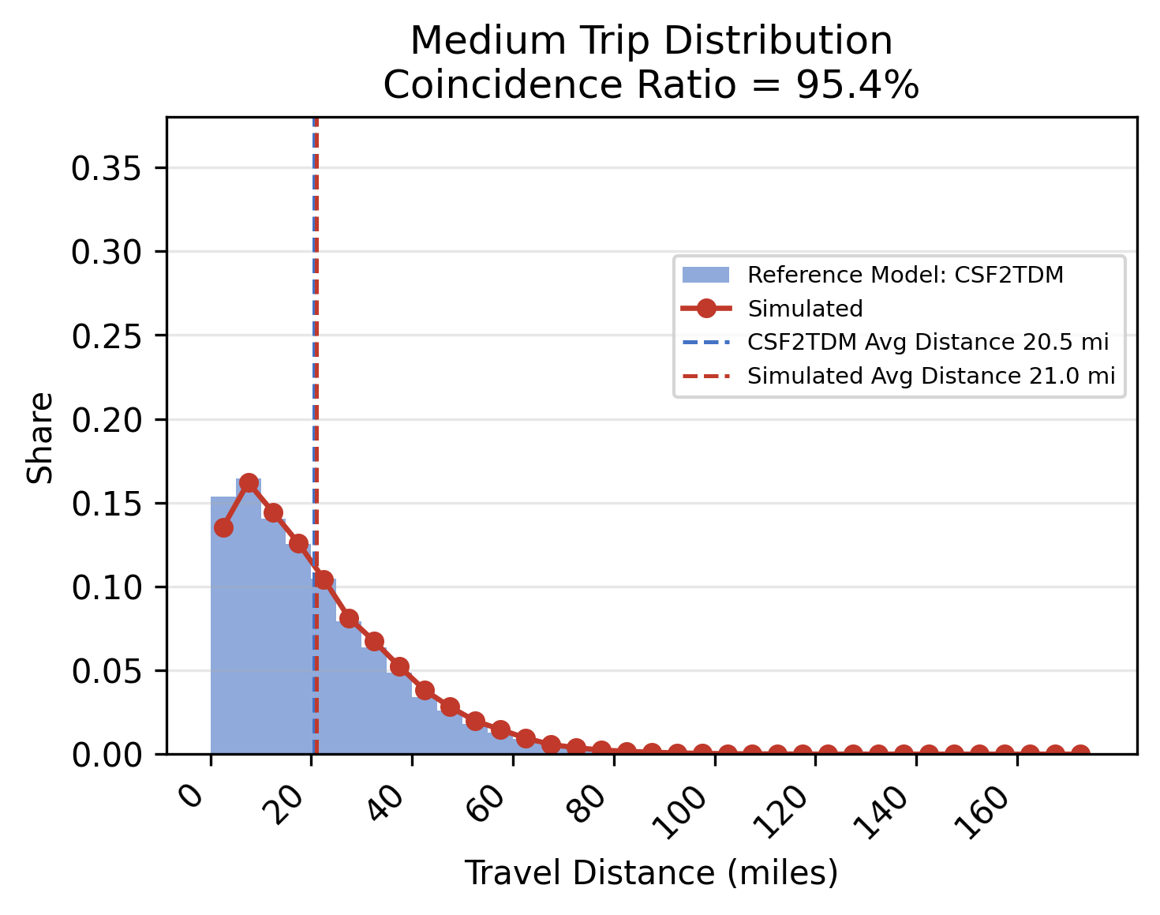



Medium

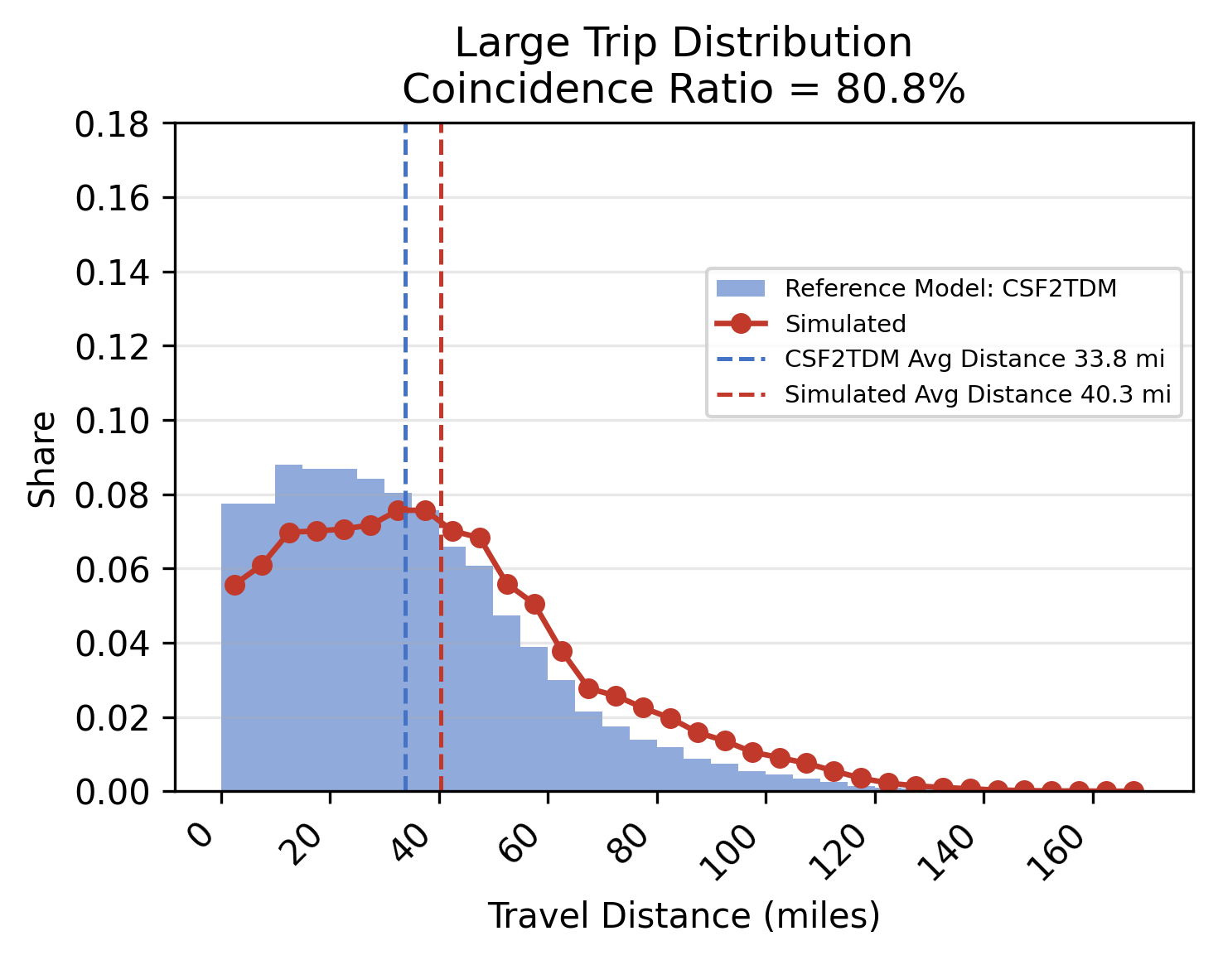



Large

Scatter Plots
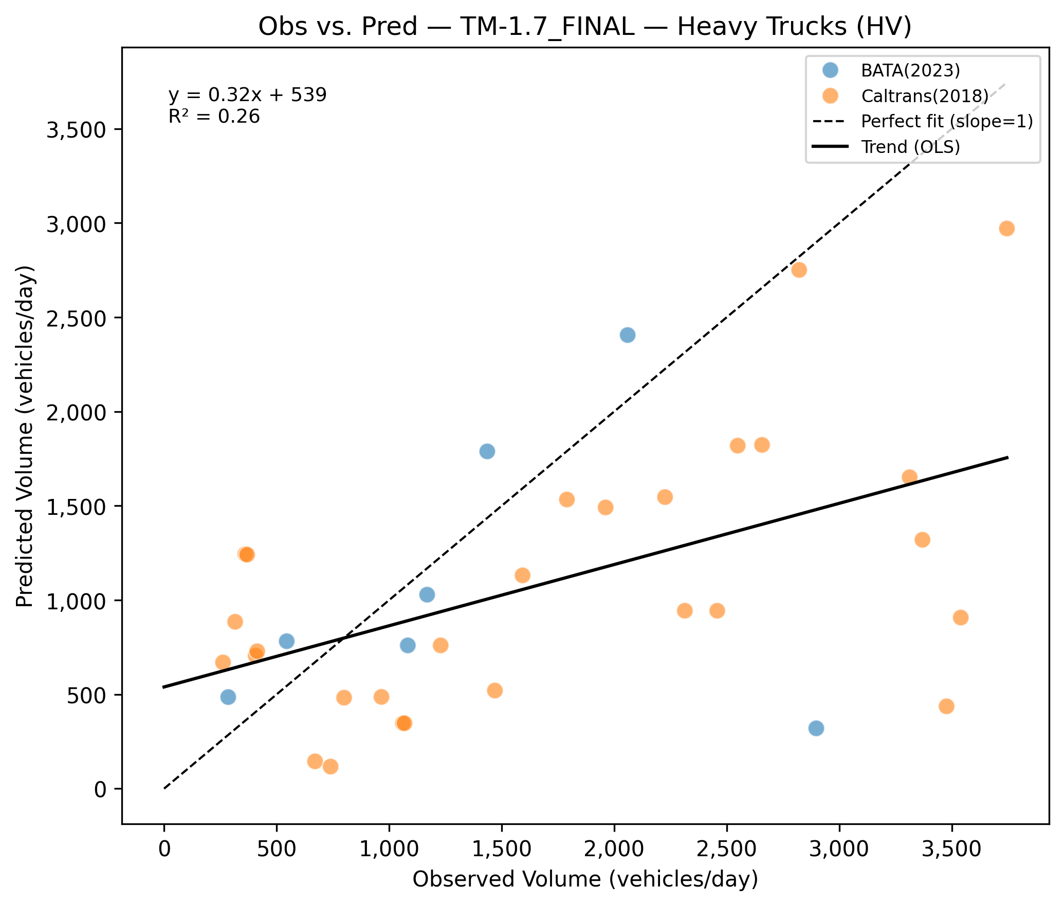
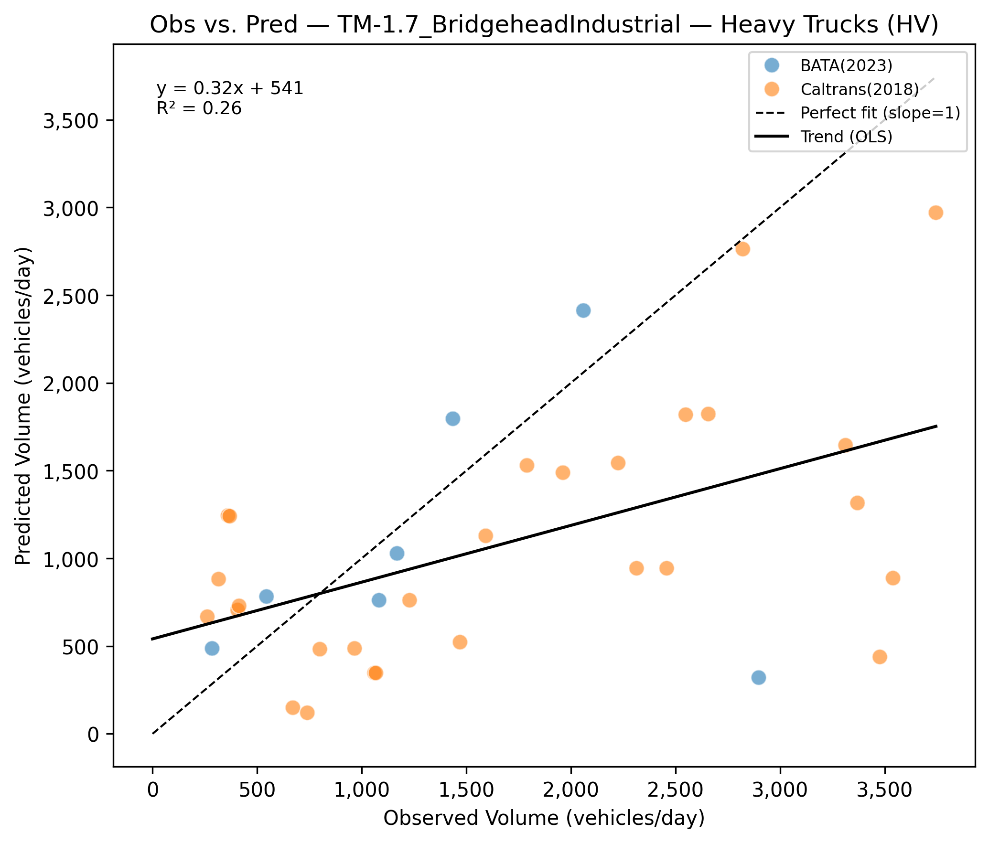
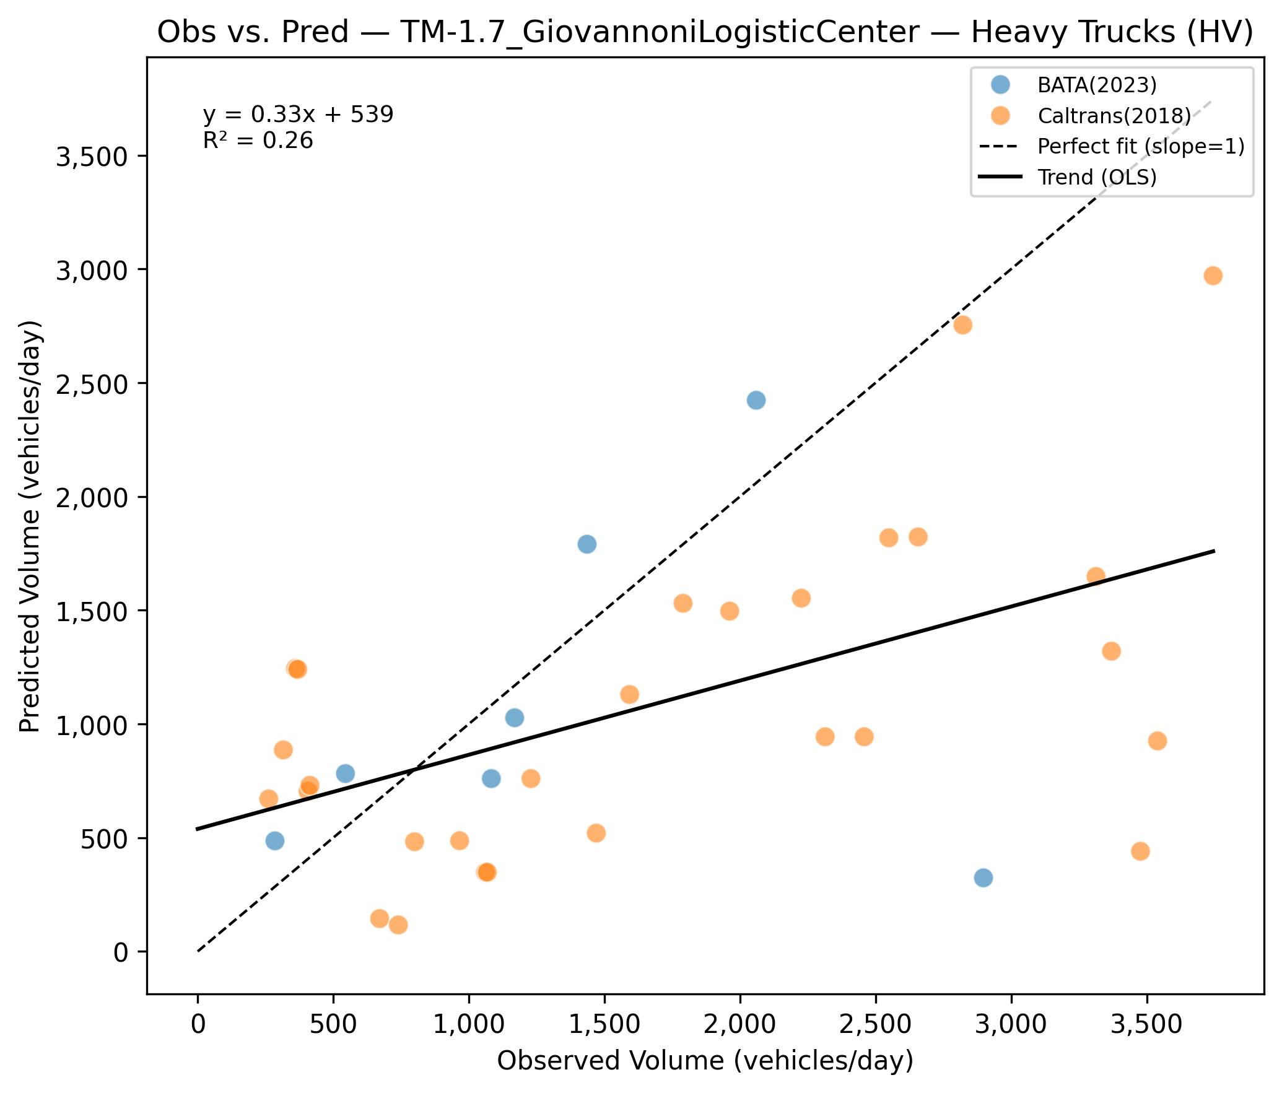
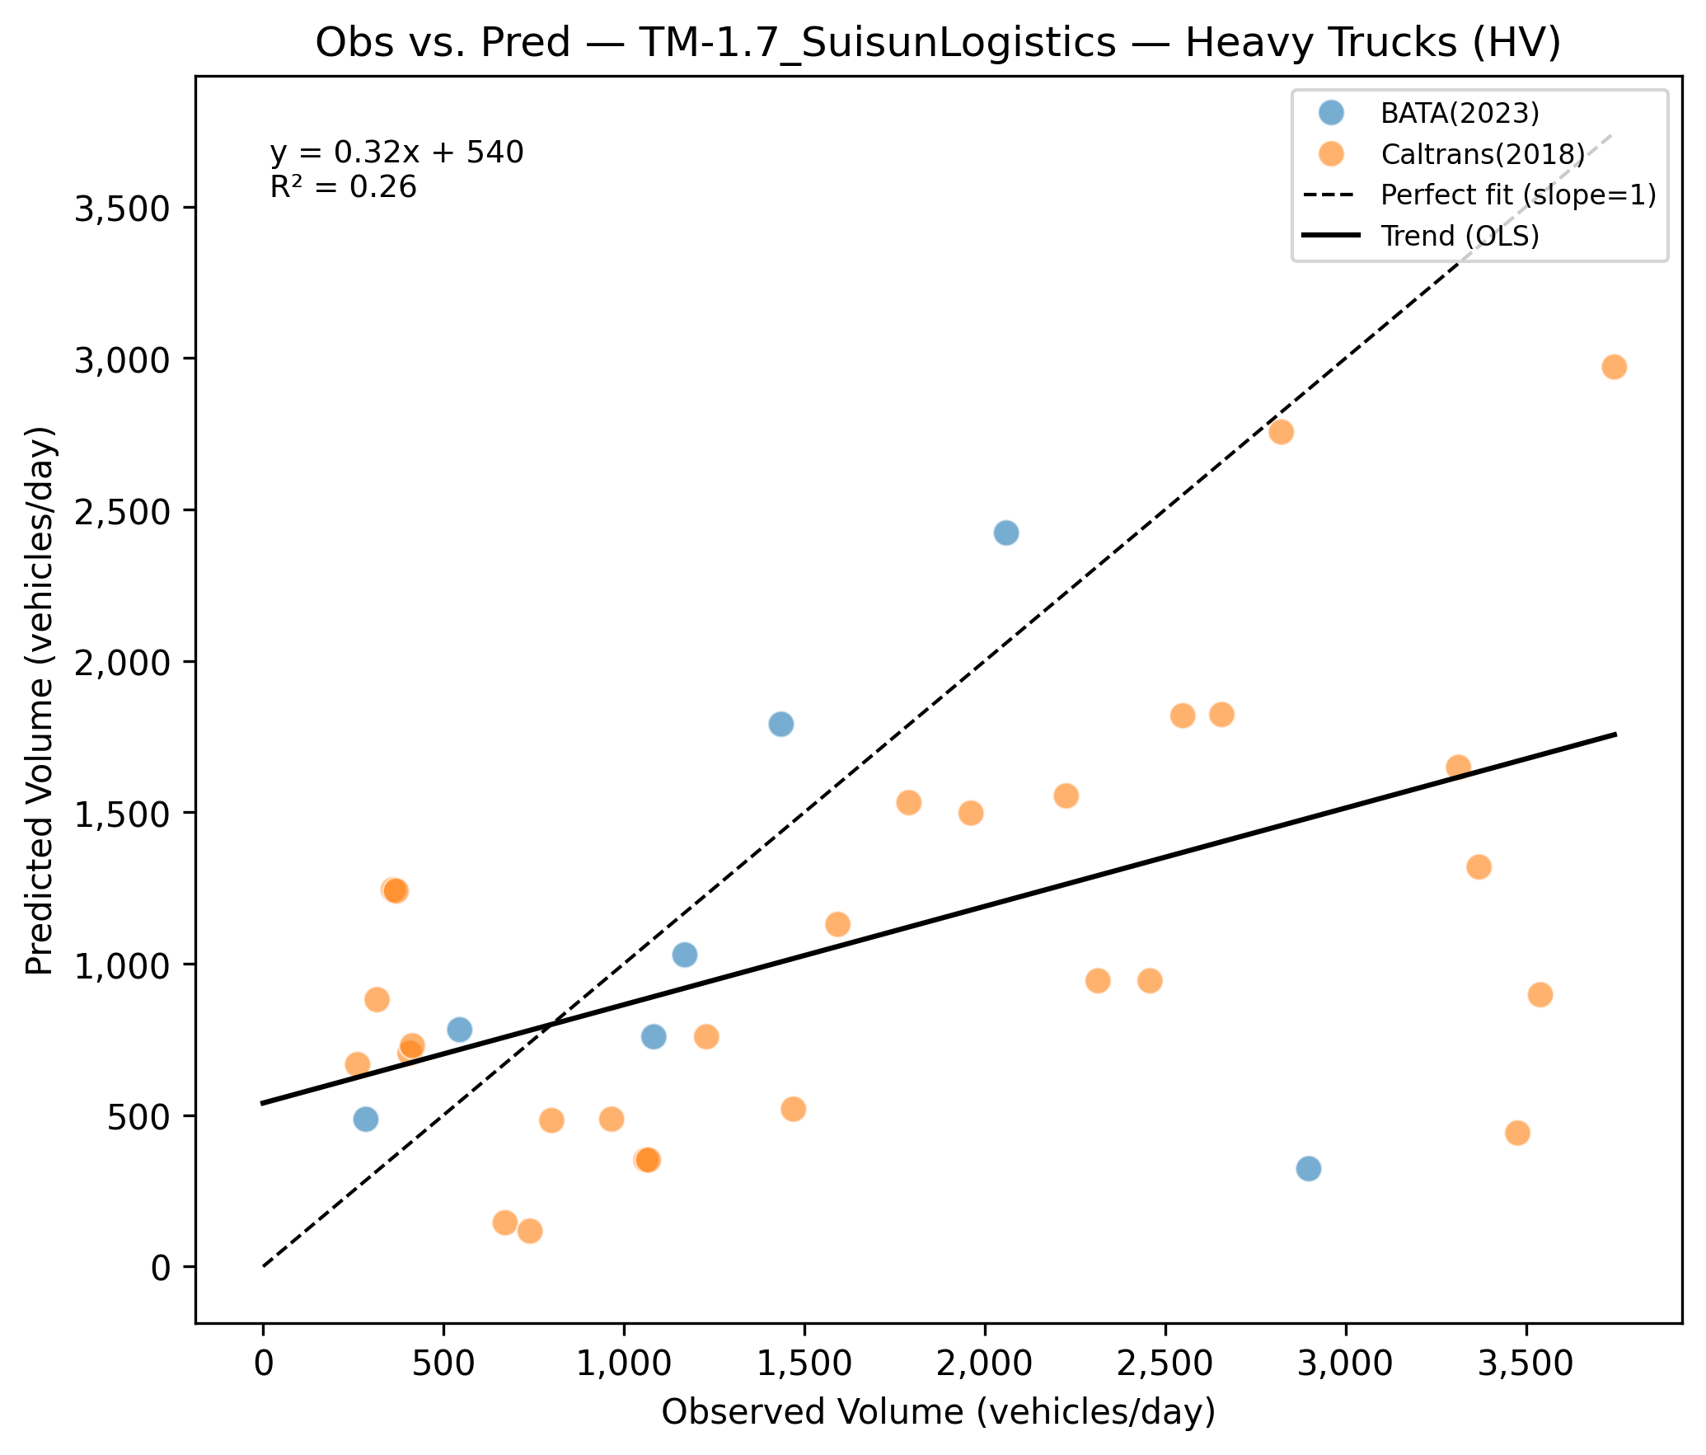
Plot Type | TM-1.7_FINAL | TM-1.7_BridgeheadIndustrial | TM-1.7_GiovannoniLogisticCenter | TM-1.7_SuisunLogistics
HV

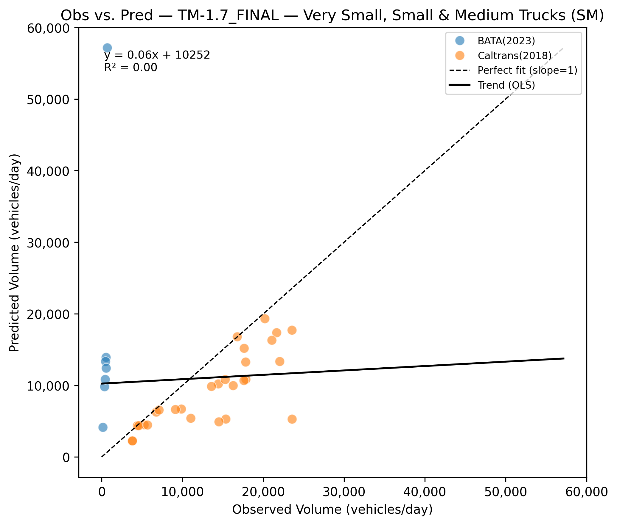
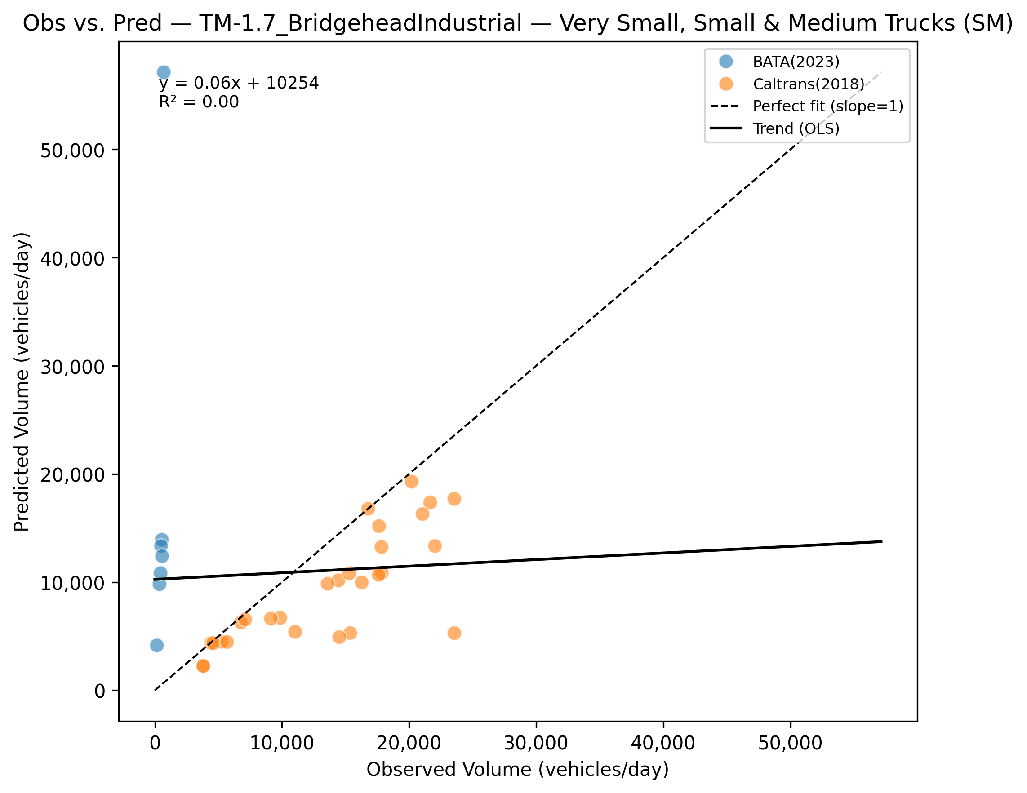
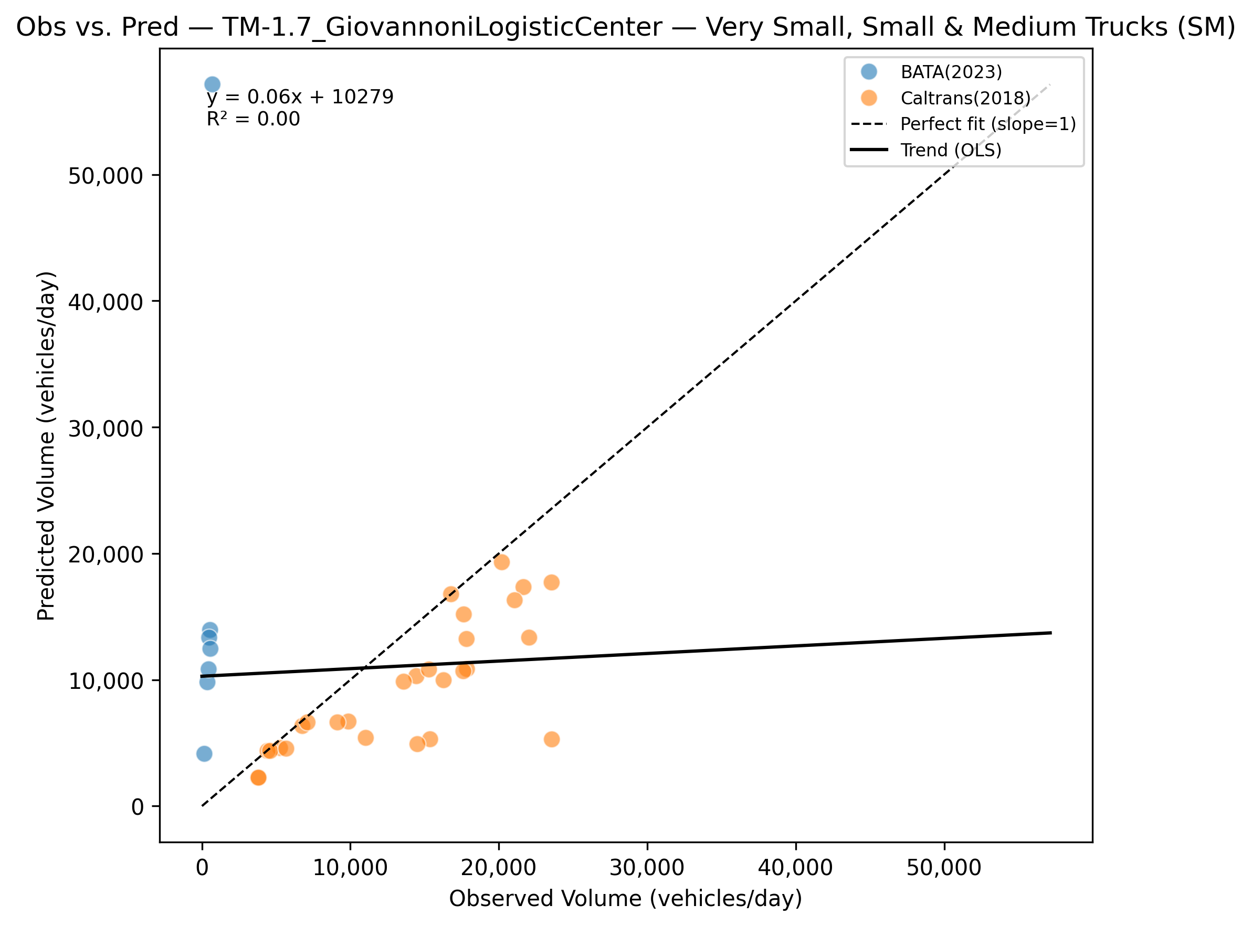
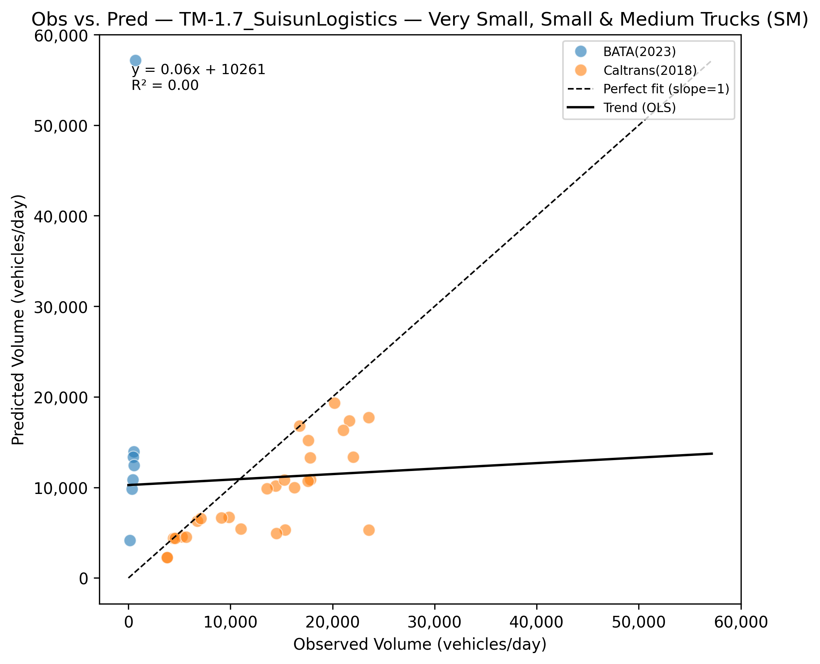
SM

