ATUS-2023
Source: Bureau of Labor Statistics News Release for American Time Use Survey - 2023 Results
https://www.bls.gov/news.release/pdf/atus.pdf

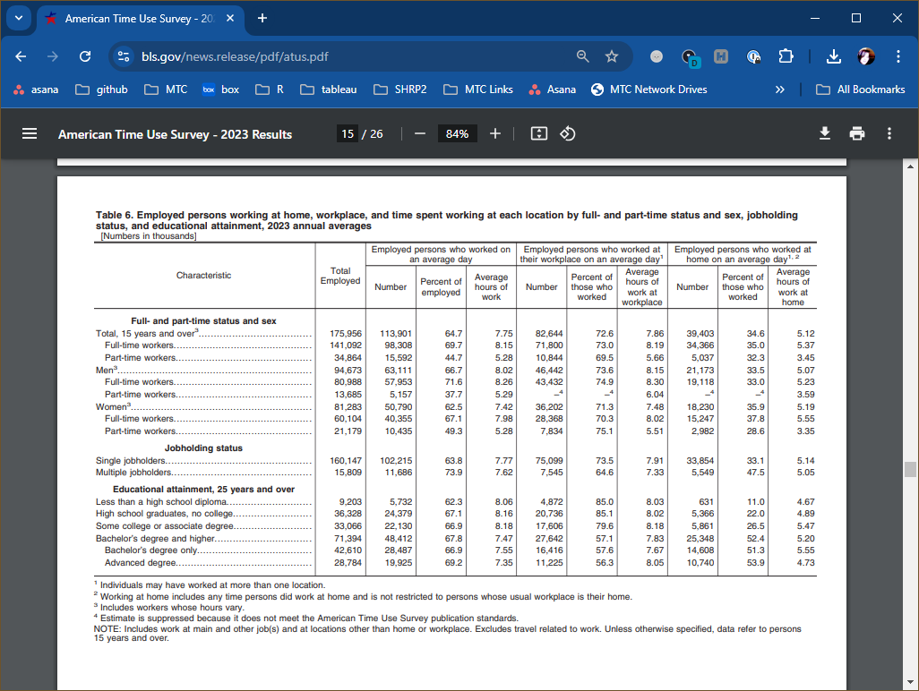

Table 6. Employed persons working at home, workplace, and time spent working at each location by full- and part-time status and sex, jobholding status, and educational attainment, 2023 annual averages
[Numbers in thousands]
 | Total Employed | Employed persons who worked on an average day |  |  | Employed persons who worked at their workplace on an average day |  |  | Employed persons who worked at home on an average day
Characteristic |  | Number | Percent of employed | Average hours of work | Number | Percent of those who worked | Average hours of work at workplace | Number | Percent of those who worked | Average hours of work at workplace
Full- and part-time status
Total, 15 years and over | 175,956 | 113,901 | 64.7% | 7.75 | 82,644 | 72.6% | 7.86 | 39,403 | 34.6% | 5.12
Full-time workers | 141,092 | 98,308 | 69.7% | 8.15 | 71,800 | 73.0% | 8.19 | 34,366 | 35.0% | 5.37
Part-time workers | 34,864 | 15,592 | 44.7% | 5.28 | 10,844 | 69.5% | 5.66 | 5,037 | 32.3% | 3.45

ATUS-2022
Source: Bureau of Labor Statistics News Release for American Time Use Survey - 2022 Results
https://www.bls.gov/news.release/pdf/atus.pdf

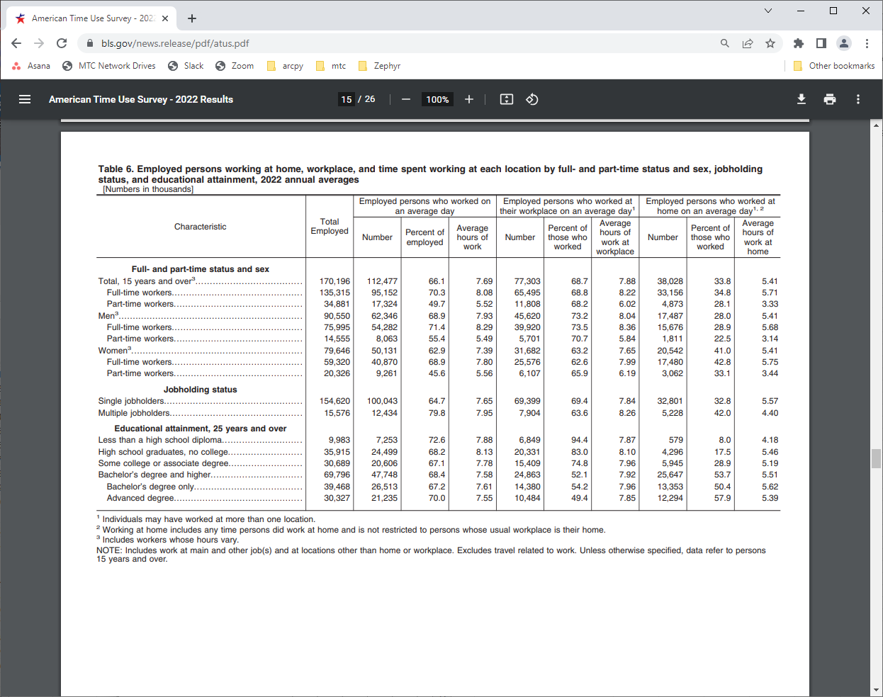

Table 6. Employed persons working at home, workplace, and time spent working at each location by full- and part-time status and sex, jobholding status, and educational attainment, 2022 annual averages
[Numbers in thousands]
 | Total Employed | Employed persons who worked on an average day |  |  | Employed persons who worked at their workplace on an average day |  |  | Employed persons who worked at home on an average day
Characteristic |  | Number | Percent of employed | Average hours of work | Number | Percent of those who worked | Average hours of work at workplace | Number | Percent of those who worked | Average hours of work at workplace
Full- and part-time status
Total, 15 years and over | 170,196 | 112,477 | 66.1% | 7.69 | 77,303 | 68.7% | 7.88 | 38,028 | 33.8% | 5.41
Full-time workers | 135,315 | 95,152 | 70.3% | 8.08 | 65,495 | 68.8% | 8.22 | 33,156 | 34.8% | 5.71
Part-time workers | 34,881 | 17,326 | 49.7% | 5.52 | 11,808 | 68.2% | 6.02 | 4,873 | 28.1% | 3.33

ACS Summary
Region | Year | Data_Type | Mode | Observed Share | Source | Linear Projection | Exponential Extrapolation
Bay Area | 1970 | Residence | Work From Home | 2.4% | BayAreaCensus
Bay Area | 1980 | Residence | Work From Home | 1.9% | BayAreaCensus
Bay Area | 1990 | Residence | Work From Home | 3.4% | BayAreaCensus
Bay Area | 2000 | Residence | Work From Home | 4.0% | BayAreaCensus
Bay Area | 2006 | Residence | Work From Home | 5.5% | B08301_ACS06_1YR
Bay Area | 2007 | Residence | Work From Home | 5.2% | B08301_ACS07_1YR
Bay Area | 2008 | Residence | Work From Home | 5.1% | B08301_ACS08_1YR
Bay Area | 2009 | Residence | Work From Home | 5.5% | B08301_ACS09_1YR
Bay Area | 2010 | Residence | Work From Home | 5.9% | B08301_ACS10_1YR
Bay Area | 2011 | Residence | Work From Home | 5.9% | B08301_ACS11_1YR
Bay Area | 2012 | Residence | Work From Home | 5.6% | B08301_ACS12_1YR
Bay Area | 2013 | Residence | Work From Home | 5.4% | B08301_ACS13_1YR
Bay Area | 2014 | Residence | Work From Home | 5.8% | B08301_ACS14_1YR
Bay Area | 2015 | Residence | Work From Home | 5.6% | B08301_ACS15_1YR
Bay Area | 2016 | Residence | Work From Home | 6.3% | B08301_ACS16_1YR
Bay Area | 2017 | Residence | Work From Home | 6.3% | B08301 _ACS17_1YR
Bay Area | 2018 | Residence | Work From Home | 6.4% | B08301 _ACS18_1YR
Bay Area | 2019 | Residence | Work From Home | 6.5% | B08301 _ACS19_1YR
Bay Area | 2020 | Residence | Work From Home | 10.2% | B08301 _ACS20_5YR
Bay Area | 2021 | Residence | Work From Home | 33.0% | B08301 _ACS21_1YR
Bay Area | 2022 | Residence | Work From Home | 24.9% | B08301 _ACS22_1YR
Bay Area | 2023 | Residence | Work From Home | 18.5% | B08301 _ACS23_1YR
Bay Area | 2025 |  |  |  | Projection | 12.8% | 11.6%
Bay Area | 2030 |  |  |  | Projection | 14.3% | 14.0%
Bay Area | 2035 |  |  |  | Projection | 15.7% | 16.9%
Bay Area | 2040 |  |  |  | Projection | 17.2% | 20.4%
Bay Area | 2045 |  |  |  | Projection | 18.6% | 24.7%
Bay Area | 2050 |  |  |  | Projection | 20.1% | 29.9%

