Sheet1
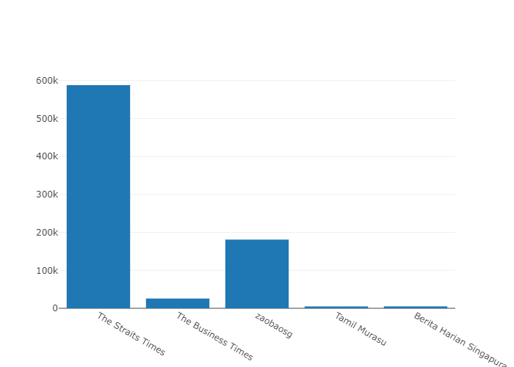
1) How many subscribers are there for each channel?

channelid | channelname | subscribercount | videocount
UC4p_I9eiRewn2KoU-nawrDg | The Straits Times | 588000 | 30393
UC0GP1HDhGZTLih7B89z_cTg | The Business Times | 25700 | 1248
UCrbQxu0YkoVWu2dw5b1MzNg | zaobaosg | 181000 | 5317
UCs0xZ60FSNxFxHPVFFsXNTA | Tamil Murasu | 4830 | 436
UC_WgSFSkn7112rmJQcHSUIQ | Berita Harian Singapura | 5000 | 446

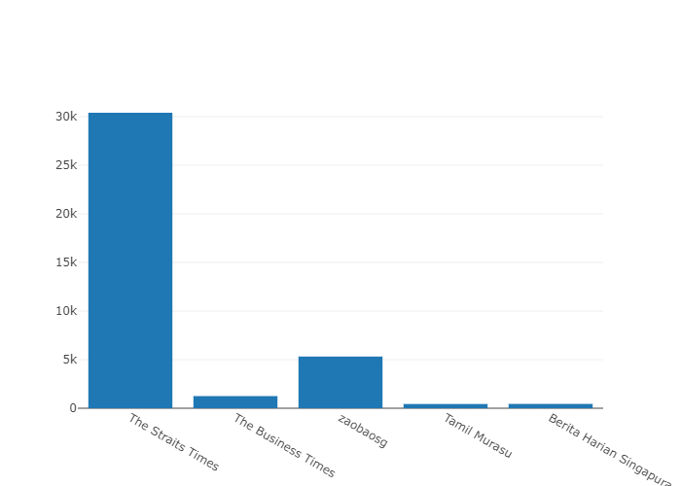

2) How many video’s have been published for each channel?

channelid | channelname | subscribercount | videocount
UC4p_I9eiRewn2KoU-nawrDg | The Straits Times | 588000 | 30393
UC0GP1HDhGZTLih7B89z_cTg | The Business Times | 25700 | 1248
UCrbQxu0YkoVWu2dw5b1MzNg | zaobaosg | 181000 | 5317
UCs0xZ60FSNxFxHPVFFsXNTA | Tamil Murasu | 4830 | 436
UC_WgSFSkn7112rmJQcHSUIQ | Berita Harian Singapura | 5000 | 446

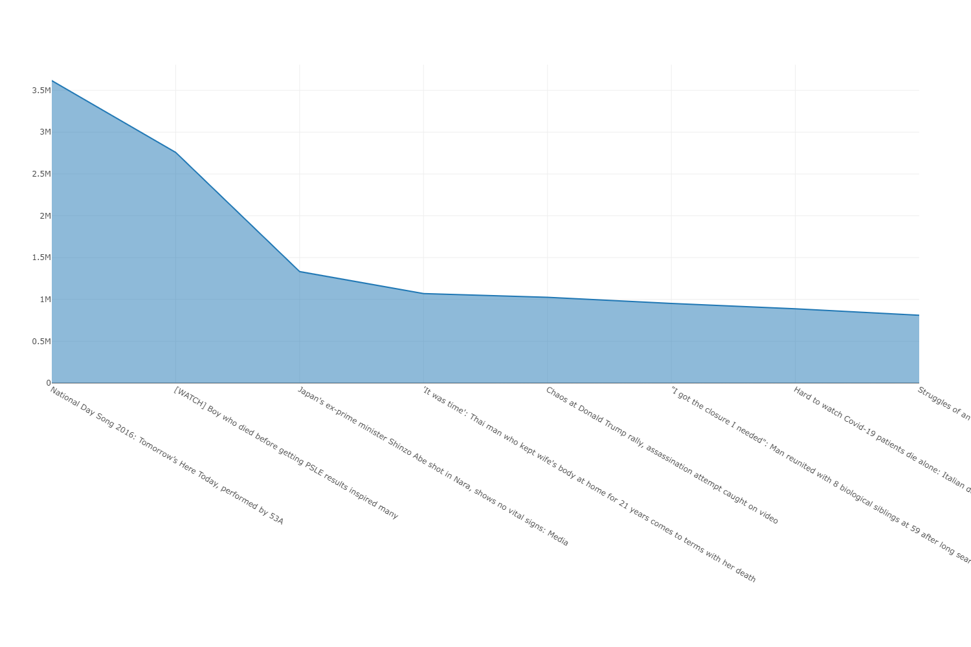

3)

4)Which are the most viewed videos?

channelname | title | viewcount | publishdate
The Straits Times | National Day Song 2016: Tomorrow’s Here Today, performed by 53A | 3616363 | 6/19/16
The Straits Times | [WATCH] Boy who died before getting PSLE results inspired many | 2758030 | 12/1/20
The Straits Times | [WATCH] Boy who died before getting PSLE results inspired many | 2758029 | 12/1/20
The Straits Times | Japan&#39;s ex-prime minister Shinzo Abe shot in Nara, shows no vital signs: Media | 1332016 | 7/8/22
The Straits Times | &#39;It was time&#39;: Thai man who kept wife&#39;s body at home for 21 years comes to terms with her death | 1069485 | 5/15/22
The Straits Times | &#39;It was time&#39;: Thai man who kept wife&#39;s body at home for 21 years comes to terms with her death | 1069484 | 5/15/22
The Business Times | Chaos at Donald Trump rally, assassination attempt caught on video | 1025966 | 7/14/24
The Straits Times | &quot;I got the closure I needed&quot;: Man reunited with 8 biological siblings at 59 after long search | 950720 | 7/23/22
The Straits Times | Hard to watch Covid-19 patients die alone: Italian doctor | 887269 | 3/20/20
The Straits Times | Struggles of an air stewardess | Before 10am | The Straits Times | 809633 | 2/18/19

