Reporting_queries_results
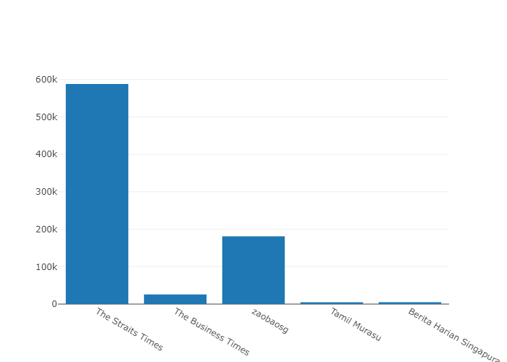
How many subscribers are there for each channel?
 |  |  |  |  | Query:
channelid | channelname | subscribercount | videocount
UC4p_I9eiRewn2KoU-nawrDg | The Straits Times | 588000 | 30393 |  | select * from channel_details
UC0GP1HDhGZTLih7B89z_cTg | The Business Times | 25700 | 1248
UCrbQxu0YkoVWu2dw5b1MzNg | zaobaosg | 181000 | 5317
UCs0xZ60FSNxFxHPVFFsXNTA | Tamil Murasu | 4830 | 436
UC_WgSFSkn7112rmJQcHSUIQ | Berita Harian Singapura | 5000 | 446

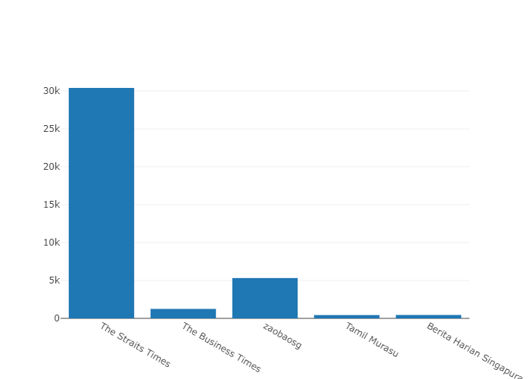

How many video’s have been published for each channel?

channelid | channelname | subscribercount | videocount
UC4p_I9eiRewn2KoU-nawrDg | The Straits Times | 588000 | 30393
UC0GP1HDhGZTLih7B89z_cTg | The Business Times | 25700 | 1248
UCrbQxu0YkoVWu2dw5b1MzNg | zaobaosg | 181000 | 5317
UCs0xZ60FSNxFxHPVFFsXNTA | Tamil Murasu | 4830 | 436
UC_WgSFSkn7112rmJQcHSUIQ | Berita Harian Singapura | 5000 | 446

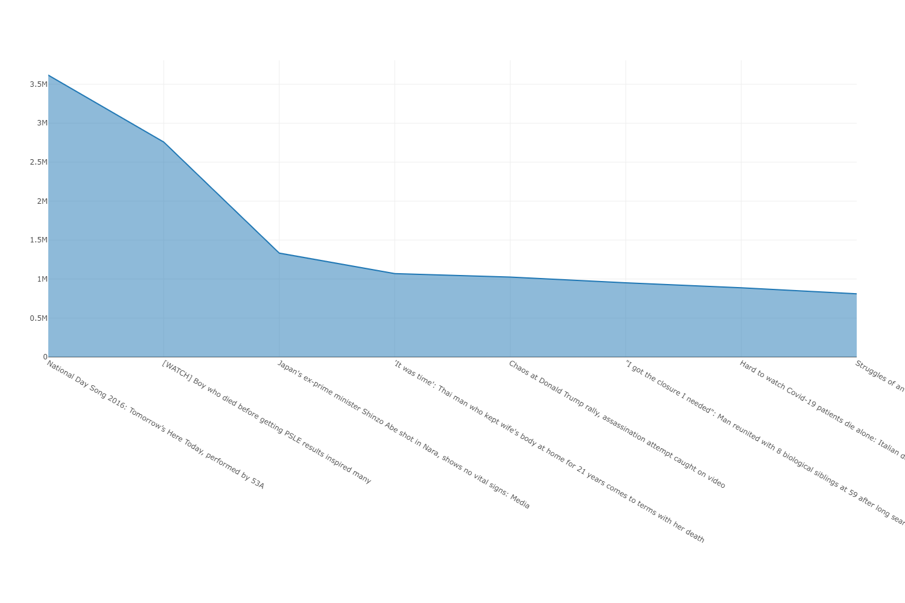

All-Time Top 10 Most Viewed Videos: Highlighting Channel , video titles and Their Hits |  |  |  |  | Query:

channelname | title | viewcount | publishdate |  | select distinct c.channelname, pvd.title , pvd.viewcount,pvd.publishdate from popular_video_details pvd JOIN channel_details c ON pvd.channelid = c.channelid order by viewcount desc limit 10
The Straits Times | National Day Song 2016: Tomorrow’s Here Today, performed by 53A | 3616363 | 6/19/16
The Straits Times | [WATCH] Boy who died before getting PSLE results inspired many | 2758030 | 12/1/20
The Straits Times | [WATCH] Boy who died before getting PSLE results inspired many | 2758029 | 12/1/20
The Straits Times | Japan&#39;s ex-prime minister Shinzo Abe shot in Nara, shows no vital signs: Media | 1332016 | 7/8/22
The Straits Times | &#39;It was time&#39;: Thai man who kept wife&#39;s body at home for 21 years comes to terms with her death | 1069485 | 5/15/22
The Straits Times | &#39;It was time&#39;: Thai man who kept wife&#39;s body at home for 21 years comes to terms with her death | 1069484 | 5/15/22
The Business Times | Chaos at Donald Trump rally, assassination attempt caught on video | 1025966 | 7/14/24
The Straits Times | &quot;I got the closure I needed&quot;: Man reunited with 8 biological siblings at 59 after long search | 950720 | 7/23/22
The Straits Times | Hard to watch Covid-19 patients die alone: Italian doctor | 887269 | 3/20/20
The Straits Times | Struggles of an air stewardess | Before 10am | The Straits Times | 809633 | 2/18/19

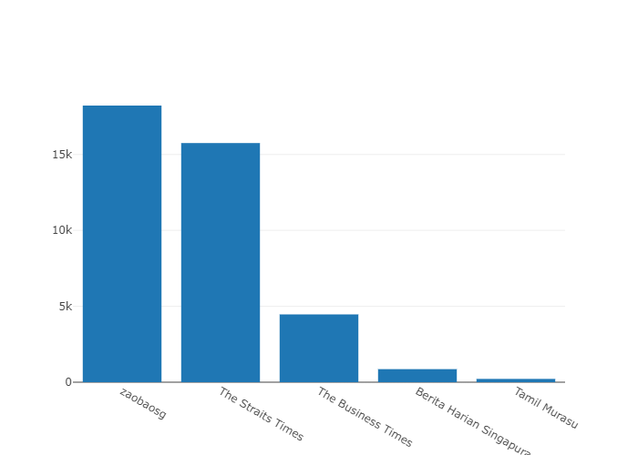

Avg views per video across each channel

 |  |  |  |  | Query:

 |  |  |  |  | SELECT c.channelname, AVG(viewcount) AS avg_views_per_video FROM channel_details c JOIN video_details v on v.channelid = c.channelid GROUP BY c.channelname ORDER BY avg_views_per_video DESC;
channelname | avg_views_per_video
zaobaosg | 18224
The Straits Times | 15754
The Business Times | 4466
Berita Harian Singapura | 860
Tamil Murasu | 217

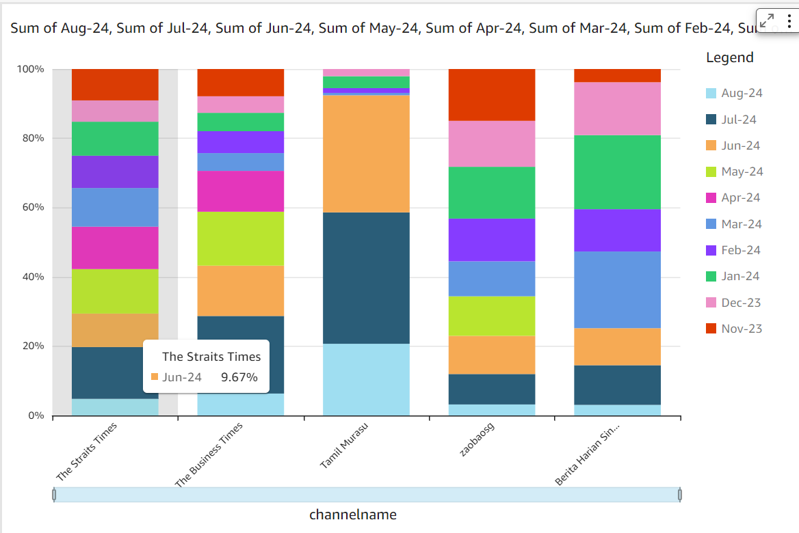

 | 12-Month Channel View Count Dashboard
 |  |  |  |  |  |  |  |  |  |  |  |  |  | Query:

channelname | Aug-24 | Jul-24 | Jun-24 | May-24 | Apr-24 | Mar-24 | Feb-24 | Jan-24 | Dec-23 | Nov-23 | Oct-23 | Sep-23 | Aug-23 | WITH video_month_counts AS ( SELECT c.channelname, TO_CHAR(DATE_TRUNC('month', v.publishdate), 'YYYY-MM') AS month, COUNT(v.videoid) AS videocount FROM video_details v JOIN channel_details c ON v.channelid = c.channelid WHERE v.publishdate BETWEEN '2023-08-11' AND '2024-08-10' GROUP BY c.channelname, DATE_TRUNC('month', v.publishdate) ) SELECT channelname, MAX(CASE WHEN month = '2024-08' THEN videocount ELSE 0 END) AS "August 2024", MAX(CASE WHEN month = '2024-07' THEN videocount ELSE 0 END) AS "July 2024", MAX(CASE WHEN month = '2024-06' THEN videocount ELSE 0 END) AS "June 2024", MAX(CASE WHEN month = '2024-05' THEN videocount ELSE 0 END) AS "May 2024", MAX(CASE WHEN month = '2024-04' THEN videocount ELSE 0 END) AS "April 2024", MAX(CASE WHEN month = '2024-03' THEN videocount ELSE 0 END) AS "March 2024", MAX(CASE WHEN month = '2024-02' THEN videocount ELSE 0 END) AS "February 2024", MAX(CASE WHEN month = '2024-01' THEN videocount ELSE 0 END) AS "January 2024", MAX(CASE WHEN month = '2023-12' THEN videocount ELSE 0 END) AS "December 2023", MAX(CASE WHEN month = '2023-11' THEN videocount ELSE 0 END) AS "November 2023", MAX(CASE WHEN month = '2023-10' THEN videocount ELSE 0 END) AS "October 2023", MAX(CASE WHEN month = '2023-09' THEN videocount ELSE 0 END) AS "September 2023", MAX(CASE WHEN month = '2023-08' THEN videocount ELSE 0 END) AS "August 2023" FROM video_month_counts GROUP BY channelname ORDER BY channelname;
Berita Harian Singapura | 4 | 15 | 14 | 0 | 0 | 29 | 16 | 28 | 20 | 5 | 0 | 5 | 1
Tamil Murasu | 30 | 55 | 49 | 0 | 0 | 1 | 2 | 5 | 3 | 0 | 0 | 5 | 1
The Business Times | 37 | 131 | 85 | 91 | 69 | 30 | 37 | 31 | 28 | 46 | 34 | 39 | 27
The Straits Times | 71 | 221 | 143 | 190 | 181 | 165 | 138 | 145 | 91 | 134 | 205 | 136 | 101
zaobaosg | 17 | 47 | 59 | 61 | 0 | 54 | 66 | 80 | 71 | 80 | 31 | 96 | 60

 | Monthly Video Counts and Percentage Change by Channel (Last 12 Months)

 |  |  |  |  |  |  |  |  | Query:

channelname | month | videocount | percentchange |  |  |  |  |  | WITH MonthlyVideoCounts AS ( SELECT vd.ChannelID, DATE_TRUNC('month', vd.PublishDate) AS Month, COUNT(*) AS VideoCount FROM video_details vd GROUP BY vd.ChannelID, DATE_TRUNC('month', vd.PublishDate) ), RankedData AS ( SELECT mv.ChannelID, mv.Month, mv.VideoCount, LAG(mv.VideoCount) OVER (PARTITION BY mv.ChannelID ORDER BY mv.Month) AS PreviousMonthCount FROM MonthlyVideoCounts mv ), ChannelData AS ( SELECT cd.ChannelID, cd.ChannelName FROM channel_details cd ) SELECT cd.ChannelName, rd.Month, rd.VideoCount, CASE WHEN rd.PreviousMonthCount IS NULL THEN NULL WHEN rd.PreviousMonthCount = 0 THEN NULL ELSE (rd.VideoCount - rd.PreviousMonthCount) * 100.0 / rd.PreviousMonthCount END AS PercentChange FROM RankedData rd JOIN ChannelData cd ON rd.ChannelID = cd.ChannelID ORDER BY cd.ChannelName, rd.Month;
Berita Harian Singapura | 8/1/23 | 4 | NULL
Berita Harian Singapura | 9/1/23 | 5 | 25
Berita Harian Singapura | 11/1/23 | 5 | 0
Berita Harian Singapura | 12/1/23 | 20 | 300
Berita Harian Singapura | 1/1/24 | 28 | 40
Berita Harian Singapura | 2/1/24 | 16 | -42.857142857
Berita Harian Singapura | 3/1/24 | 29 | 81.25
Berita Harian Singapura | 6/1/24 | 14 | -51.724137931
Berita Harian Singapura | 7/1/24 | 15 | 7.1428571429
Berita Harian Singapura | 8/1/24 | 4 | -73.333333333
Tamil Murasu | 8/1/23 | 2 | NULL
Tamil Murasu | 9/1/23 | 5 | 150
Tamil Murasu | 12/1/23 | 3 | -40
Tamil Murasu | 1/1/24 | 5 | 66.666666667
Tamil Murasu | 2/1/24 | 2 | -60
Tamil Murasu | 3/1/24 | 1 | -50
Tamil Murasu | 6/1/24 | 49 | 4800
Tamil Murasu | 7/1/24 | 55 | 12.244897959
Tamil Murasu | 8/1/24 | 33 | -40
The Business Times | 8/1/23 | 34 | NULL
The Business Times | 9/1/23 | 39 | 14.705882353
The Business Times | 10/1/23 | 34 | -12.820512821
The Business Times | 11/1/23 | 46 | 35.294117647
The Business Times | 12/1/23 | 28 | -39.130434783
The Business Times | 1/1/24 | 31 | 10.714285714
The Business Times | 2/1/24 | 37 | 19.35483871
The Business Times | 3/1/24 | 30 | -18.918918919
The Business Times | 4/1/24 | 69 | 130
The Business Times | 5/1/24 | 91 | 31.884057971
The Business Times | 6/1/24 | 85 | -6.5934065934
The Business Times | 7/1/24 | 131 | 54.117647059
The Business Times | 8/1/24 | 37 | -71.755725191
The Straits Times | 8/1/23 | 140 | NULL
The Straits Times | 9/1/23 | 136 | -2.8571428571
The Straits Times | 10/1/23 | 205 | 50.735294118
The Straits Times | 11/1/23 | 134 | -34.634146341
The Straits Times | 12/1/23 | 91 | -32.089552239
The Straits Times | 1/1/24 | 145 | 59.340659341
The Straits Times | 2/1/24 | 138 | -4.8275862069
The Straits Times | 3/1/24 | 165 | 19.565217391
The Straits Times | 4/1/24 | 181 | 9.696969697
The Straits Times | 5/1/24 | 190 | 4.9723756906
The Straits Times | 6/1/24 | 143 | -24.736842105
The Straits Times | 7/1/24 | 221 | 54.545454545
The Straits Times | 8/1/24 | 75 | -66.063348416
zaobaosg | 8/1/23 | 83 | NULL
zaobaosg | 9/1/23 | 96 | 15.662650602
zaobaosg | 10/1/23 | 31 | -67.708333333
zaobaosg | 11/1/23 | 80 | 158.06451613
zaobaosg | 12/1/23 | 71 | -11.25
zaobaosg | 1/1/24 | 80 | 12.676056338
zaobaosg | 2/1/24 | 66 | -17.5
zaobaosg | 3/1/24 | 54 | -18.181818182
zaobaosg | 5/1/24 | 61 | 12.962962963
zaobaosg | 6/1/24 | 59 | -3.2786885246
zaobaosg | 7/1/24 | 47 | -20.338983051
zaobaosg | 8/1/24 | 18 | -61.70212766

 | Channels with Consistent Monthly Activity Over the Past 12 Months |  |  |  |  |  |  |  | Query:
 |  |  |  |  |  |  |  |  | WITH MonthlyCounts AS ( SELECT ChannelID, DATE_TRUNC('month', PublishDate) AS Month, COUNT(*) AS VideoCount FROM video_details WHERE PublishDate >= DATE_TRUNC('month', CURRENT_DATE) - INTERVAL '12 months' AND PublishDate < DATE_TRUNC('month', CURRENT_DATE) -- Exclude the current month GROUP BY ChannelID, DATE_TRUNC('month', PublishDate) ), ConsistentChannels AS ( SELECT ChannelID, COUNT(*) AS ActiveMonths FROM MonthlyCounts WHERE VideoCount > 0 GROUP BY ChannelID HAVING COUNT(DISTINCT Month) = 12 ) SELECT cd.ChannelName FROM ConsistentChannels cc JOIN channel_details cd ON cc.ChannelID = cd.ChannelID ORDER BY cd.ChannelName;

channelname
The Business Times
The Straits Times

 | Top-Performing Videos: Exceptional View Counts by Channel (Last 12 Months)

 |  |  |  |  |  |  |  |  | Query:

 |  |  |  |  |  |  |  |  | SELECT distinct c.channelname, v.title, v.viewcount FROM channel_details c JOIN video_details v on v.channelid = c.channelid WHERE v.viewcount > (SELECT AVG(viewcount) + 2 * STDDEV(viewcount) FROM video_details) ORDER BY v.viewcount DESC;

channelname | title | viewcount
The Business Times | Chaos at Donald Trump rally, assassination attempt caught on video | 1282104
zaobaosg | [ENG SUB] 朝鲜“新星女将军” 金正恩爱女的使命 Kim Jong Un’s Daughter set to be North Korea’s Next Leader? | 世界大解说 | 1173000
zaobaosg | 揭秘缅北诈骗王国背后的“四大家族” | 679039
The Straits Times | WATCH: The moment Trump was shot in right ear at rally | 609419
The Straits Times | Travellers recruited at airports to smuggle gold | 449827
The Straits Times | ‘I’m a Singaporean’: TikTok CEO grilled by US lawmakers about Chinese connections | 446983
The Straits Times | Iran launches first-ever direct attack on Israeli territory | 440913
The Straits Times | Landslides seen in Hualien as earthquake strikes Taiwan | 378289
The Straits Times | Yemen's Houthis wade into Israel-Hamas war | 357116
The Straits Times | The Global Economic Outlook | World Economic Forum 2024 | 352552
The Straits Times | Inside Hamas' 'web' of tunnels under Gaza | 350118
The Straits Times | Aerial footage shows aftermath of collapsed Francis Scott Key Bridge in Baltimore | 348844
The Straits Times | [FULL] Ask The Next President Anything | The Straits Times | 337087
The Straits Times | Taylor Swift in Singapore: Fans outside the National Stadium sing along with the concert | 334294
The Straits Times | Passengers carried out of flight SQ321 after making emergency landing in Bangkok | 333451
zaobaosg | [ENG SUB] 金正恩豪车背后 那些不能说的秘密 The Secrets behind Kim Jong Un&#39;s Luxury Cars | 世界大解说 | 296970
zaobaosg | 新加坡共享居住养老新型式 | 284421
zaobaosg | 国庆群众大会2023 李显龙总理华语演讲 | 281479
zaobaosg | 新加坡年轻人买不起房？ | 248517
The Straits Times | 6-vehicle accident in Tampines | 247737
zaobaosg | 当新加坡成了“坡县”，你能接受吗？ | 240701
The Straits Times | [LIVE] Announcement of Singapore’s 9th president | Presidential Election 2023 | 235797
The Straits Times | Helicopter tragedy: Family grieves loss of daughter in tragic collision in Malaysia | 232909
The Straits Times | Prime Minister Lee Hsien Loong casts his vote for Singapore’s 9th president | 232348
The Straits Times | Gaza buildings collapse after Israeli air strike | 229883
The Straits Times | SQ321 passengers arrive in Singapore on SIA relief flight | 214566
The Straits Times | Bangkok mall shooting: Tragedy in Thailand | 210870
The Straits Times | At 26, he has a chain of 35 fried rice stalls | Lunch with Sumiko | 209946
zaobaosg | 中国两任国防部长犯了什么事？ China&#39;s Communist Party expels former defence ministers for corruption #东谈西论 #早报播客 | 208222
The Straits Times | Taylor Swift in Singapore: Young fan is given Taylor's 22 hat | 201353
The Straits Times | Tampines fatal accident: ‘Hopefully, people are not afraid to step up’ | 196434
zaobaosg | 78岁艺人郑佩佩离世 儿女照母意愿将遗体捐作研究 #zaobaosg #entertainmentnews #shorts | 195772
The Straits Times | Audio-based devices are powering India’s digital payments | 194100
The Straits Times | Japan Airlines collision: Why evacuation was 'miraculous' | 192387
The Straits Times | Tampines accident: Funeral held for teenage student who died in collision | 185000
zaobaosg | 关于尚达曼夫人： 你可能不知道的五件事 | 183779
The Straits Times | Taylor Swift in Singapore: First night of the Eras Tour | 176551
zaobaosg | 社媒推动下 新加坡年轻人新风潮：到中国旅游！ | 174435
zaobaosg | [ENG SUB] 印尼大选：吉布兰“代父”出征 佐科政治传奇的双刃剑 Is Gibran creating a new Indonesian political dynasty? | 世界大解说 | 165525
The Straits Times | Busted! Cash, cars, homes seized in massive $1 billion anti-money laundering blitz | 162969
The Straits Times | WWII bomb detonation on Sept 26: 4,000 residents to temporarily vacate homes | 162889
The Straits Times | Driver in fatal Tampines crash identified, handed 4 charges | 156747
The Straits Times | The mother who wants to break the silence around youth suicide | Wong Kim Hoh meets | 152492
zaobaosg | [ENG SUB] 儿子接管柬埔寨军政 洪森造就家族王朝 How a Khmer Rouge Soldier created Cambodia's Political Dynasty | 世界大解说 | 152115
The Straits Times | WWII bomb in Upper Bukit Timah destroyed in 2 controlled explosions | 152093
zaobaosg | 彭博创新经济论坛 李显龙总理炉边对话完整版 | 151445
zaobaosg | 泰勒丝旋风席卷新加坡 | 151082
zaobaosg | [ENG SUB] 在爱与“顺其自然”间长大的世界冠军—专访墨士廉父母 Kitefoiling Champion Max Maeder's unexpected Olympic journey | 148570
zaobaosg | 柔佛苏丹依布拉欣出任马来西亚新元首 | 143113
zaobaosg | 总统选举2023开票夜 | 直播 | 142907
The Straits Times | Israel-Hamas conflict: What you need to know | 142776
zaobaosg | 政府推出共同前进配套 你的钱够退休养老吗？ | 142566
The Straits Times | Nurses rush to protect babies during Taiwan quake | 141150
The Straits Times | Chew Chor Meng: Don’t focus on what is lost, focus on what is still left | Lunch with Sumiko | 140905
zaobaosg | 以哈冲突情绪蔓延全球 东南亚面临考验 | 140704
The Straits Times | SQ321: A Timeline | 139220
zaobaosg | 【马国六州州选】雪兰莪州选三大看点 | 134853
The Straits Times | Joseph Schooling: My mistake was the complacency to think that this will last forever | 134595
The Straits Times | A mother's heartache | Itaewon crush: One year on | 133621
The Straits Times | Bangkok hotel deaths a case of murder-suicide: What we know so far | 132356
zaobaosg | [ENG SUB] 新加坡独居老人 如何不孤独？Living Alone in Singapore: How Seniors Combat Loneliness | 130326
The Straits Times | Tampines fatal car crash: Driver faces charges in court | 130170
zaobaosg | [ENG SUB] 泰勒丝掀起政治风暴 白宫准备好了吗？How would Taylor Swift swing the 2024 U.S. presidential election | 世界大解说 | 130064
The Straits Times | Landslide victory for president-elect Tharman | 130027
The Straits Times | Thailand’s ‘most beautiful’ road sweeper is a hit on TikTok | 129495
The Straits Times | Twin boys deaths: Father jailed 14 years for killing them | 128266
The Straits Times | Truck drivers offer cheap, but illegal transport service to migrant workers | 127465
zaobaosg | 新航SQ321 遇上罕见气阱？ | 124786
The Straits Times | Singapore auditions for K-pop girl group Fifty Fifty | 123151
zaobaosg | 新加坡急诊等多久才算很久？ | 122212
zaobaosg | 新加坡总理交棒之夜 | 直播 | 121203
The Straits Times | Tony Leung: I've gotten better at communicating with people | 121038
The Straits Times | Bangkok mall shooting: The day after | 120845
zaobaosg | Hello 新加坡，谢谢啦！ | 120425
zaobaosg | [ENG SUB] 不再是老少配？新加坡年轻男士寻觅越南新娘 Younger Singapore Men Looking for Vietnam Brides | 118107
The Straits Times | President Halimah Yacob casts her vote for her successor | 117716
The Straits Times | Malaysia: Dashcam footage of fatal Elmina plane crash circulating online | 116442
The Straits Times | President-elect Tharman Shanmugaratnam begins post-victory walkabout at Taman Jurong | 114763
The Straits Times | Shanti Pereira wins 200m gold 🥇 at Asian Games, ends Singapore’s wait for athletics title | 113743
The Straits Times | Malaysia: Shots fired at Kuala Lumpur airport, one injured | 112954
The Straits Times | National Day Parade commands – and what they mean #NDP2023 | 112615
zaobaosg | 新柔地铁已完成三分之二 将来通关一次搞定 | 111771
zaobaosg | 我不是笨不是懒，我有ADHD | 110833
The Straits Times | Crane topples over and crushes van in Sengkang | 109897
The Straits Times | [LIVE] National Day Rally 2023: PM Lee’s speech in English | 108293
The Straits Times | Want to live to 100? Eat beans, walk & make friends | Blue Zones author Dan Buettner | LWS | 106295

