Reporting_queries_results
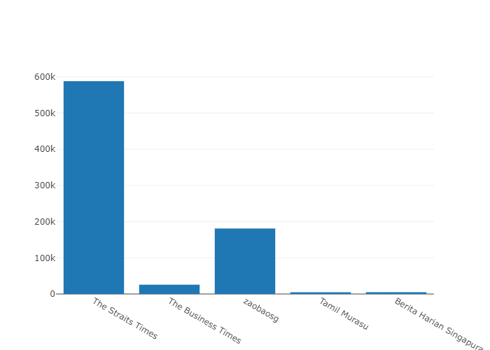
How many subscribers are there for each channel?
 |  |  |  |  | Query:
channelid | channelname | subscribercount | videocount
UC4p_I9eiRewn2KoU-nawrDg | The Straits Times | 588000 | 30393 |  | select * from channel_details
UC0GP1HDhGZTLih7B89z_cTg | The Business Times | 25700 | 1248
UCrbQxu0YkoVWu2dw5b1MzNg | zaobaosg | 181000 | 5317
UCs0xZ60FSNxFxHPVFFsXNTA | Tamil Murasu | 4830 | 436
UC_WgSFSkn7112rmJQcHSUIQ | Berita Harian Singapura | 5000 | 446

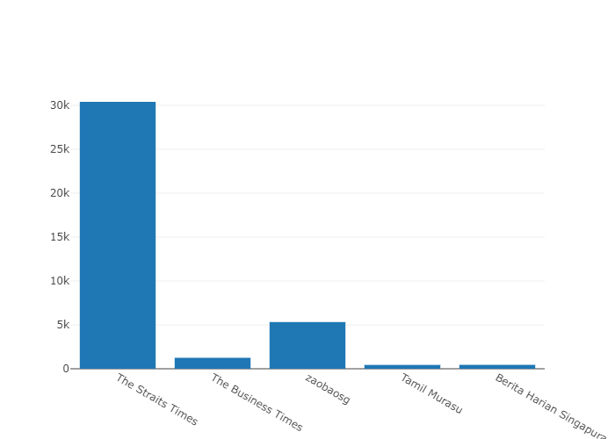

How many video’s have been published for each channel?

channelid | channelname | subscribercount | videocount
UC4p_I9eiRewn2KoU-nawrDg | The Straits Times | 588000 | 30393
UC0GP1HDhGZTLih7B89z_cTg | The Business Times | 25700 | 1248
UCrbQxu0YkoVWu2dw5b1MzNg | zaobaosg | 181000 | 5317
UCs0xZ60FSNxFxHPVFFsXNTA | Tamil Murasu | 4830 | 436
UC_WgSFSkn7112rmJQcHSUIQ | Berita Harian Singapura | 5000 | 446

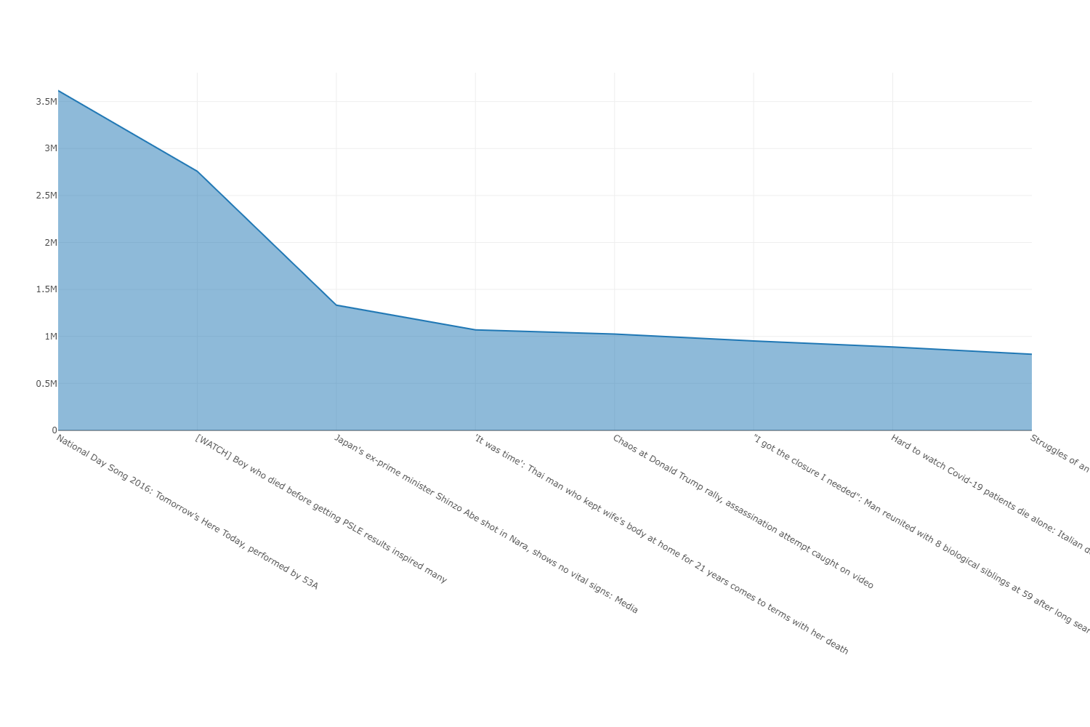

4Which are the most viewed videos? |  |  |  |  | Query:

channelname | title | viewcount | publishdate |  | select distinct c.channelname, pvd.title , pvd.viewcount,pvd.publishdate from popular_video_details pvd JOIN channel_details c ON pvd.channelid = c.channelid order by viewcount desc limit 10
The Straits Times | National Day Song 2016: Tomorrow’s Here Today, performed by 53A | 3616363 | 6/19/16
The Straits Times | [WATCH] Boy who died before getting PSLE results inspired many | 2758030 | 12/1/20
The Straits Times | [WATCH] Boy who died before getting PSLE results inspired many | 2758029 | 12/1/20
The Straits Times | Japan&#39;s ex-prime minister Shinzo Abe shot in Nara, shows no vital signs: Media | 1332016 | 7/8/22
The Straits Times | &#39;It was time&#39;: Thai man who kept wife&#39;s body at home for 21 years comes to terms with her death | 1069485 | 5/15/22
The Straits Times | &#39;It was time&#39;: Thai man who kept wife&#39;s body at home for 21 years comes to terms with her death | 1069484 | 5/15/22
The Business Times | Chaos at Donald Trump rally, assassination attempt caught on video | 1025966 | 7/14/24
The Straits Times | &quot;I got the closure I needed&quot;: Man reunited with 8 biological siblings at 59 after long search | 950720 | 7/23/22
The Straits Times | Hard to watch Covid-19 patients die alone: Italian doctor | 887269 | 3/20/20
The Straits Times | Struggles of an air stewardess | Before 10am | The Straits Times | 809633 | 2/18/19

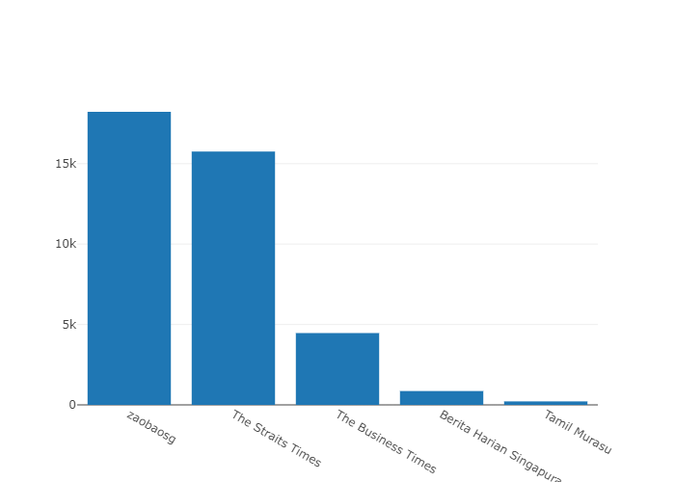

Avg views per video across each channel

 |  |  |  |  | Query:

 |  |  |  |  | SELECT c.channelname, AVG(viewcount) AS avg_views_per_video FROM channel_details c JOIN video_details v on v.channelid = c.channelid GROUP BY c.channelname ORDER BY avg_views_per_video DESC;
channelname | avg_views_per_video
zaobaosg | 18224
The Straits Times | 15754
The Business Times | 4466
Berita Harian Singapura | 860
Tamil Murasu | 217

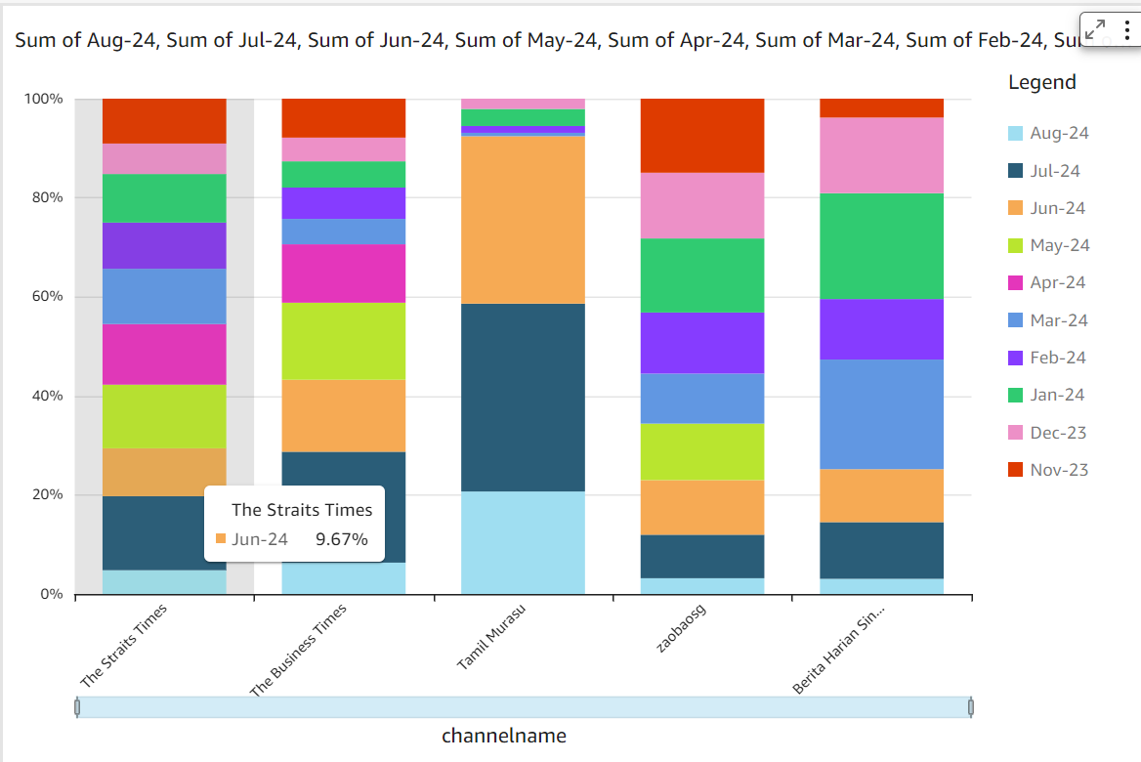

 | 12-Month Channel View Count Dashboard
 |  |  |  |  |  |  |  |  |  |  |  |  |  | Query:

channelname | Aug-24 | Jul-24 | Jun-24 | May-24 | Apr-24 | Mar-24 | Feb-24 | Jan-24 | Dec-23 | Nov-23 | Oct-23 | Sep-23 | Aug-23 | WITH video_month_counts AS ( SELECT c.channelname, TO_CHAR(DATE_TRUNC('month', v.publishdate), 'YYYY-MM') AS month, COUNT(v.videoid) AS videocount FROM video_details v JOIN channel_details c ON v.channelid = c.channelid WHERE v.publishdate BETWEEN '2023-08-11' AND '2024-08-10' GROUP BY c.channelname, DATE_TRUNC('month', v.publishdate) ) SELECT channelname, MAX(CASE WHEN month = '2024-08' THEN videocount ELSE 0 END) AS "August 2024", MAX(CASE WHEN month = '2024-07' THEN videocount ELSE 0 END) AS "July 2024", MAX(CASE WHEN month = '2024-06' THEN videocount ELSE 0 END) AS "June 2024", MAX(CASE WHEN month = '2024-05' THEN videocount ELSE 0 END) AS "May 2024", MAX(CASE WHEN month = '2024-04' THEN videocount ELSE 0 END) AS "April 2024", MAX(CASE WHEN month = '2024-03' THEN videocount ELSE 0 END) AS "March 2024", MAX(CASE WHEN month = '2024-02' THEN videocount ELSE 0 END) AS "February 2024", MAX(CASE WHEN month = '2024-01' THEN videocount ELSE 0 END) AS "January 2024", MAX(CASE WHEN month = '2023-12' THEN videocount ELSE 0 END) AS "December 2023", MAX(CASE WHEN month = '2023-11' THEN videocount ELSE 0 END) AS "November 2023", MAX(CASE WHEN month = '2023-10' THEN videocount ELSE 0 END) AS "October 2023", MAX(CASE WHEN month = '2023-09' THEN videocount ELSE 0 END) AS "September 2023", MAX(CASE WHEN month = '2023-08' THEN videocount ELSE 0 END) AS "August 2023" FROM video_month_counts GROUP BY channelname ORDER BY channelname;
Berita Harian Singapura | 4 | 15 | 14 | 0 | 0 | 29 | 16 | 28 | 20 | 5 | 0 | 5 | 1
Tamil Murasu | 30 | 55 | 49 | 0 | 0 | 1 | 2 | 5 | 3 | 0 | 0 | 5 | 1
The Business Times | 37 | 131 | 85 | 91 | 69 | 30 | 37 | 31 | 28 | 46 | 34 | 39 | 27
The Straits Times | 71 | 221 | 143 | 190 | 181 | 165 | 138 | 145 | 91 | 134 | 205 | 136 | 101
zaobaosg | 17 | 47 | 59 | 61 | 0 | 54 | 66 | 80 | 71 | 80 | 31 | 96 | 60

 | Monthly Video Counts and Percentage Change by Channel (Last 12 Months)

 |  |  |  |  |  |  |  |  | Query:

channelname | month | videocount | percentchange |  |  |  |  |  | WITH MonthlyVideoCounts AS ( SELECT vd.ChannelID, DATE_TRUNC('month', vd.PublishDate) AS Month, COUNT(*) AS VideoCount FROM video_details vd GROUP BY vd.ChannelID, DATE_TRUNC('month', vd.PublishDate) ), RankedData AS ( SELECT mv.ChannelID, mv.Month, mv.VideoCount, LAG(mv.VideoCount) OVER (PARTITION BY mv.ChannelID ORDER BY mv.Month) AS PreviousMonthCount FROM MonthlyVideoCounts mv ), ChannelData AS ( SELECT cd.ChannelID, cd.ChannelName FROM channel_details cd ) SELECT cd.ChannelName, rd.Month, rd.VideoCount, CASE WHEN rd.PreviousMonthCount IS NULL THEN NULL WHEN rd.PreviousMonthCount = 0 THEN NULL ELSE (rd.VideoCount - rd.PreviousMonthCount) * 100.0 / rd.PreviousMonthCount END AS PercentChange FROM RankedData rd JOIN ChannelData cd ON rd.ChannelID = cd.ChannelID ORDER BY cd.ChannelName, rd.Month;
Berita Harian Singapura | 8/1/23 | 4 | NULL
Berita Harian Singapura | 9/1/23 | 5 | 25
Berita Harian Singapura | 11/1/23 | 5 | 0
Berita Harian Singapura | 12/1/23 | 20 | 300
Berita Harian Singapura | 1/1/24 | 28 | 40
Berita Harian Singapura | 2/1/24 | 16 | -42.857142857
Berita Harian Singapura | 3/1/24 | 29 | 81.25
Berita Harian Singapura | 6/1/24 | 14 | -51.724137931
Berita Harian Singapura | 7/1/24 | 15 | 7.1428571429
Berita Harian Singapura | 8/1/24 | 4 | -73.333333333
Tamil Murasu | 8/1/23 | 2 | NULL
Tamil Murasu | 9/1/23 | 5 | 150
Tamil Murasu | 12/1/23 | 3 | -40
Tamil Murasu | 1/1/24 | 5 | 66.666666667
Tamil Murasu | 2/1/24 | 2 | -60
Tamil Murasu | 3/1/24 | 1 | -50
Tamil Murasu | 6/1/24 | 49 | 4800
Tamil Murasu | 7/1/24 | 55 | 12.244897959
Tamil Murasu | 8/1/24 | 33 | -40
The Business Times | 8/1/23 | 34 | NULL
The Business Times | 9/1/23 | 39 | 14.705882353
The Business Times | 10/1/23 | 34 | -12.820512821
The Business Times | 11/1/23 | 46 | 35.294117647
The Business Times | 12/1/23 | 28 | -39.130434783
The Business Times | 1/1/24 | 31 | 10.714285714
The Business Times | 2/1/24 | 37 | 19.35483871
The Business Times | 3/1/24 | 30 | -18.918918919
The Business Times | 4/1/24 | 69 | 130
The Business Times | 5/1/24 | 91 | 31.884057971
The Business Times | 6/1/24 | 85 | -6.5934065934
The Business Times | 7/1/24 | 131 | 54.117647059
The Business Times | 8/1/24 | 37 | -71.755725191
The Straits Times | 8/1/23 | 140 | NULL
The Straits Times | 9/1/23 | 136 | -2.8571428571
The Straits Times | 10/1/23 | 205 | 50.735294118
The Straits Times | 11/1/23 | 134 | -34.634146341
The Straits Times | 12/1/23 | 91 | -32.089552239
The Straits Times | 1/1/24 | 145 | 59.340659341
The Straits Times | 2/1/24 | 138 | -4.8275862069
The Straits Times | 3/1/24 | 165 | 19.565217391
The Straits Times | 4/1/24 | 181 | 9.696969697
The Straits Times | 5/1/24 | 190 | 4.9723756906
The Straits Times | 6/1/24 | 143 | -24.736842105
The Straits Times | 7/1/24 | 221 | 54.545454545
The Straits Times | 8/1/24 | 75 | -66.063348416
zaobaosg | 8/1/23 | 83 | NULL
zaobaosg | 9/1/23 | 96 | 15.662650602
zaobaosg | 10/1/23 | 31 | -67.708333333
zaobaosg | 11/1/23 | 80 | 158.06451613
zaobaosg | 12/1/23 | 71 | -11.25
zaobaosg | 1/1/24 | 80 | 12.676056338
zaobaosg | 2/1/24 | 66 | -17.5
zaobaosg | 3/1/24 | 54 | -18.181818182
zaobaosg | 5/1/24 | 61 | 12.962962963
zaobaosg | 6/1/24 | 59 | -3.2786885246
zaobaosg | 7/1/24 | 47 | -20.338983051
zaobaosg | 8/1/24 | 18 | -61.70212766

 | Channels with Consistent Monthly Activity Over the Past 12 Months |  |  |  |  |  |  |  | Query:
 |  |  |  |  |  |  |  |  | WITH MonthlyCounts AS ( SELECT ChannelID, DATE_TRUNC('month', PublishDate) AS Month, COUNT(*) AS VideoCount FROM video_details WHERE PublishDate >= DATE_TRUNC('month', CURRENT_DATE) - INTERVAL '12 months' AND PublishDate < DATE_TRUNC('month', CURRENT_DATE) -- Exclude the current month GROUP BY ChannelID, DATE_TRUNC('month', PublishDate) ), ConsistentChannels AS ( SELECT ChannelID, COUNT(*) AS ActiveMonths FROM MonthlyCounts WHERE VideoCount > 0 GROUP BY ChannelID HAVING COUNT(DISTINCT Month) = 12 ) SELECT cd.ChannelName FROM ConsistentChannels cc JOIN channel_details cd ON cc.ChannelID = cd.ChannelID ORDER BY cd.ChannelName;

channelname
The Business Times
The Straits Times

