01loss
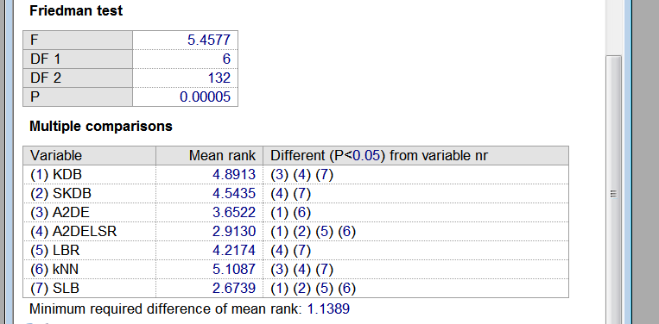
datasets | KDB | SKDB | A2DE | LBR | A2DELSR | kNN | SLB
zoo | 0.0495 | 0.0297 | 0.0099 | 0.0693 | 0.0099 | 0.0594 | 0.0294
iris | 0.0867 | 0.0600 | 0.0867 | 0.0600 | 0.0867 | 0.0600 | 0.0792
hungarian | 0.1803 | 0.1837 | 0.1599 | 0.1599 | 0.1531 | 0.1973 | 0.1549
soybean-large | 0.0879 | 0.0945 | 0.0945 | 0.0945 | 0.0879 | 0.1173 | 0.0903
ionosphere | 0.0741 | 0.0997 | 0.0655 | 0.0940 | 0.0655 | 0.0855 | 0.0592
chess | 0.0998 | 0.0998 | 0.1071 | 0.1325 | 0.1034 | 0.0653 | 0.0809
balance-scale | 0.2784 | 0.2784 | 0.2912 | 0.2720 | 0.2912 | 0.3088 | 0.2519
anneal | 0.0089 | 0.0100 | 0.0167 | 0.0290 | 0.0111 | 0.0401 | 0.0121
vowel | 0.1818 | 0.1818 | 0.1455 | 0.2020 | 0.1424 | 0.1616 | 0.1470
contraceptive-mc | 0.5003 | 0.4861 | 0.4949 | 0.4603 | 0.4949 | 0.4854 | 0.4919
car | 0.0382 | 0.0382 | 0.0602 | 0.0584 | 0.0602 | 0.0648 | 0.0550
mfeat-mor | 0.3060 | 0.2990 | 0.3020 | 0.2895 | 0.3020 | 0.2930 | 0.2960
abalone | 0.4563 | 0.4654 | 0.4407 | 0.4613 | 0.4410 | 0.4774 | 0.4458
page-blocks | 0.0391 | 0.0344 | 0.0287 | 0.0309 | 0.0289 | 0.0336 | 0.0309
optdigits | 0.0372 | 0.0374 | 0.0237 | 0.0573 | 0.0217 | 0.0594 | 0.0244
thyroid | 0.0706 | 0.0673 | 0.0669 | 0.0760 | 0.0646 | 0.1201 | 0.0609
sign | 0.2539 | 0.2539 | 0.2375 | 0.2154 | 0.2359 | 0.2047 | 0.2369
seer_mdl | 0.2555 | 0.2361 | 0.2337 | 0.2311 | 0.2332 | 0.2599 | 0.2434
letter-recog | 0.0986 | 0.0986 | 0.0557 | 0.1486 | 0.0548 | 0.0935 | 0.0619
adult | 0.1383 | 0.1358 | 0.1410 | 0.1332 | 0.1351 | 0.1632 | 0.1308
shuttle | 0.0009 | 0.0008 | 0.0007 | 0.0018 | 0.0007 | 0.0009 | 0.0006
waveform | 0.0256 | 0.0238 | 0.0183 | 0.0192 | 0.0183 | 0.0205 | 0.0190
localization | 0.2964 | 0.2964 | 0.2715 | 0.2708 | 0.2715 | 0.2928 | 0.2681
census-income | 0.0509 | 0.0486 | 0.0691 | null | 0.0554 | 0.0539 | 0.0564
poker-hand | 0.1961 | 0.1961 | 0.1185 | null | 0.1185 | 0.0792 | 0.0792

bias
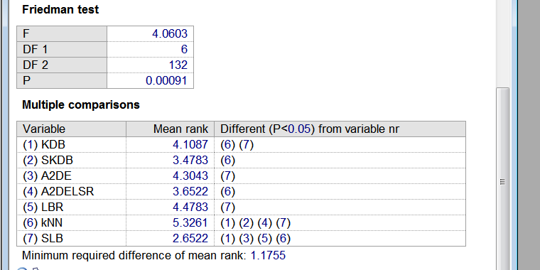
 | KDB | SKDB | A2DE | LBR | A2DELSR | kNN | SLB
zoo | 0.0407 | 0.0396 | 0.0276 | 0.0852 | 0.0276 | 0.0925 | 0.0288
iris | 0.0602 | 0.0624 | 0.0584 | 0.0441 | 0.0548 | 0.0442 | 0.0530
hungarian | 0.1495 | 0.1567 | 0.1645 | 0.1575 | 0.1645 | 0.1527 | 0.1384
soybean-large | 0.1097 | 0.0902 | 0.0811 | 0.2739 | 0.0811 | 0.1955 | 0.0945
ionosphere | 0.0864 | 0.0890 | 0.0815 | 0.0811 | 0.0810 | 0.0892 | 0.0728
chess | 0.1130 | 0.1055 | 0.1382 | 0.0955 | 0.1331 | 0.0856 | 0.1270
balance-scale | 0.1921 | 0.1973 | 0.1883 | 0.1917 | 0.1883 | 0.2133 | 0.1882
anneal | 0.0074 | 0.0114 | 0.0188 | 0.0378 | 0.0177 | 0.0489 | 0.0161
vowel | 0.1762 | 0.1737 | 0.1996 | 0.2176 | 0.1873 | 0.2594 | 0.1798
contraceptive-mc | 0.3739 | 0.3529 | 0.3685 | 0.3666 | 0.3696 | 0.3465 | 0.3568
car | 0.0391 | 0.0322 | 0.0459 | 0.0644 | 0.0459 | 0.0844 | 0.0507
mfeat-mor | 0.2163 | 0.2054 | 0.2356 | 0.2375 | 0.2302 | 0.2554 | 0.2168
abalone | 0.3063 | 0.3100 | 0.3088 | 0.3372 | 0.3088 | 0.3159 | 0.3148
page-blocks | 0.0283 | 0.0274 | 0.0260 | 0.0288 | 0.0261 | 0.0343 | 0.0255
optdigits | 0.0253 | 0.0249 | 0.0162 | 0.0403 | 0.0154 | 0.0592 | 0.0161
thyroid | 0.0559 | 0.0511 | 0.0606 | 0.0694 | 0.0556 | 0.1232 | 0.0564
sign | 0.2183 | 0.2139 | 0.2228 | 0.1803 | 0.2152 | 0.1825 | 0.2041
seer_mdl | 0.2121 | 0.2237 | 0.2115 | 0.2095 | 0.2113 | 0.2120 | 0.2020
letter-recog | 0.0814 | 0.0798 | 0.0611 | 0.1158 | 0.0590 | 0.0977 | 0.0587
adult | 0.1232 | 0.1237 | 0.1329 | 0.0016 | 0.1271 | 0.1312 | 0.1192
shuttle | 0.0007 | 0.0007 | 0.0007 | 0.1249 | 0.0007 | 0.0020 | 0.0006
waveform | 0.0212 | 0.0144 | 0.0156 | 0.0150 | 0.0157 | 0.0144 | 0.0153
localization | 0.2155 | 0.2113 | 0.2164 | 0.2025 | 0.2164 | 0.2587 | 0.2066
census-income | 0.0421 | 0.0412 | 0.0561 | null | 0.0474 | 0.0433 | 0.0433
poker-hand | 0.1326 | 0.1326 | 0.1149 | null | 0.1149 | 0.0766 | 0.0766

variance
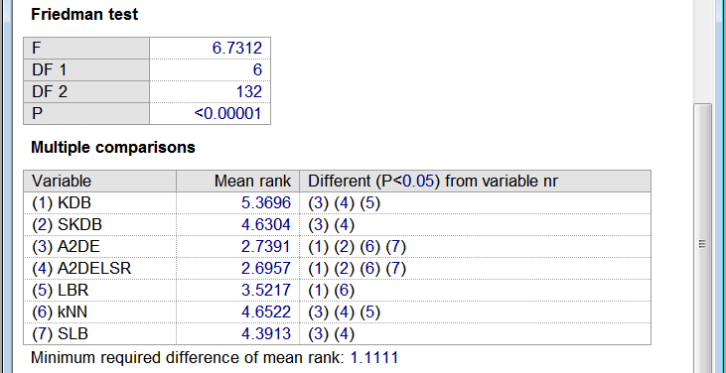
 | KDB | SKDB | A2DE | LBR | A2DELSR | kNN | SLB
zoo | 0.0658 | 0.0570 | 0.0448 | 0.0667 | 0.0448 | 0.1005 | 0.0470
iris | 0.0404 | 0.0390 | 0.0370 | 0.0082 | 0.0326 | 0.0102 | 0.0290
hungarian | 0.0561 | 0.0366 | 0.0266 | 0.0130 | 0.0266 | 0.0433 | 0.0494
soybean-large | 0.0982 | 0.1011 | 0.0721 | 0.0758 | 0.0721 | 0.1385 | 0.0820
ionosphere | 0.0581 | 0.0468 | 0.0262 | 0.0077 | 0.0250 | 0.0159 | 0.0366
chess | 0.0531 | 0.0568 | 0.0375 | 0.0428 | 0.0393 | 0.0802 | 0.0451
balance-scale | 0.0872 | 0.0781 | 0.0872 | 0.0768 | 0.0872 | 0.0706 | 0.0883
anneal | 0.0152 | 0.0169 | 0.0115 | 0.0164 | 0.0122 | 0.0275 | 0.0143
vowel | 0.2325 | 0.2285 | 0.2384 | 0.2188 | 0.2330 | 0.2068 | 0.2378
contraceptive-mc | 0.1705 | 0.1298 | 0.1356 | 0.1098 | 0.1364 | 0.1601 | 0.1663
car | 0.0434 | 0.0371 | 0.0449 | 0.0746 | 0.0449 | 0.0723 | 0.0455
mfeat-mor | 0.1031 | 0.1035 | 0.0747 | 0.0618 | 0.0798 | 0.0607 | 0.0950
abalone | 0.1769 | 0.1655 | 0.1569 | 0.1172 | 0.1569 | 0.1551 | 0.1613
page-blocks | 0.0177 | 0.0174 | 0.0107 | 0.0120 | 0.0107 | 0.0104 | 0.0132
optdigits | 0.0254 | 0.0253 | 0.0123 | 0.0351 | 0.0119 | 0.0425 | 0.0172
thyroid | 0.0272 | 0.0288 | 0.0197 | 0.0234 | 0.0211 | 0.0354 | 0.0210
sign | 0.0596 | 0.0596 | 0.0391 | 0.0669 | 0.0407 | 0.0611 | 0.0501
seer_mdl | 0.0613 | 0.0155 | 0.0280 | 0.0271 | 0.0279 | 0.0539 | 0.0627
letter-recog | 0.0709 | 0.0709 | 0.0382 | 0.1104 | 0.0380 | 0.0805 | 0.0476
adult | 0.0285 | 0.0209 | 0.0136 | 0.0011 | 0.0133 | 0.0456 | 0.0241
shuttle | 0.0003 | 0.0003 | 0.0003 | 0.0099 | 0.0003 | 0.0005 | 0.0003
waveform | 0.0037 | 0.0077 | 0.0024 | 0.0034 | 0.0024 | 0.0064 | 0.0034
localization | 0.1099 | 0.1099 | 0.0764 | 0.0901 | 0.0764 | 0.0796 | 0.0901
census-income | 0.0110 | 0.0090 | 0.0122 | null | 0.0087 | 0.0138 | 0.0138
poker-hand | 0.0633 | 0.0633 | 0.0322 | null | 0.0322 | 0.0185 | 0.0185

