01loss
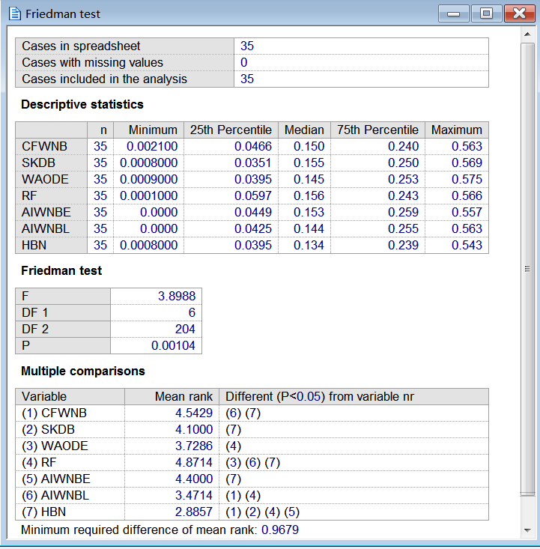
数据集 | CFWNB | SKDB | WAODE | RF | AIWNBE | AIWNBL | HBN
labor | 0.0702 | 0.0351 | 0.0526 | 0.0877 | 0.0702 | 0.0702 | 0.0526
labor-negotiations | 0.1053 | 0.0351 | 0.0526 | 0.1228 | 0.1053 | 0.1053 | 0.0526
zoo | 0.0396 | 0.0297 | 0.0297 | 0.0495 | 0.0396 | 0.0396 | 0.0099
promoters | 0.0849 | 0.1698 | 0.1415 | 0.1792 | 0.0849 | 0.0943 | 0.0755
lymphography | 0.1486 | 0.1554 | 0.1554 | 0.1824 | 0.1757 | 0.1689 | 0.1554
wine | 0.0056 | 0.0337 | 0.0169 | 0.0225 | 0.0000 | 0.0000 | 0.0169
glass-id | 0.1729 | 0.2336 | 0.2570 | 0.1636 | 0.2629 | 0.2682 | 0.2103
hungarian | 0.1599 | 0.1837 | 0.1565 | 0.2007 | 0.1531 | 0.1531 | 0.1633
heart-disease-c | 0.1683 | 0.2079 | 0.2013 | 0.2112 | 0.1716 | 0.1716 | 0.2046
soybean-large | 0.0977 | 0.0945 | 0.0814 | 0.1270 | 0.0782 | 0.0749 | 0.0879
primary-tumor | 0.5634 | 0.5693 | 0.5752 | 0.5664 | 0.5575 | 0.5634 | 0.5428
dermatology | 0.0191 | 0.0273 | 0.0191 | 0.0410 | 0.0164 | 0.0164 | 0.0191
musk1 | 0.0945 | 0.1155 | 0.1050 | 0.1450 | 0.0840 | 0.0819 | 0.0966
chess | 0.1379 | 0.0998 | 0.0944 | 0.1071 | 0.1252 | 0.1252 | 0.0980
balance-scale | 0.2496 | 0.2784 | 0.2816 | 0.1920 | 0.2744 | 0.2944 | 0.2768
soybean | 0.0615 | 0.0630 | 0.0483 | 0.0878 | 0.0512 | 0.0512 | 0.0469
breast-cancer-w | 0.0286 | 0.0386 | 0.0358 | 0.0415 | 0.0258 | 0.0258 | 0.0343
vehicle | 0.3712 | 0.2991 | 0.2872 | 0.2530 | 0.3617 | 0.3227 | 0.2908
german | 0.2370 | 0.2540 | 0.2400 | 0.2580 | 0.2360 | 0.2350 | 0.2410
led | 0.2630 | 0.2670 | 0.2680 | 0.2690 | 0.2690 | 0.2620 | 0.2630
contraceptive-mc | 0.4678 | 0.4861 | 0.4922 | 0.4942 | 0.4664 | 0.4630 | 0.4786
yeast | 0.4319 | 0.4272 | 0.4232 | 0.4205 | 0.4279 | 0.4212 | 0.4205
mfeat-mor | 0.3060 | 0.2990 | 0.3130 | 0.3085 | 0.3040 | 0.3050 | 0.3020
hypothyroid | 0.0139 | 0.0079 | 0.0104 | 0.0104 | 0.0139 | 0.0136 | 0.0089
splice-c4.5 | 0.0375 | 0.0349 | 0.0365 | 0.0982 | 0.0375 | 0.0346 | 0.0371
abalone | 0.4755 | 0.4654 | 0.4475 | 0.4484 | 0.4716 | 0.4654 | 0.4496
waveform-5000 | 0.1680 | 0.1792 | 0.1450 | 0.1880 | 0.1704 | 0.1652 | 0.1626
phoneme | 0.2407 | 0.1912 | 0.2308 | 0.1677 | 0.2479 | 0.2139 | 0.2006
page-blocks | 0.0417 | 0.0344 | 0.0347 | 0.0285 | 0.0428 | 0.0353 | 0.0309
seer_mdl | 0.2330 | 0.2361 | 0.2315 | 0.2593 | 0.2326 | 0.2313 | 0.2321
magic | 0.2034 | 0.1659 | 0.1762 | 0.1314 | 0.1966 | 0.1842 | 0.1675
adult | 0.1499 | 0.1358 | 0.1445 | 0.1563 | 0.1504 | 0.1440 | 0.1335
shuttle | 0.0021 | 0.0008 | 0.0009 | 0.0001 | 0.0022 | 0.0016 | 0.0008
waveform | 0.0199 | 0.0238 | 0.0181 | 0.0154 | 0.0199 | 0.0195 | 0.0188
census-income | 0.1667 | 0.0486 | 0.0883 | 0.0503 | 0.1856 | 0.1256 | 0.0535

 | CFWNB | SKDB | WAODE | RF | AIWNBE | AIWNBL
SKDB | 13\10\12
WAODE | 15\13\7 | 12\14\9
RF | 12\5\18 | 9\10\16 | 9\8\18
AIWNBE | 7\24\4 | 11\9\15 | 7\12\16 | 17\7\11
AIWNBL | 14\17\4 | 12\9\14 | 10\13\12 | 19\5\11 | 7\26\2
HBN | 17\13\5 | 14\16\5 | 11\22\2 | 19\7\9 | 17\11\7 | 17\10\8

bias
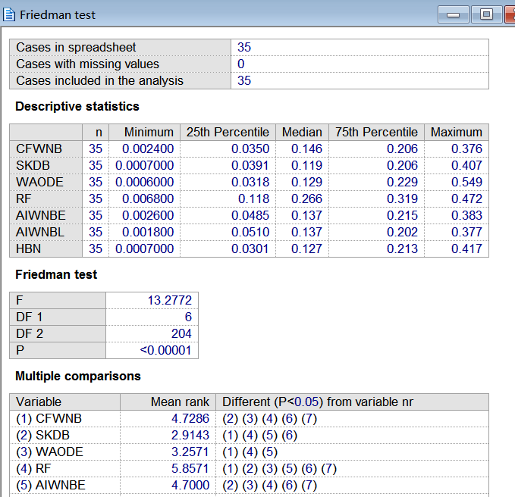
数据集 | CFWNB | SKDB | WAODE | RF | AIWNBE | AIWNBL | HBN
labor | 0.0352 | 0.0332 | 0.0200 | 0.2661 | 0.0482 | 0.0509 | 0.0126
labor-negotiations | 0.0349 | 0.0442 | 0.0268 | 0.3075 | 0.0493 | 0.0512 | 0.0300
zoo | 0.0840 | 0.0400 | 0.0273 | 0.0998 | 0.0689 | 0.0723 | 0.0348
promoters | 0.0426 | 0.1166 | 0.5489 | 0.3916 | 0.0903 | 0.0731 | 0.1351
lymphography | 0.1647 | 0.0967 | 0.0951 | 0.2713 | 0.186 | 0.1829 | 0.0857
wine | 0.0137 | 0.0388 | 0.0381 | 0.1447 | 0.0099 | 0.0096 | 0.0302
glass-id | 0.1197 | 0.2808 | 0.2780 | 0.2812 | 0.1252 | 0.1232 | 0.2806
hungarian | 0.1484 | 0.1583 | 0.1611 | 0.3753 | 0.1369 | 0.1368 | 0.1390
heart-disease-c | 0.1440 | 0.1194 | 0.1092 | 0.3850 | 0.1425 | 0.1439 | 0.1077
soybean-large | 0.1991 | 0.0911 | 0.0655 | 0.1143 | 0.1225 | 0.1221 | 0.0913
primary-tumor | 0.3417 | 0.4068 | 0.4247 | 0.1892 | 0.3427 | 0.3458 | 0.4172
dermatology | 0.0114 | 0.0093 | 0.0061 | 0.1272 | 0.0144 | 0.0132 | 0.0094
musk1 | 0.1089 | 0.1553 | 0.1551 | 0.3206 | 0.0679 | 0.0672 | 0.1535
chess | 0.0932 | 0.1066 | 0.1286 | 0.2665 | 0.0779 | 0.0767 | 0.1273
balance-scale | 0.1939 | 0.1993 | 0.1827 | 0.2959 | 0.1903 | 0.1951 | 0.1809
soybean | 0.0695 | 0.0421 | 0.0503 | 0.0922 | 0.0552 | 0.0546 | 0.0547
breast-cancer-w | 0.0279 | 0.0179 | 0.0327 | 0.1901 | 0.0264 | 0.0266 | 0.0170
vehicle | 0.3016 | 0.2466 | 0.2398 | 0.2813 | 0.3016 | 0.2633 | 0.2480
german | 0.2075 | 0.2001 | 0.2036 | 0.4222 | 0.2073 | 0.2044 | 0.2089
led | 0.2387 | 0.2316 | 0.2331 | 0.2027 | 0.2355 | 0.2349 | 0.2314
contraceptive-mc | 0.3759 | 0.3565 | 0.3766 | 0.4722 | 0.3832 | 0.377 | 0.3460
yeast | 0.3644 | 0.3463 | 0.3453 | 0.2385 | 0.353 | 0.3486 | 0.3466
mfeat-mor | 0.2455 | 0.2075 | 0.2464 | 0.2074 | 0.2452 | 0.2439 | 0.2164
hypothyroid | 0.0133 | 0.0088 | 0.0099 | 0.0964 | 0.0124 | 0.0117 | 0.0091
splice-c4.5 | 0.0345 | 0.0289 | 0.0315 | 0.2710 | 0.0342 | 0.0314 | 0.0288
abalone | 0.3728 | 0.3131 | 0.3212 | 0.4374 | 0.3768 | 0.3589 | 0.3184
waveform-5000 | 0.1510 | 0.1223 | 0.1184 | 0.2964 | 0.1531 | 0.1474 | 0.1175
phoneme | 0.2003 | 0.1514 | 0.2172 | 0.0745 | 0.2182 | 0.1905 | 0.1557
page-blocks | 0.0331 | 0.0277 | 0.0243 | 0.0930 | 0.0319 | 0.0277 | 0.0282
seer_mdl | 0.2252 | 0.2260 | 0.2137 | 0.4280 | 0.2244 | 0.2231 | 0.2138
magic | 0.1898 | 0.1244 | 0.1541 | 0.3138 | 0.1838 | 0.1714 | 0.1347
adult | 0.1461 | 0.1249 | 0.1387 | 0.3341 | 0.1463 | 0.14 | 0.1281
shuttle | 0.0024 | 0.0007 | 0.0006 | 0.0068 | 0.0026 | 0.0018 | 0.0007
waveform | 0.0199 | 0.0145 | 0.0158 | 0.0799 | 0.0197 | 0.0187 | 0.0149
census-income | 0.1627 | 0.0412 | 0.0724 | 0.0640 | 0.1804 | 0.1704 | 0.0471

 | CFWNB | SKDB | WAODE | RF | AIWNBE | AIWNBL
SKDB | 22\5\8
WAODE | 22\4\9 | 10\12\13
RF | 8\0\27 | 4\2\29 | 7\1\27
AIWNBE | 9\18\8 | 7\5\23 | 8\8\19 | 27\0\8
AIWNBL | 14\16\5 | 7\6\22 | 9\8\18 | 28\0\7 | 11\23\1
HBN | 26\3\6 | 10\20\5 | 15\13\7 | 29\2\4 | 22\7\6 | 22\7\6

variance
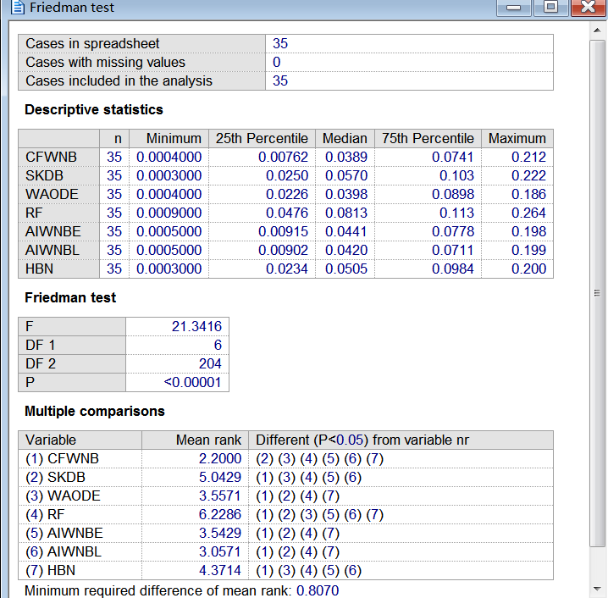
数据集 | CFWNB | SKDB | WAODE | RF | AIWNBE | AIWNBL | HBN
labor | 0.0453 | 0.0774 | 0.0221 | 0.0976 | 0.0751 | 0.0684 | 0.0505
labor-negotiations | 0.0320 | 0.1137 | 0.0626 | 0.0940 | 0.0382 | 0.0356 | 0.0911
zoo | 0.0675 | 0.0570 | 0.0424 | 0.1132 | 0.0669 | 0.0668 | 0.0530
promoters | 0.0829 | 0.1749 | 0.0654 | 0.1893 | 0.1334 | 0.121 | 0.1534
lymphography | 0.0568 | 0.0624 | 0.0478 | 0.1131 | 0.0611 | 0.06 | 0.0694
wine | 0.0042 | 0.0341 | 0.0246 | 0.0368 | 0.0077 | 0.0069 | 0.0224
glass-id | 0.0492 | 0.1079 | 0.1051 | 0.1034 | 0.0564 | 0.0553 | 0.0997
hungarian | 0.0201 | 0.0366 | 0.0317 | 0.0448 | 0.0287 | 0.029 | 0.0447
heart-disease-c | 0.0389 | 0.0489 | 0.0383 | 0.0785 | 0.0441 | 0.042 | 0.0467
soybean-large | 0.0973 | 0.1011 | 0.0855 | 0.2144 | 0.1264 | 0.1245 | 0.0852
primary-tumor | 0.2117 | 0.2215 | 0.1859 | 0.2643 | 0.198 | 0.199 | 0.1996
dermatology | 0.0240 | 0.0342 | 0.0242 | 0.0743 | 0.0275 | 0.0266 | 0.0266
musk1 | 0.0335 | 0.1302 | 0.1139 | 0.0813 | 0.032 | 0.0317 | 0.1148
chess | 0.0507 | 0.0568 | 0.0364 | 0.0688 | 0.0591 | 0.0575 | 0.0366
balance-scale | 0.0798 | 0.0781 | 0.0913 | 0.0637 | 0.0826 | 0.0786 | 0.0937
soybean | 0.0378 | 0.0434 | 0.0334 | 0.1221 | 0.043 | 0.0417 | 0.0370
breast-cancer-w | 0.0022 | 0.0220 | 0.0128 | 0.0161 | 0.0042 | 0.0038 | 0.0161
vehicle | 0.0763 | 0.1307 | 0.1276 | 0.1196 | 0.0787 | 0.072 | 0.1254
german | 0.0473 | 0.0816 | 0.0765 | 0.1025 | 0.0487 | 0.0491 | 0.0847
led | 0.0502 | 0.0354 | 0.0398 | 0.0698 | 0.0559 | 0.0554 | 0.0397
contraceptive-mc | 0.1041 | 0.1298 | 0.1106 | 0.1782 | 0.099 | 0.1007 | 0.1564
yeast | 0.1073 | 0.1005 | 0.0970 | 0.1273 | 0.1114 | 0.1052 | 0.1015
mfeat-mor | 0.0563 | 0.1035 | 0.0686 | 0.0737 | 0.0557 | 0.0564 | 0.0946
hypothyroid | 0.0023 | 0.0024 | 0.0033 | 0.0032 | 0.0034 | 0.0033 | 0.0027
splice-c4.5 | 0.0068 | 0.0133 | 0.0083 | 0.1063 | 0.0068 | 0.007 | 0.0185
abalone | 0.0904 | 0.1655 | 0.1543 | 0.1772 | 0.0906 | 0.1019 | 0.1650
waveform-5000 | 0.0169 | 0.0685 | 0.0420 | 0.1128 | 0.0171 | 0.0179 | 0.0524
phoneme | 0.0961 | 0.0867 | 0.1311 | 0.1129 | 0.1143 | 0.1076 | 0.1129
page-blocks | 0.0070 | 0.0174 | 0.0130 | 0.0158 | 0.0079 | 0.008 | 0.0122
seer_mdl | 0.0130 | 0.0155 | 0.0273 | 0.0674 | 0.0133 | 0.0136 | 0.0298
magic | 0.0092 | 0.0483 | 0.0289 | 0.0562 | 0.0129 | 0.0121 | 0.0394
adult | 0.0071 | 0.0209 | 0.0113 | 0.0437 | 0.0071 | 0.0071 | 0.0126
shuttle | 0.0006 | 0.0003 | 0.0004 | 0.0009 | 0.0006 | 0.0005 | 0.0003
waveform | 0.0004 | 0.0077 | 0.0023 | 0.0073 | 0.0005 | 0.0005 | 0.0035
census-income | 0.0045 | 0.0090 | 0.0152 | 0.0120 | 0.005 | 0.005 | 0.0066

 | CFWNB | SKDB | WAODE | RF | AIWNBE | AIWNBL
SKDB | 5\4\26
WAODE | 11\2\22 | 25\3\7
RF | 1\0\34 | 8\1\26 | 5\2\28
AIWNBE | 1\14\20 | 23\4\8 | 21\1\13 | 32\1\2
AIWNBL | 4\9\22 | 24\5\6 | 21\1\13 | 32\2\1 | 10\24\1
HBN | 7\1\27 | 20\6\9 | 7\7\21 | 26\6\3 | 9\3\23 | 8\4\23

