proforma
 |  |  |  |  |  |  |  | PRODUCT RECIEPT
 |  |  |  |  |  | Date |  | 2020-10-12
 |  |  |  |  |  | Expiration Date |  | 2020-10-19
222/36 Nawamin 42 Yeak 27 |  | Klong Kum, |  |  |  | Invoice # |  | [CG132]
BungKum Bangkok Thailand Tel : 063-836-6999 |  |  |  |  |  | Customer ID |  | [164]
Tax No. : 0105563094544
www.cloverglove.co.th
CUSTOMER |  |  | SHIPMENT DETAIL |  |  | PACKING DETAILS
คุณไอ |  |  | Delivery Date : Thursday, September 24, 2020 |  |  | Freight Type
 |  |  |  |  |  | Est Ship Date
 |  |  | Pick Up Place : Clover Glove Warehouse |  |  | Est Gross Weight
 |  |  | "Shipment Date" means the DATE the |  |  | Est Cubic Weight
 |  |  | Manufacturer transported the gloves to |  |  | Total Packages |  | 228
 |  |  | the Port or to Customer warehouse.
PART NUMBER | UNIT OF MEASURE | DESCRIPTION |  |  | QTY | UNIT PRICE | TAX | TOTAL AMOUNT
1 | BOX | Size S |  |  | 27 |  |  | -
2 | BOX | Size M |  |  | 80 |  |  | -
3 | BOX | Size L |  |  | 121 |  |  | -
 |  |  |  |  |  |  |  | -
 |  |  |  |  |  |  |  | -
 |  |  |  |  |  |  |  | -
 |  |  |  |  |  |  |  | -
 |  |  |  |  |  |  |  | -
 |  |  |  |  |  |  |  | -
 |  |  |  |  |  |  |  | -
 |  |  |  |  |  |  |  | -
 |  |  |  |  |  |  |  | -
 |  |  |  |  |  |  |  | -
 |  |  |  |  |  |  |  | -
 |  |  |  |  |  |  |  | -
 |  |  |  |  |  |  |  | -
 |  |  |  |  | [42] | Subtotal |  | -
TERMS OF SALE AND OTHER COMMENTS |  |  |  |  |  | Taxable |  | -
 |  |  |  |  |  | Tax rate |  | 0%
 |  |  |  |  |  | Tax |  | -
 |  |  |  |  |  | DEPOSIT BALANCE

 |  |  |  |  |  | TOTAL |  | ฿-

PAYMENT / BANK DETAIL
Terms Payment

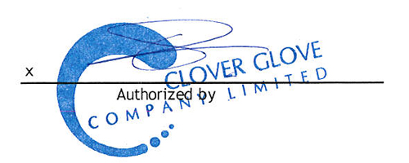
Beneficiary Name |  | CLOVER GLOVE CO., LTD.
Bank Name/Branch |  | KASIKORN BANK / LOTUS TOWN IN TOWN
Bank Account No. |  | 071-8-26253-4
Bank SWIFT Code |  | KASITHBK

 |  |  |  | Consignee

