Gameplay
Profile Name |  | Right joy
007FirstLight.csv |  | Normal
XBox Outputs | Function | usb
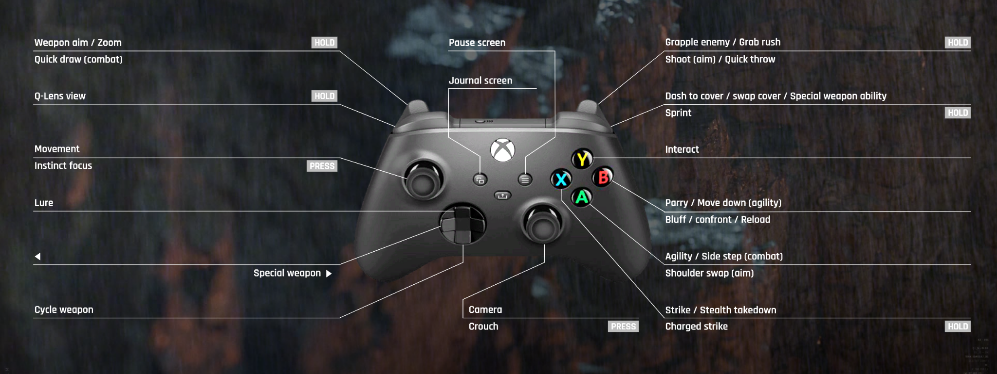
increment_mode | normal | right_sip | look in preferences for puff_soft adjustments!
decrement_mode | tap | right_puff | Questions? pasi2708@gmx.de
dpad_SW | normal
dpad_W | normal |  | Color-Legend : |  |  | mp_left_sip
right_joy_left | normal | left | Moving | ---------- | left | mp_left_puff
right_joy_right | normal | right | Weapon(Aim,Fire, Mode,etc) | ---------- | right | mp_center_sip
right_joy_up | normal | up | Grenade & Gadget | ---------- | up | mp_center_puff
right_joy_down | normal | down | interact (Enter Vehicle, Spotting, etc...) | ---------- | down | mp_right_sip
dpad_N | normal |  | Escape/Enter/Stats/Tab to Windows |  |  | mp_right_puff
dpad_E | normal |  | Function Testing |  |  | mp_left_center_sip
 | delay_on 500 | mp_center_sip |  |  |  | mp_left_center_puff
left_joy_right | normal | mp_right_center_puff | Strafe right | ---------- | mp_right_center_puff | mp_right_center_sip
left_joy_left | normal | mp_left_center_puff | Strafe left | ---------- | mp_left_center_puff | mp_right_center_puff
left_joy_up | delayed_latch 250 | mp_triple_puff | walk | 1' | mp_triple_puff | mp_triple_sip
left_joy_down | toggle | mp_left_center_sip | walking back | ---------- | mp_left_center_sip | mp_triple_puff
left_joy_left | normal | usb_1_left
left_joy_right | normal | usb_1_right
left_joy_down | normal | usb_1_down
left_joy_up | force_off | usb_1_down
right_bumper | force_off | usb_1_down
X | tap 200 | mp_left_center_puff_soft
right_bumper | tap 200 | mp_left_center_puff_soft
right_bumper | delay_on 500 16000 | mp_triple_puff | Sprint (Stay's Activated) | 1" | mp_triple_puff | mp_left_sip_soft
right_stick | delay_on 200 | mp_triple_sip | Crouch | ---------- | mp_triple_sip | mp_left_puff_soft
B | tap 200 | mp_triple_sip
A | normal | lip | Jump | (2) | lip | mp_center_puff_soft
left_trigger | normal | mp_center_sip
right_trigger | normal | mp_center_puff | Fire | ---------- | mp_center_puff | mp_right_puff_soft
X | delay_off 250 | mp_right_sip_soft | Reload | (3) | mp_right_sip_soft | mp_left_center_sip_soft
dpad_S | delay_on 200 | mp_left_sip | Firemode / Inspect | ---------- | mp_left_puff | mp_right_center_sip_soft
X | tap 200 | mp_right_center_sip | Melee | (5) | mp_right_center_sip | mp_right_center_puff_soft
left_stick | tap 200 | mp_center_puff_soft | Steady Aim | (9) | mp_center_sip_soft | mp_triple_sip_soft
left_bumper | toggle | mp_center_sip_soft | Throw Grenade | ---------- | mp_right_sip | lip
dpad_W | normal | mp_right_puff | Gadget 1 | ---------- | mp_right_puff | lip_soft
dpad_S | tap 200 | mp_left_sip | Class Gadget |  | mp_left_sip_soft | mp_triple_puff_soft
dpad_E | tap 200 | mp_left_puff
dpad_N | tap 200 | mp_left_sip_soft
right_bumper | tap 200 | mp_left_center_sip_soft | Gadget 1 | ---------- | mp_triple_puff_soft
Y | normal | mp_triple_sip_soft | use shield /drop item | ---------- | mp_left_center_puff_soft
right_stick | delay_on 200 500 | mp_left_puff | Equip Melee | 7" | mp_left_puff
Y | delay_on 200 100 | mp_right_center_sip | interact/enter | 5" | mp_right_center_sip
X | tap 250 | mp_right_center_sip_soft | Throw enemy | (8) | mp_right_center_sip_soft
A | tap 250 | mp_right_center_sip_soft
right_bumper | delay_on 200 | mp_left_center_sip_soft | Activate special | 9" | mp_center_sip_soft
right_trigger | delay_on 200 | mp_left_center_sip_soft | Activate special
back | delay_on 100 | mp_right_puff_soft | Stats | ---------- | right_puff_soft
kb_z | tap 250 1 | right_puff_soft | voicechat
increment_mode | tap 250 | mp_right_center_puff_soft | Switch to menu | ---------- | mp_right_center_puff_soft
increment_mode | tap 250 | mp_right_center_puff_soft | Switch to menu | ---------- | mp_right_center_puff_soft
decrement_mode | delay_on 250 | mp_right_center_puff_soft | Switch to Drive
increment_mode | delay_on 250 | mp_right_center_sip_soft | Switch to Gameplay | 8" | mp_right_center_sip_soft
left_joy_up | force_off | mp_right_center_sip
left_joy_up | force_off | mp_left_center_sip
left_joy_up | force_off 210 | mp_right_center_sip
left_joy_up | force_off 260 | mp_right_sip_soft
left_joy_down | force_off | right_puff
left_joy_down | force_off | right_sip
left_joy_down | force_off | mp_triple_puff
left_joy_down | force_off 700 | mp_center_puff
left_joy_down | force_off 210 | mp_right_center_sip
left_joy_down | force_off 260 | mp_right_sip
left_joy_down | force_off | mp_left_center_puff_soft
right_bumper | force_off | right_puff
right_bumper | force_off | right_sip
right_bumper | force_off | mp_right_sip_soft
right_bumper | force_off | mp_left_center_sip
right_bumper | force_off 700 | mp_center_puff
right_bumper | force_off 210 | mp_right_center_sip
right_bumper | force_off | mp_triple_puff
right_bumper | force_off 260 | mp_right_sip
left_trigger | force_off 500 | mp_triple_puff | Aim Sprint
left_trigger | force_off 150 | mp_right_center_sip | Aim Melee
left_trigger | force_off | mp_left_center_puff_soft | Aim use shield /drop item
left_trigger | force_off 100 | mp_right_center_puff_soft | Aim Switch to menu
left_trigger | force_off | mp_triple_sip_soft | Aim Tactical Sprint

