Gameplay
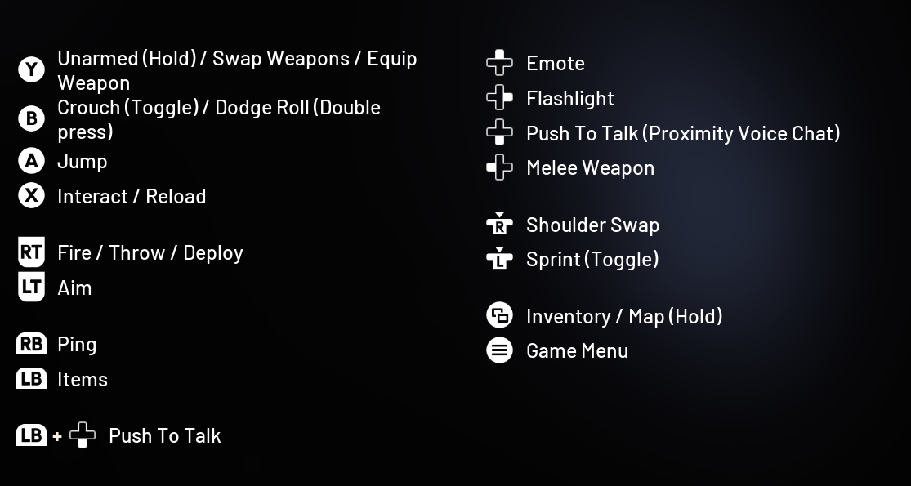
Profile Name |  | Right joy
ARCRaiders.csv |  | Normal
XBox Outputs | Function | usb
increment_mode | normal | right_sip | look in preferences for puff_soft adjustments!
decrement_mode | tap | right_puff | Questions? pasi2708@gmx.de
dpad_SW | normal
dpad_S | normal |  | Color-Legend :
right_joy_left | normal | left | Moving
right_joy_right | normal | right | Weapon(Aim,Fire, Mode,etc)
right_joy_up | normal | up | Grenade & Gadget
right_joy_down | normal | down | interact (Enter Vehicle, Spotting, etc...)
dpad_N | normal |  | Escape/Enter/Stats/Tab to Windows
dpad_E | normal |  | Function Testing
 | delay_on 500 | mp_center_sip
left_joy_right | normal | usb_1_right
left_joy_left | normal | usb_1_left
left_joy_up | normal | usb_1_up
left_joy_up | force_off | usb_1_down
left_joy_down | normal | usb_1_down
left_stick | force_off | usb_1_down
left_joy_right | normal | mp_right_center_puff | Strafe right
left_joy_left | normal | mp_left_center_puff | Strafe left
left_joy_up | delayed_latch 250 | mp_triple_puff | walk
left_joy_down | toggle | mp_left_center_sip | walking back
left_stick | delay_on 500 16000 | mp_triple_puff | Sprint (Stay's Activated)
left_stick | delay_on 5 16000 | mp_left_center_puff_soft
left_joy_up | delay_on 5 16000 | mp_left_center_puff_soft
left_joy_down | force_off | mp_left_center_puff_soft
B | normal | mp_triple_sip | Crouch
A | normal | lip | Jump
left_trigger | toggle | mp_center_sip | Aim (Hold to Crouch)
right_trigger | normal | mp_center_puff | Fire
X | delay_off 250 | mp_right_sip_soft | Reload
Y | normal | mp_triple_sip_soft | Change weapons
dpad_W | tap 200 | mp_right_center_sip | Melee
right_bumper | normal | mp_right_center_sip_soft | Ping
left_bumper | normal | mp_center_sip_soft | gadget
X | tap 250 | mp_left_center_sip_soft
X | delay_on 200 100 | mp_right_center_sip | interact/enter
back | delay_on 100 | mp_triple_puff_soft | Backpack
dpad_N | normal | mp_left_puff | Emote
dpad_S | toggle | mp_center_puff_soft | Proximity Chat
dpad_E | normal | mp_left_sip_soft | Flashlight
right_stick | normal | mp_left_sip | Shoulder Swap
kb_escape | normal | mp_left_puff_soft | Menu/Pause
kb_left_alt | delay_on 500 | right_puff | Hold to Tab to Windows
kb_tab | delay_on 500 | right_puff
back | delay_on 250 | mp_right_puff_soft | map
start | delay_on 250 | mp_left_puff_soft | Menu/Pause
decrement_mode | tap 200 | mp_right_center_puff_soft | Switch to menu
increment_mode | delay_on 250 | mp_right_center_puff_soft
left_joy_up | force_off | mp_right_center_sip
left_joy_up | force_off | mp_left_center_sip
left_joy_up | force_off 210 | mp_right_center_sip
left_joy_up | force_off 900 | mp_center_puff
left_joy_up | force_off 260 | mp_right_sip_soft
left_joy_up | force_off 300 | mp_triple_sip | walk
left_joy_down | force_off | right_puff
left_joy_down | force_off | right_sip
left_joy_down | force_off | mp_triple_puff
left_joy_down | force_off 900 | mp_center_puff
left_joy_down | force_off 210 | mp_right_center_sip
left_joy_down | force_off 900 | mp_left_sip
left_joy_down | force_off 260 | mp_right_sip
left_joy_down | force_off | mp_left_center_sip_soft
left_joy_down | force_off 300 | mp_triple_sip | walking back
left_stick | force_off | right_puff
left_stick | force_off | right_sip
left_stick | force_off | mp_right_sip_soft
left_stick | force_off | mp_left_center_sip
left_stick | force_off 900 | mp_center_puff
left_stick | force_off 210 | mp_right_center_sip
left_stick | force_off | mp_triple_puff
left_stick | force_off 900 | mp_left_sip
left_stick | force_off
left_stick | force_off 260 | mp_right_sip
left_stick | force_off | mp_left_center_sip_soft
left_stick | force_off | mp_triple_puff_soft
left_trigger | force_off 75 | mp_left_sip
left_trigger | force_off 500 | mp_triple_puff
left_trigger | force_off 100 | mp_left_puff
left_trigger | force_off 75 | mp_right_sip
left_trigger | force_off 100 | mp_right_puff
left_trigger | force_off 150 | mp_right_center_sip
left_trigger | force_off 300 | mp_left_puff_soft
left_trigger | force_off | mp_left_center_puff_soft
left_trigger | force_off 100 | mp_right_center_puff_soft
left_trigger | force_off | mp_triple_sip_soft
left_trigger | force_off 100 | mp_triple_puff_soft

