Gameplay
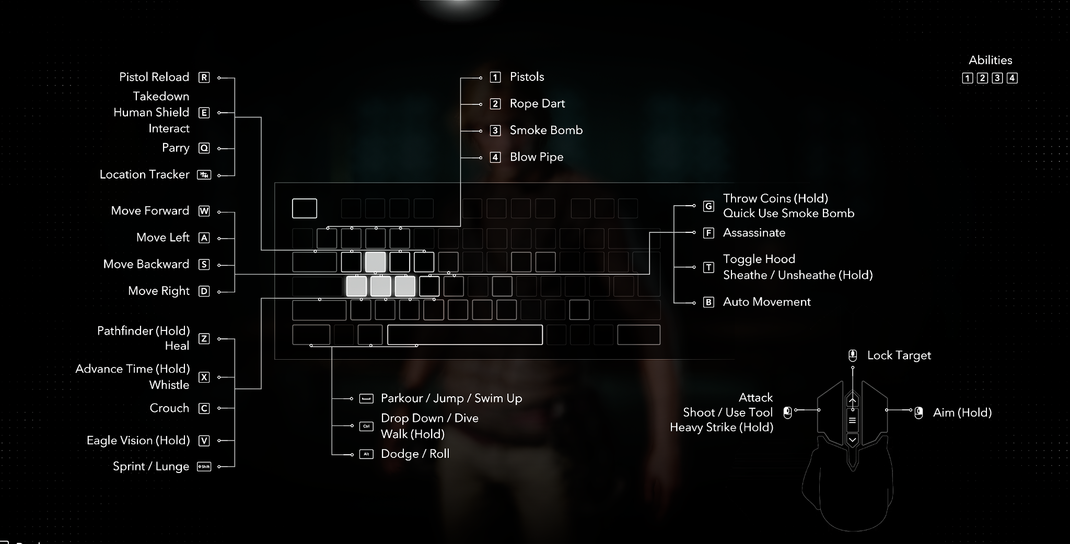
Profile Name |  | Left joy | comment
AC4BFR.csv |  | Normal
XBox Outputs | Function | usb
increment_mode | normal | right_sip | look in preferences for puff_soft adjustments!
decrement_mode | tap | right_puff | Questions? pasi2708@gmx.de
dpad_SW | normal |  |  | mp_left_sip
dpad_S | normal |  | Color-Legend : | mp_left_puff
mouse_left | normal | left | Moving | mp_center_sip
mouse_right | normal | right | Weapon(Aim,Fire, Mode,etc) | mp_center_puff
mouse_up | normal | up | Grenade & Gadget | mp_right_sip
mouse_down | normal | down | interact (Enter Vehicle, Spotting, etc...) | mp_right_puff
dpad_N | normal |  | Escape/Enter/Stats/Tab to Windows | mp_left_center_sip
sip_puff_threshold | normal | 30 | Function Testing | mp_left_center_puff
mouse_response_curve | normal | 2 |  | mp_right_center_sip
kb_d | normal | usb_1_right
kb_a | normal | usb_1_left
kb_w | normal | usb_1_up
kb_space | normal | usb_1_down
kb_d | normal | mp_right_center_puff | Strafe right | mp_right_center_puff
kb_a | normal | mp_left_center_puff | Strafe left | mp_triple_sip
kb_w | delayed_latch 250 | mp_triple_puff | walk | mp_triple_puff
kb_s | toggle | mp_left_center_sip | walking back | mp_left_sip_soft
kb_left_shift | delay_on 500 16000 | mp_triple_puff | Sprint (Stay's Activated) | mp_left_puff_soft
kb_left_control | tap 200 | mp_triple_sip | Crouch | mp_center_sip_soft
kb_c | delay_on 200 | mp_triple_sip | Lay down | mp_center_puff_soft
kb_space | delayed_latch 250 | lip | Jump | mp_right_sip_soft
mouse_right_button | toggle | mp_center_sip_soft | Aim (Hold to Crouch) | mp_right_puff_soft
kb_q | tap 200 | mp_center_sip | Block
mouse_left_button | normal | mp_center_puff | Attack | mp_left_center_sip_soft
mouse_middle_button | tap 200 | mp_left_center_sip_soft | Mark enemy
kb_1 | tap 200 | mp_left_puff | Pistols
kb_2 | tap 200 | mp_left_sip | Rope Dart
kb_3 | delay_on 200 | mp_left_puff | Smoke Bomb
kb_4 | delay_on 200 | mp_left_sip | Blow Pipe | mp_left_center_puff_soft
kb_r | tap 200 | mp_right_sip_soft | Reload | mp_right_center_sip_soft
kb_f | delay_on 200 | mp_right_center_sip | Assassinate | mp_triple_sip_soft
kb_y | normal | mp_left_center_puff_soft | Heal/pathfinder | mp_triple_puff_soft
kb_g | normal | mp_right_sip | Quick Smoke/Throw Coins | lip_soft
kb_t | delay_on 200 | mp_right_sip_soft | Sheathe
kb_left_control | delay_off 500 | lip_soft | walk
kb_v | tap 200 500 | mp_left_sip_soft | Eagle Vision
kb_x | delay_on 200 | mp_left_sip_soft | Whistle/Advance Time
kb_4 | tap 200 | mp_right_center_sip_soft | Quick Arrow Rope
kb_e | tap 200 | mp_right_center_sip | interact/enter
kb_i | delay_on 100 | mp_triple_puff_soft | inventory
kb_escape | delay_on 100 | mp_left_puff_soft | Menu/Pause
kb_m | delay_on 100 | mp_right_puff_soft | Map
kb_left_alt | delay_on 500 | right_puff | Hold to Tab to Windows
kb_tab | delay_on 500 | right_puff
decrement_mode | normal | mp_right_center_puff_soft
increment_mode | delay_on 200 | mp_right_center_sip_soft | Ship
kb_0 | tap 200 | right_puff_soft | Mute
kb_left_control | tap 200 | right_puff_soft
kb_left_shift | tap 200 | right_puff_soft
kb_left_control | delay_on 200 | right_puff_soft | Nvdia Shadow
kb_left_shift | delay_on 200 | right_puff_soft
kb_8 | delay_on 200 | right_puff_soft
kb_left_gui | delay_on 200 | right_sip_soft | Windows Gamebar
kb_g | delay_on 200 | right_sip_soft
kb_f1 | tap 200 | right_sip_soft | Screenshot
kb_left_alt | tap 200 | right_sip_soft
kb_w | force_off | mp_right_center_sip
kb_w | force_off | right_puff
kb_w | force_off | right_sip
kb_w | force_off | mp_left_center_sip
kb_w | force_off 210 | mp_right_center_sip
kb_w | force_off 210 | mp_triple_sip
kb_w | force_off | mp_triple_sip_soft
kb_s | force_off | right_puff
kb_s | force_off | right_sip
kb_s | force_off | mp_right_sip_soft
kb_s | force_off | mp_triple_puff
kb_s | force_off 210 | mp_right_center_sip
mouse_right_button | force_off | right_puff
mouse_right_button | force_off | right_sip
mouse_right_button | force_off | mp_left_sip_soft
mouse_right_button | force_off | mp_right_sip_soft
mouse_right_button | force_off | mp_left_puff
mouse_right_button | force_off | mp_right_center_sip
mouse_right_button | force_off | mp_right_puff
mouse_right_button | force_off | mp_right_sip
kb_left_shift | force_off | right_puff
kb_left_shift | force_off | right_sip
kb_left_shift | force_off | mp_right_sip_soft
kb_left_shift | force_off | mp_triple_puff_soft
kb_left_shift | force_off | mp_left_center_sip
kb_left_shift | force_off 210 | mp_right_center_sip
kb_left_shift | force_off | mp_triple_puff
kb_left_shift | force_off 900 | mp_left_sip
kb_left_shift | force_off | mp_triple_puff
kb_left_shift | force_off 210 | mp_right_sip

Ship
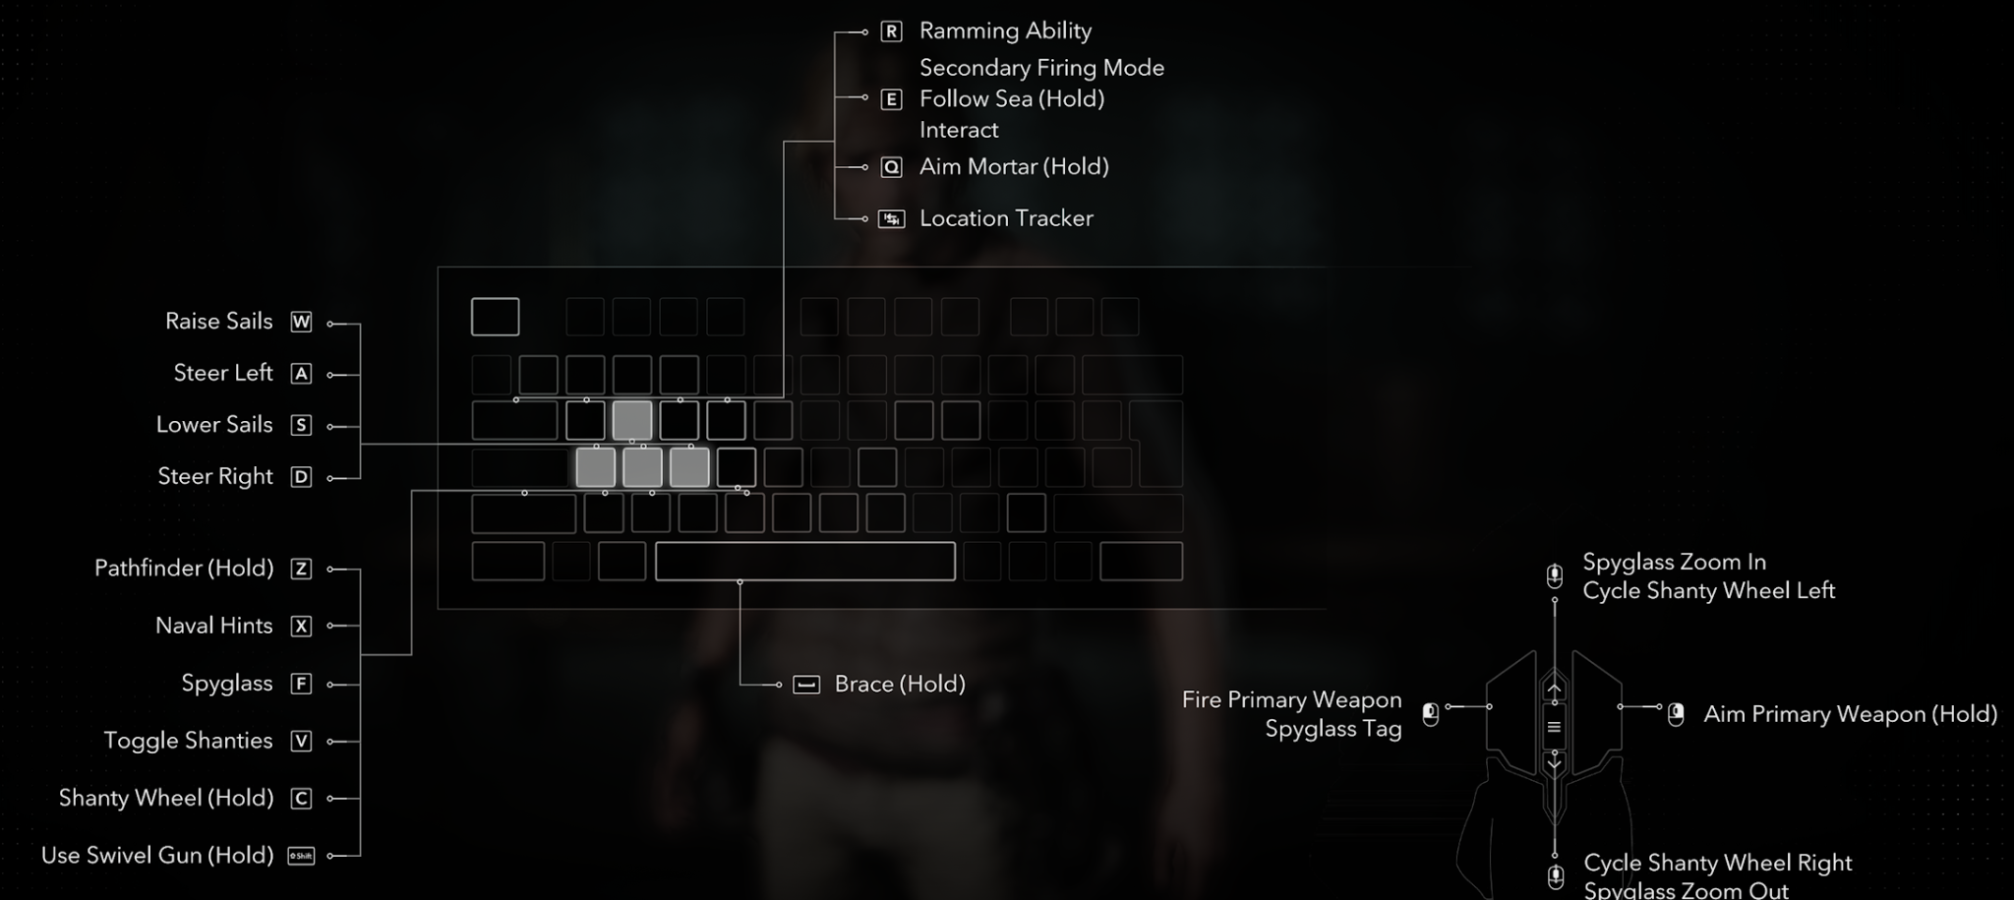
Profile Name |  | Left joy | comment
AC4BFR.csv |  | Normal
XBox Outputs | Function | usb
increment_mode | normal | right_sip | look in preferences for puff_soft adjustments!
decrement_mode | tap | right_puff | Questions? pasi2708@gmx.de
dpad_SW | normal |  |  | mp_left_sip
dpad_S | normal |  | Color-Legend : | mp_left_puff
mouse_left | normal | left | Moving | mp_center_sip
mouse_right | normal | right | Weapon(Aim,Fire, Mode,etc) | mp_center_puff
mouse_up | normal | up | Grenade & Gadget | mp_right_sip
mouse_down | normal | down | interact (Enter Vehicle, Spotting, etc...) | mp_right_puff
dpad_N | normal |  | Escape/Enter/Stats/Tab to Windows | mp_left_center_sip
sip_puff_threshold | normal | 30 | Function Testing | mp_left_center_puff
mouse_response_curve | normal | 2 |  | mp_right_center_sip
kb_d | normal | usb_1_right
kb_a | normal | usb_1_left
kb_w | normal | usb_1_up
kb_space | normal | usb_1_down
kb_d | normal | mp_right_center_puff | Steer Right | mp_right_center_puff
kb_a | normal | mp_left_center_puff | Steer Left | mp_triple_sip
kb_w | normal | mp_triple_puff | Raise Sails | mp_triple_puff
kb_s | normal | mp_left_center_sip | Lower Sails | mp_left_sip_soft
kb_left_shift | delay_on 500 16000 | mp_triple_puff | Sprint (Stay's Activated) | mp_left_puff_soft
kb_left_control | normal | mp_triple_sip_soft | Use Swivel Gun (Hold) | mp_center_sip_soft
kb_c | normal | mp_triple_sip | Shanty Wheel (Hold) | mp_center_puff_soft
kb_space | delayed_latch 500 | lip | Jump | mp_right_sip_soft
increment_mode | delay_on 200 | mp_center_sip | Aim (Hold to Crouch) | mp_right_puff_soft
kb_q | toggle | mp_center_sip | Aim Mortar
mouse_left_button | normal | mp_center_puff | Attack | mp_left_center_sip_soft
kb_tab | delay_on 200 | mp_left_center_sip_soft | Location Tracker
mouse_wheel_up | normal | mp_left_puff | Spyglass Zoom In Cycle Shanty Wheel Left
mouse_wheel_down | normal | mp_left_sip | Cycle Shanty Wheel Right Sovalass Zoom Out
kb_r | tap 200 | mp_right_sip_soft | Ramming Ability Secondary Firing Mode | mp_right_center_sip_soft
kb_f | tap 200 | mp_right_center_sip | Spyglass | mp_triple_sip_soft
kb_y | normal | mp_left_center_puff_soft | Pathfinder | mp_triple_puff_soft
kb_g | normal | mp_right_sip | Quick Smoke/Throw Coins | lip_soft
kb_t | delay_on 200 | mp_right_sip_soft | Sheathe
kb_left_control | delay_off 500 | lip_soft | walk
kb_v | tap 200 | mp_left_sip_soft | Toggle Shanties
kb_x | delay_on 200 | mp_left_sip_soft | Naval Hints
kb_4 | tap 200 | mp_right_center_sip_soft | Quick Arrow Rope
kb_e | delay_on 200 | mp_right_center_sip | Follow Sea (Hold) Interact
kb_i | delay_on 100 | mp_triple_puff_soft | inventory
kb_escape | delay_on 100 | mp_left_puff_soft | Menu/Pause
kb_m | delay_on 100 | mp_right_puff_soft | Map
kb_left_alt | delay_on 500 | right_puff | Hold to Tab to Windows
kb_tab | delay_on 500 | right_puff
increment_mode | normal | mp_right_center_puff_soft
decrement_mode | tap 200 | mp_right_center_sip_soft
kb_0 | tap 200 | right_puff_soft | Mute
kb_left_control | tap 200 | right_puff_soft
kb_left_shift | tap 200 | right_puff_soft
kb_left_control | delay_on 200 | right_puff_soft | Nvdia Shadow
kb_left_shift | delay_on 200 | right_puff_soft
kb_8 | delay_on 200 | right_puff_soft
kb_left_gui | delay_on 200 | right_sip_soft | Windows Gamebar
kb_g | delay_on 200 | right_sip_soft
kb_f1 | tap 200 | right_sip_soft | Screenshot
kb_left_alt | tap 200 | right_sip_soft
kb_w | force_off | mp_right_center_sip
kb_w | force_off | right_puff
kb_w | force_off | right_sip
kb_w | force_off | mp_left_center_sip
kb_w | force_off 210 | mp_right_center_sip
kb_w | force_off 210 | mp_triple_sip
kb_s | force_off | right_puff
kb_s | force_off | right_sip
kb_s | force_off | mp_right_sip_soft
kb_s | force_off | mp_triple_puff
kb_s | force_off 210 | mp_right_center_sip
mouse_right_button | force_off | right_puff
mouse_right_button | force_off | right_sip
mouse_right_button | force_off | mp_left_sip_soft
mouse_right_button | force_off | mp_right_sip_soft
mouse_right_button | force_off | mp_left_puff
mouse_right_button | force_off | mp_right_center_sip
mouse_right_button | force_off | mp_right_puff
mouse_right_button | force_off | mp_right_sip
kb_left_shift | force_off | right_puff
kb_left_shift | force_off | right_sip
kb_left_shift | force_off | mp_right_sip_soft
kb_left_shift | force_off | mp_triple_puff_soft
kb_left_shift | force_off | mp_left_center_sip
kb_left_shift | force_off 210 | mp_right_center_sip
kb_left_shift | force_off | mp_triple_puff
kb_left_shift | force_off 900 | mp_left_sip
kb_left_shift | force_off | mp_triple_puff
kb_left_shift | force_off 210 | mp_right_sip

