Gameplay
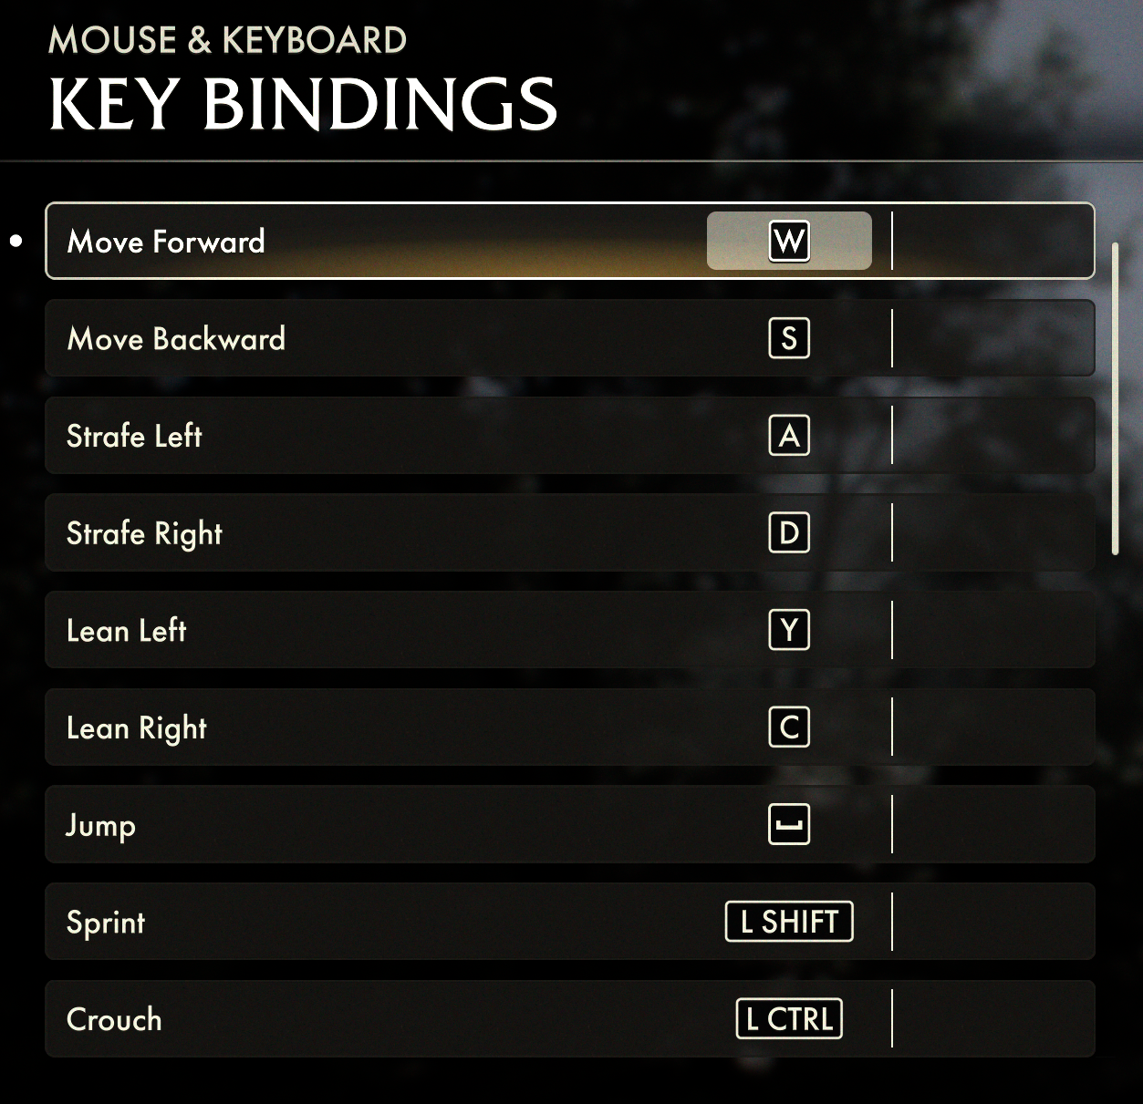
Profile Name |  | Left joy | comment
IndianaJonesAtGC.csv |  | Normal
XBox Outputs | Function | usb
increment_mode | normal | right_sip | look in preferences for puff_soft adjustments!
decrement_mode | tap | right_puff | Questions? pasi2708@gmx.de
dpad_SW | normal |  |  |  | mp_left_sip
dpad_S | normal |  | Color-Legend : |  | mp_left_puff
mouse_left | normal | left | Moving |  | mp_center_sip
mouse_right | normal | right | Weapon(Aim,Fire, Mode,etc) |  | mp_center_puff
mouse_up | normal | up | Grenade & Gadget |  | mp_right_sip
mouse_down | normal | down | interact (Enter Vehicle, Spotting, etc...) |  | mp_right_puff
dpad_N | normal |  | Escape/Enter/Stats/Tab to Windows |  | mp_left_center_sip
sip_puff_threshold | normal | 35 | Function Testing |  | mp_left_center_puff
mouse_response_curve | normal | 2 |  |  | mp_right_center_sip
kb_d | normal | usb_1_right
kb_a | normal | usb_1_left
kb_w | normal | usb_1_up
kb_w | force_off | usb_1_down
kb_s | normal | usb_1_down
kb_d | normal | mp_right_center_puff | Strafe right |  | mp_right_center_puff
kb_a | normal | mp_left_center_puff | Strafe left |  | mp_triple_sip
kb_w | delayed_latch 250 | mp_triple_puff | walk |  | mp_triple_puff
kb_s | toggle | mp_left_center_sip | walking back |  | mp_left_sip_soft
kb_z | normal | mp_left_puff | lean left
kb_c | normal | mp_right_puff | lean right
kb_left_shift | delay_on 500 16000 | mp_triple_puff | Sprint (Stay's Activated) |  | mp_left_puff_soft
kb_left_control | tap 250 | mp_triple_sip | Crouch |  | mp_center_sip_soft
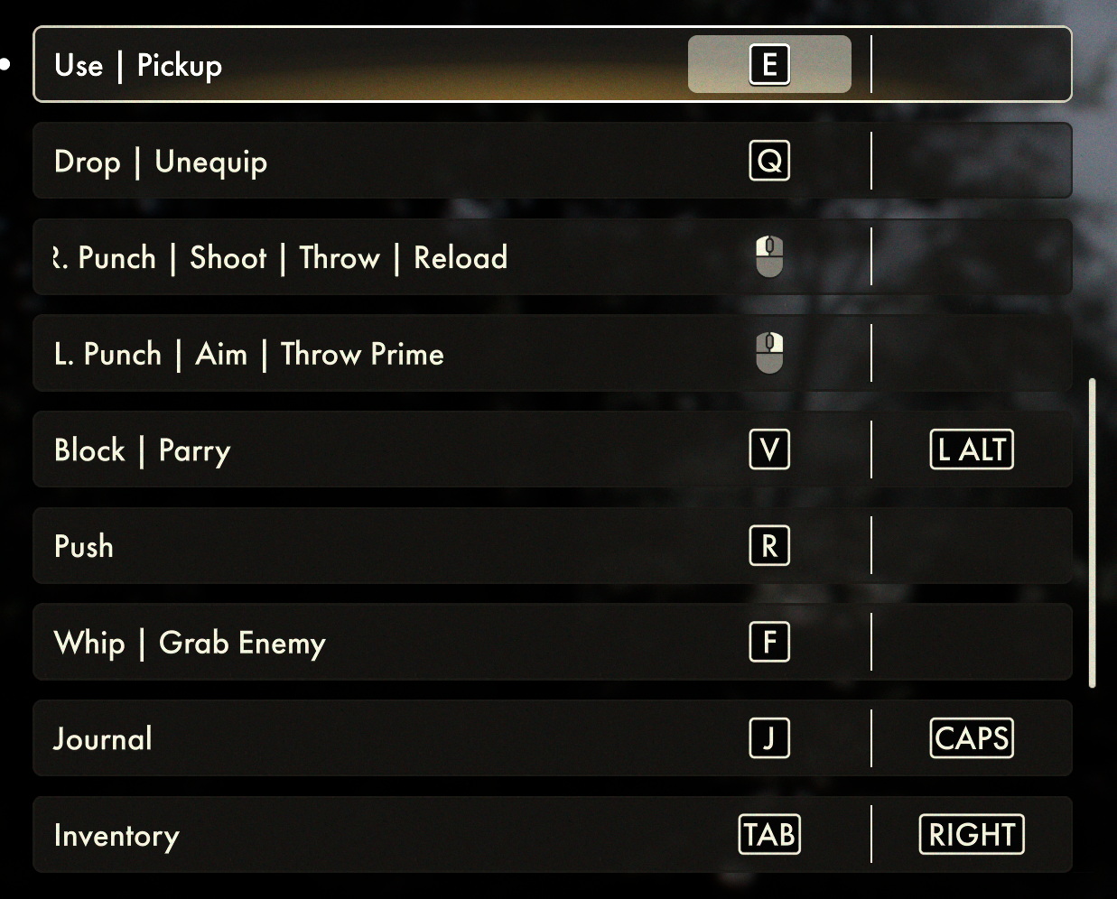
kb_c | delay_on 250 | mp_triple_sip | Lay down |  | mp_center_puff_soft
kb_space | normal | lip | Jump |  | mp_right_sip_soft
mouse_right_button | normal | mp_center_sip | Aim (Hold to Crouch) |  | mp_right_puff_soft
mouse_left_button | normal | mp_center_puff | Fire |  | mp_left_center_sip_soft
kb_3 | delay_on 250 | mp_left_center_sip_soft | Consumables |  | mp_left_center_puff_soft
kb_r | normal | mp_right_sip_soft | Reload |  | mp_right_center_sip_soft
kb_r | tap 250 | mp_left_center_puff_soft | push
kb_1 | normal | mp_triple_sip_soft | Change weapons |  | mp_right_center_puff_soft
kb_v | normal | mp_right_center_sip_soft | Block
kb_f | normal | mp_center_sip_soft | whip |  | mp_triple_sip_soft
kb_2 | normal | mp_left_sip | Key Tools |  | lip
kb_q | delay_on 250 | mp_left_center_puff_soft | Drop |  | lip_soft
kb_e | normal | mp_right_center_sip | interact/enter
kb_tab | delay_on 100 | mp_triple_puff_soft | Inventory
kb_escape | delay_on 100 | mp_left_puff_soft | Menu/Pause
kb_j | tap 250 | mp_left_center_sip_soft | Journal
kb_grave_accent_and_tilde | delay_on 100 | mp_right_puff_soft
kb_left_shift | delay_on 100 | mp_right_puff_soft
kb_left_alt | delay_on 500 | right_puff | Hold to Tab to Windows
kb_tab | delay_on 500 | right_puff
decrement_mode | tap 250 | mp_right_center_puff_soft
increment_mode | delay_on 250 | mp_right_center_puff_soft | Fightmode
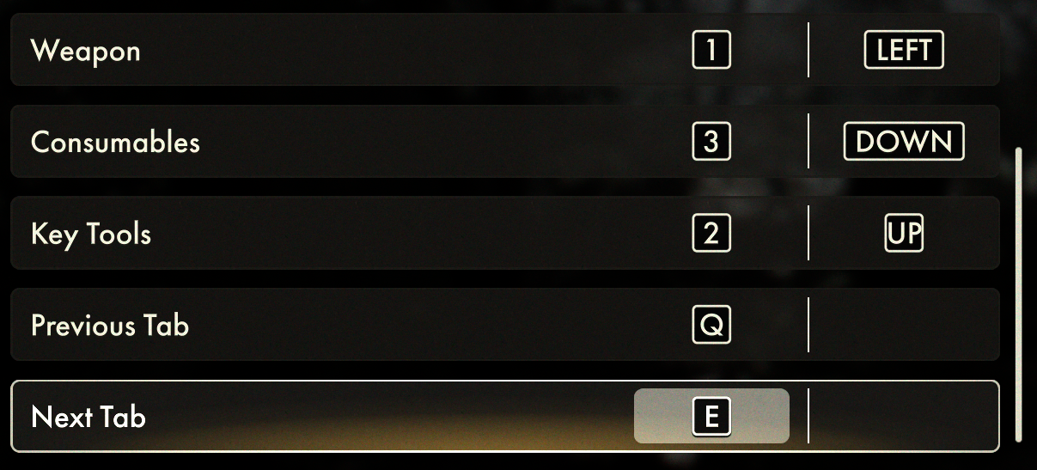
kb_0 | tap 250 | right_puff_soft | Mute
kb_left_control | tap 250 | right_puff_soft
kb_left_shift | tap 250 | right_puff_soft
kb_left_control | delay_on 250 | right_puff_soft | Nvdia Shadow
kb_left_shift | delay_on 250 | right_puff_soft
kb_8 | delay_on 250 | right_puff_soft
kb_left_gui | delay_on 250 | right_sip_soft | Windows Gamebar
kb_g | delay_on 250 | right_sip_soft
kb_f1 | tap 250 | right_sip_soft | Screenshot
kb_left_alt | tap 250 | right_sip_soft
kb_w | force_off | mp_right_center_sip
kb_w | force_off | right_puff
kb_w | force_off | right_sip
kb_w | force_off | mp_left_center_sip |  | r_lodscale 3
kb_w | force_off 700 | mp_center_puff
kb_w | force_off 260 | mp_right_center_sip
kb_w | force_off 260 | mp_triple_sip
kb_w | force_off | mp_triple_puff_soft
kb_s | force_off | right_puff
kb_s | force_off | right_sip
kb_s | force_off | mp_right_sip_soft
kb_s | force_off | mp_triple_puff
kb_s | force_off 700 | mp_center_puff
kb_s | force_off 260 | mp_right_center_sip
kb_s | force_off | mp_triple_puff_soft
mouse_right_button | force_off | right_puff
mouse_right_button | force_off | right_sip
mouse_right_button | force_off | mp_left_sip_soft
mouse_right_button | force_off | mp_right_sip_soft
mouse_right_button | force_off | mp_right_center_sip
kb_left_shift | force_off | right_puff
kb_left_shift | force_off | right_sip
kb_left_shift | force_off | mp_right_sip_soft
kb_left_shift | force_off | mp_triple_puff_soft
kb_left_shift | force_off | mp_left_center_sip
kb_left_shift | force_off 700 | mp_center_puff
kb_left_shift | force_off 260 | mp_right_center_sip
kb_left_shift | force_off | mp_triple_sip
kb_left_shift | force_off 900 | mp_left_sip
kb_left_shift | force_off | mp_triple_puff

