Q1
Driver | N (Count) | Minimum | Maximum | Mean | Std. Deviation
F_pricevalue | 4438 | 1 | 7 | 6.0081 | 0.83935
F_innovativeness | 4438 | 1 | 7 | 5.7281 | 0.86867
F_productquality | 4438 | 1 | 7 | 5.1272 | 1.17908
F_CRM | 4438 | 1 | 7 | 5.0002 | 1.1729
F_community | 4438 | 1 | 7 | 4.502 | 1.25949

Average Driver Scores for MV

Q3
Rank | Driver | Average Score | Beta Coefficient (Multivariate)
1 (Most Influential) | Pricevalue | 6.0081 | 0.51
2 | Innovativeness | 5.7281 | 0.35
3 | Productquality | 5.1272 | 0.24
Impact on NPS vs. Average Score for all 5 Drivers
4 | Community | 4.502 | 0.15
5 (Least Influential) | CRM | 5.0002 | 0

Q4
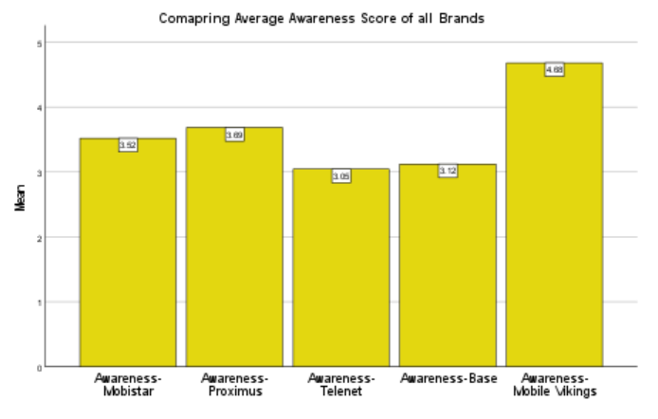

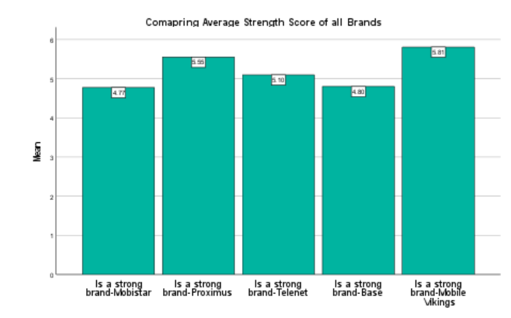

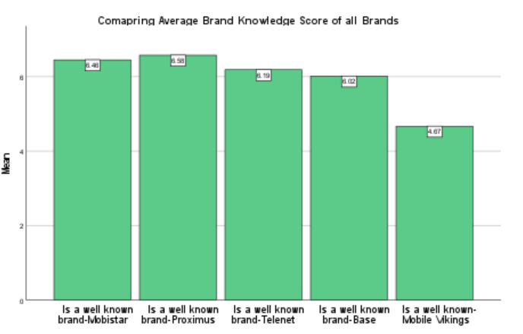

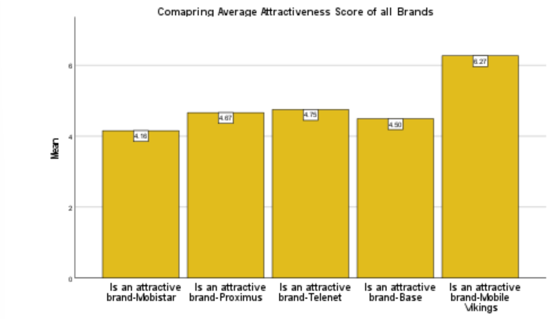

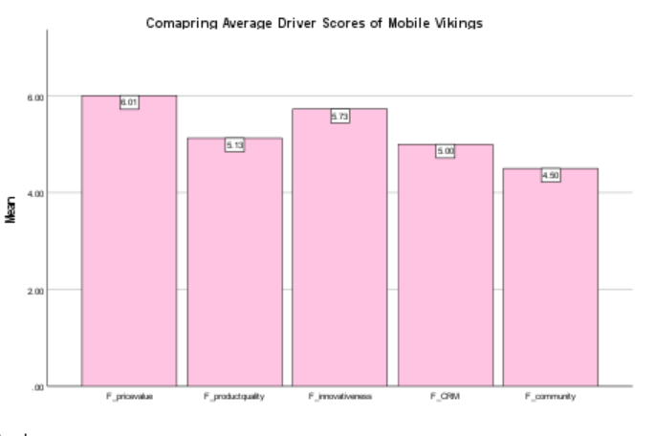

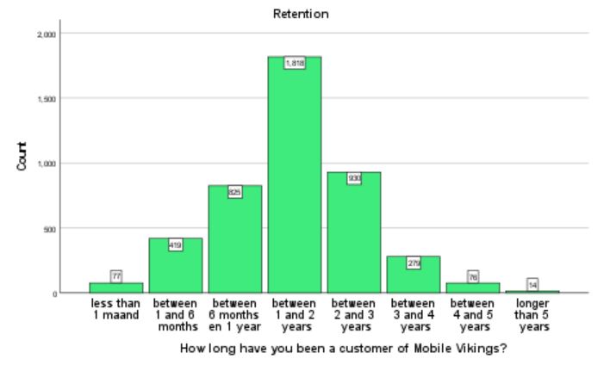

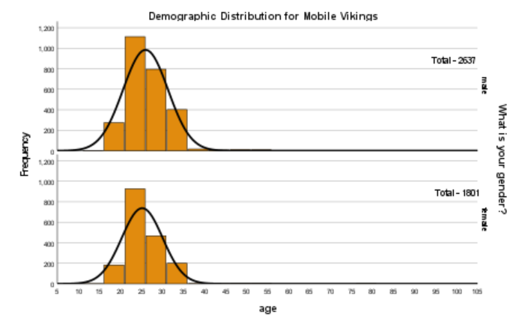

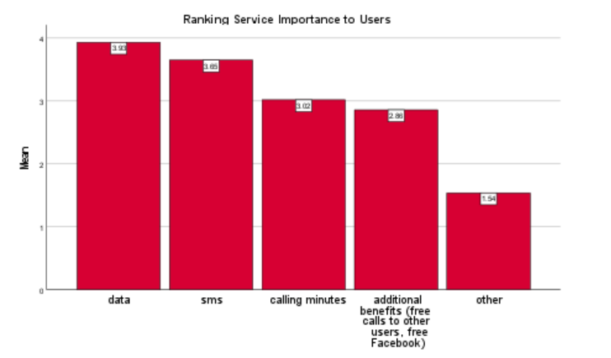

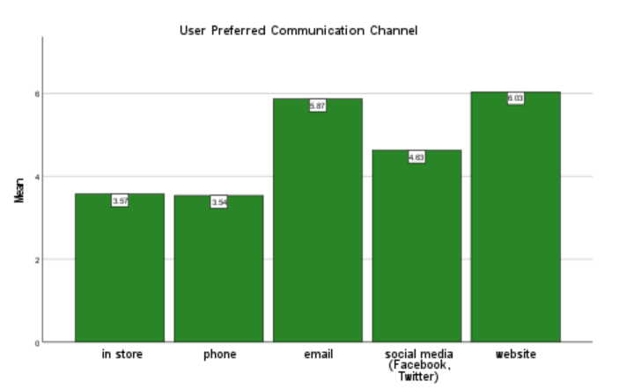

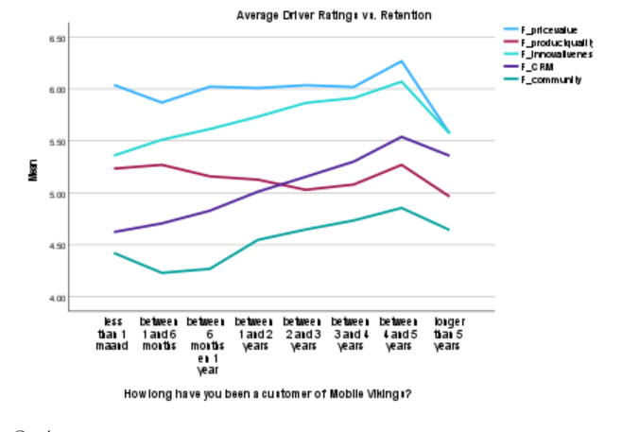

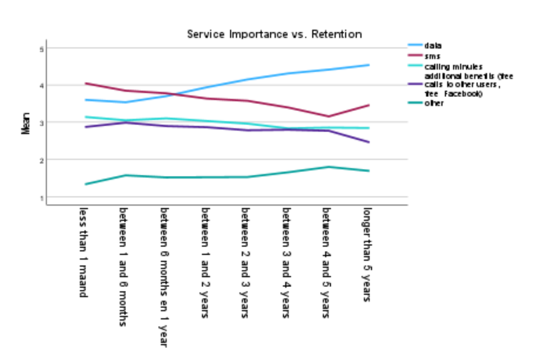

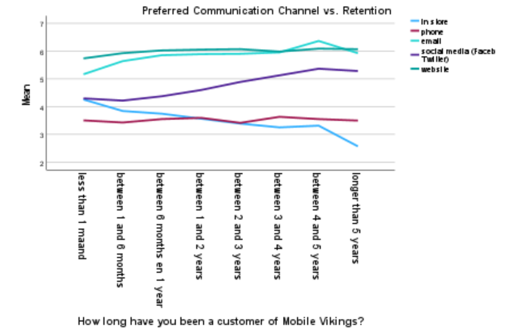

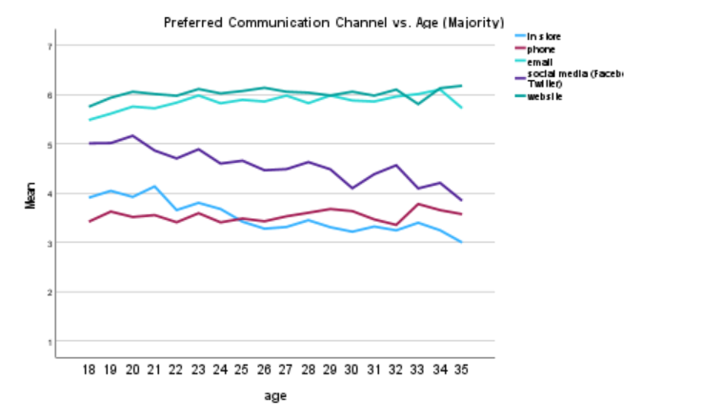

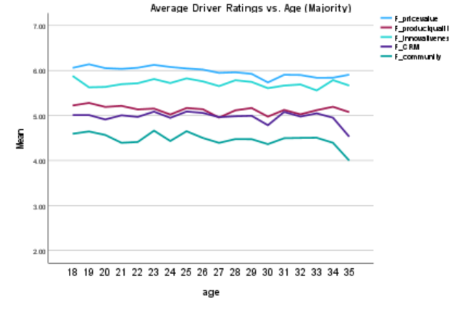

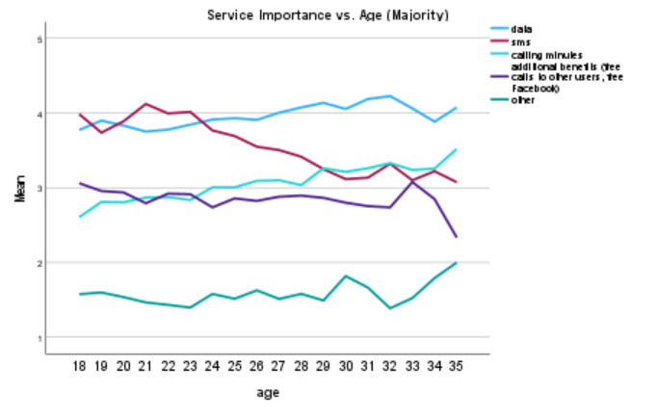

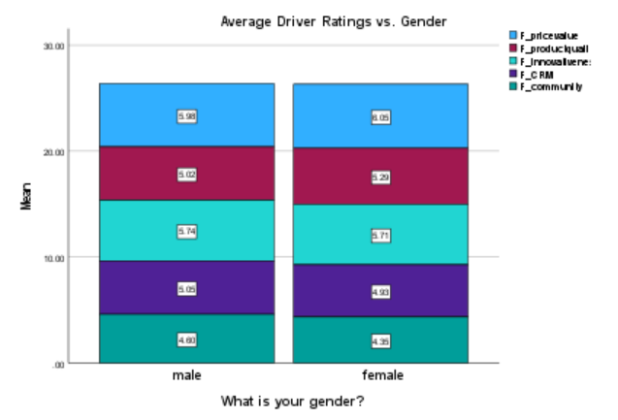

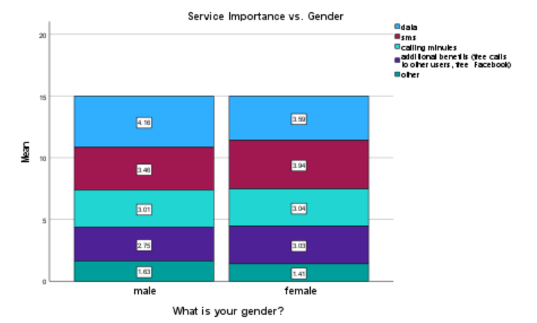

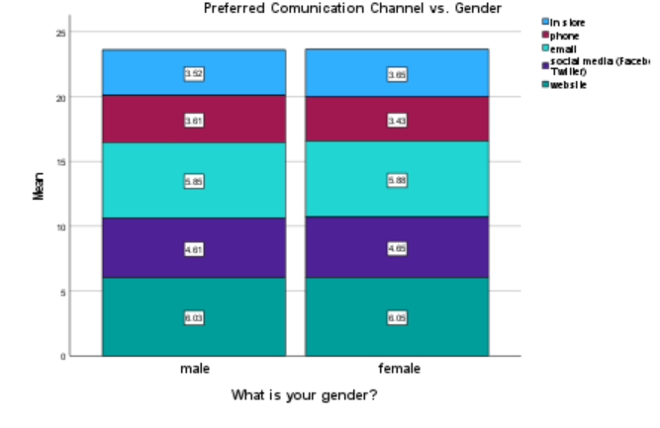

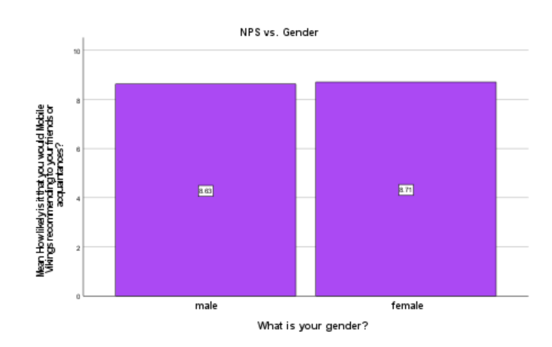

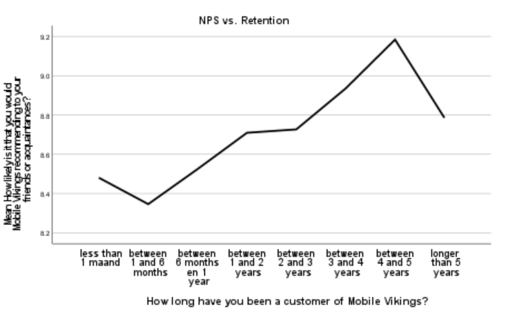

Q5
Clusters | Distances
15 | 9589.24
14 | 9821.51
13 | 10061.58
12 | 10361.39
11 | 10721.57
10 | 11095.40
9 | 11534.67
8 | 12035.35
7 | 12637.75
6 | 13478.61
5 | 14519.34
4 | 15673.12
3 | 17238.40
2 | 19222.92
1 | 25785.00

Final Cluster Centers
Drivers | Cluster
 | 1- Churn-Prone Chad | 2- Lover Liam | 3- Regular Rachel | 4- Service Focused Steve
F_pricevalue | 5.86 | 6.56 | 6.15 | 5.14
F_productquality | 3.99 | 5.95 | 5.81 | 4.19
F_innovativeness | 5.75 | 6.34 | 5.73 | 4.84
F_CRM | 5.22 | 6.16 | 4.61 | 3.8
F_community | 4.83 | 5.74 | 4.07 | 3.11

Population Count | 1032 | 1139 | 1460 | 807 | Total
Population Percentage | 23.25% | 25.66% | 32.90% | 18.18% | 4438

Number of Cases in each Cluster
Cluster | 1 | 1032
 | 2 | 1139
 | 3 | 1460
 | 4 | 807
Valid |  | 4438 |  | X1
Missing |  | 0

