Sheet1
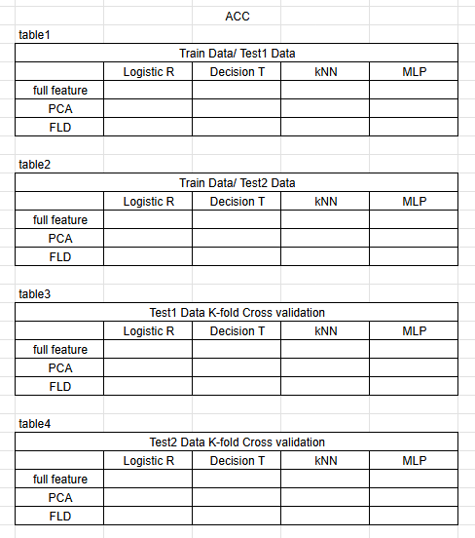
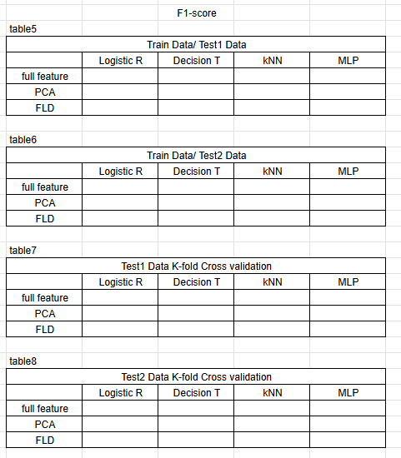

 |  |  | ACC |  |  |  |  |  |  | F1-score
 | table1 |  |  |  |  |  |  | table5
 |  | Train Data / Test1 Data |  |  |  |  |  |  | Train Data / Test1 Data
 |  | Logistic R | Decision T | KNN | MLP |  |  |  | Logistic R | Decision T | KNN | MLP
5 | full feature | 79.12 | 94.95 | 80.47 | 81.01 |  | 5 | full feature | 74 | 75.56 | 75.23 | 72.13
 | PCA | 78.56 | 94.16 | 80.58 | 80.45 |  |  | PCA | 70.57 | 71.59 | 71.59 | 71.07
 | FLD | 78.9 | 92.14 | 79.46 | 79.89 |  |  | FLD | 71.08 | 89.16 | 70.72 | 70.97

 | table2 |  |  |  |  |  |  | table6
 |  | Train Data / Test2 Data |  |  |  |  |  |  | Train Data / Test2 Data
 |  | Logistic R | Decision T | KNN | MLP |  |  |  | Logistic R | Decision T | KNN | MLP
5 | full feature | 77.511 | 72.248 | 77.033 | 77.751 |  |  | full feature
 | PCA | 76.794 | 72.009 | 77.272 | 77.272 |  |  | PCA
 | FLD | 77.033 | 67.224 | 77.511 | 77.033 |  |  | FLD
 | test2 acc : | 77.511

 | table3 |  |  |  |  |  |  | table7
 |  | Test1 Data K-fold Cross validation |  |  |  |  |  |  | Test1 Data K-fold Cross validation
 |  | Logistic R | Decision T | KNN | MLP |  |  |  | Logistic R | Decision T | KNN | MLP
5 | full feature | 78.9 | 77.4 | 78.9 | 78.91 |  | 5 | full feature | 70.69 | 69.59 | 70.33 | 70.35
>>> | PCA | 79.13 | 76.31 | 78.57 | 79.13 |  |  | PCA | 70.91 | 67.02 | 70.13 | 70.66
 | FLD | 78.45 | 76.54 | 78.79 | 78.57 |  |  | FLD | 70.37 | 66.45 | 69.28 | 70.48

 | table4 |  |  |  |  |  |  | table8
 |  | Test2 Data K-fold Cross validation |  |  |  |  |  |  | Test2 Data K-fold Cross validation
 |  | Logistic R | Decision T | KNN | MLP |  |  |  | Logistic R | Decision T | KNN | MLP
 | full feature |  |  |  |  |  |  | full feature
 | PCA |  |  |  |  |  |  | PCA
 | FLD |  |  |  |  |  |  | FLD

 | 전처리 사용 타이틀 = full title

 |  | Train Data / Test1 Data |  |  |  |  | Train Data / Test2 Data
 |  | Logistic R | Decision T | KNN | MLP |  | Logistic R | Decision T | KNN | MLP
 | full feature | 97.77 | 97.21 | 96.09 | 96.65 | full feature | 73.684 | 73.205 | 74.162 | 75.358
 | PCA |  |  |  |  | PCA
 | FLD |  |  |  |  | FLD

 | K-FOLD | Train Data / Test1 Data
 |  | Logistic R | Decision T | KNN | MLP
 | full feature
 | PCA
 | FLD

 | ### -------------- NEW FEATURE -------------- ### |  |  |  |  |  |  | ### -------------- NEW FEATURE -------------- ###
 | PEARSON = pclass, name, embarked |  |  |  |  |  |  | Spearman = Sex, Name
 | K-FOLD | Train Data / Test1 Data |  |  |  |  |  | K-FOLD | Train Data / Test1 Data
 |  | Logistic R | Decision T | KNN | MLP |  |  |  | Logistic R | Decision T | KNN | MLP
 | full feature | 73.51453 | 82.60436 | 79.91149 | 78.00577 |  |  | full feature | 78.22798 | 79.23608 | 75.32107 | 74.98588
 | PCA | 73.85161 | 82.71734 | 79.68615 | 72.27983 |  |  | PCA | 78.22798 | 79.01262 | 75.09635 | 78.11562
 | FLD | 72.27858 | 82.49262 | 79.57253 | 72.95524 |  |  | FLD | 78.56381 | 79.34781 | 78.56381 | 78.56381

test2 acc : | 77.272 |  |  |  |  |  | test2 acc : | 75.358

