Classification
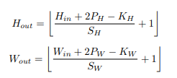
 | Paramètre couche |  |  |  |  | Dimensions sortie
Couches | Canaux in | Canaux out | Kernel | Padding | Stride | C | H | W | #param
Input |  |  |  |  |  | 1 | 53 | 53
Conv2D | 1 | 32 | 11 | 3 | 2 | 32 | 25 | 25 | 3904
Maxpool | 32 | 32 | 3 | 1 | 1 | 32 | 25 | 25
Conv2D | 32 | 64 | 5 | 1 | 1 | 64 | 23 | 23 | 51264
Maxpool | 64 | 64 | 3 | 1 | 2 | 64 | 12 | 12
Conv2D | 64 | 64 | 3 | 1 | 1 | 64 | 12 | 12 | 36928
Conv2D | 64 | 64 | 3 | 1 | 1 | 64 | 12 | 12 | 36928
Conv2D | 64 | 16 | 3 | 1 | 1 | 16 | 12 | 12 | 9232
Maxpool | 16 | 16 | 2 | 0 | 2 | 16 | 6 | 6

linéraire | 576 | 96 |  |  |  | 96 | 1 | 1 | 55392
linéraire | 96 | 32 |  |  |  | 32 | 1 | 1 | 3104
linéraire | 32 | 3 |  |  |  | 3 | 1 | 1 | 99

 |  |  |  |  |  |  |  |  | 196851

Sélection modèle classification
Choix du modèle
# Essais | Train accuracy après 10 epoch | Test accuracy après 10 epoch | Couches
1 | 0.85 | 0.72 | 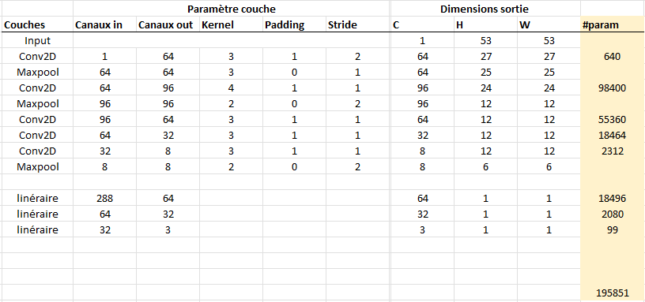
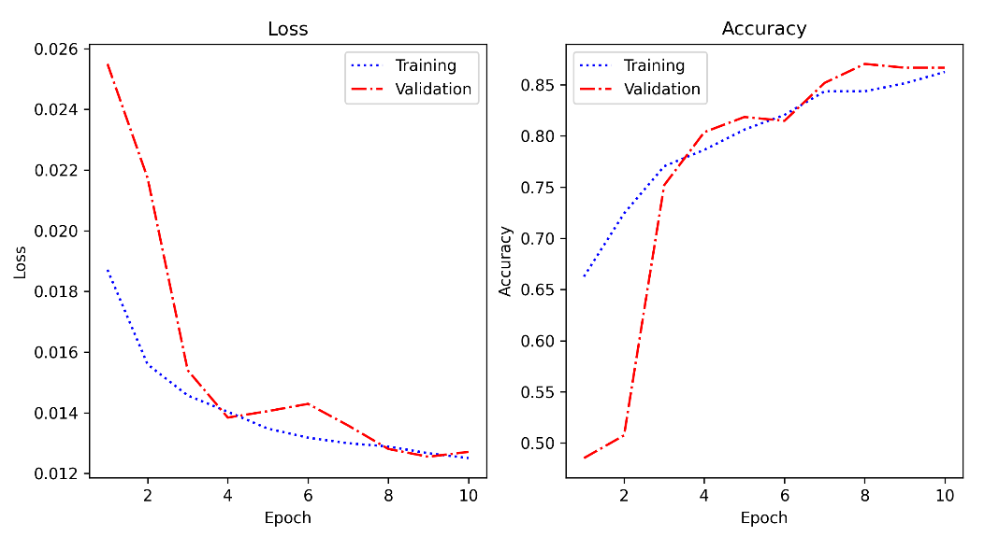
2 | 0.85 | 0.83 | 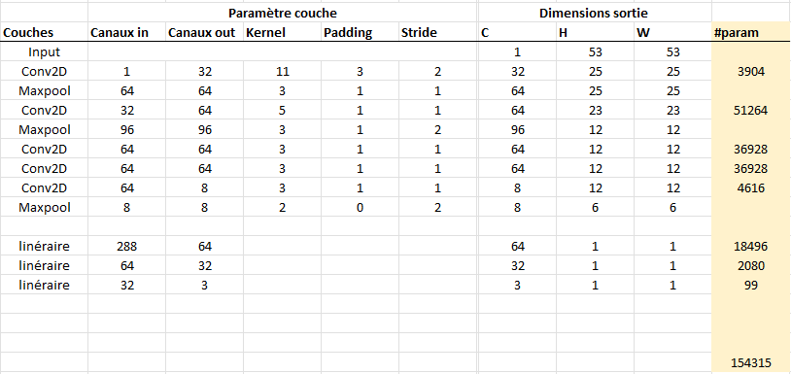 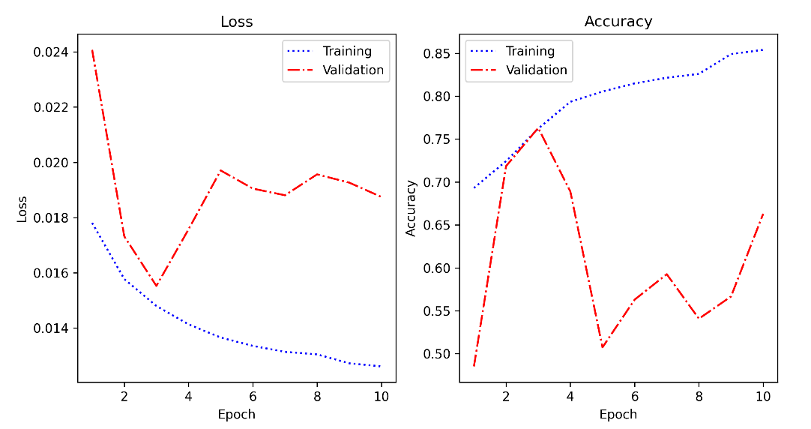
3 batch norm apres relu | 0.86 | 0.89
4 | 0.86 | 0.9 | 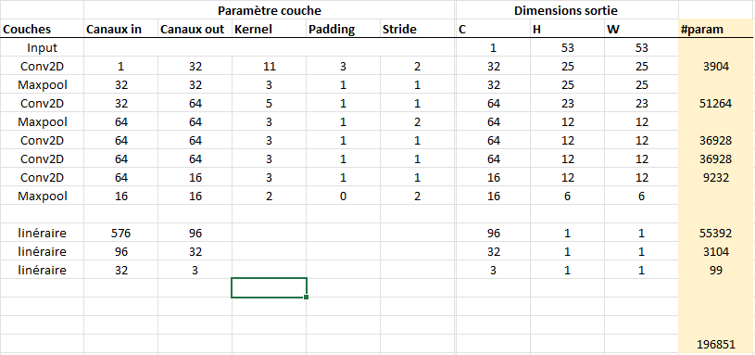
5 20 epoch | 0.91 | 0.92 |  | 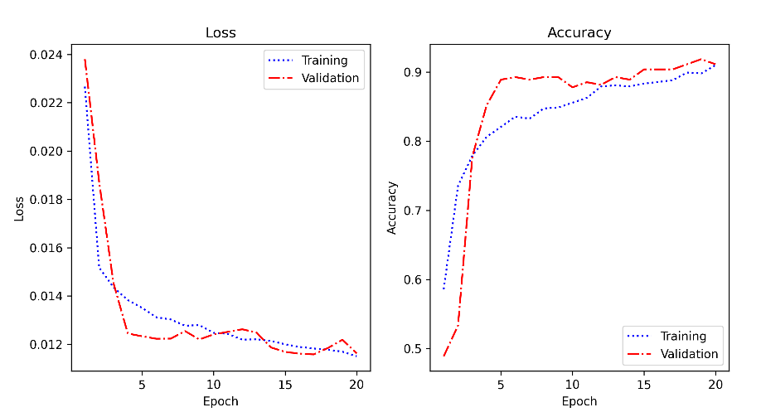
6 added dropout | 0.79 | 0.84 | dropout de 0,25 | 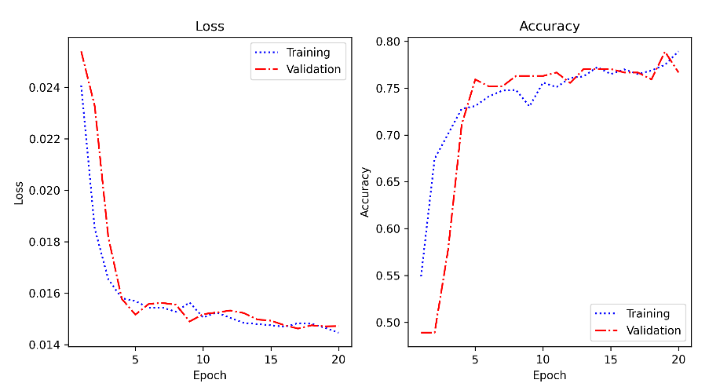
7 | 0.81 | 0.85 | dropout de 0.1 | 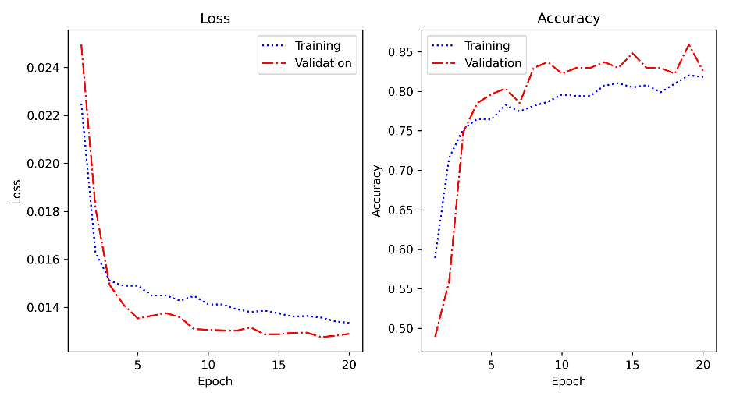
8 | 0.91 | 0.93 | dropout de 0 | 