Power Supply
CapBridge7803_240V
ID | Ref | Description | Qty | Cost/ea | MOQ | Cost total | Link
1 | C1, C3 | CAP 1u X2 | 2 | $0.28 | 10 | $0.57 | 1uF
2 | D1,D2,D3,D4 | Bridge rectifier | 1 | $0.06 | 10 |  | Bridge
2.1 | D1,D2,D3,D4 | Bridge rectifier | 1 | $0.03 | 100 | $0.03 | 100 Bridge
3 | D5 | Zener 6V2 1W | 1 | $0.05 | 50 | $0.05 | Zener
4 | C2, C4 | Cap 470u 16V | 2 | $0.05 | 20 | $0.11 | 470u
5 | U1 | Reg 3v3 | 1 | $0.03 | 100 | $0.03 | 3V3
6 | F1 | Polyfuse 0.5A 1206 | 1 | $0.05 | 50 |  | Polyfuse
6 | F1 | Fuse 0.5A 1206 | 1 | $0.04 | 50 | $0.04 | Fuse
7 | V1 | Varistor | 1 | $0.07 | 100 | $0.07 | Varistor
8 | R3 | Res 47R | 1 | $0.01 | 100 | $0.01 | 47R

 |  |  |  |  |  | $0.91

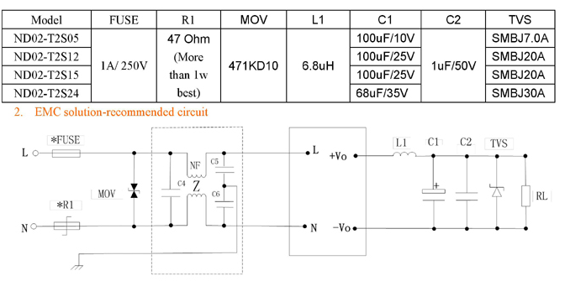

Integrated Rectifier - Replaces Diodes - Fixed 5V out
ID | Ref | Description | Qty | Cost/ea | MOQ | Cost total | Link
1 | U1 | Rectifier 5V 2W | 1 | 3.275 | 10 | 3.275 | Rectifier
2 | F1 | Fuse 0.5A 1206 | 1 | $0.04 | 50 | $0.04 | Fuse
3 | V1 | Varistor | 1 | $0.07 | 100 | $0.07 | Varistor
4 | C2, C4 | Cap 470u 16V | 2 | $0.05 | 20 | $0.11 | 470U
5 | D5 | Zener 6V2 1W | 1 | $0.05 | 50 | $0.05 | Zener
6 | C1, C3 | CAP 1u X2 | 2 | $0.28 | 10 | $0.57 | 1uF

 |  |  |  |  |  | $4.11

Transformer - Replaces C1, C3, R1, & R3
ID | Ref | Description | Qty | Cost/ea | MOQ | Cost total | Link
1 | U1 | Transformer 12V 5W | 1 | 23.46 | 1 |  | Transformer
1.1 | Ua | Transformer 6V 5VA | 1 | $6.84 | 1 | 6.84 | RS Transformer
2 | D1,D2,D3,D4 | Bridge rectifier | 1 | $0.06 | 10 |  | Bridge
2.1 | D1,D2,D3,D4 | Bridge rectifier | 1 | $0.03 | 100 | $0.03 | 100 Bridge
3 | D5 | Zener 6V2 1W | 1 | $0.05 | 50 | $0.05 | Zener
4 | C2, C4 | Cap 470u 16V | 2 | $0.05 | 20 | $0.11 | 470U
5 | U1 | Reg 3v3 | 1 | $0.03 | 100 | $0.03 | 3V3
6 | F1 | Polyfuse 0.5A 1206 | 1 | $0.05 | 50 |  | Polyfuse
6 | F1 | Fuse 0.5A 1206 | 1 | $0.04 | 50 | $0.04 | Fuse
7 | V1 | Varistor | 1 | $0.07 | 100 | $0.07 | Varistor

 |  |  |  |  |  | $7.17

