Sheet1
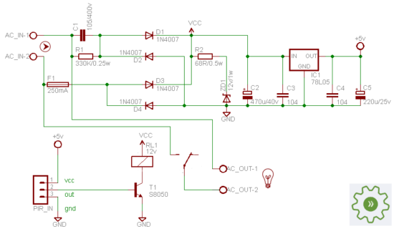
http://www.electroschematics.com/3752/transformer-less-power-supply/

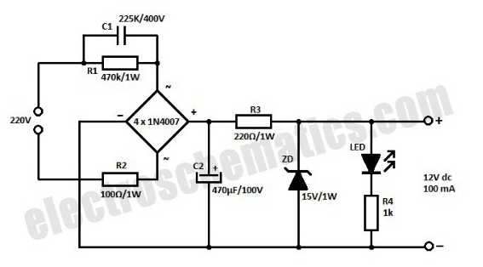

 | Notes: | Add input fuse
 |  | Add input varistor/MOV across L/N for transient protection
 |  |  | see http://ww1.microchip.com/downloads/en/AppNotes/00954A.pdf
 |  | Add output LM7803
 |  |  | see http://www.electroschematics.com/13172/elegant-bathroom-mirror-lights/

