Sheet1
 |  | data_cnt | ooc_cnt | WE_Rule | OOB_Rule | Material_no | group_name | chart_name | chart_ID | Characteristics | USL | LSL | UCL | LCL | Target | Cpk | Resolution | chart_path | weekly_chart_path
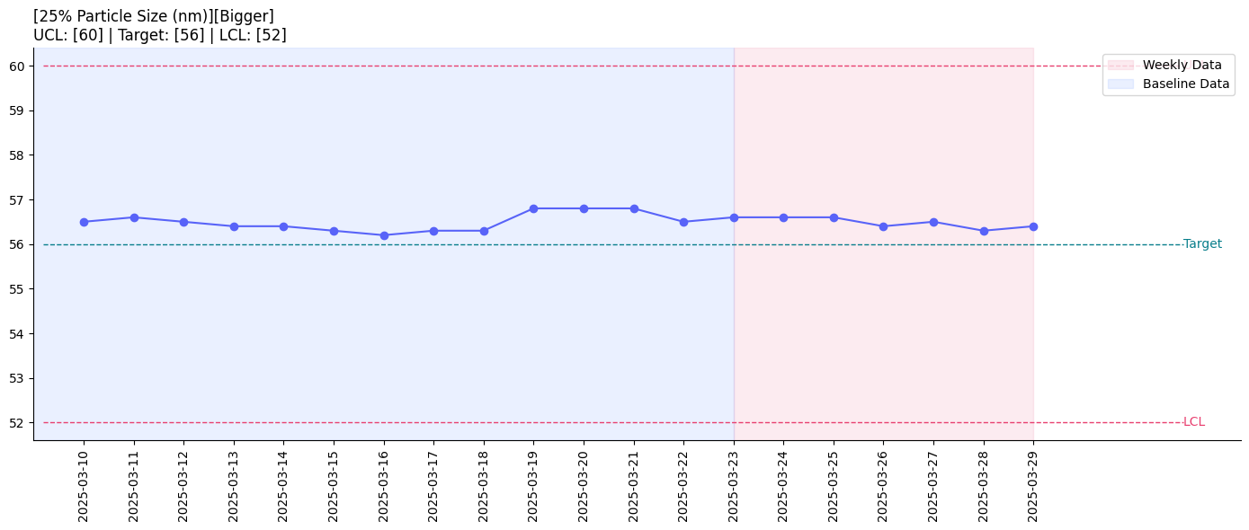 | 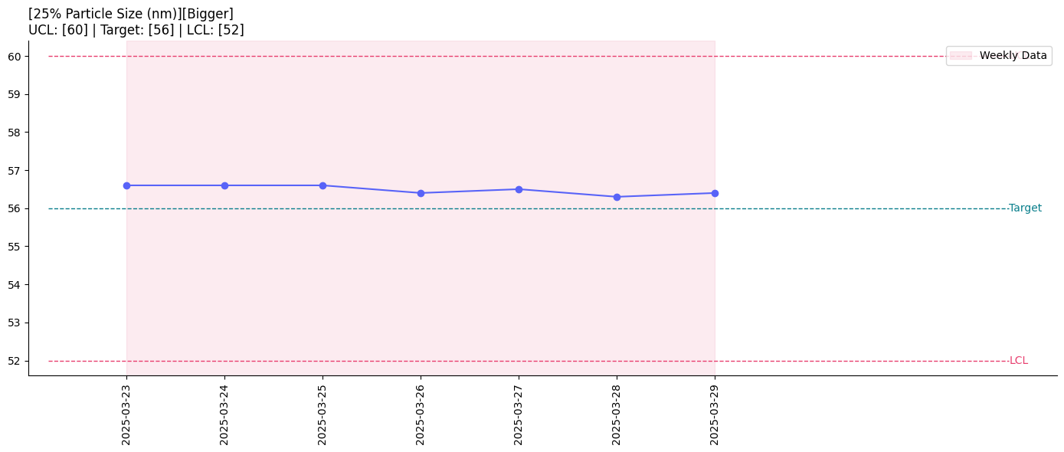 | 7 | 0 | N/A | N/A | 1 |  | 25% Particle Size (nm) | 1 | Bigger | 100 | 30 | 60 | 52 | 56 | 72.664 | 0 | output/SPC__25% Particle Size (nm).png | output/Weekly_SPC__25% Particle Size (nm).png
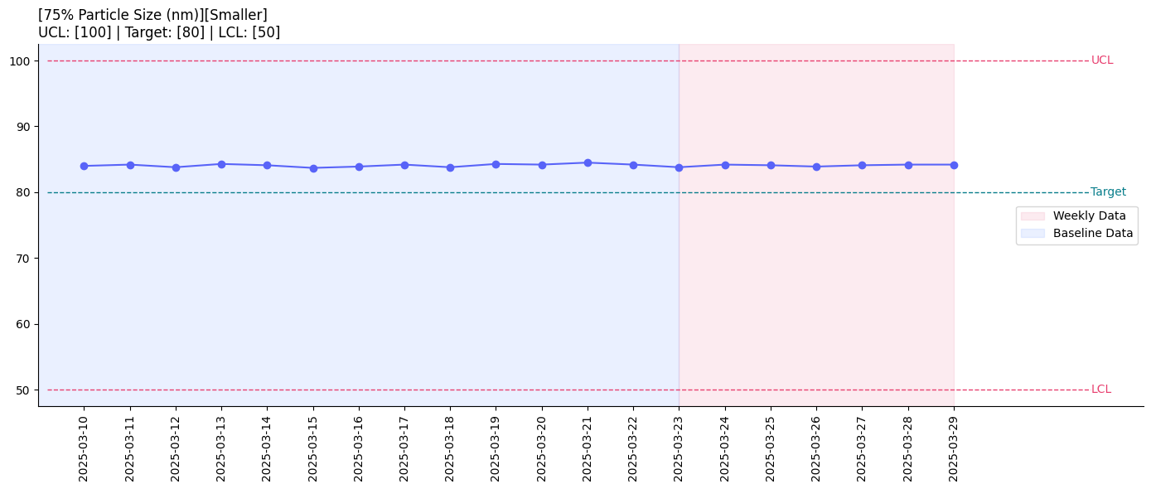 | 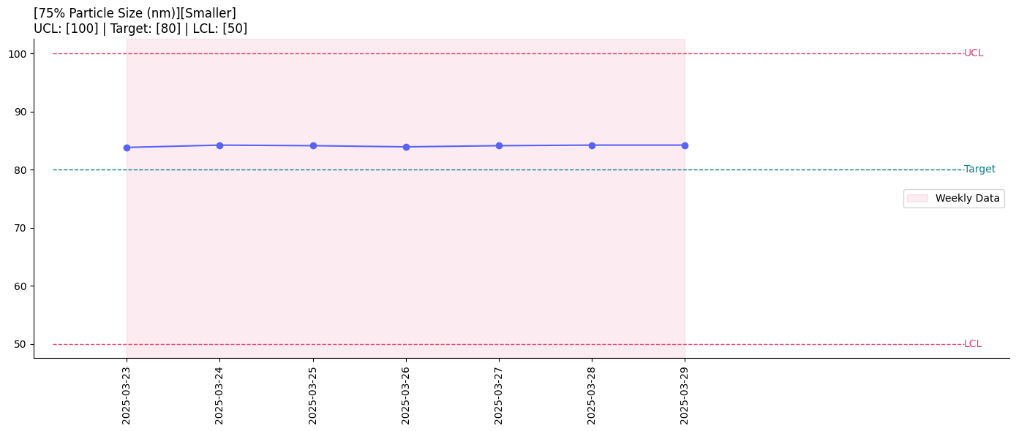 | 7 | 0 | N/A | N/A | 2 |  | 75% Particle Size (nm) | 2 | Smaller | 110 | 20 | 100 | 50 | 80 | 53.898 | 0.05 | output/SPC__75% Particle Size (nm).png | output/Weekly_SPC__75% Particle Size (nm).png
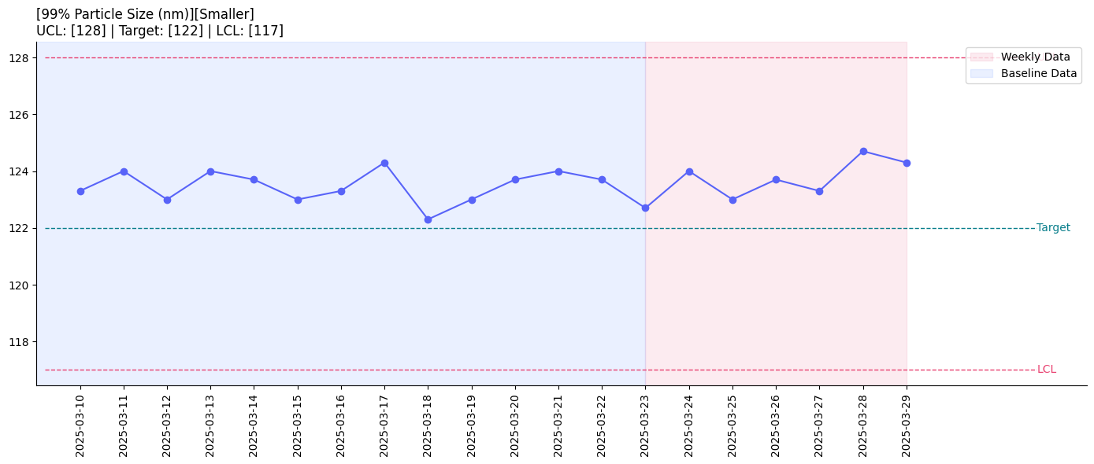 | 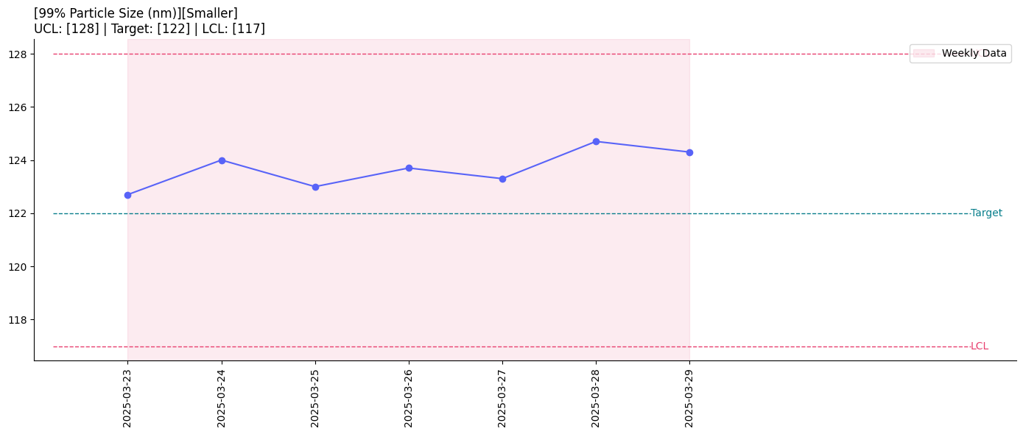 | 7 | 0 | N/A | N/A | 3 |  | 99% Particle Size (nm) | 3 | Smaller | 135 | 110 | 128 | 117 | 122 | 5.258 | 0.01 | output/SPC__99% Particle Size (nm).png | output/Weekly_SPC__99% Particle Size (nm).png

