Sheet1
 |  | data_cnt | ooc_cnt | WE_Rule | OOB_Rule | data_type | Material_no | group_name | chart_name | chart_ID | Characteristics | USL | LSL | UCL | LCL | Target | Cpk | Resolution | HL_record_high_low | record_high | record_low | chart_path | weekly_chart_path | qq_plot_path
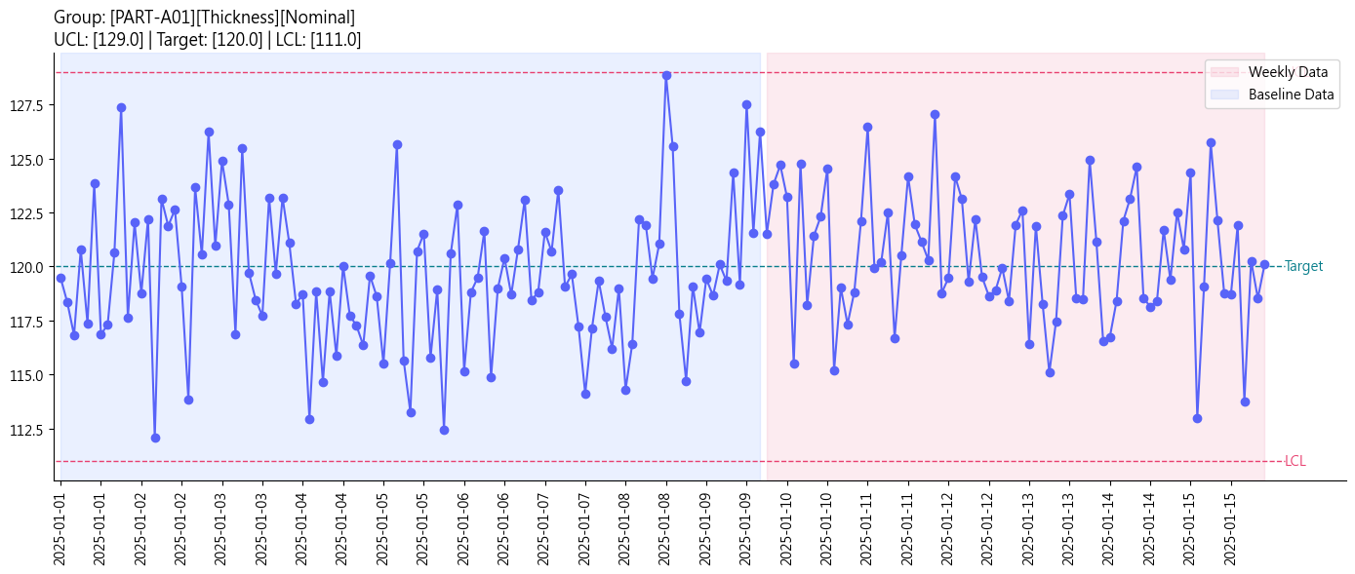 | 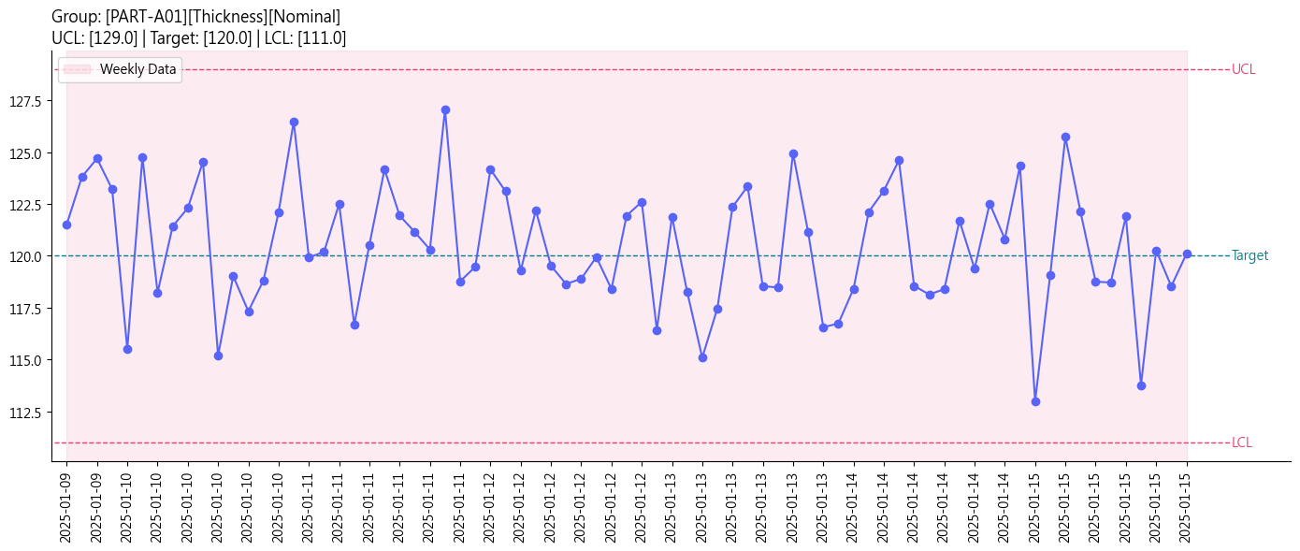 | 75 | 0 | N/A | N/A | continuous | MAT_VND_PART-A01_THI | PART-A01 | Thickness | VND001 | Nominal | 132 | 108 | 129 | 111 | 120 | 1.291 | 0.01 | N/A | FALSE | FALSE | C:\Users\hsa00\Downloads\OSAT_WEB_PROCESS\output\6b4f4eda-2d4a-45e3-8e9e-df261642f92f/SPC_PART-A01_Thickness.png | C:\Users\hsa00\Downloads\OSAT_WEB_PROCESS\output\6b4f4eda-2d4a-45e3-8e9e-df261642f92f/Weekly_SPC_PART-A01_Thickness.png | C:\Users\hsa00\Downloads\OSAT_WEB_PROCESS\output\6b4f4eda-2d4a-45e3-8e9e-df261642f92f/QQ_PART-A01_Thickness_qq_plot.png
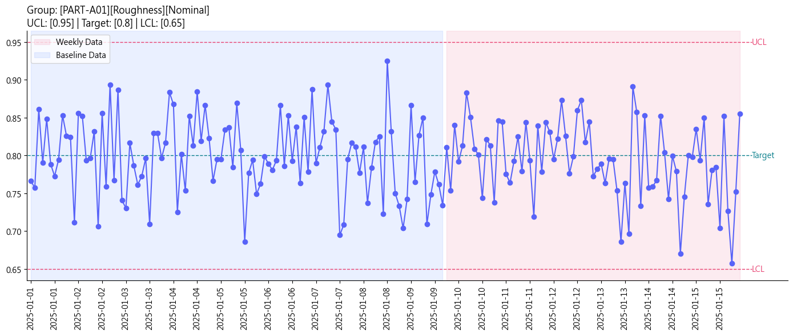 | 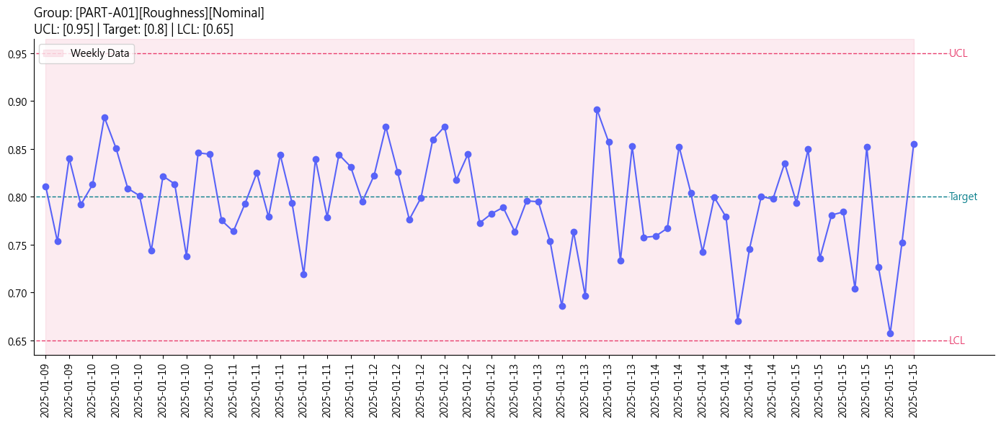 | 75 | 0 | N/A | HL_record_high_low | continuous | MAT_VND_PART-A01_ROU | PART-A01 | Roughness | VND002 | Nominal | 1 | 0.6 | 0.95 | 0.65 | 0.8 | 1.282 | 0.0001 | N/A | FALSE | TRUE | C:\Users\hsa00\Downloads\OSAT_WEB_PROCESS\output\6b4f4eda-2d4a-45e3-8e9e-df261642f92f/SPC_PART-A01_Roughness.png | C:\Users\hsa00\Downloads\OSAT_WEB_PROCESS\output\6b4f4eda-2d4a-45e3-8e9e-df261642f92f/Weekly_SPC_PART-A01_Roughness.png | C:\Users\hsa00\Downloads\OSAT_WEB_PROCESS\output\6b4f4eda-2d4a-45e3-8e9e-df261642f92f/QQ_PART-A01_Roughness_qq_plot.png
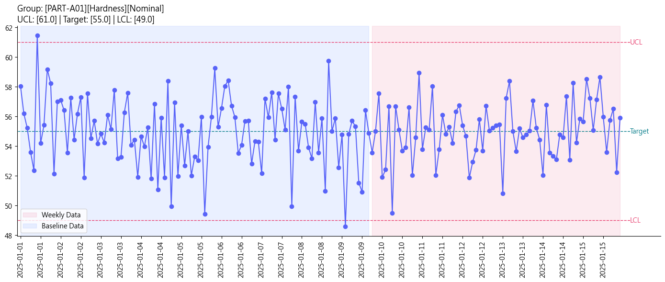 | 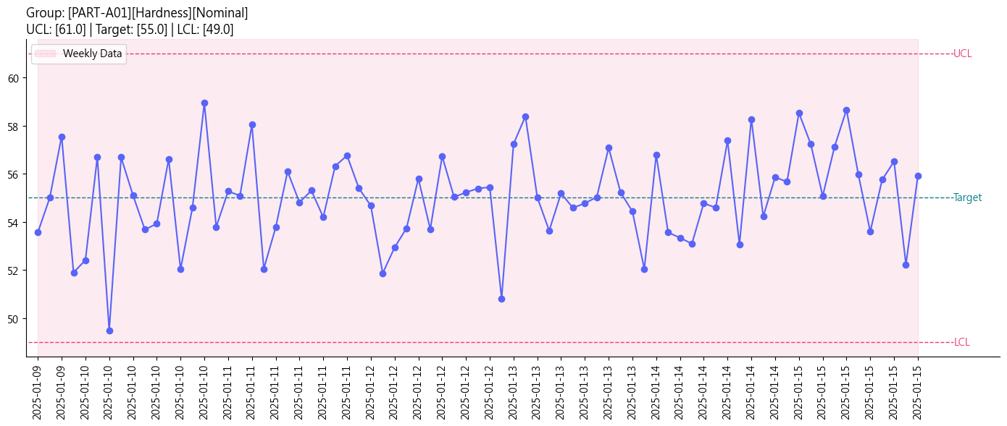 | 75 | 0 | N/A | N/A | continuous | MAT_VND_PART-A01_HAR | PART-A01 | Hardness | VND003 | Nominal | 63 | 47 | 61 | 49 | 55 | 1.385 | 0.01 | N/A | FALSE | FALSE | C:\Users\hsa00\Downloads\OSAT_WEB_PROCESS\output\6b4f4eda-2d4a-45e3-8e9e-df261642f92f/SPC_PART-A01_Hardness.png | C:\Users\hsa00\Downloads\OSAT_WEB_PROCESS\output\6b4f4eda-2d4a-45e3-8e9e-df261642f92f/Weekly_SPC_PART-A01_Hardness.png | C:\Users\hsa00\Downloads\OSAT_WEB_PROCESS\output\6b4f4eda-2d4a-45e3-8e9e-df261642f92f/QQ_PART-A01_Hardness_qq_plot.png
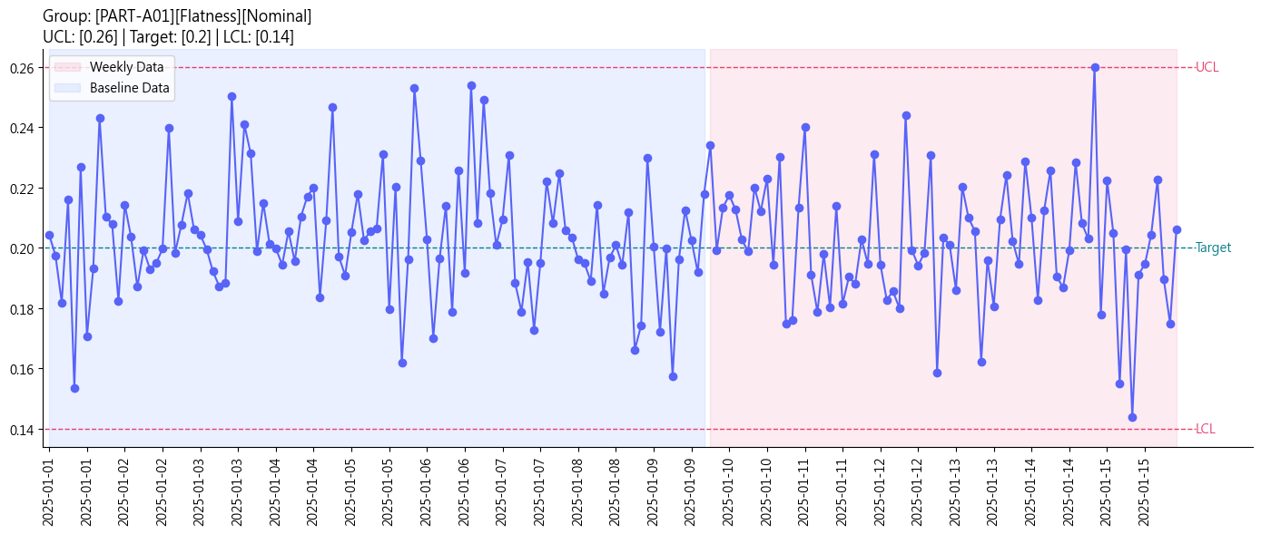 | 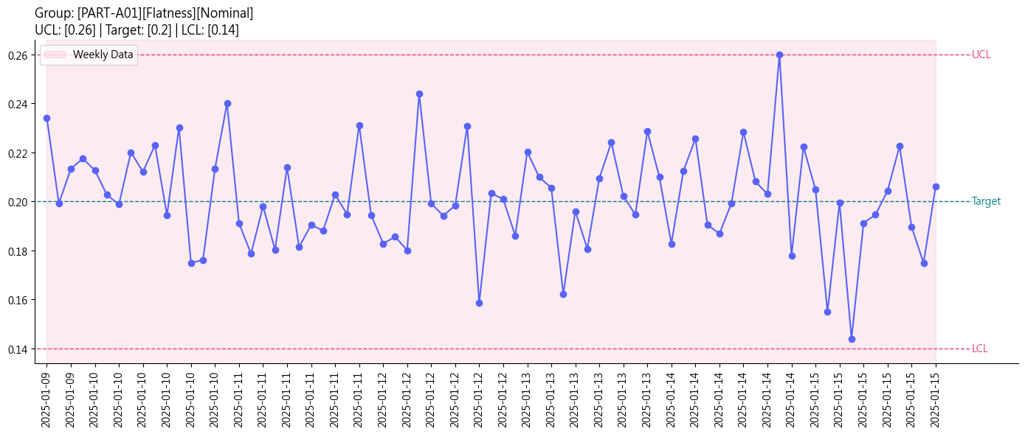 | 75 | 0 | N/A | HL_record_high_low | continuous | MAT_VND_PART-A01_FLA | PART-A01 | Flatness | VND004 | Nominal | 0.28 | 0.12 | 0.26 | 0.14 | 0.2 | 1.25 | 0.0001 | N/A | TRUE | TRUE | C:\Users\hsa00\Downloads\OSAT_WEB_PROCESS\output\6b4f4eda-2d4a-45e3-8e9e-df261642f92f/SPC_PART-A01_Flatness.png | C:\Users\hsa00\Downloads\OSAT_WEB_PROCESS\output\6b4f4eda-2d4a-45e3-8e9e-df261642f92f/Weekly_SPC_PART-A01_Flatness.png | C:\Users\hsa00\Downloads\OSAT_WEB_PROCESS\output\6b4f4eda-2d4a-45e3-8e9e-df261642f92f/QQ_PART-A01_Flatness_qq_plot.png
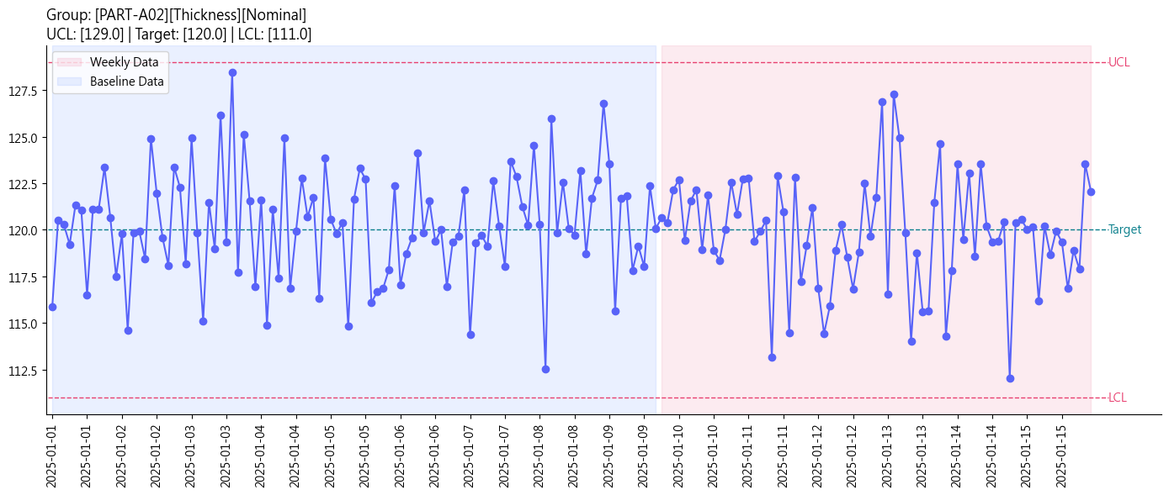 | 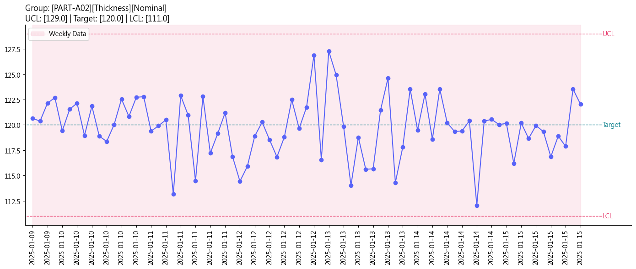 | 75 | 0 | N/A | HL_record_high_low | continuous | MAT_VND_PART-A02_THI | PART-A02 | Thickness | VND005 | Nominal | 132 | 108 | 129 | 111 | 120 | 1.318 | 0.01 | N/A | FALSE | TRUE | C:\Users\hsa00\Downloads\OSAT_WEB_PROCESS\output\6b4f4eda-2d4a-45e3-8e9e-df261642f92f/SPC_PART-A02_Thickness.png | C:\Users\hsa00\Downloads\OSAT_WEB_PROCESS\output\6b4f4eda-2d4a-45e3-8e9e-df261642f92f/Weekly_SPC_PART-A02_Thickness.png | C:\Users\hsa00\Downloads\OSAT_WEB_PROCESS\output\6b4f4eda-2d4a-45e3-8e9e-df261642f92f/QQ_PART-A02_Thickness_qq_plot.png
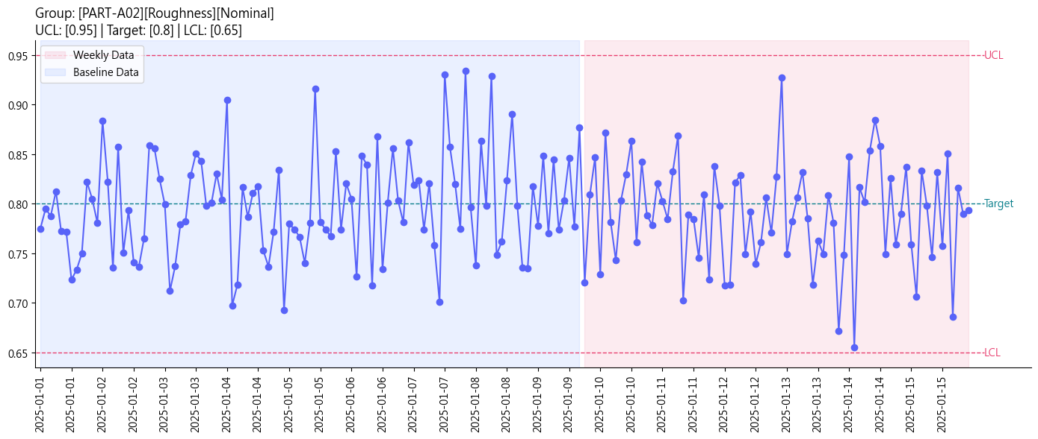 | 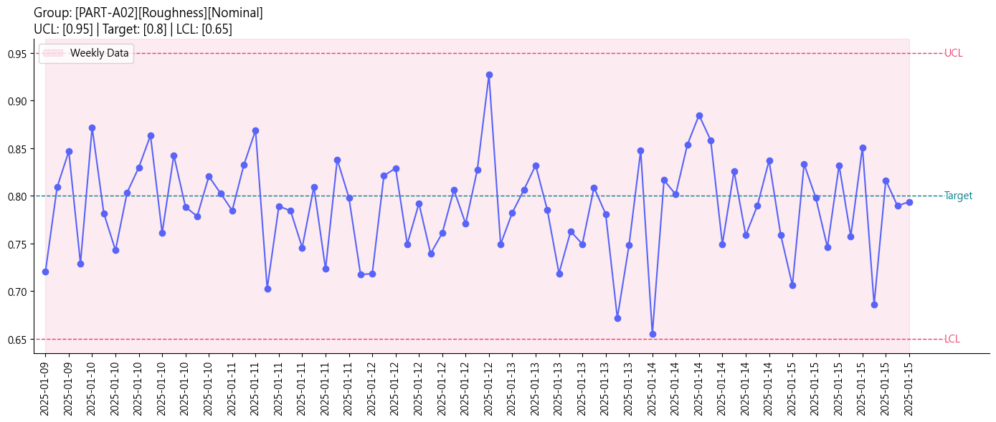 | 75 | 0 | N/A | HL_record_high_low | continuous | MAT_VND_PART-A02_ROU | PART-A02 | Roughness | VND006 | Nominal | 1 | 0.6 | 0.95 | 0.65 | 0.8 | 1.212 | 0.0001 | N/A | FALSE | TRUE | C:\Users\hsa00\Downloads\OSAT_WEB_PROCESS\output\6b4f4eda-2d4a-45e3-8e9e-df261642f92f/SPC_PART-A02_Roughness.png | C:\Users\hsa00\Downloads\OSAT_WEB_PROCESS\output\6b4f4eda-2d4a-45e3-8e9e-df261642f92f/Weekly_SPC_PART-A02_Roughness.png | C:\Users\hsa00\Downloads\OSAT_WEB_PROCESS\output\6b4f4eda-2d4a-45e3-8e9e-df261642f92f/QQ_PART-A02_Roughness_qq_plot.png
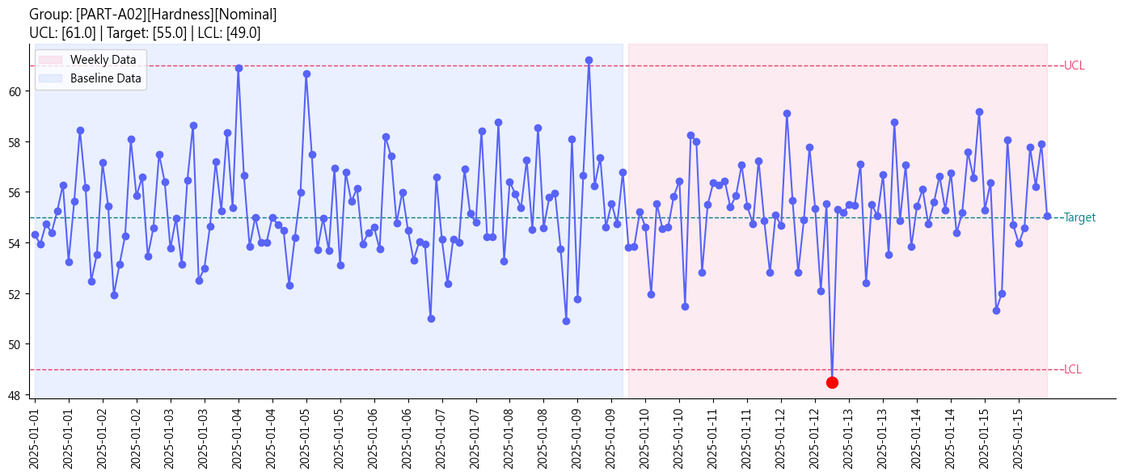 | 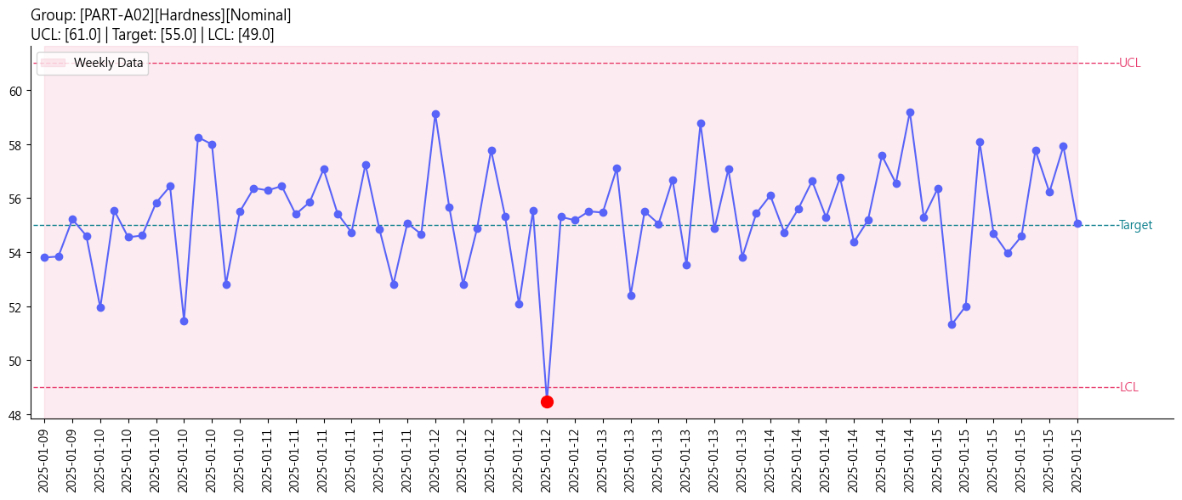 | 75 | 1 | WE5 | HL_record_high_low | continuous | MAT_VND_PART-A02_HAR | PART-A02 | Hardness | VND007 | Nominal | 63 | 47 | 61 | 49 | 55 | 1.337 | 0.01 | N/A | FALSE | TRUE | C:\Users\hsa00\Downloads\OSAT_WEB_PROCESS\output\6b4f4eda-2d4a-45e3-8e9e-df261642f92f/SPC_PART-A02_Hardness.png | C:\Users\hsa00\Downloads\OSAT_WEB_PROCESS\output\6b4f4eda-2d4a-45e3-8e9e-df261642f92f/Weekly_SPC_PART-A02_Hardness.png | C:\Users\hsa00\Downloads\OSAT_WEB_PROCESS\output\6b4f4eda-2d4a-45e3-8e9e-df261642f92f/QQ_PART-A02_Hardness_qq_plot.png
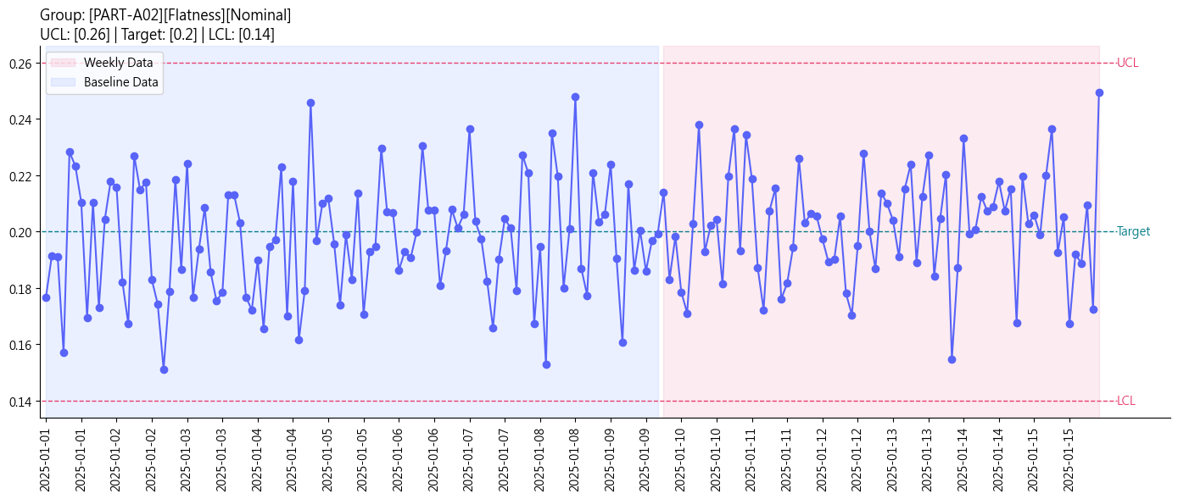 | 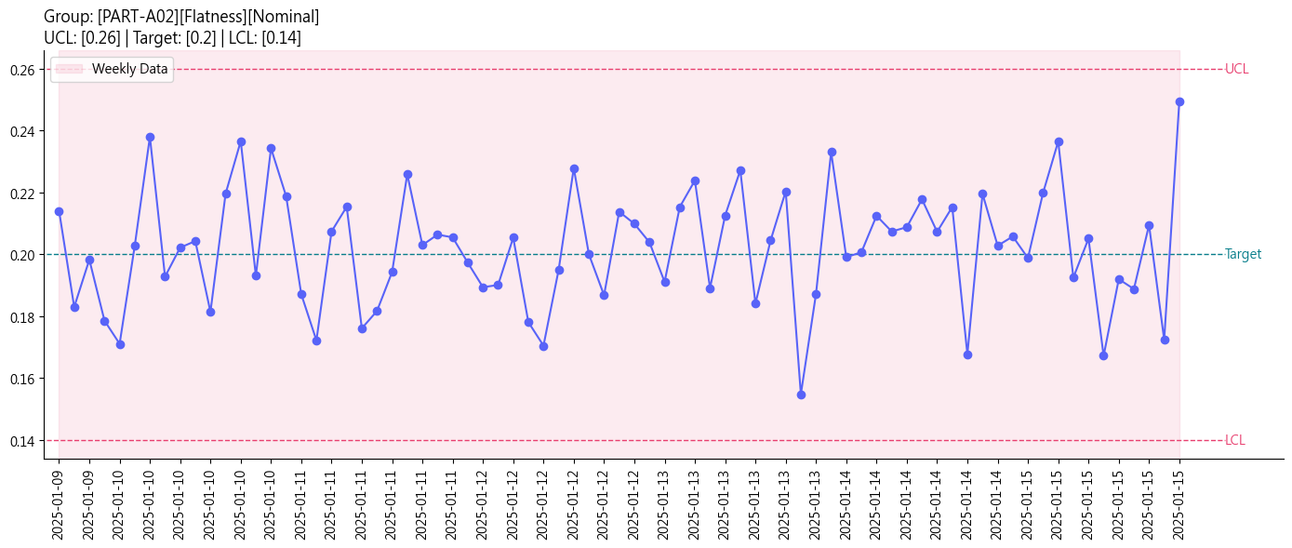 | 75 | 0 | N/A | HL_record_high_low | continuous | MAT_VND_PART-A02_FLA | PART-A02 | Flatness | VND008 | Nominal | 0.28 | 0.12 | 0.26 | 0.14 | 0.2 | 1.359 | 0.0001 | N/A | TRUE | FALSE | C:\Users\hsa00\Downloads\OSAT_WEB_PROCESS\output\6b4f4eda-2d4a-45e3-8e9e-df261642f92f/SPC_PART-A02_Flatness.png | C:\Users\hsa00\Downloads\OSAT_WEB_PROCESS\output\6b4f4eda-2d4a-45e3-8e9e-df261642f92f/Weekly_SPC_PART-A02_Flatness.png | C:\Users\hsa00\Downloads\OSAT_WEB_PROCESS\output\6b4f4eda-2d4a-45e3-8e9e-df261642f92f/QQ_PART-A02_Flatness_qq_plot.png
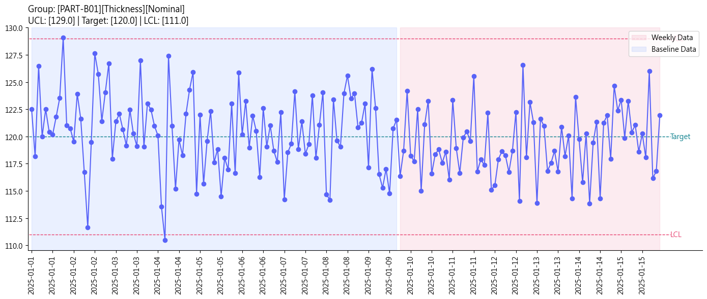 | 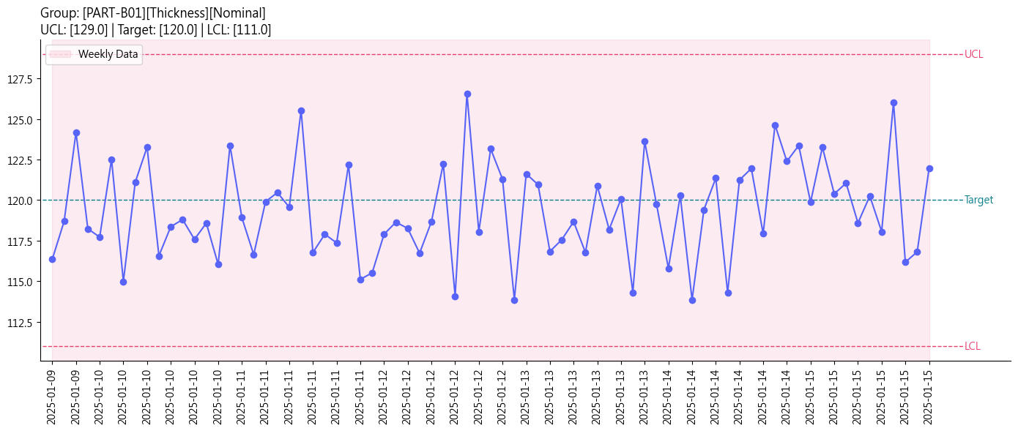 | 75 | 0 | N/A | N/A | continuous | MAT_VND_PART-B01_THI | PART-B01 | Thickness | VND009 | Nominal | 132 | 108 | 129 | 111 | 120 | 1.25 | 0.01 | N/A | FALSE | FALSE | C:\Users\hsa00\Downloads\OSAT_WEB_PROCESS\output\6b4f4eda-2d4a-45e3-8e9e-df261642f92f/SPC_PART-B01_Thickness.png | C:\Users\hsa00\Downloads\OSAT_WEB_PROCESS\output\6b4f4eda-2d4a-45e3-8e9e-df261642f92f/Weekly_SPC_PART-B01_Thickness.png | C:\Users\hsa00\Downloads\OSAT_WEB_PROCESS\output\6b4f4eda-2d4a-45e3-8e9e-df261642f92f/QQ_PART-B01_Thickness_qq_plot.png
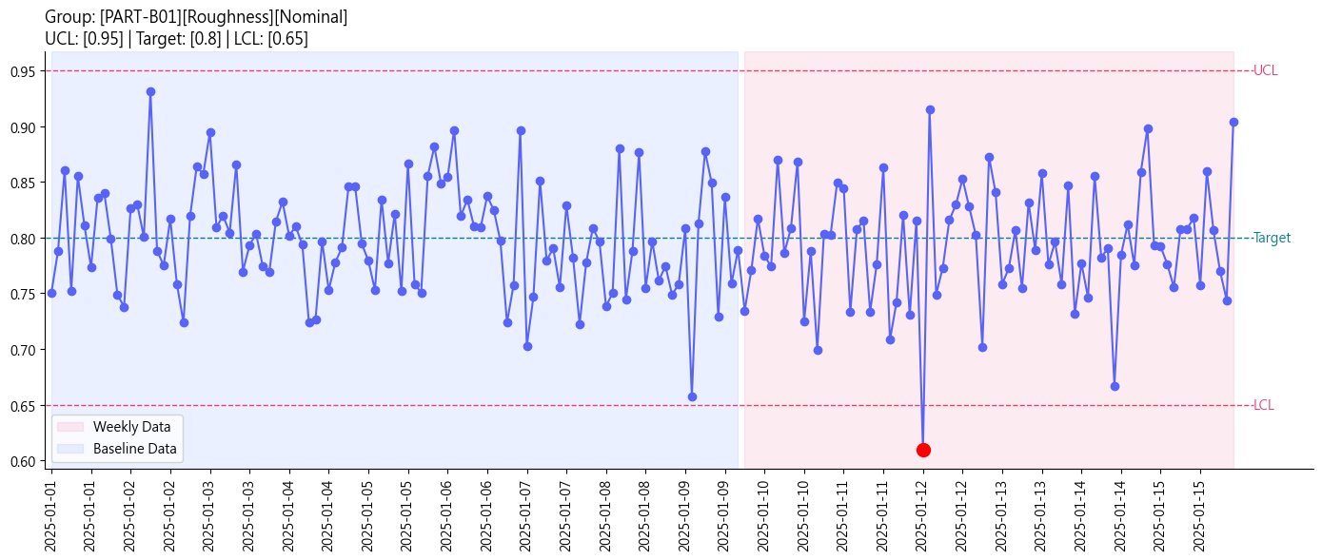 | 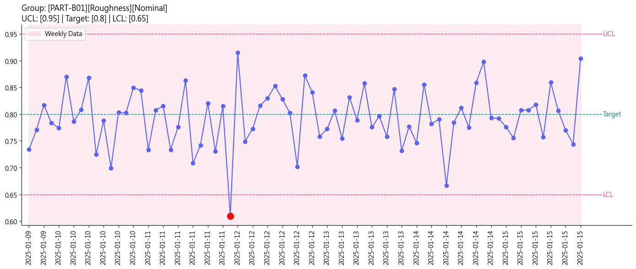 | 75 | 1 | WE5 | HL_record_high_low | continuous | MAT_VND_PART-B01_ROU | PART-B01 | Roughness | VND010 | Nominal | 1 | 0.6 | 0.95 | 0.65 | 0.8 | 1.186 | 0.0001 | N/A | FALSE | TRUE | C:\Users\hsa00\Downloads\OSAT_WEB_PROCESS\output\6b4f4eda-2d4a-45e3-8e9e-df261642f92f/SPC_PART-B01_Roughness.png | C:\Users\hsa00\Downloads\OSAT_WEB_PROCESS\output\6b4f4eda-2d4a-45e3-8e9e-df261642f92f/Weekly_SPC_PART-B01_Roughness.png | C:\Users\hsa00\Downloads\OSAT_WEB_PROCESS\output\6b4f4eda-2d4a-45e3-8e9e-df261642f92f/QQ_PART-B01_Roughness_qq_plot.png
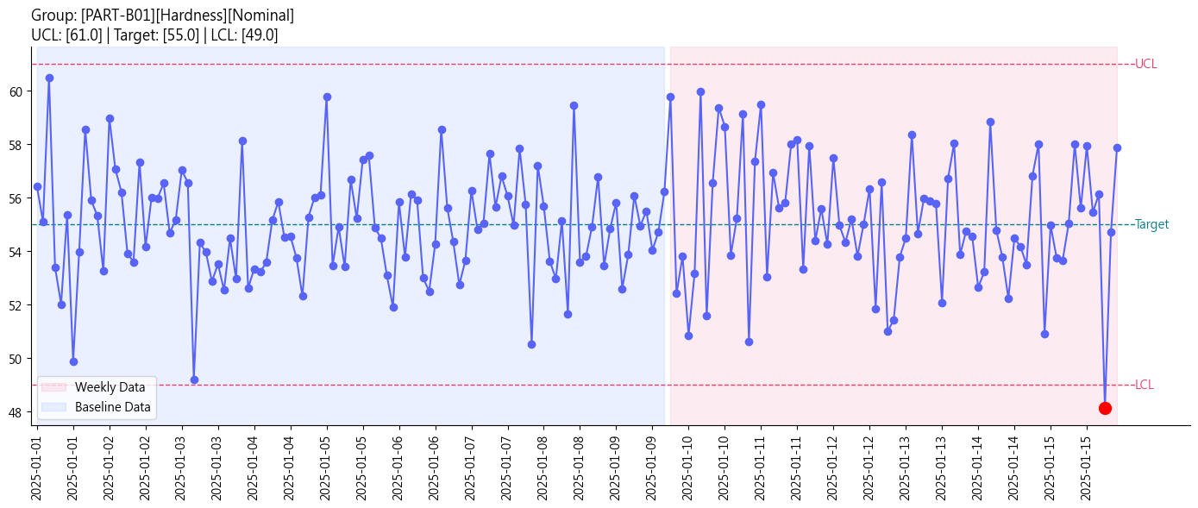 | 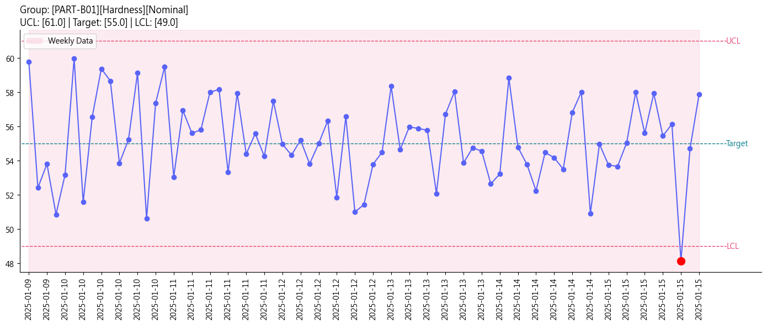 | 75 | 1 | WE5 | HL_record_high_low | continuous | MAT_VND_PART-B01_HAR | PART-B01 | Hardness | VND011 | Nominal | 63 | 47 | 61 | 49 | 55 | 1.054 | 0.01 | N/A | FALSE | TRUE | C:\Users\hsa00\Downloads\OSAT_WEB_PROCESS\output\6b4f4eda-2d4a-45e3-8e9e-df261642f92f/SPC_PART-B01_Hardness.png | C:\Users\hsa00\Downloads\OSAT_WEB_PROCESS\output\6b4f4eda-2d4a-45e3-8e9e-df261642f92f/Weekly_SPC_PART-B01_Hardness.png | C:\Users\hsa00\Downloads\OSAT_WEB_PROCESS\output\6b4f4eda-2d4a-45e3-8e9e-df261642f92f/QQ_PART-B01_Hardness_qq_plot.png
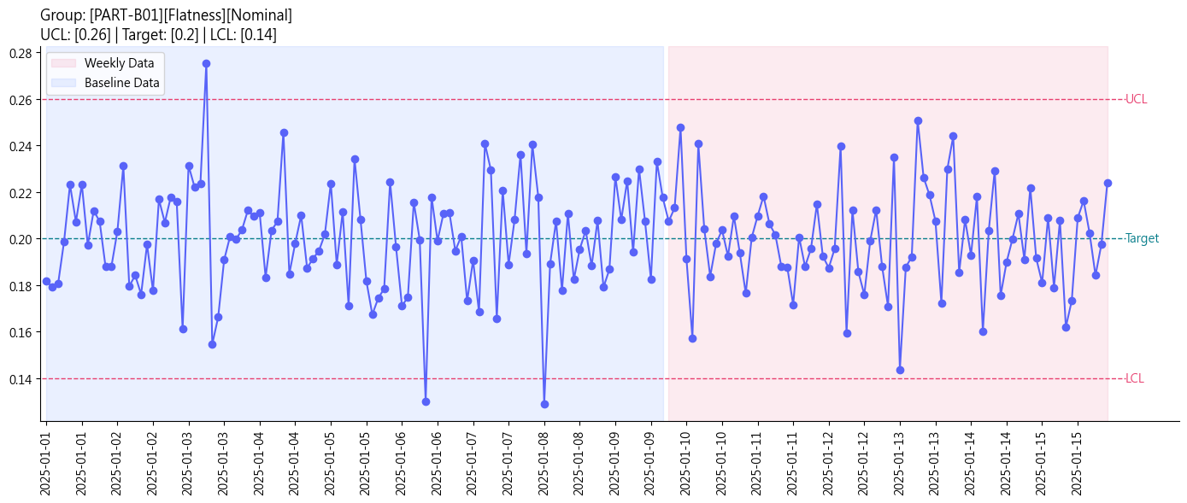 | 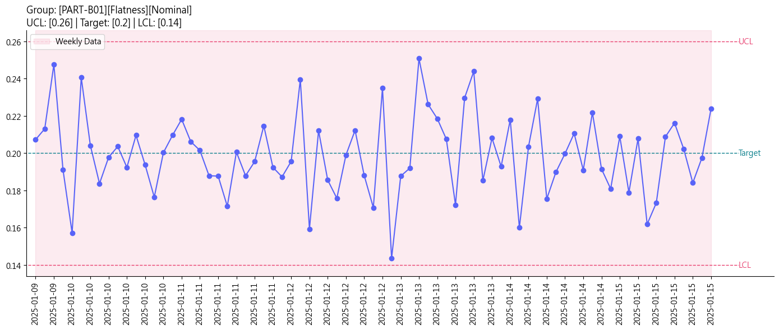 | 75 | 0 | N/A | N/A | continuous | MAT_VND_PART-B01_FLA | PART-B01 | Flatness | VND012 | Nominal | 0.28 | 0.12 | 0.26 | 0.14 | 0.2 | 1.21 | 0.0001 | N/A | FALSE | FALSE | C:\Users\hsa00\Downloads\OSAT_WEB_PROCESS\output\6b4f4eda-2d4a-45e3-8e9e-df261642f92f/SPC_PART-B01_Flatness.png | C:\Users\hsa00\Downloads\OSAT_WEB_PROCESS\output\6b4f4eda-2d4a-45e3-8e9e-df261642f92f/Weekly_SPC_PART-B01_Flatness.png | C:\Users\hsa00\Downloads\OSAT_WEB_PROCESS\output\6b4f4eda-2d4a-45e3-8e9e-df261642f92f/QQ_PART-B01_Flatness_qq_plot.png

