Sheet1
ChartImage | ChartKey | GroupName | ChartName | Characteristics | USL | LSL | Target | K | Cpk_Curr | Cpk_L1 | Cpk_L2 | Custom_Cpk | R1(%) | R2(%) | Mean_Curr | Sigma_CurrentMonth | Mean_LastMonth | Sigma_LastMonth | Mean_Last2Month | Sigma_Last2Month | Mean_All | Sigma_All
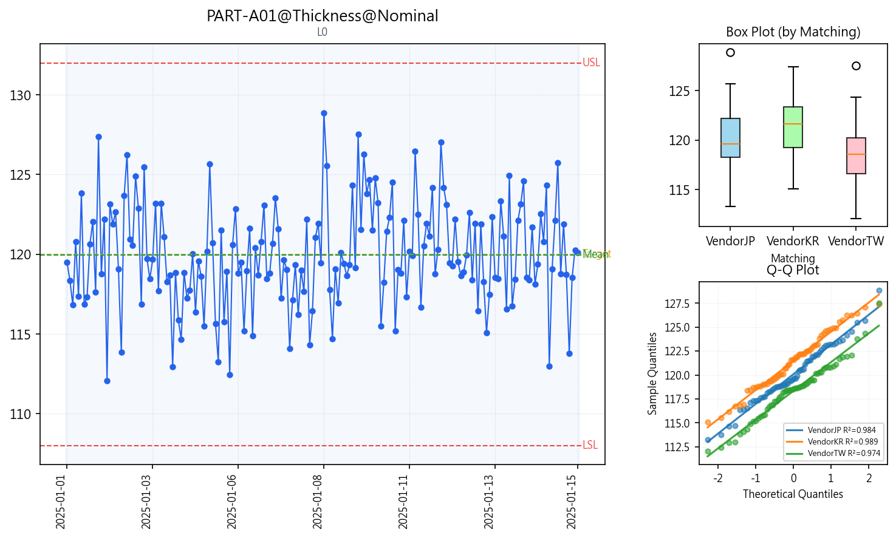 | PART-A01@Thickness@Nominal | PART-A01 | Thickness | Nominal | 132 | 108 | 120 | 0.004 | 1.225 |  |  | 1.225 |  |  | 119.95437556 | 3.253459427 |  |  |  |  | 119.95437556 | 3.253459427
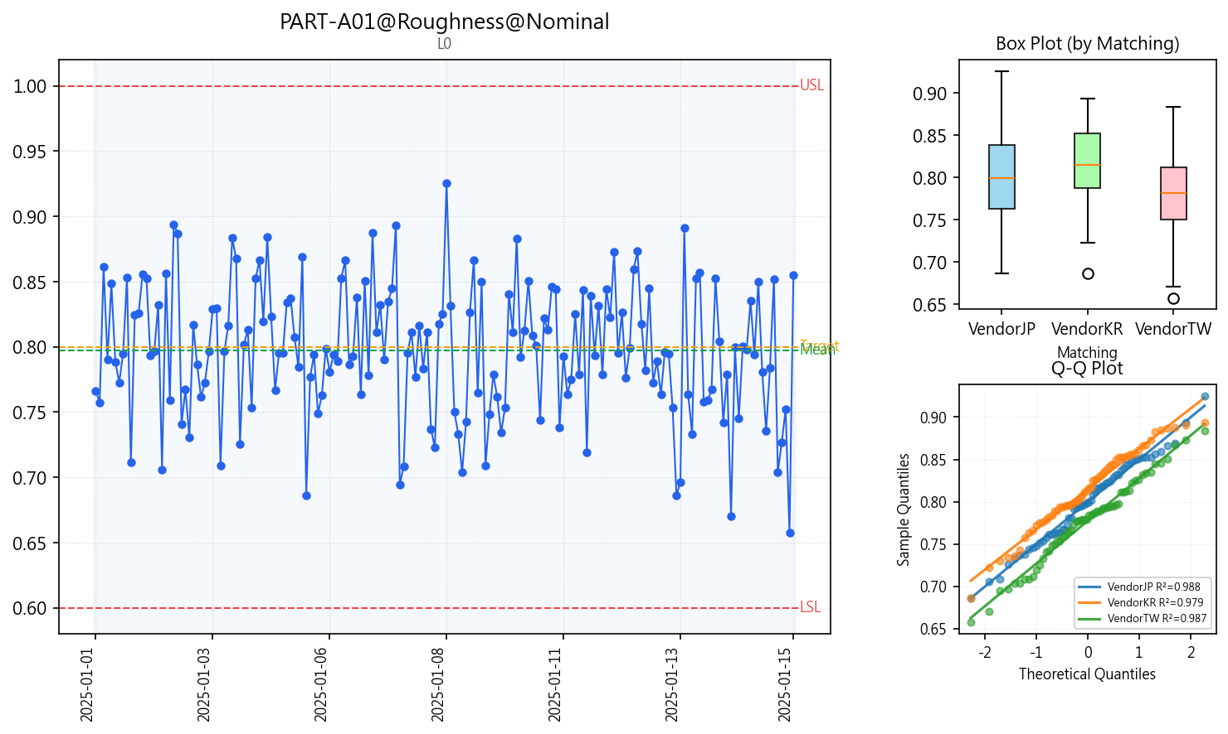 | PART-A01@Roughness@Nominal | PART-A01 | Roughness | Nominal | 1 | 0.6 | 0.8 | 0.014 | 1.297 |  |  | 1.297 |  |  | 0.79727444444 | 0.050719605062 |  |  |  |  | 0.79727444444 | 0.050719605062
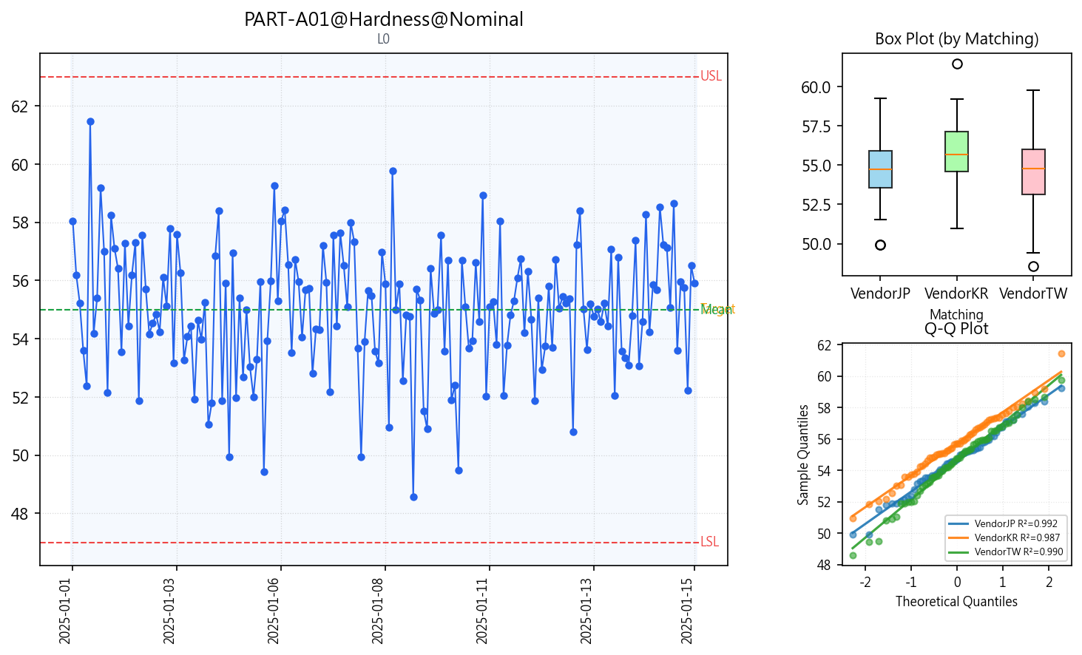 | PART-A01@Hardness@Nominal | PART-A01 | Hardness | Nominal | 63 | 47 | 55 | 0.002 | 1.219 |  |  | 1.219 |  |  | 54.983191667 | 2.1833027813 |  |  |  |  | 54.983191667 | 2.1833027813
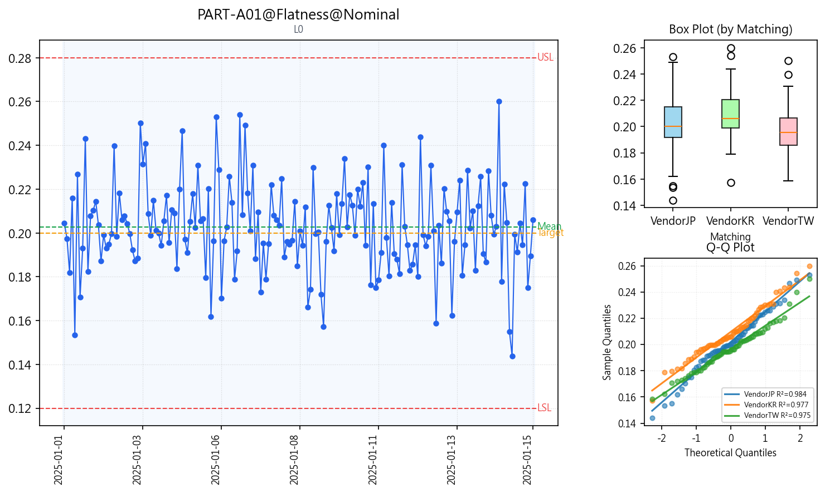 | PART-A01@Flatness@Nominal | PART-A01 | Flatness | Nominal | 0.28 | 0.12 | 0.2 | 0.034 | 1.254 |  |  | 1.254 |  |  | 0.20275555556 | 0.020537313697 |  |  |  |  | 0.20275555556 | 0.020537313697
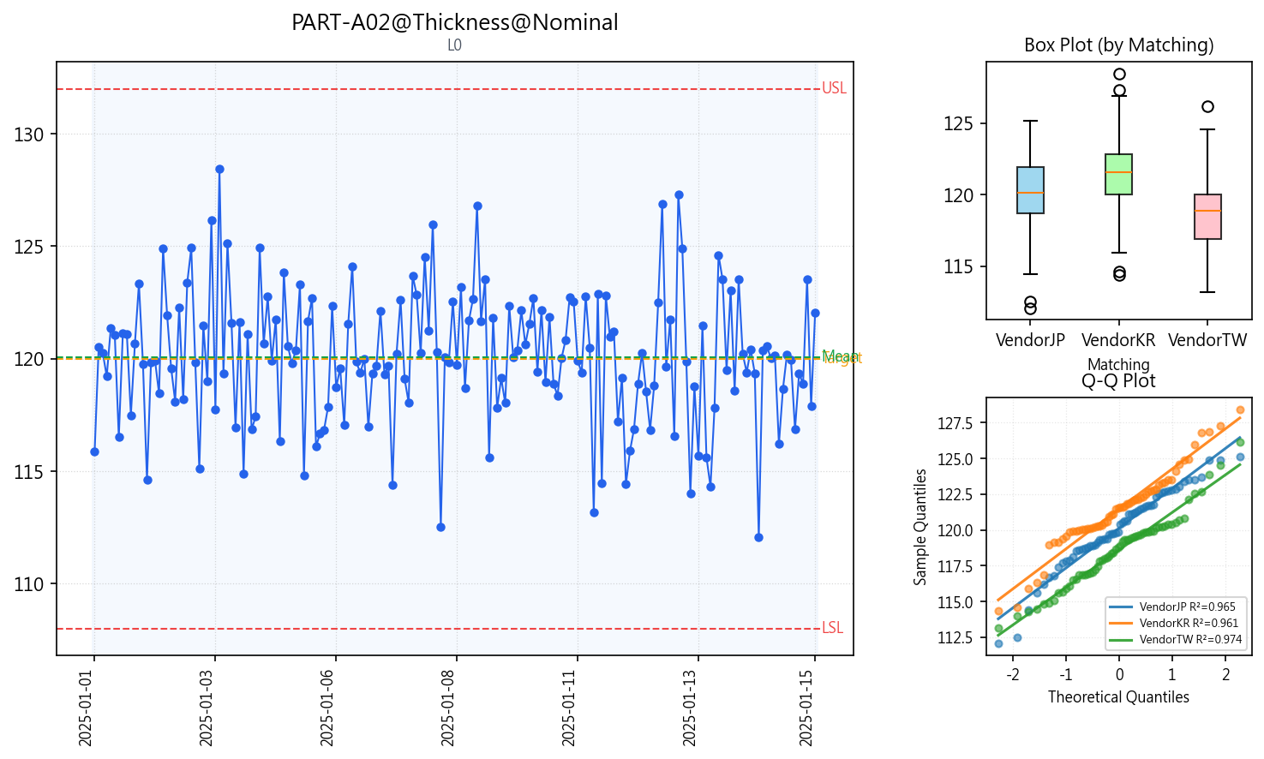 | PART-A02@Thickness@Nominal | PART-A02 | Thickness | Nominal | 132 | 108 | 120 | 0.006 | 1.348 |  |  | 1.348 |  |  | 120.06912333 | 2.9491829033 |  |  |  |  | 120.06912333 | 2.9491829033
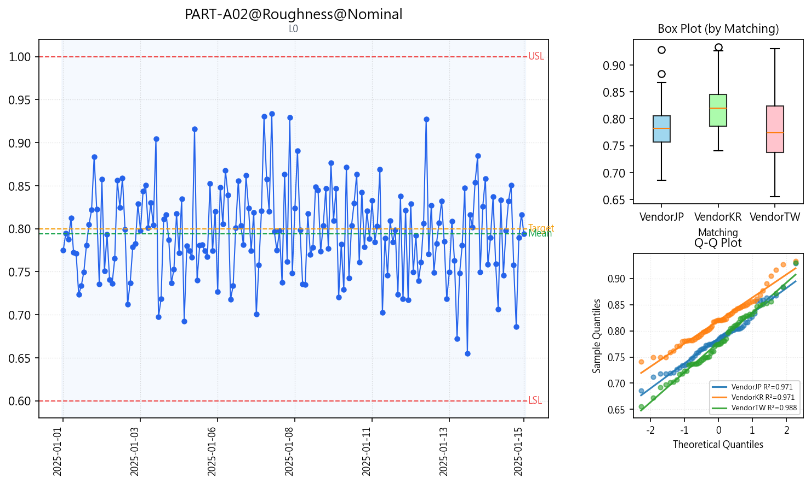 | PART-A02@Roughness@Nominal | PART-A02 | Roughness | Nominal | 1 | 0.6 | 0.8 | 0.029 | 1.235 |  |  | 1.235 |  |  | 0.79428666667 | 0.052425491049 |  |  |  |  | 0.79428666667 | 0.052425491049
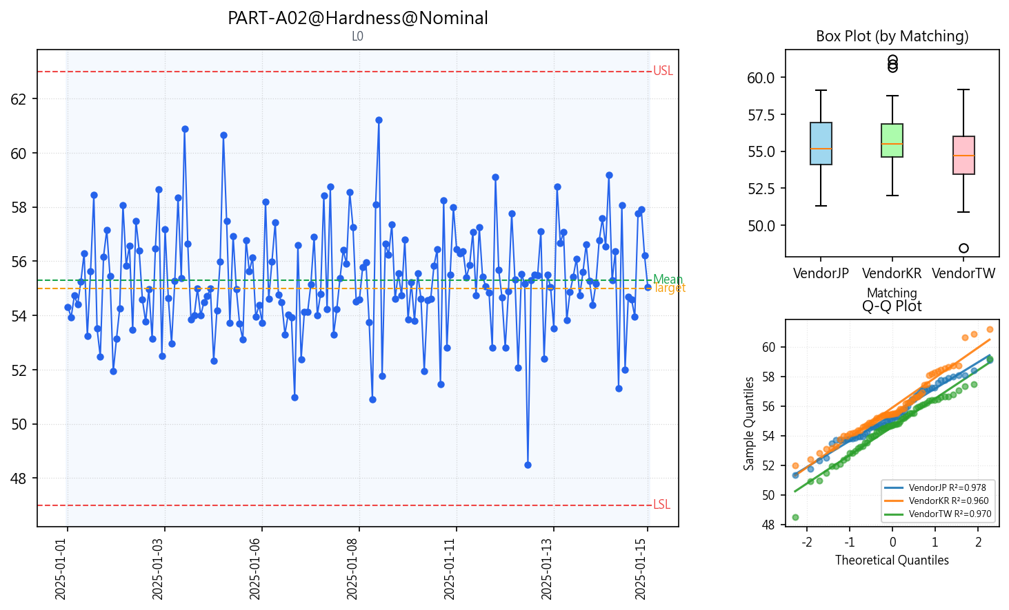 | PART-A02@Hardness@Nominal | PART-A02 | Hardness | Nominal | 63 | 47 | 55 | 0.037 | 1.313 |  |  | 1.313 |  |  | 55.298586111 | 1.9548819133 |  |  |  |  | 55.298586111 | 1.9548819133
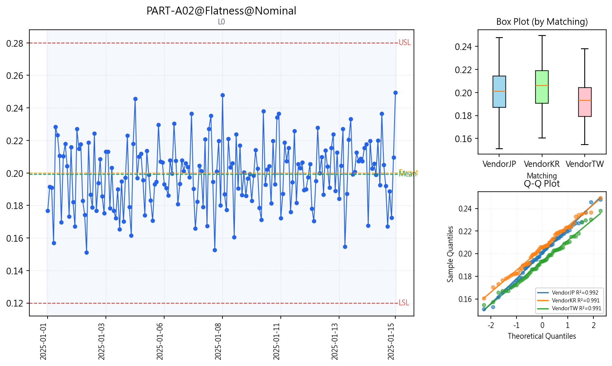 | PART-A02@Flatness@Nominal | PART-A02 | Flatness | Nominal | 0.28 | 0.12 | 0.2 | 0.011 | 1.304 |  |  | 1.304 |  |  | 0.19912111111 | 0.02022962314 |  |  |  |  | 0.19912111111 | 0.02022962314
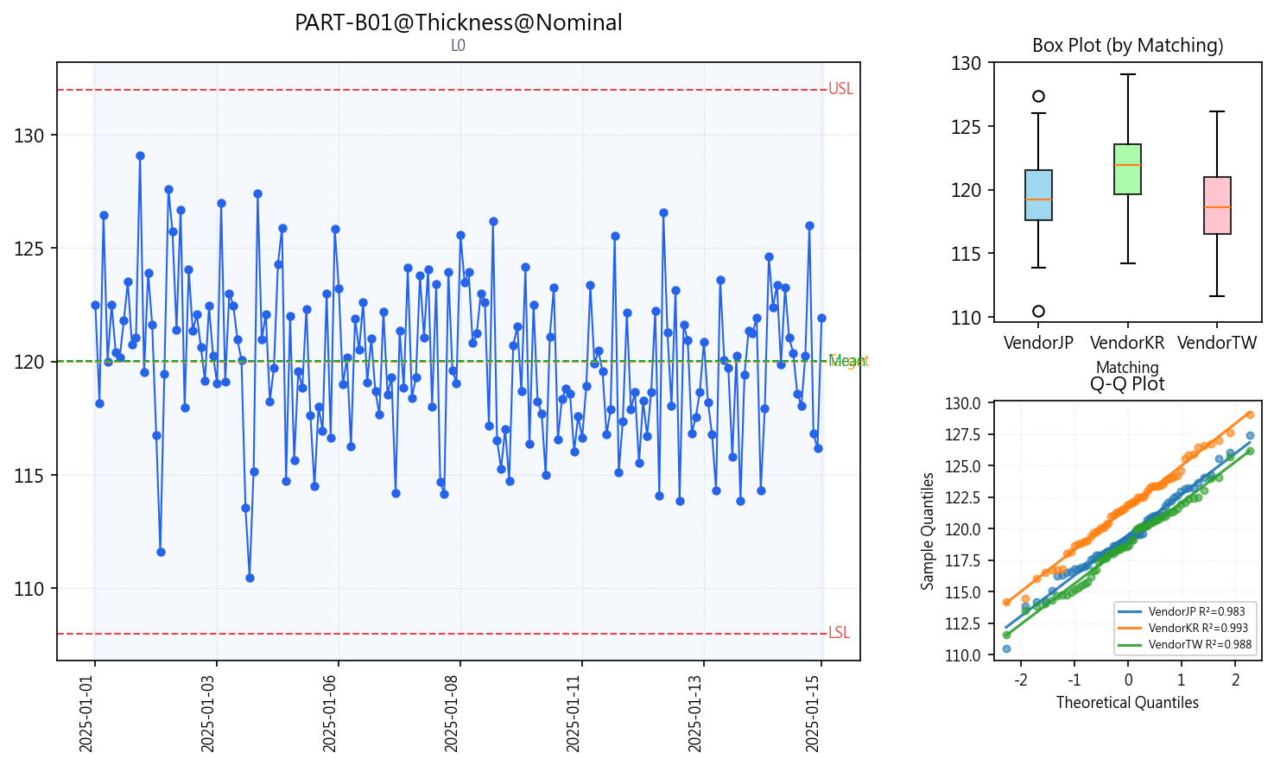 | PART-B01@Thickness@Nominal | PART-B01 | Thickness | Nominal | 132 | 108 | 120 | 0.001 | 1.175 |  |  | 1.175 |  |  | 120.00842111 | 3.40243751 |  |  |  |  | 120.00842111 | 3.40243751
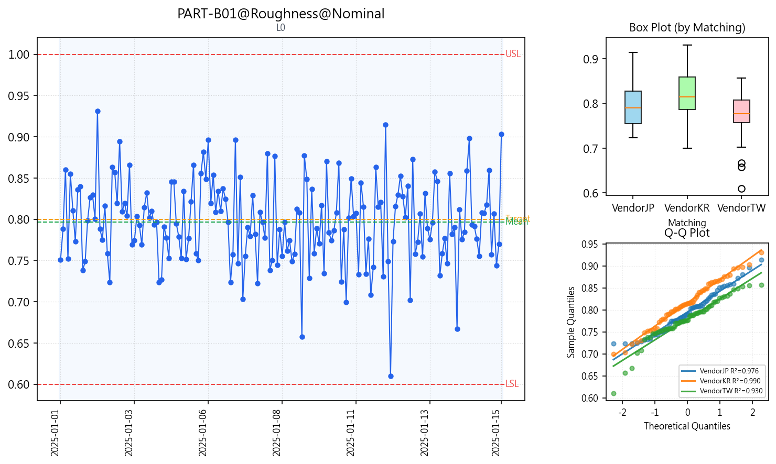 | PART-B01@Roughness@Nominal | PART-B01 | Roughness | Nominal | 1 | 0.6 | 0.8 | 0.017 | 1.286 |  |  | 1.286 |  |  | 0.79661388889 | 0.050968669053 |  |  |  |  | 0.79661388889 | 0.050968669053
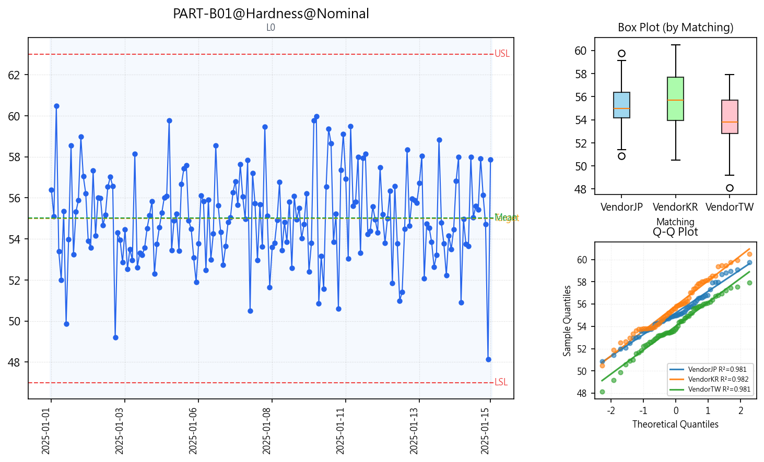 | PART-B01@Hardness@Nominal | PART-B01 | Hardness | Nominal | 63 | 47 | 55 | 0.002 | 1.204 |  |  | 1.204 |  |  | 55.017868889 | 2.2094460473 |  |  |  |  | 55.017868889 | 2.2094460473
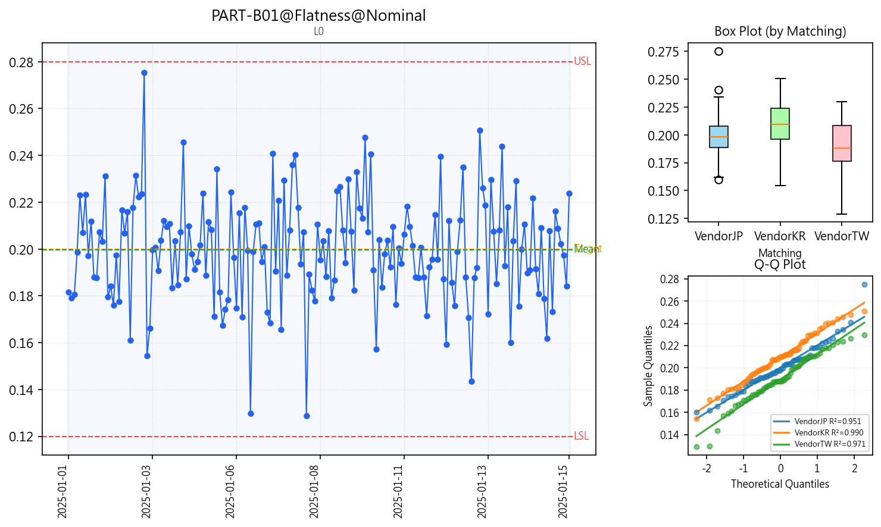 | PART-B01@Flatness@Nominal | PART-B01 | Flatness | Nominal | 0.28 | 0.12 | 0.2 | 0.004 | 1.176 |  |  | 1.176 |  |  | 0.19969111111 | 0.022593525767 |  |  |  |  | 0.19969111111 | 0.022593525767

