Sheet1
 |  | data_cnt | ooc_cnt | WE_Rule | OOB_Rule | Material_no | group_name | chart_name | chart_ID | Characteristics | USL | LSL | UCL | LCL | Target | Cpk | Resolution | chart_path | weekly_chart_path
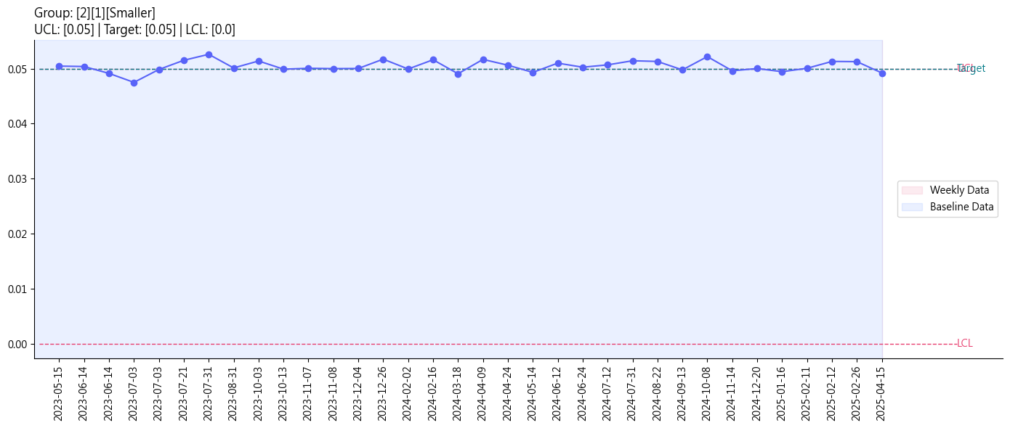 |  | 1 | 0 | N/A | N/A | L1481509 | 2 | 1 | N2001 | Smaller | 0.06 | 0 | 0.05 | 0 | 0.05 | N/A | 0.05 | output/SPC_2_1.png | output/Weekly_SPC_2_1.png
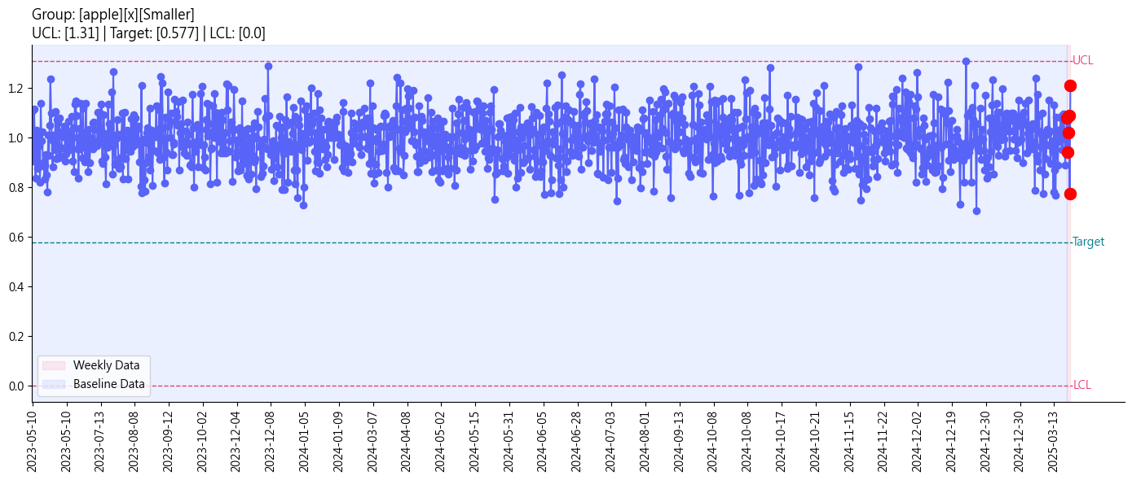 | 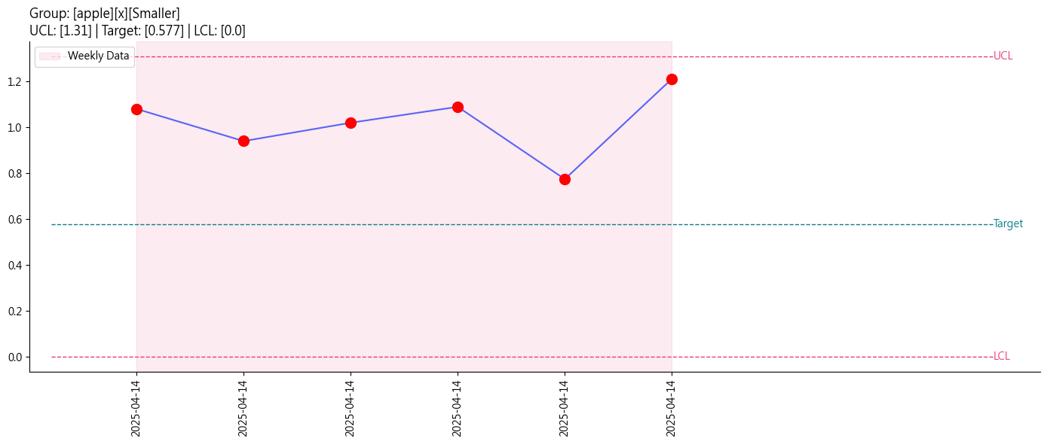 | 6 | 0 | WE3, WE4 | N/A | V180812A1 | apple | x | N773212 | Smaller | 3 | 0 | 1.31 | 0 | 0.577 | 4.411 | 0.01 | output/SPC_apple_x.png | output/Weekly_SPC_apple_x.png
 |  | 1 | 0 | N/A | N/A | L1481509 | 2 | 1 | N2001 | Smaller | 0.06 | 0 | 0.05 | 0 | 0.05 | N/A | 0.05 | output/SPC_2_1.png | output/Weekly_SPC_2_1.png
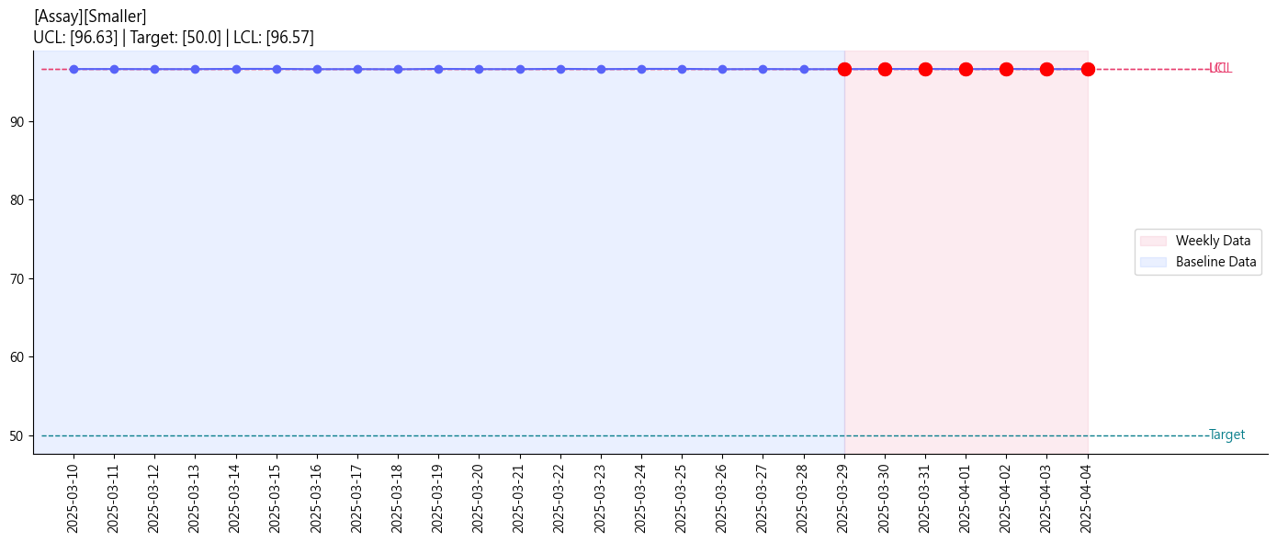 | 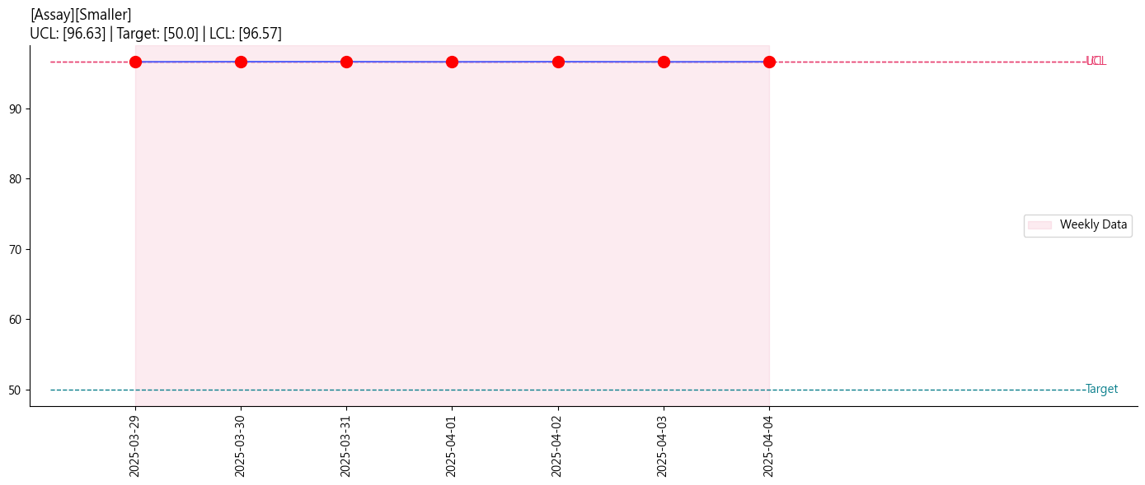 | 7 | 0 | WE3, WE4 | N/A | V180812A2 |  | Assay | N773212 | Smaller | 100 | 0 | 96.63 | 96.57 | 50 | 113.333 | 0.05 | output/SPC__Assay.png | output/Weekly_SPC__Assay.png
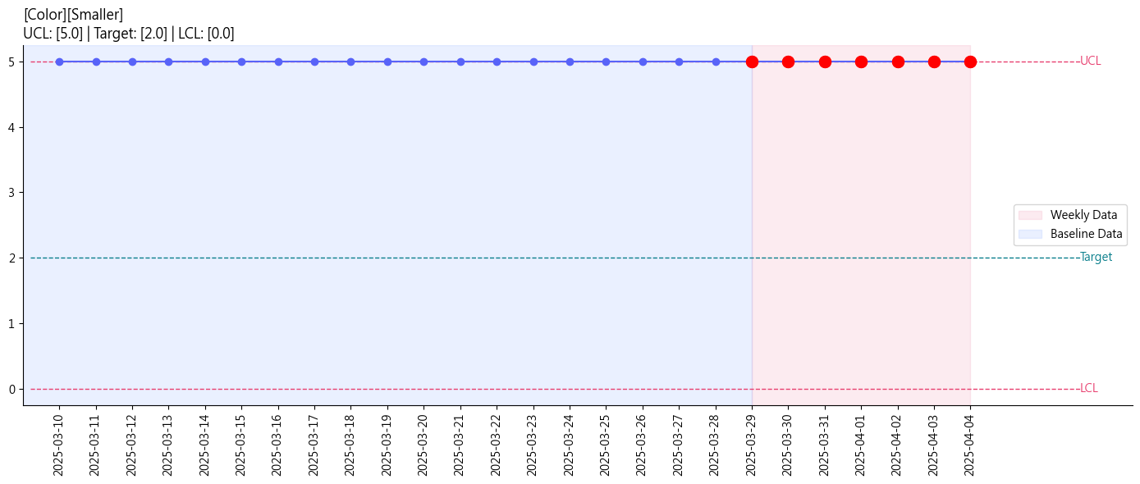 | 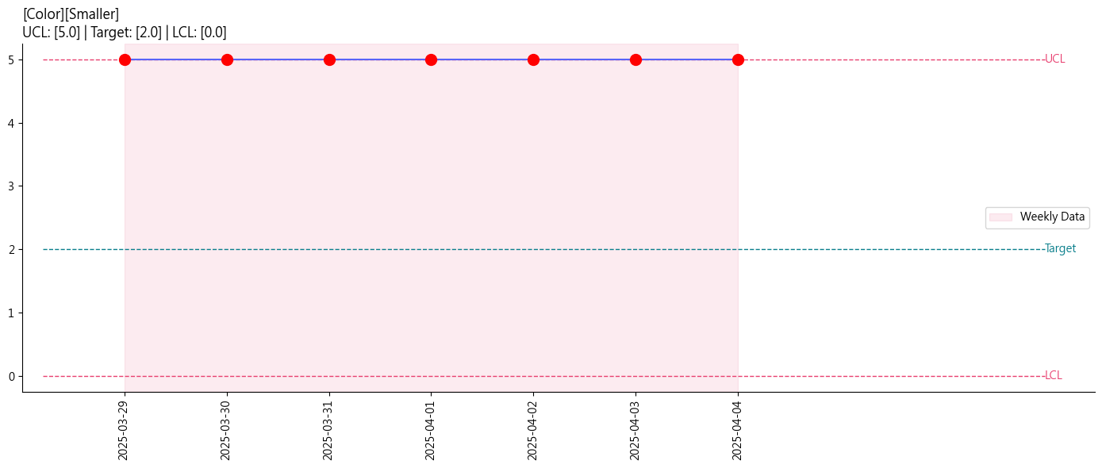 | 7 | 0 | WE3, WE4 | N/A | V180812A3 |  | Color | N773212 | Smaller | 7 | 0 | 5 | 0 | 2 | N/A | 0.05 | output/SPC__Color.png | output/Weekly_SPC__Color.png
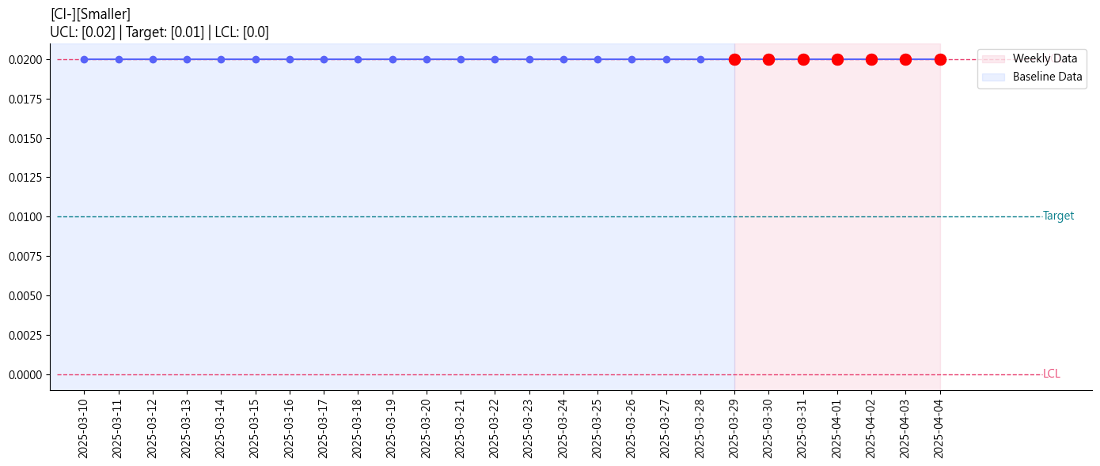 | 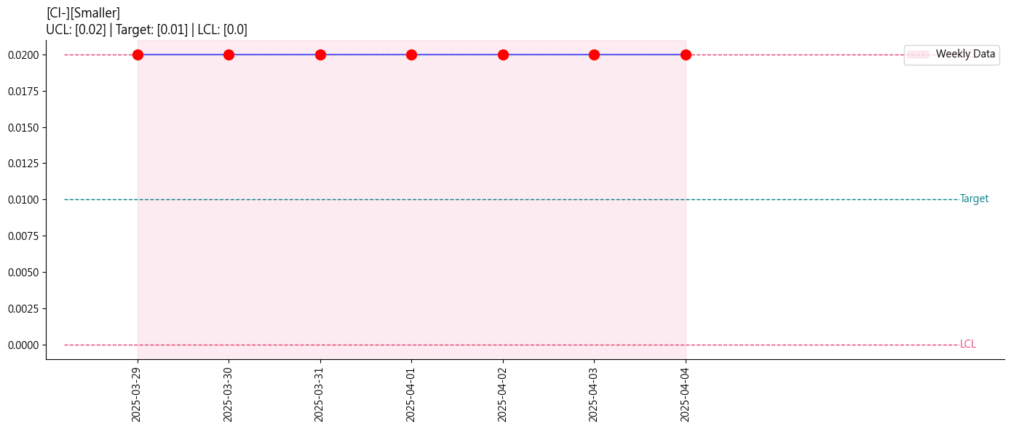 | 7 | 0 | WE3, WE4 | N/A | V180812A5 |  | Cl- | N773212 | Smaller | 1 | 0 | 0.02 | 0 | 0.01 | N/A | 0.05 | output/SPC__Cl-.png | output/Weekly_SPC__Cl-.png
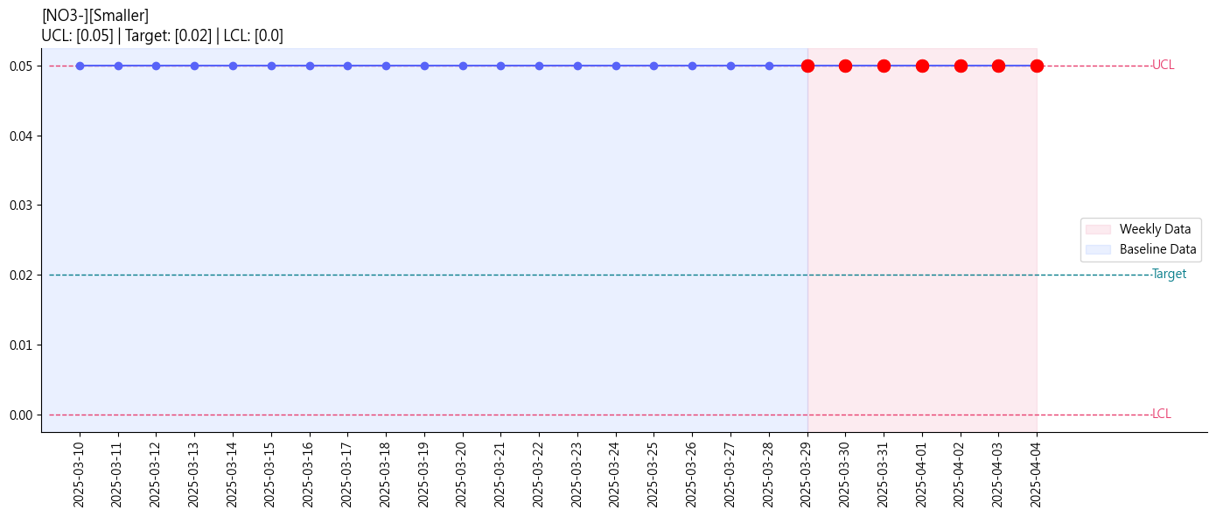 | 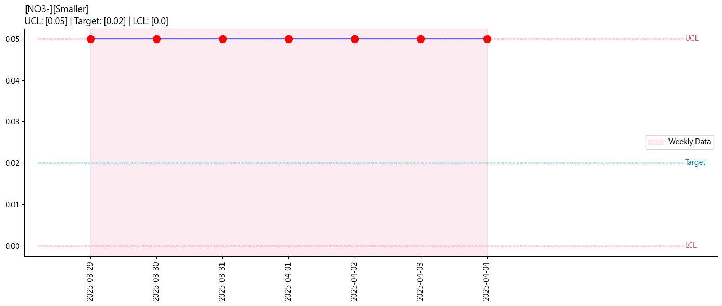 | 7 | 0 | WE3, WE4 | N/A | V180812A6 |  | NO3- | N773212 | Smaller | 1 | 0 | 0.05 | 0 | 0.02 | 4.2251166971E+16 | 0.05 | output/SPC__NO3-.png | output/Weekly_SPC__NO3-.png
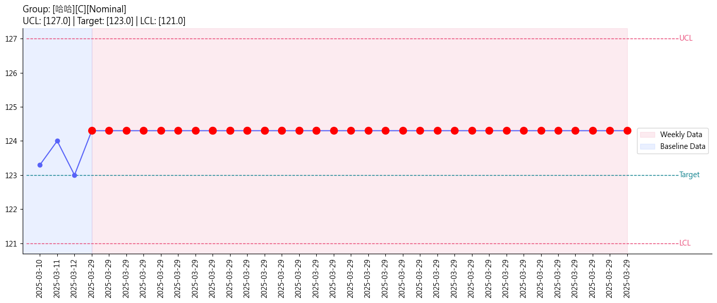 | 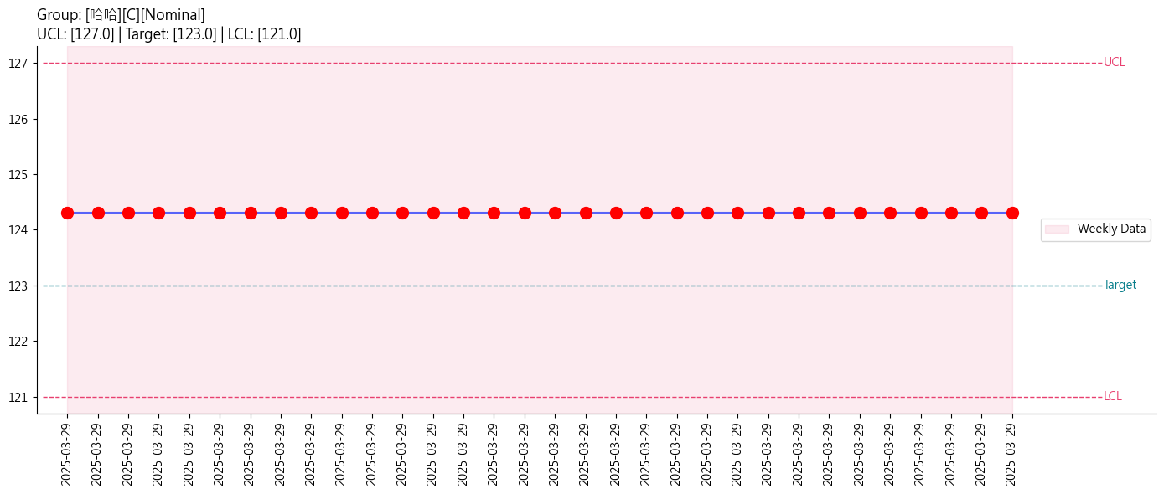 | 32 | 0 | WE4, WE9 | HL_sticking_shift | V180812A6 | 哈哈 | C | N773212 | Nominal | 130 | 120 | 127 | 121 | 123 | N/A | 0.05 | output/SPC_哈哈_C.png | output/Weekly_SPC_哈哈_C.png

