Cutting Plane
CUTTING PLANE

 | t-3 | x1 | x2 | s1 | s2 | rhs |  |  | CHOOSING CUT
 | z | 0 | 0 | 1.25 | 0.75 | 41.25 |  |  | right hand side closest to 0.5
 | 1 | 0 | 1 | 2.25 | -0.25 | 2.25 |  |  | -> priority smallest subscript
 | 2 | 1 | 0 | -1.25 | 0.25 | 3.75
$$x_{1}+Ox_{2}−1.25s_{1}+0.25s_{2}=3.75$$

$$x_{1}+Ox_{2}−2s_{1}+0.75s_{1}+0s_{1}+0.25s_{1}=3+0.75$$
 |  |  |  |  |  |  |  |  | split so that all fractions are positive

$$x_{1}+Ox_{2}−2s_{1}+O_{S_{2}}−3=0.75−0.75s_{1}−0.25s_{2}$$
 |  |  |  |  |  |  |  |  | move all integers to left and all fraction to right

$$0.75−0.75s_{1}−0.25s_{2} ≤0$$
 |  |  |  |  |  |  | drop integers and make it equal <= 0
 |  |  |  |  | will always be <=
$$−0.75s_{1}−0.25s_{2} ≤−0.75$$
 |  |  |  |  |  | move value without subscript to right

 | t-3 | x1 | x2 | s1 | s2 | rhs
 | z | 0 | 0 | 1.25 | 0.75 | 41.25 |  | Solve with dual
 | 1 | 0 | 1 | 2.25 | -0.25 | 2.25 |  | pivot row = largest negative
 | 2 | 1 | 0 | -1.25 | 0.25 | 3.75 |  | pivot column = smallest absolute value
 | 3 | 0 | 0 | -0.75 | -0.25 | -0.75
 |  |  |  | 1.6666666667 | 3

 | t-3 | x1 | x2 | s1 | s2 | rhs
 | z | 0 | 0 | 0 | 0.33333333333 | 40
 | 1 | 0 | 1 | 0 | -1 | 0 | basic xn variables are all integers = optimal
 | 2 | 1 | 0 | 0 | 0.66666666667 | 5
 | 3 | 0 | 0 | 1 | 0.33333333333 | 1

Fixed Charges
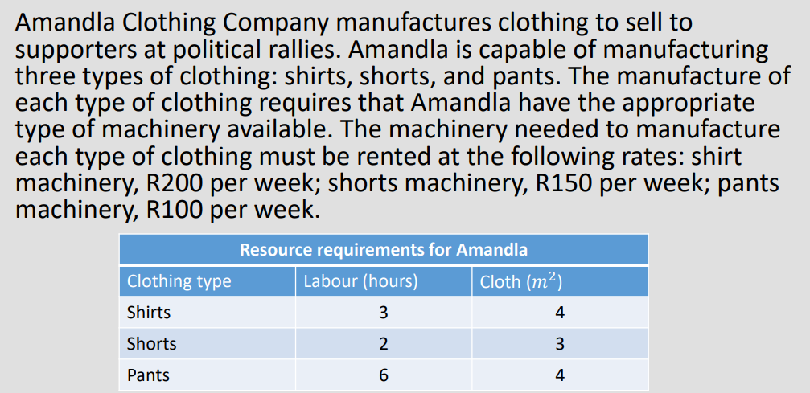

1. Formulate an IP model to (in this case) maximise Amandla's weekly profit.
 | 1.1. Declaring decision variables:
 |  | yi = the binary variable of whether we rent the machine or not
 |  | xi = number of item i to be manufactured.

Objective Function: |  | max z = 6x1 + 4x2 + 7x3 - 200y1 - 150y2 - 100y3
 | s.t.
Labour Constraint: |  | 3x1 + 2x2 + 6x3 <= 150
Cloth Constraint: |  | 4x1 + 3x2 + 4x3 <= 160

Sign Restrictions: |  | x1,x2,x3 >= 0
 |  | x1,x2,x3 integers
 |  | y1,y2,y3 = 0 or 1

2. Check the maximum amount you can make of each item i for xi.

 | 2.1 Pick the lowest of each of the results for each xi (highlighted in green), since those "choke" the higher possibilities.

 | 3x1 + 2(0) + 6(0) = 150 |  |  | 3(0) + 2x2 + 6(0) = 150 |  |  | 3(0) + 2(0) + 6x3 = 150
 | x1 = 50 |  |  | x2 = 75 |  |  | x3 = 25

 | 4x1 + 3(0) + 4(0) <= 160 |  |  | 4(0) + 3x2 + 4(0) <= 160 |  |  | 4(0) + 3(0) + 4x3 <= 160
 | x1 = 40 |  |  | x2 = 53.33 |  |  | x3 = 40

3. Set up solver.
 | 3.1 yi values are arbitrary. Picking the largest value from all of the above answers is good.
 | note: They are costs so they are negative!

 | x1 | x2 | x3 | y1 | y2 | y3 | ref | sign | rhs
var | 0 | 0 | 25 | 0 | 0 | 1
z | 6 | 4 | 7 | -200 | -150 | -100 | 75 | max
1 | 3 | 2 | 6 |  |  |  | 150 | <= | 150
2 | 4 | 3 | 4 |  |  |  | 100 | <= | 160
3 | 1 |  |  | -24* |  |  | 0 | <= | 0
4 |  | 1 |  |  | -24* |  | 0 | <= | 0
5 |  |  | 1 |  |  | -26* | 25 | <= | 0

Combinatorial
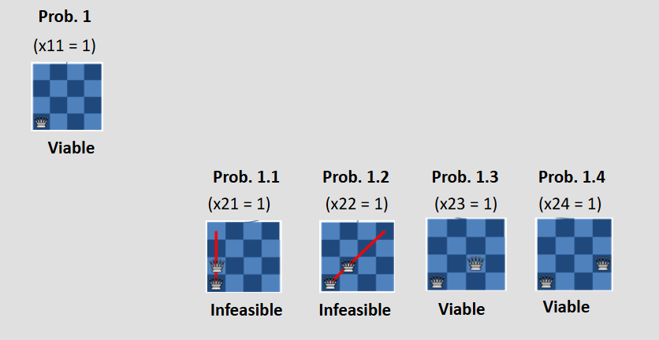
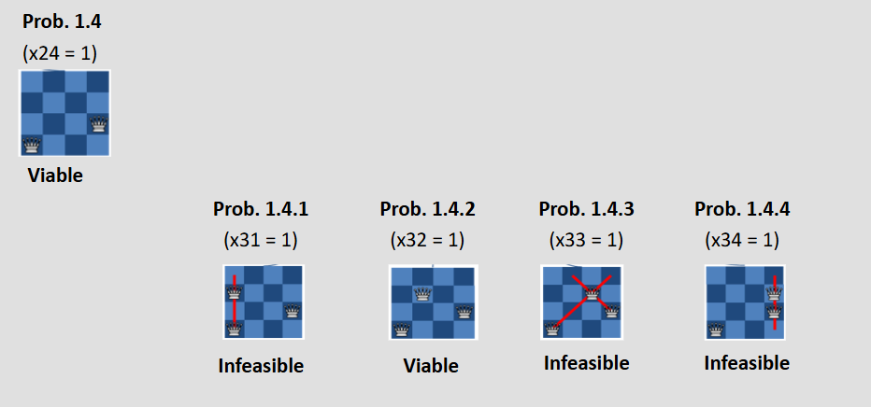
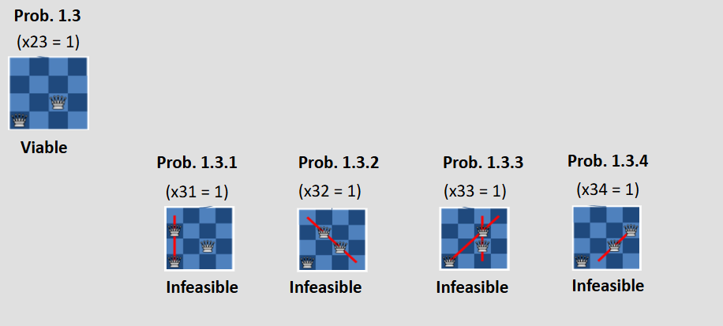
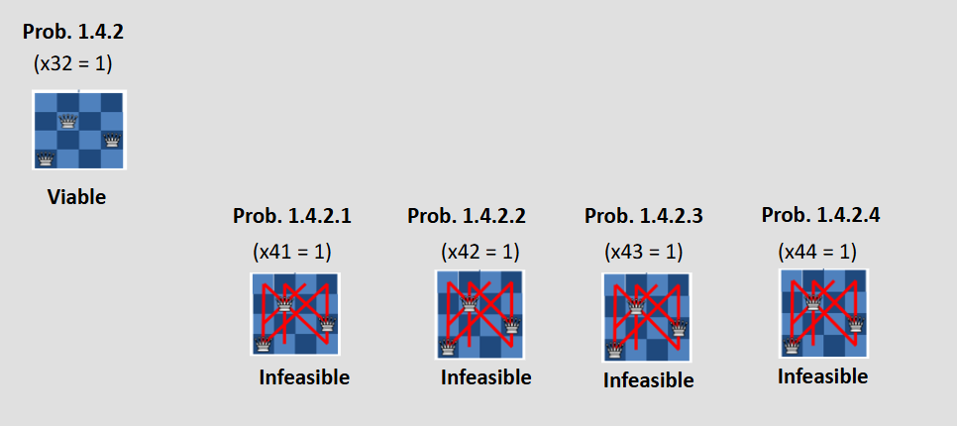
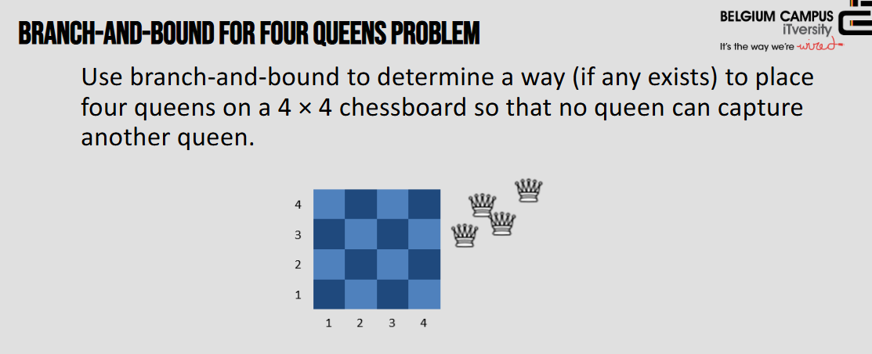

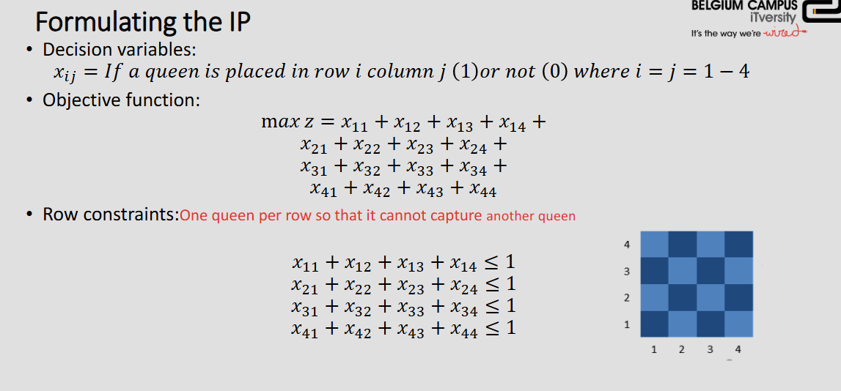

ROW BY ROW

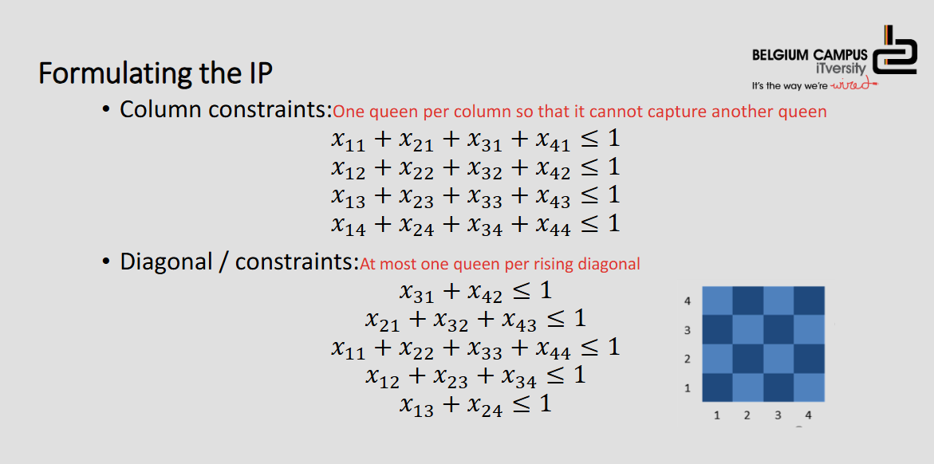

Column by Column

Diagonals

TSalesman - Symet
Gandalf the Grey lives in Gondor, Middle Earth. He is responsible
for the communities in Gondor, Isengard, Rivendell, Lothlórien,
and Rohan. Each Yule, he visits each of these communities. The
distance between each community (called cities in the problem,
in miles) is shown in the table.
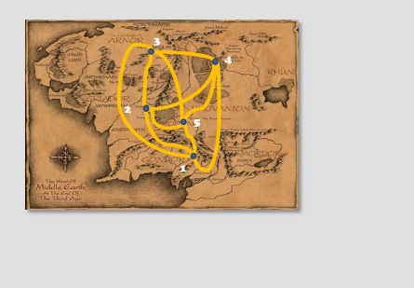

 | 1. Gondor | 2. Isengard | 3. Rivendell | 4. Lothlorien | 5. Rohan
1. Gondor | 0 | 132 | 217 | 164 | 58
2. Isengard | 132 | 0 | 290 | 201 | 79
3. Rivendell | 217 | 290 | 0 | 113 | 303
4. Lothlorien | 164 | 201 | 113 | 0 | 196
5. Rohan | 58 | 79 | 303 | 196 | 0

Decision Variables
xij = 1 if Gandalf leaves city i and travels next to city j, 0 otherwise

Where:
- i, j ∈ {1, 2, 3, 4, 5}
- 1 = Gondor, 2 = Isengard, 3 = Rivendell, 4 = Lothlorien, 5 = Rohan

Objective Function

Minimize
z = 132x₁₂ + 217x₁₃ + 164x₁₄ + 58x₁₅ +
132x₂₁ + 290x₂₃ + 201x₂₄ + 79x₂₅ +
217x₃₁ + 290x₃₂ + 113x₃₄ + 303x₃₅ +
164x₄₁ + 201x₄₂ + 113x₄₃ + 196x₄₅ +
58x₅₁ + 79x₅₂ + 303x₅₃ + 196x₅₄

Constraints

Arriving once in each city:

x₂₁ + x₃₁ + x₄₁ + x₅₁ = 1 (Arrive at Gondor)
x₁₂ + x₃₂ + x₄₂ + x₅₂ = 1 (Arrive at Isengard)
x₁₃ + x₂₃ + x₄₃ + x₅₃ = 1 (Arrive at Rivendell)
x₁₄ + x₂₄ + x₃₄ + x₅₄ = 1 (Arrive at Lothlorien)
x₁₅ + x₂₅ + x₃₅ + x₄₅ = 1 (Arrive at Rohan)

Leaving each city once:

x₁₂ + x₁₃ + x₁₄ + x₁₅ = 1 (Leave Gondor)
x₂₁ + x₂₃ + x₂₄ + x₂₅ = 1 (Leave Isengard)
x₃₁ + x₃₂ + x₃₄ + x₃₅ = 1 (Leave Rivendell)
x₄₁ + x₄₂ + x₄₃ + x₄₅ = 1 (Leave Lothlorien)
x₅₁ + x₅₂ + x₅₃ + x₅₄ = 1 (Leave Rohan)

Sign restrictions:

x_ij ∈ {0, 1} for all i, j

Subtour Elimination Constraints

The constraints above ensure that we enter and leave each city exactly once, but they don't prevent subtours - smaller cycles that don't include all cities. For example, we could have:
- Subtour 1: Gondor → Rohan → Gondor
- Subtour 2: Isengard → Rivendell → Lothlorien → Isengard

This would satisfy all the arrival/departure constraints but wouldn't give us a single tour visiting all cities.

Miller-Tucker-Zemlin (MTZ) Formulation
Additional Decision Variables:

Ui = position of city i in the tour sequence
U₁ = 1 (Gondor is always position 1) |  |  |  |  |  | so if U2 = 3, that means that city 2 is in position 3 in the queue
2 ≤ Ui ≤ 5 for i = 2, 3, 4, 5

Subtour Elimination Constraints:

Ui - Uj + 5xij ≤ 4 for all pairs i,j (excluding city 1) |  |  |  |  |  | 5 cities, 4 options per city

How It Works: Breaking Down U₃ - U₄ + 5x₃₄ ≤ 4

Case 1: No travel 3→4 (x₃₄ = 0) |  |  |  |  |  | so not travelling from 3 to 4
U₃ - U₄ ≤ 4 (always satisfied since positions are 2-5)

Case 2: Travel 3→4 (x₃₄ = 1) |  |  |  |  |  | so are travelling from 3 to 4
U₃ - U₄ + 5 ≤ 4
U₃ ≤ U₄ - 1 |  |  |  |  |  | This forces city 3 to come before city 4 in the sequence.

How Constraint Pairs Prevent Subtours

The constraints work in pairs to prevent cycles. For cities 3 and 4:

1. U₃ - U₄ + 5x₃₄ ≤ 4: If x₃₄ = 1, then U₃ < U₄
2. U₄ - U₃ + 5x₄₃ ≤ 4: If x₄₃ = 1, then U₄ < U₃

Why this prevents the subtour 3→4→3:
If both x₃₄ = 1 AND x₄₃ = 1:
From constraint 1: U₃ ≤ U₄ - 1
From constraint 2: U₄ ≤ U₃ - 1
Combined: U₃ ≤ U₃ - 2 (impossible!)
Therefore, we can't have both x₃₄ = 1 and x₄₃ = 1.

Complete Subtour Elimination Constraints

U₁ = 1
2 ≤ Ui ≤ 5
for i = 2,3,4,5

U₂ - U₃ + 5x₂₃ ≤ 4 U₂ - U₄ + 5x₂₄ ≤ 4 U₂ - U₅ + 5x₂₅ ≤ 4 |  |  |  |  |  |  |  | NOW YOU GO MAKE BIG SOLVER
U₃ - U₂ + 5x₃₂ ≤ 4 U₃ - U₄ + 5x₃₄ ≤ 4 U₃ - U₅ + 5x₃₅ ≤ 4
U₄ - U₂ + 5x₄₂ ≤ 4 U₄ - U₃ + 5x₄₃ ≤ 4 U₄ - U₅ + 5x₄₅ ≤ 4
U₅ - U₂ + 5x₅₂ ≤ 4 U₅ - U₃ + 5x₅₃ ≤ 4 U₅ - U₄ + 5x₅₄ ≤ 4

Note: No constraints involve U₁ since it's fixed at 1.
 |  |  |  |  |  |  |  |  |  | z = 132x₁₂ + 217x₁₃ + 164x₁₄ + 58x₁₅ +
 |  |  |  |  |  |  |  |  |  | 132x₂₁ + 290x₂₃ + 201x₂₄ + 79x₂₅ +
 |  |  |  |  |  |  |  |  |  | 217x₃₁ + 290x₃₂ + 113x₃₄ + 303x₃₅ +
 |  |  |  |  |  |  |  |  |  | 164x₄₁ + 201x₄₂ + 113x₄₃ + 196x₄₅ +
 |  |  |  |  |  |  |  |  |  | 58x₅₁ + 79x₅₂ + 303x₅₃ + 196x₅₄

 | x11 | x12 | x13 | x14 | x15 | x21 | x22 | x23 | x24 | x25 | x31 | x32 | x33 | x34 | x35 | x41 | x42 | x43 | x44 | x45 | x51 | x52 | x53 | x54 | x55 | u2 | u3 | u4 | u5
Var | 0 | 0 | 1 | 0 | 0 | 0 | 0 | 0 | 0 | 1 | 0 | 0 | 0 | 1 | 0 | 0 | 1 | 0 | 0 | 0 | 1 | 0 | 0 | 0 | 0 | 2 | 0 | 1 | 3 | min
Obj |  | 132 | 217 | 164 | 58 | 132 |  | 290 | 201 | 79 | 217 | 290 |  | 113 | 303 | 164 | 201 | 113 |  | 196 | 58 | 79 | 303 | 196 |  |  |  |  |  | 668
Arr 1 |  |  |  |  |  | 1 |  |  |  |  | 1 |  |  |  |  | 1 |  |  |  |  | 1 |  |  |  |  |  |  |  |  | 1 | = | 1
Arr 2 |  | 1 |  |  |  |  |  |  |  |  |  | 1 |  |  |  |  | 1 |  |  |  |  | 1 |  |  |  |  |  |  |  | 1 | = | 1
Arr 3 |  |  | 1 |  |  |  |  | 1 |  |  |  |  |  |  |  |  |  | 1 |  |  |  |  | 1 |  |  |  |  |  |  | 1 | = | 1
Arr 4 |  |  |  | 1 |  |  |  |  | 1 |  |  |  |  | 1 |  |  |  |  |  |  |  |  |  | 1 |  |  |  |  |  | 1 | = | 1
Arr 5 |  |  |  |  | 1 |  |  |  |  | 1 |  |  |  |  | 1 |  |  |  |  | 1 |  |  |  |  |  |  |  |  |  | 1 | = | 1
Leave 1 |  | 1 | 1 | 1 | 1 |  |  |  |  |  |  |  |  |  |  |  |  |  |  |  |  |  |  |  |  |  |  |  |  | 1 | = | 1
Leave 2 |  |  |  |  |  | 1 |  | 1 | 1 | 1 |  |  |  |  |  |  |  |  |  |  |  |  |  |  |  |  |  |  |  | 1 | = | 1
Leave 3 |  |  |  |  |  |  |  |  |  |  | 1 | 1 |  | 1 | 1 |  |  |  |  |  |  |  |  |  |  |  |  |  |  | 1 | = | 1
Leave 4 |  |  |  |  |  |  |  |  |  |  |  |  |  |  |  | 1 | 1 | 1 |  | 1 |  |  |  |  |  |  |  |  |  | 1 | = | 1
Leave 5 |  |  |  |  |  |  |  |  |  |  |  |  |  |  |  |  |  |  |  |  | 1 | 1 | 1 | 1 |  |  |  |  |  | 1 | = | 1
Sub 23 |  |  |  |  |  |  |  | 5 |  |  |  |  |  |  |  |  |  |  |  |  |  |  |  |  |  | 1 | -1 |  |  | 2 | <= | 4
Sub 24 |  |  |  |  |  |  |  |  | 5 |  |  |  |  |  |  |  |  |  |  |  |  |  |  |  |  | 1 |  | -1 |  | 1 | <= | 4
Sub 25 |  |  |  |  |  |  |  |  |  | 5 |  |  |  |  |  |  |  |  |  |  |  |  |  |  |  | 1 |  |  | -1 | 4 | <= | 4
Sub 32 |  |  |  |  |  |  |  |  |  |  |  | 5 |  |  |  |  |  |  |  |  |  |  |  |  |  | -1 | 1 |  |  | -2 | <= | 4
Sub 34 |  |  |  |  |  |  |  |  |  |  |  |  |  | 5 |  |  |  |  |  |  |  |  |  |  |  |  | 1 | -1 |  | 4 | <= | 4
Sub 35 |  |  |  |  |  |  |  |  |  |  |  |  |  |  | 5 |  |  |  |  |  |  |  |  |  |  |  | 1 |  | -1 | -3 | <= | 4
Sub 42 |  |  |  |  |  |  |  |  |  |  |  |  |  |  |  |  | 5 |  |  |  |  |  |  |  |  | -1 |  | 1 |  | 4 | <= | 4
Sub 43 |  |  |  |  |  |  |  |  |  |  |  |  |  |  |  |  |  | 5 |  |  |  |  |  |  |  |  | -1 | 1 |  | 1 | <= | 4
Sub 45 |  |  |  |  |  |  |  |  |  |  |  |  |  |  |  |  |  |  |  | 5 |  |  |  |  |  |  |  | 1 | -1 | -2 | <= | 4
Sub 52 |  |  |  |  |  |  |  |  |  |  |  |  |  |  |  |  |  |  |  |  |  | 5 |  |  |  | -1 |  |  | 1 | 1 | <= | 4
Sub 53 |  |  |  |  |  |  |  |  |  |  |  |  |  |  |  |  |  |  |  |  |  |  | 5 |  |  |  | -1 |  | 1 | 3 | <= | 4
Sub 54 |  |  |  |  |  |  |  |  |  |  |  |  |  |  |  |  |  |  |  |  |  |  |  | 5 |  |  |  | -1 | 1 | 2 | <= | 4

Cheapest Insertion
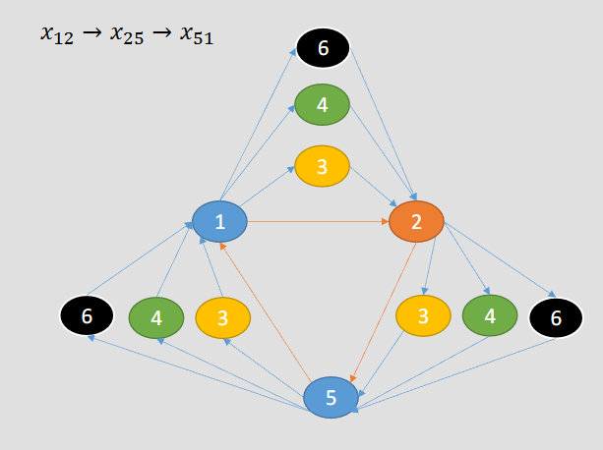
Distance between cities
1. Gondor | 2. Isengard | 264 |  | 3. Rivendell | 1. Gondor | 217 |  | 5. Rohan | 1. Gondor | 58
 | 3. Rivendell | 434 |  |  | 2. Isengard | 580 |  |  | 2. Isengard | 158
 | 4. Lothlorien | 328 |  |  | 4. Lothlorien | 226 |  |  | 3. Rivendell | 303
 | 5. Rohan | 116 |  |  | 5. Rohan | 606 |  |  | 4. Lothlorien | 392
 | 6. Mordor | 174 |  |  | 6. Mordor | 909 |  |  | 6. Mordor | 441

2. Isengard | 1. Gondor | 132 |  | 4. Lothlorien | 1. Gondor | 164 |  | 6. Mordor | 1. Gondor | 87
 | 3. Rivendell | 290 |  |  | 2. Isengard | 402 |  |  | 2. Isengard | 237
 | 4. Lothlorien | 201 |  |  | 3. Rivendell | 113 |  |  | 3. Rivendell | 455
 | 5. Rohan | 79 |  |  | 5. Rohan | 196 |  |  | 4. Lothlorien | 588
 | 6. Mordor | 119 |  |  | 6. Mordor | 294 |  |  | 5. Rohan | 662

Original Route |  | Detour |  |  |  | Detour Length
 |  | Route | Distance | Route | Distance
x₁₅ | 116 | x₁₂ | 264 | x₂₅ | 79 | 227 | Out route
x₁₅ | 116 | x₁₃ | 434 | x₃₅ | 606 | 924
x₁₅ | 116 | x₁₄ | 328 | x₄₅ | 196 | 408
x₁₅ | 116 | x₁₆ | 174 | x₆₅ | 662 | 720
x₅₁ | 58 | x₅₂ | 158 | x₂₁ | 132 | 232 | Return Route
x₅₁ | 58 | x₅₃ | 303 | x₃₁ | 217 | 462
x₅₁ | 58 | x₅₄ | 392 | x₄₁ | 164 | 498
x₅₁ | 58 | x₅₆ | 441 | x₆₁ | 87 | 470

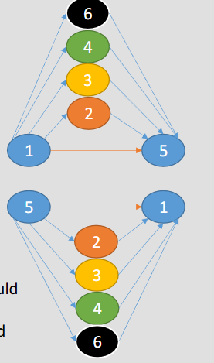

 |  |  |  |  | technically we start with 5 -> 1 because it is the shortest route in its entirety

 |  |  |  |  | now, we are still need to visit cities 2, 3, 4 and 6
 |  |  |  |  | so we test all the 4 remaining cities inside the 1 -> 5 -> 1 loop (in the spaces between the cities)

 |  |  |  |  | so we calculate the distances, going from 1->5 which was 116 originally
 |  |  |  |  | we test going 1->2->5, and we say those distances (264+79) - our original route ( -116)
 |  |  |  |  | so = 264+79-116 = 227

 |  |  |  |  | we test all possibilities, then we choose the smallest one, in this case 1->2->5, and so we insert city 2 between 1 and 5.

 |  |  |  |  | then we keep going, test again and again

NLP
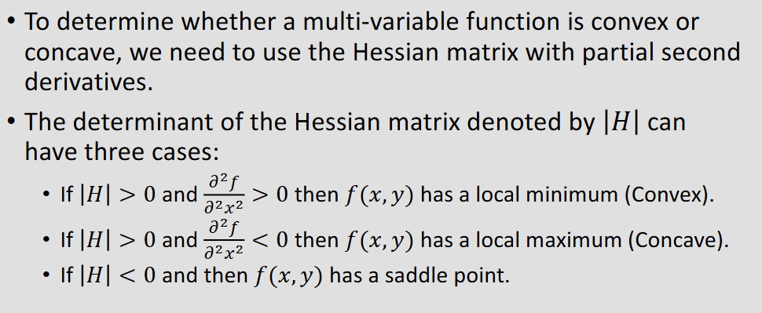

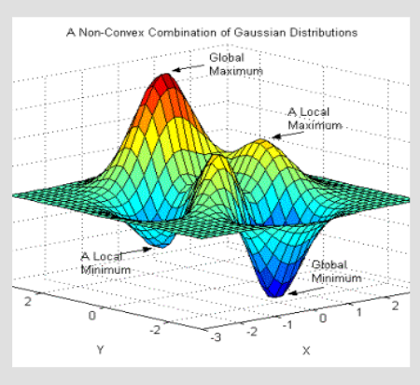
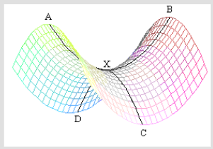

so we start with an example
Function: F(x,y) = x² × y²
Starting Point: (2,1)

Step | Description | Formula | Value | Notes
1 | Function F(x,y) | x² × y² |  | Given: F(x,y) = x² × y²
2 | Starting Point | x = 2, y = 1 |  | Evaluate all derivatives at this point
 | Starting x |  | 2
 | Starting y |  | 1

 | First Partial Derivatives
3 | ∂F/∂x | =2•x•y² |  | First partial derivative with respect to x
4 | ∂F/∂y | =2•x²•y |  | First partial derivative with respect to y

 | Second Partial Derivatives
9 | ∂²F/∂x² | =2•y² |  | fₓₓ = derive by x twice
10 | ∂²F/∂x∂y | =4•x•y |  | fₓᵧ = derive by x, then derive that by y
11 | ∂²F/∂y∂x | =4•x•y |  | fᵧₓ = derive by y, then derive that by x (same as fₓᵧ)
12 | ∂²F/∂y² | =2•x² |  | fᵧᵧ = derive by y twice

 | Sub in the points
13 | fₓₓ at (2,1) | =2•1² | 2 | ∂²F/∂x² = 2y² = 2(1)² = 2
14 | fₓᵧ at (2,1) | =4•2•1 | 8 | ∂²F/∂x∂y = 4xy = 4(2)(1) = 8
15 | fᵧₓ at (2,1) | =4•2•1 | 8 | ∂²F/∂y∂x = 4xy = 4(2)(1) = 8
16 | fᵧᵧ at (2,1) | =2•2² | 8 | ∂²F/∂y² = 2x² = 2(2)² = 8

17 | Hessian Matrix |  |  | Matrix of second partial derivatives
 |  | fₓₓ | fₓᵧ
 |  | fᵧₓ | fᵧᵧ

 |  | 2 | 8
 |  | 8 | 8

22 | |H| determinant | |H| = fₓₓ×fᵧᵧ - (fₓᵧ)²
23 | |H| calculation |  |  | Substituting values
24 | |H| result |  | -48 | Determinant is negative
25 | Classification |  |  | Since |H| < 0, this is a saddle point
26 | fₓₓ sign | Positive | + | fₓₓ = 2 > 0
27 | Conclusion | Saddle Point |  | |H| < 0 → Saddle point (not min or max)

 |  | -2 | -1
 |  | -1 | -4

 |  | 7

 |  | 2 | 2
 |  | 2 | 2

 |  | 0

 |  | 2 | -3
 |  | -3 | 4

 |  | -1

 | 2 | -1 | -1
 | -1 | 2 | -1
 | -1 | -1 | 4

 |  |  | 6

gss
GRC | 0.61803398875

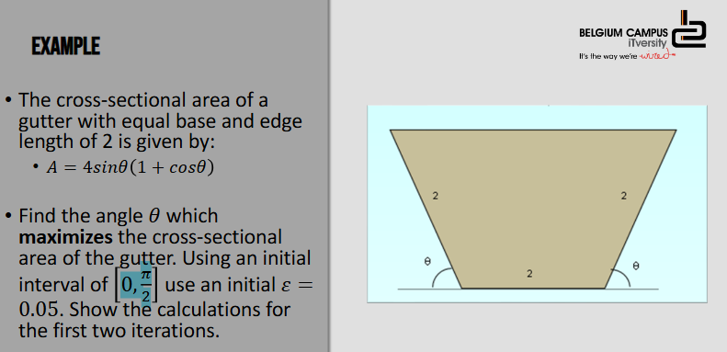

 | iteration | xlow | xupper | d | x1 | x2 | f(x1) | f(x2) | gap | xlow | x2 | x1 | xupper | 1. Build the two tables like shown on the left. In the beginning, only the first line of each table will be filled out.
 | 1 | 0 | 1.5707963268 | 0.97080551936 | 0.97080551936 | 0.59999080743 | 5.1654280692 | 4.1226043933 | 1.5707963268 | 0 | 0.59999080743 | 0.97080551936 | 1.5707963268 |  | 1.1 Ensure your variables are written from biggest to smallest (delimiter wise) in the second table
 | 2 | 0.59999080743 | 1.5707963268 | 0.59999080743 | 1.1999816149 | 0.97080551936 | 5.0791102838 | 5.1654280692 | 0.97080551936 | 0.59999080743 | 0.97080551936 | 1.1999816149 | 1.5707963268
 | 3 | 0.59999080743 | 1.1999816149 | 0.37081471193 | 0.97080551936 | 0.82916690293 | 5.1654280692 | 4.941817594 | 0.59999080743 | 0.59999080743 | 0.82916690293 | 0.97080551936 | 1.1999816149 | 2. Pick the highest f(xi) value in the first table.
 | 4 | 0.82916690293 | 1.1999816149 | 0.2291760955 | 1.0583429984 | 0.97080551936 | 5.195508356 | 5.1654280692 | 0.37081471193 | 0.82916690293 | 0.97080551936 | 1.0583429984 | 1.1999816149 |  | 2.1 Go to the corresponding xi value in the second table.
 | 5 | 0.97080551936 | 1.1999816149 | 0.14163861643 | 1.1124441358 | 1.0583429984 | 5.174332792 | 5.195508356 | 0.2291760955 | 0.97080551936 | 1.0583429984 | 1.1124441358 | 1.1999816149 |  | 2.2 The values on either side of it will become the new x lower (left of xi) and x upper (right of xi) limits.
 | 6 | 0.97080551936 | 1.1124441358 | 0.087537479073 | 1.0583429984 | 1.0249066567 | 5.195508356 | 5.1935597839 | 0.14163861643 | 0.97080551936 | 1.0249066567 | 1.0583429984 | 1.1124441358 |  | 2.3 Enter the new limits into table 1 in the following row
 | 7 | 1.0249066567 | 1.1124441358 | 0.054101137356 | 1.0790077941 | 1.0583429984 | 5.1909279903 | 5.195508356 | 0.087537479073 | 1.0249066567 | 1.0583429984 | 1.0790077941 | 1.1124441358 |  | 2.4 Drag down formulas from the previous row.
 | 8 | 1.0249066567 | 1.0790077941 | 0.033436341716 | 1.0583429984 | 1.0455714524 | 5.195508356 | 5.1961386788 | 0.054101137356 | 1.0249066567 | 1.0455714524 | 1.0583429984 | 1.0790077941
 | 9 | 1.0249066567 | 1.0583429984 | 0.02066479564 | 1.0455714524 | 1.0376782028 | 5.1961386788 | 5.1956807059 | 0.033436341716 |  |  |  |  | 3. Repeat until gap is < 0.05. This means it's optimal

 |  |  |  |  |  |  |  |  |  |  |  |  |  | 4. Profit

 |  |  |  |  |  |  | OPTIMAL SOLUTION |  | 1.0416248276

 |  |  |  |  |  |  |  |  | 5.1959908831

