Cutting Plane
CUTTING PLANE

 | t-3 | x1 | x2 | s1 | s2 | rhs |  |  | CHOOSING CUT
 | z | 0 | 0 | 1.25 | 0.75 | 41.25 |  |  | right hand side closest to 0.5
 | 1 | 0 | 1 | 2.25 | -0.25 | 2.25 |  |  | -> priority smallest subscript
 | 2 | 1 | 0 | -1.25 | 0.25 | 3.75
$$x_{1}+Ox_{2}−1.25s_{1}+0.25s_{2}=3.75$$

$$x_{1}+Ox_{2}−2s_{1}+0.75s_{1}+0s_{1}+0.25s_{1}=3+0.75$$
 |  |  |  |  |  |  |  |  | split so that all fractions are positive

$$x_{1}+Ox_{2}−2s_{1}+O_{S_{2}}−3=0.75−0.75s_{1}−0.25s_{2}$$
 |  |  |  |  |  |  |  |  | move all integers to left and all fraction to right

$$0.75−0.75s_{1}−0.25s_{2} ≤0$$
 |  |  |  |  |  |  | drop integers and make it equal <= 0
 |  |  |  |  | will always be <=
$$−0.75s_{1}−0.25s_{2} ≤−0.75$$
 |  |  |  |  |  | move value without subscript to right

 | t-3 | x1 | x2 | s1 | s2 | rhs
 | z | 0 | 0 | 1.25 | 0.75 | 41.25 |  | Solve with dual
 | 1 | 0 | 1 | 2.25 | -0.25 | 2.25 |  | pivot row = largest negative
 | 2 | 1 | 0 | -1.25 | 0.25 | 3.75 |  | pivot column = smallest absolute value
 | 3 | 0 | 0 | -0.75 | -0.25 | -0.75
 |  |  |  | 1.6666666667 | 3

 | t-3 | x1 | x2 | s1 | s2 | rhs
 | z | 0 | 0 | 0 | 0.33333333333 | 40
 | 1 | 0 | 1 | 0 | -1 | 0 | basic xn variables are all integers = optimal
 | 2 | 1 | 0 | 0 | 0.66666666667 | 5
 | 3 | 0 | 0 | 1 | 0.33333333333 | 1

Fixed Charges
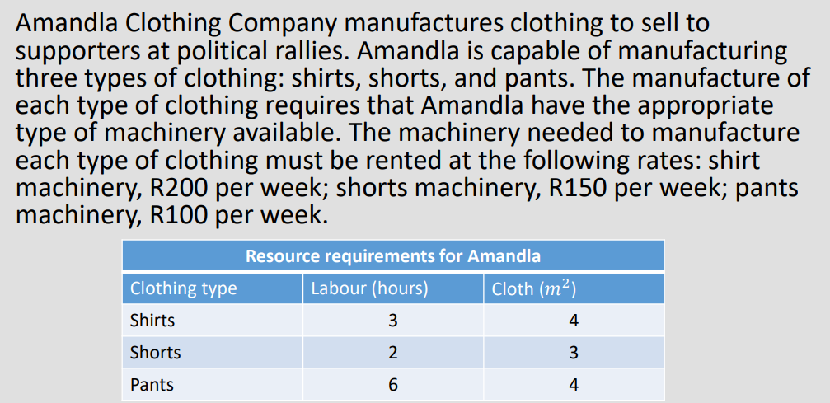

1. Formulate an IP model to (in this case) maximise Amandla's weekly profit.
 | 1.1. Declaring decision variables:
 |  | yi = the binary variable of whether we rent the machine or not
 |  | xi = number of item i to be manufactured.

Objective Function: |  | max z = 6x1 + 4x2 + 7x3 - 200y1 - 150y2 - 100y3
 | s.t.
Labour Constraint: |  | 3x1 + 2x2 + 6x3 <= 150
Cloth Constraint: |  | 4x1 + 3x2 + 4x3 <= 160

Sign Restrictions: |  | x1,x2,x3 >= 0
 |  | x1,x2,x3 integers
 |  | y1,y2,y3 = 0 or 1

2. Check the maximum amount you can make of each item i for xi.

 | 2.1 Pick the lowest of each of the results for each xi (highlighted in green), since those "choke" the higher possibilities.

 | 3x1 + 2(0) + 6(0) = 150 |  |  | 3(0) + 2x2 + 6(0) = 150 |  |  | 3(0) + 2(0) + 6x3 = 150
 | x1 = 50 |  |  | x2 = 75 |  |  | x3 = 25

 | 4x1 + 3(0) + 4(0) <= 160 |  |  | 4(0) + 3x2 + 4(0) <= 160 |  |  | 4(0) + 3(0) + 4x3 <= 160
 | x1 = 40 |  |  | x2 = 53.33 |  |  | x3 = 40

3. Set up solver.
 | 3.1 yi values are arbitrary. Picking the largest value from all of the above answers is good.
 | note: They are costs so they are negative!

 | x1 | x2 | x3 | y1 | y2 | y3 | ref | sign | rhs
var | 0 | 0 | 25 | 0 | 0 | 1
z | 6 | 4 | 7 | -200 | -150 | -100 | 75 | max
1 | 3 | 2 | 6 |  |  |  | 150 | <= | 150
2 | 4 | 3 | 4 |  |  |  | 100 | <= | 160
3 | 1 |  |  | -24* |  |  | 0 | <= | 0
4 |  | 1 |  |  | -24* |  | 0 | <= | 0
5 |  |  | 1 |  |  | -26* | 25 | <= | 0

