Sheet1
 |  | 1 | 2 | 3 | 4 | 5 | 6 | 7 | 8 | 9 | 10 | 11 | 12 | 13 | 14 | 15 | 16 | 17 | 18 | 19 | 20 | 21 | 22 | 23 | 24 | 25 | 26 | 27 | 28 | 29 | 30 | 31 | 32 | 33 | 34 | 35 | 36 | 37 | 38 | 39 | 40
 |  |  |  |  |  |  |  |  |  |  |  |  |  |  |  |  |  |  |  |  |  |  | 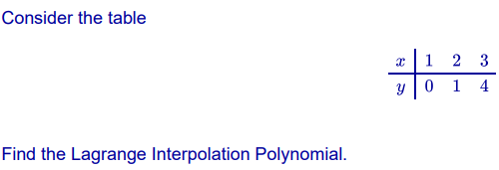 |  |  |  |  |  |  |  |  |  |  |  |  |  | 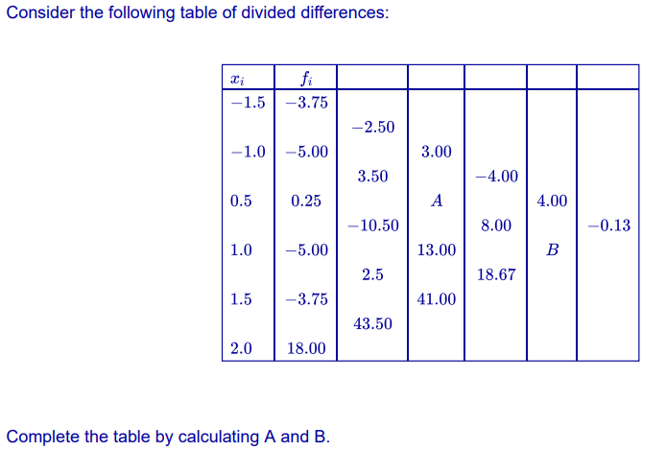
1 | a | INCORRECT | CORRECT | CORRECT | CORRECT | INCORRECT | CORRECT | INCORRECT
 | b |  |  |  |  |  |  |  | CORRECT | DOES NOT KNOW | CORRECT | CORRECT | CORRECT | CORRECT
2 | a |  |  | INCORRECT |  | DOES NOT KNOW | CORRECT |  |  |  |  | DOES NOT KNOW |  |  | DOES NOT KNOW | CORRECT | INCORRECT
 | b | CORRECT |  |  |  |  |  |  |  |  |  |  |  |  |  |  |  | DOES NOT KNOW | CORRECT | CORRECT | CORRECT | CORRECT | CORRECT
3 | a |  |  |  |  |  |  |  |  |  |  | DOES NOT KNOW |  |  | DOES NOT KNOW |  | CORRECT |  | CORRECT |  |  |  |  | CORRECT | CORRECT | CORRECT
 | b |  |  |  |  |  |  |  |  |  |  | CORRECT |  |  | CORRECT | CORRECT |  |  |  |  |  |  |  |  |  |  | INCORRECT | CORRECT | INCORRECT | CORRECT
4 | a |  |  |  |  |  |  |  |  |  |  |  | CORRECT |  |  |  |  |  |  | INCORRECT |  | CORRECT |  |  |  |  |  |  |  |  | CORRECT | DOES NOT KNOW | DOES NOT KNOW | CORRECT
 | b |  |  | DOES NOT KNOW |  |  |  |  | INCORRECT |  |  |  | CORRECT |  |  |  | DOES NOT KNOW |  |  |  | CORRECT | CORRECT |  |  | CORRECT
5 | a |  |  |  |  |  |  |  |  |  |  |  |  | DOES NOT KNOW |  | DOES NOT KNOW | CORRECT |  |  |  |  |  | CORRECT |  |  |  |  |  |  |  | CORRECT |  |  |  | DOES NOT KNOW | DOES NOT KNOW
 | b |  |  |  | CORRECT |  |  | CORRECT |  |  |  |  |  |  |  |  |  |  |  | DOES NOT KNOW |  |  |  | CORRECT |  |  |  |  |  |  | CORRECT |  |  |  |  | DOES NOT KNOW | CORRECT
6 | a |  |  |  |  | CORRECT |  | INCORRECT |  |  | INCORRECT |  |  |  |  |  |  |  | DOES NOT KNOW |  |  |  |  |  | INCORRECT |  |  |  |  |  |  |  |  |  | INCORRECT |  |  | CORRECT
 | b |  |  |  |  |  |  |  |  |  |  | INCORRECT |  |  | CORRECT |  |  |  |  | CORRECT |  |  |  | INCORRECT |  |  |  |  |  |  |  | CORRECT | CORRECT |  |  |  |  |  | CORRECT
7 | a |  |  |  |  | CORRECT |  |  |  |  |  |  |  |  |  |  | CORRECT |  |  |  |  | INCORRECT |  |  |  |  | CORRECT |  | DOES NOT KNOW |  |  | DOES NOT KNOW |  |  |  |  |  |  | CORRECT
 | b | INCORRECT |  |  | CORRECT | INCORRECT |  |  |  | INCORRECT |  |  |  |  |  |  | CORRECT |  |  |  |  |  |  |  |  |  |  | INCORRECT |  | CORRECT
8 | a |  |  |  |  |  |  |  |  |  |  |  |  |  |  |  |  |  |  |  |  |  | CORRECT | DOES NOT KNOW |  | CORRECT |  |  |  |  | CORRECT |  |  |  |  | DOES NOT KNOW |  |  |  | DOES NOT KNOW
 | b |  |  |  |  |  |  |  | INCORRECT |  |  |  |  |  |  |  | DOES NOT KNOW |  |  |  |  | CORRECT |  |  |  | CORRECT |  |  |  | CORRECT | CORRECT |  |  |  |  |  |  |  |  |  | DOES NOT KNOW

