Sheet1
Stamp Icon | Stamp Class
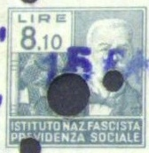 | faded_green_man_810
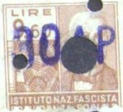 | faded_red_man_960
 | brown_man_480
 | blue_man_360
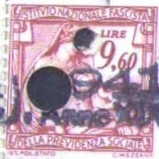 | red_woman_960
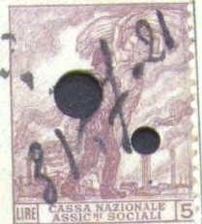 | faded_red_guy_500
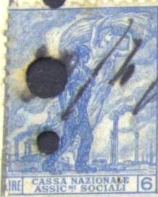 | blue_guy_600
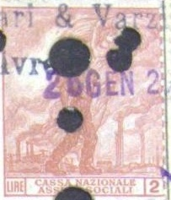 | orange_guy_200
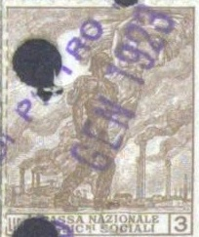 | brown_guy_300
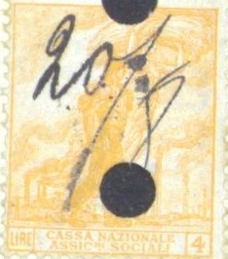 | yellow_guy_400
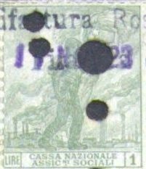 | green_guy_100
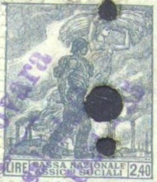 | dark_guy_240
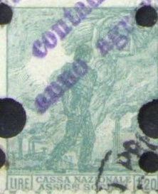 | green_guy_120
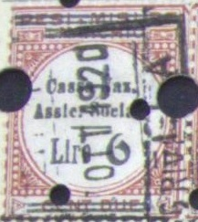 | red_text_600
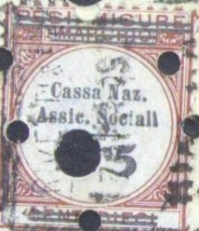 | red_text_500
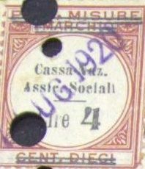 | red_text_400
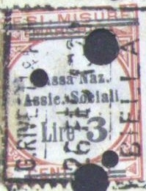 | red_text_300
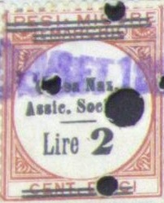 | red_text_200
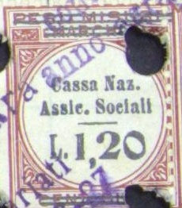 | red_text_120
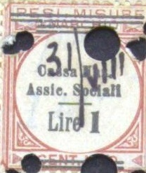 | red_text_100
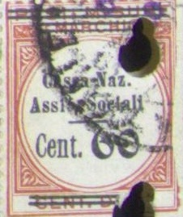 | red_text_060
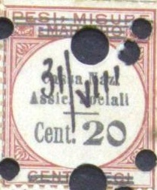 | red_text_020
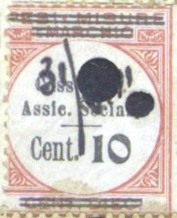 | red_text_010
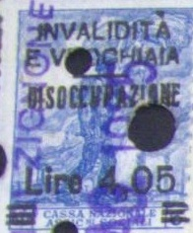 | blue_guy_600_changed_405
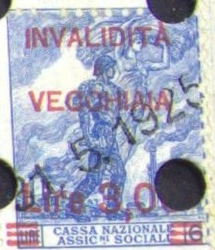 | blue_guy_600_changed_300
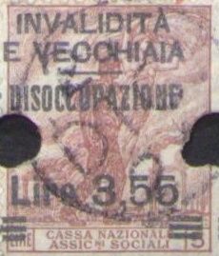 | faded_red_guy_500_changed_355
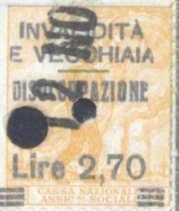 | yellow_guy_changed_270
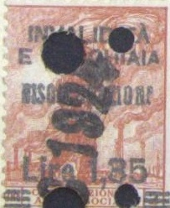 | orange_guy_200_changed_135
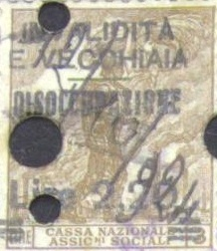 | brown_guy_300_changed_220
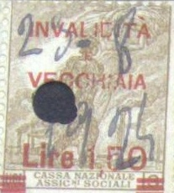 | brown_guy_300_changed_150
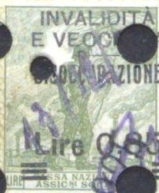 | light_green_guy_changed_085
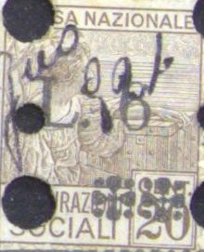 | brown_woman_020_changed_600
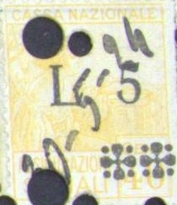 | brown_woman_040_changed_500
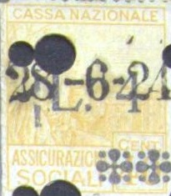 | yellow_woman_040_changed_400
 | brown_woman_020_changed_600
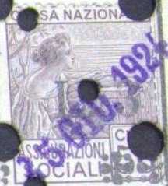 | brown_woman_050_changed_300
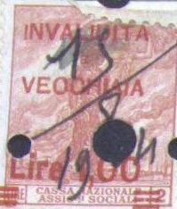 | red_guy_200_changed_100
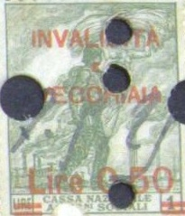 | green_guy_100_changed_050
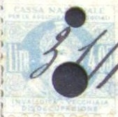 | faded_blue_woman_405
 | purple_woman_270
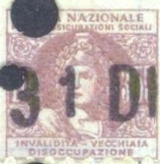 | red_woman_355
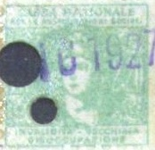 | green_woman_220
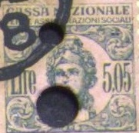 | pink_woman_505
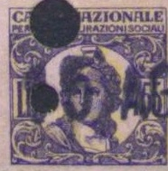 | pink_woman_455
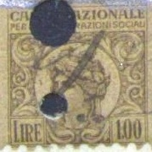 | brown_woman_100
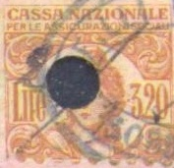 | orange_woman_320
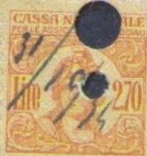 | green_orange_woman_270
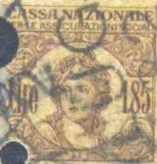 | green_brown_woman_185
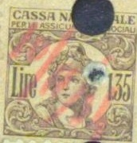 | brown_woman_135
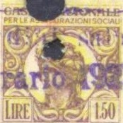 | orange_brown_woman_150
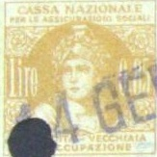 | yellow_woman_085
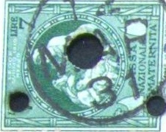 | lime_big_700
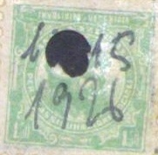 | green_woman_150
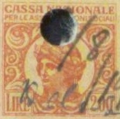 | orange_woman_200
 | blue_woman_130
 | yellow_woman_050
 | red_man_320
 | green_man_455
 | blue_man_270
 | brown_man_185
 | orange_man_505
 | dark_purple_man_435
 | brown_man_650
 | blue_man_1220
 | blue_man_1410
 | black_man_1820
 | purple_man_135
 | red_milord_400
 | blu_milord_200
 | dark_brown_milord_150
 | purple_milord_100
 | orange_milord_190
 | red_flying_woman_300
 | blue_flying_woman_250
 | green_flying_woman_150
 | big_green_horizontal_700

