Packing Specification
Honeycomb Project Management Packing Specification

Product | Flow Wrap 1Kg Bulk Truffle Trunk - Choccy Scoffy |  | Units per Outer | 1
SKU | MB860 |  | Ti | 15
Inner Barcode | N/A |  | Hi | 14
Outer Barcode | 05060413267839 | MUST BE ITF14 | TPQ - Cases / Units | 210 | 210

Components
SKU | Component |  | Supplier | Units per Piece | Units Per Outer
MB850 | Palletainer 120Kg Bulk - Choccy Scoffy Flow Wraps (Matte Film) |  | Honeycomb | 1Kg | 1Kg
ZMOUT-2151 | MB Website Outer 9 x 100g |  | Honeycomb | 1 | 1
ZMLAB-1655 | MB860 1Kg Bulk Flow Wrap Truffle Trunk Label - Choccy Scoffy |  | Honeycomb | 1 | 1
ZMLAB-1550 | MB Truffle Trunk Tamper Seal - 30x85mm |  | Honeycomb | 2 | 2

Packing Process

1 | Construct the Truffle Trunk Website Box, locking the sides into place.

2 | Fill with 1Kg of bulk truffles of the correct flavour, ensuring that wrappers aren't taken into account when calculating the total weight.

3 | Close the lid and seal with 2 x rectangular clear tamper seals, these can be aligned as per image below.

4 | Place the relevent printed Outer Case Label (Choccy Scoffy) onto the side closure flap. Please position as per image below.

Size of inkjet lettering to be at least 3mm high.
5 | Ink Jet the Best Before End date and Production Lot Code into the appropriate area on the label.
 | Follow agreed format (in red below).
6 | Stack flat onto the pallet to the above Ti & Hi shrink wrap and apply a pallet label.

BBE to be in MMM YYYY format. Production Lot Code to be L#YYDDD - XXXXX. (# indicates Line Number, if site doesn't have line numbers, then use 0 - XXXXX = H/C Works Order).

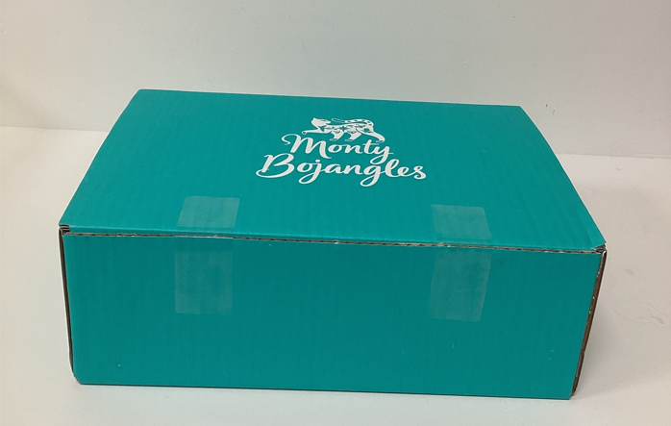
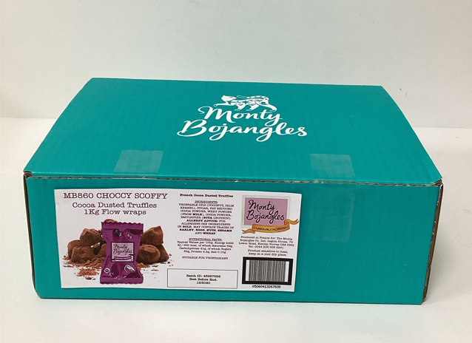
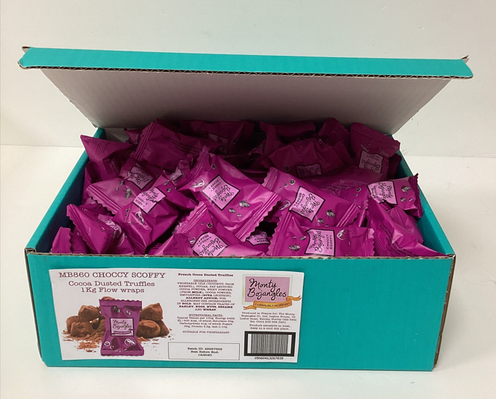

*Images for reference only, may not show correct colour Flow Wrap

Outer Case Label
Outer Case Label for Monty Bojangles MB860 1Kg Bulk Outer

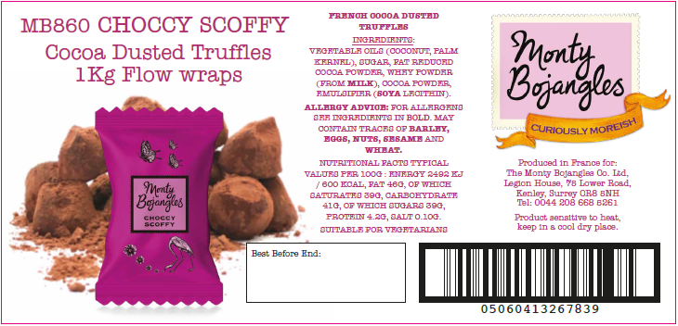

Batch ID = 5 digit Works Order Number
(if WO Num is 4 digits add a 0 on the front, i.e. WO 1834 = 01834)

