Isotopes
lakename | Päiväjärvi
coredate | 19-05-16'

 | 210Pb |  | 214Pb |  | 214Bi |  | 137Cs
731.96 | 0.5 | 14.83 | 0.5 | 12.94 | 0.5 | 575.19 | 0.5
786.7 | 1.5 | 10.81 | 1.5 | 0 | 1.5 | 780.99 | 1.5
464.01 | 2.5 | 22.37 | 2.5 | 30.88 | 2.5 | 1401.28 | 2.5
268.77 | 4.5 | 15.82 | 4.5 | 8.48 | 4.5 | 415.49 | 4.5
101.25 | 6.5 | 17.22 | 6.5 | 10.85 | 6.5 | 164.19 | 6.5
0 | 8.5 | 14.46 | 8.5 | 10.05 | 8.5 | 111.28 | 8.5
49.76 | 10.5 | 18.31 | 10.5 | 15.47 | 10.5 | 115.18 | 10.5
0 | 14.5 | 18.79 | 14.5 | 16.79 | 14.5 | 70.74 | 14.5
0 | 18.5 | 12.13 | 18.5 | 23.15 | 18.5 | 44.19 | 18.5
0 | 22.5 | 15.12 | 22.5 | 6.04 | 22.5 | 36.19 | 22.5
Midpoint Depth | Cumul. Drymass | 210-Pb | 210-Pb (error) | 214-Pb | 214-Pb (error) | 214-Bi | 214-Bi (error) | 137-Cs | 137-Cs (error)
[cm] | [g/cm^2] | [Bq/kg] | [Bq/kg] | [Bq/kg] | [Bq/kg] | [Bq/kg] | [Bq/kg] | [Bq/kg] | [Bq/kg]
0.5 | 0.0248 | 731.96 | 97.31 | 14.83 | 11.93 | 12.94 | 28.03 | 575.19 | 61.16
1.5 | 0.0826 | 786.7 | 93.52 | 10.81 | 10.19 | 0 | 23.93 | 780.99 | 81.91
2.5 | 0.1486 | 464.01 | 73.09 | 22.37 | 10.44 | 30.88 | 25.32 | 1401.28 | 148.9 | 1985, chernobyl
4.5 | 0.2931 | 268.77 | 57.19 | 15.82 | 8.72 | 8.48 | 20.83 | 415.49 | 40.26
6.5 | 0.4439 | 101.25 | 41.89 | 17.22 | 8.67 | 10.85 | 20.16 | 164.19 | 15.14
8.5 | 0.5971 | 0 | 40.19 | 14.46 | 8.23 | 10.05 | 20.11 | 111.28 | 12.67
10.5 | 0.7568 | 49.76 | 39.74 | 18.31 | 7.46 | 15.47 | 17.5 | 115.18 | 11.18
14.5 | 1.0928 | 0 | 36.11 | 18.79 | 8.08 | 16.79 | 19 | 70.74 | 8.69
18.5 | 1.454 | 0 | 36.03 | 12.13 | 8.32 | 23.15 | 20.1 | 44.19 | 7.15
22.5 | 1.8181 | 0 | 43.66 | 15.12 | 9.43 | 6.04 | 22.44 | 36.19 | 6.91

Total (Bq/Kg) |  | 2402.45 |  | 159.86 |  | 134.65 |  | 3714.72
in core

Dating Models
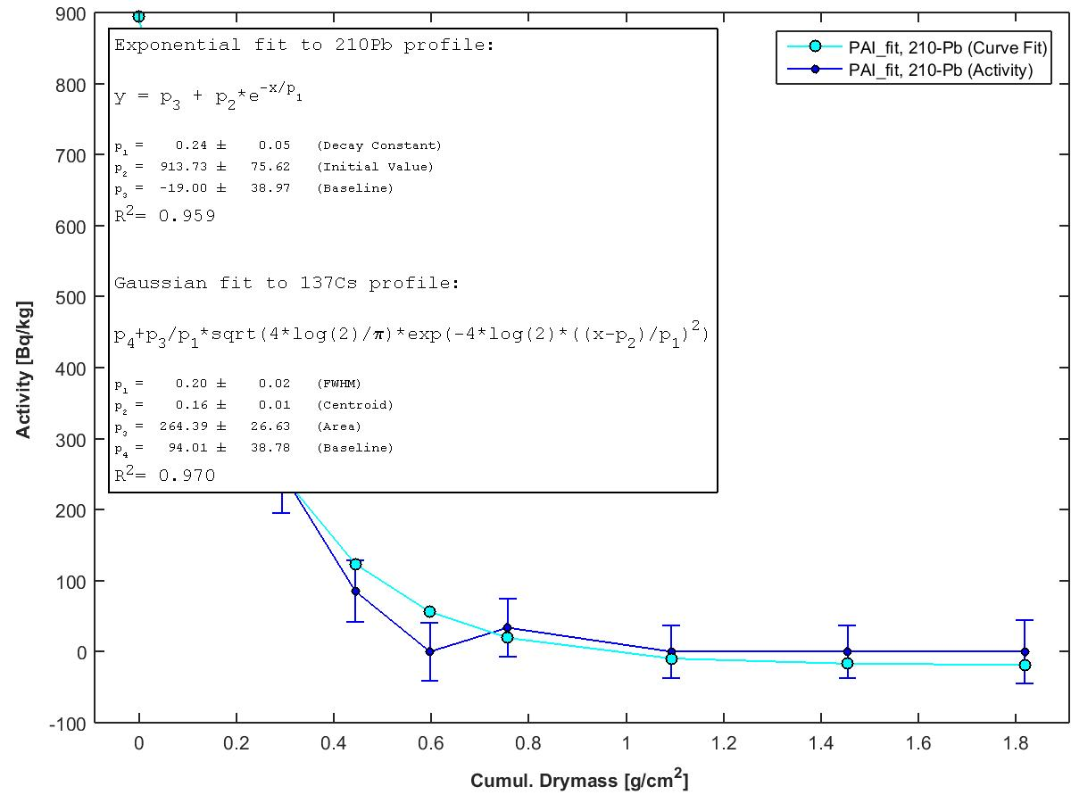
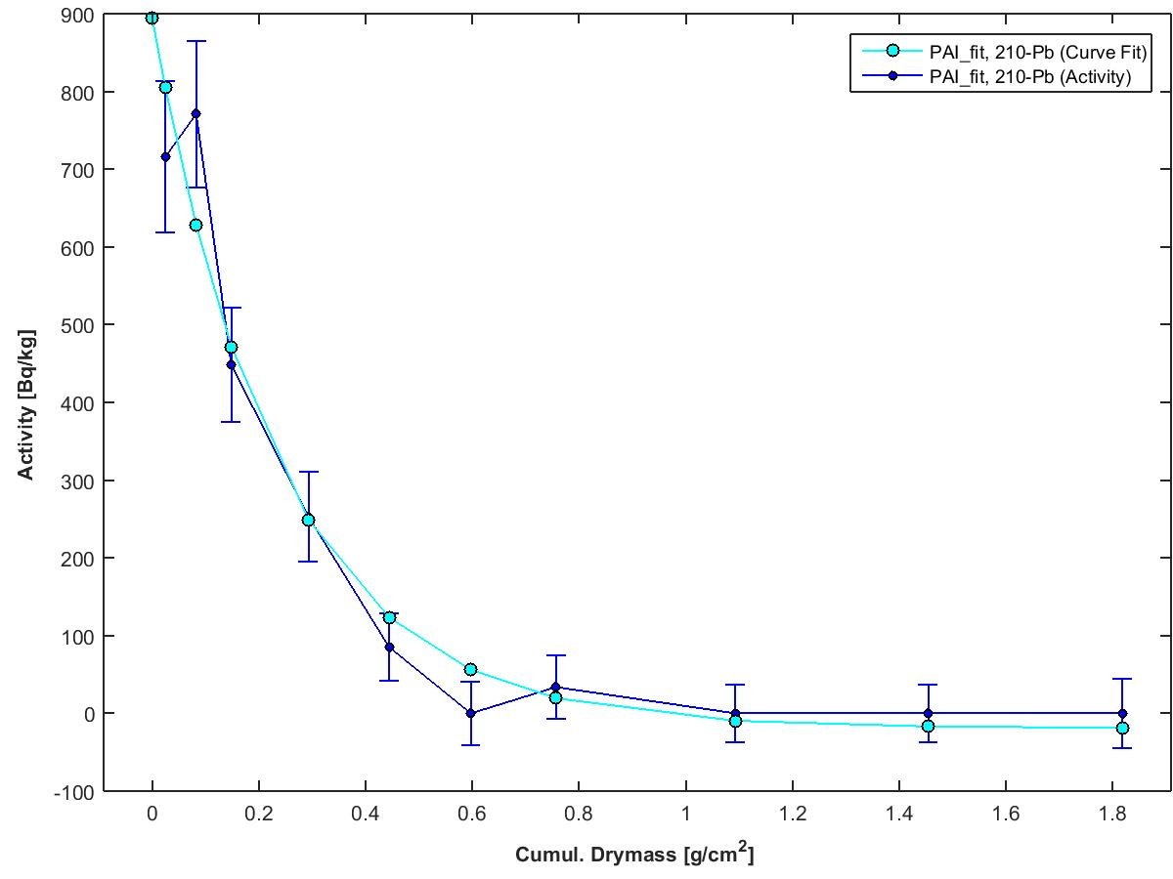
lakename | Päiväjärvi
coredate | 19-05-16' |  |  |  |  |  |  |  | Activity Curve fit R^2= 0.959 |  |  |  |  |  |  |  |  | Activity Curve fit R^2=0.970
 |  |  |  |  |  |  |  |  | Constant Flux & Sedimentation Rate - Profile |  |  | Constant Rate of Supply - Fit |  |  | Constant Initial Concentration - Fit |  |  | Cesium 137 - Fit
Midpoint Depth | Cumul. Drymass | Uns. Activity | Error (Activity) | Supp. Activity | Error (Supp. Act.) | Binford Rule | Inventory | Error (Inventory) | Age (CFCS) | Year (CFCS) | Error (CFCS) | Age (CRS) | Year (CRS) | Error (CRS) | Age (CIC) | Year (CIC) | Error (CIC) | Age (Cs) | Year (Cs) | Error (Cs)
[cm] | [g/cm^2] | [Bq/kg] | [Bq/kg] | [Bq/kg] | [Bq/kg] | [Bq/kg] | [Bq/m^2] | [Bq/m^2] | [y] | [y] | [y] | [y] | [y] | [y] | [y] | [y] | [y] | [y] | [y] | [y]
0 | 0 | 894.8013 | 85.1173 |  |  |  | 1858.1067 | 152.8498 | 0 | 2016.38 | 0 | 0 | 2016.38 | 1.1274 | 0 | 2016.38 | 4.32 | 0 | 2016.38 | 0
0.5 | 0.0248 | 715.974 | 97.739 | 15.986 | 9.147 |  | 1658.3706 | 150.4029 | 3.3346 | 2013.05 | 0.697 | 3.652 | 2012.73 | 1.2612 | 7.1599 | 2009.22 | 5.3431 | 8.6038 | 2007.78 | 0.4428
1.5 | 0.0826 | 770.714 | 93.9663 | 15.986 | 9.147 |  | 1228.7177 | 136.7436 | 11.1063 | 2005.27 | 2.3214 | 13.2815 | 2003.1 | 2.0322 | 4.794 | 2011.59 | 4.9659 | 28.6563 | 1987.72 | 1.4749
2.5 | 0.1486 | 448.024 | 73.6601 | 15.986 | 9.147 |  | 826.5342 | 126.1225 | 19.9806 | 1996.4 | 4.1763 | 26.0139 | 1990.37 | 3.3014 | 22.2144 | 1994.17 | 6.0998 | 51.5536 | 1964.83 | 2.6533
4.5 | 0.2931 | 252.784 | 57.9169 | 15.986 | 9.147 |  | 320.2004 | 90.8246 | 39.41 | 1976.97 | 8.2374 | 56.4665 | 1959.91 | 7.9135 | 40.593 | 1975.79 | 7.9665 | 101.6847 | 1914.7 | 5.2335
6.5 | 0.4439 | 85.264 | 42.877 | 15.986 | 9.147 |  | 65.3122 | 63.1456 | 59.6864 | 1956.69 | 12.4756 | 107.5188 | 1908.86 | 30.074 | 75.4929 | 1940.89 | 16.4352 | 154.0016 | 1862.38 | 7.9261
8.5 | 0.5971 | 0 | 41.2178 | 15.986 | 9.147 |  |  |  | 80.2855 | 1936.1 | 16.7812 |  |  |  |  |  |  | 207.151 | 1809.23 | 10.6615
10.5 | 0.7568 | 33.774 | 40.7791 | 15.986 | 9.147 |  |  |  | 101.7587 | 1914.62 | 21.2695 |  |  |  |  |  |  | 262.5555 | 1753.83 | 13.5131
14.5 | 1.0928 | 0 | 37.2505 | 15.986 | 9.147 |  |  |  | 146.9369 | 1869.44 | 30.7126 |  |  |  |  |  |  | 379.1235 | 1637.26 | 19.5125
18.5 | 1.454 | 0 | 37.173 | 15.986 | 9.147 |  |  |  | 195.5035 | 1820.88 | 40.864 |  |  |  |  |  |  | 504.4341 | 1511.95 | 25.9619
22.5 | 1.8181 | 0 | 44.6079 | 15.986 | 9.147 |  |  |  | 244.4601 | 1771.92 | 51.0968 |  |  |  |  |  |  | 630.7507 | 1385.63 | 32.4631

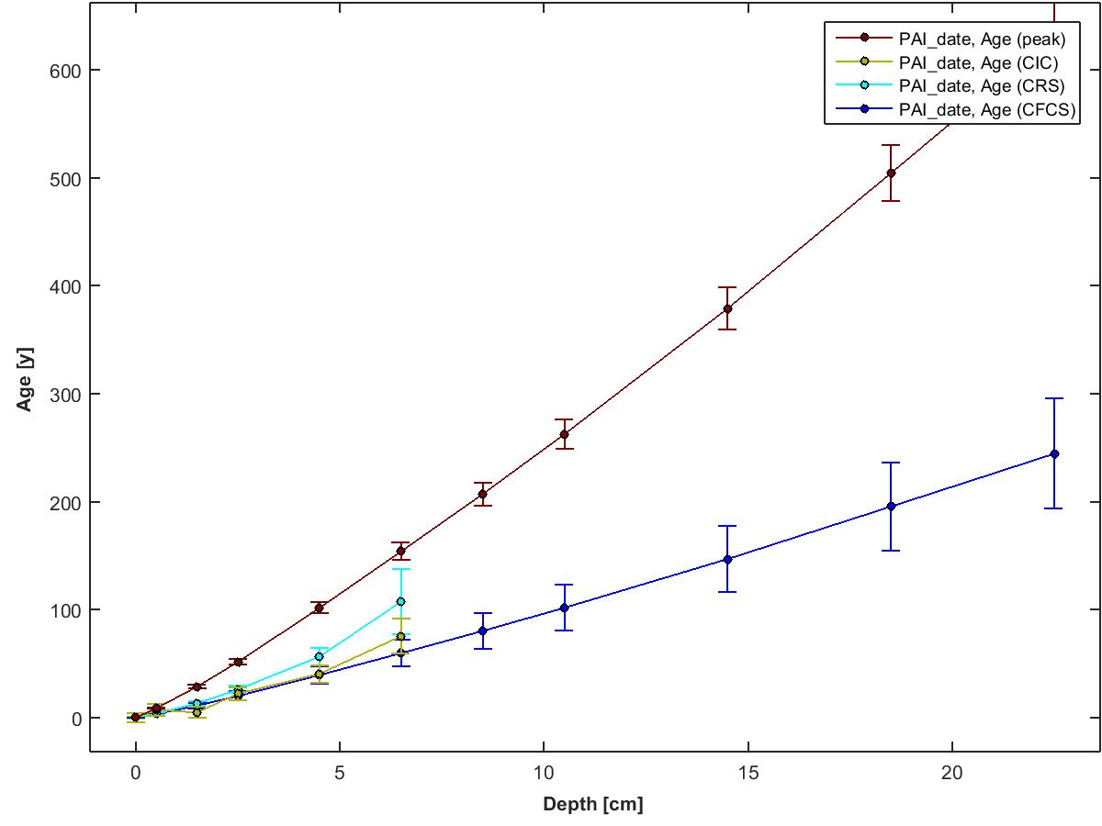
 |  |  |  |  |  |  |  |  |  | 210Pb Flux [Bq/m^2/yr] = | 29.70 | (inventory x supported 210Pb activity, both at surface)
 |  |  |  |  |  |  |  |  |  | Focus Factor = | 0.48 | (210Pb flux / predicted atmospheric flux)
 |  |  |  |  |  |  |  |  |  |  |  | (See Omelchencko et al 2005 for predicted flux value)

Instrument Details
This data has been generated on equipment at the University of Ottawa.

Linda E. Kimpe |  | Gamma Spectrometer - Instrument Details | Software Details
Department of Biology
University of Ottawa |  | Model & Serial Numbers | To acquire spectral data:
30 Marie Curie |  | Model # GWL-120230 | Maestro -32 from Ortec
Ottawa, ON, Canada K1N 6N5 |  | Configuration: XLB-GWL-SV
Tel: 613-562-5800 ext 6668 |  | Preamplifier Model: 257P | To process spectral data:
Fax: 613-562-5486 |  | Preamplifier Serial Number: 823 | ScienTissiME
lkimpe@uottawa.ca |  | H.V. Filter Model: 138 | ScheerSoftwareSolutions
 |  | H.V. Serial Number: 10450 | 6 Coghlan Lane, P.O. Box 86
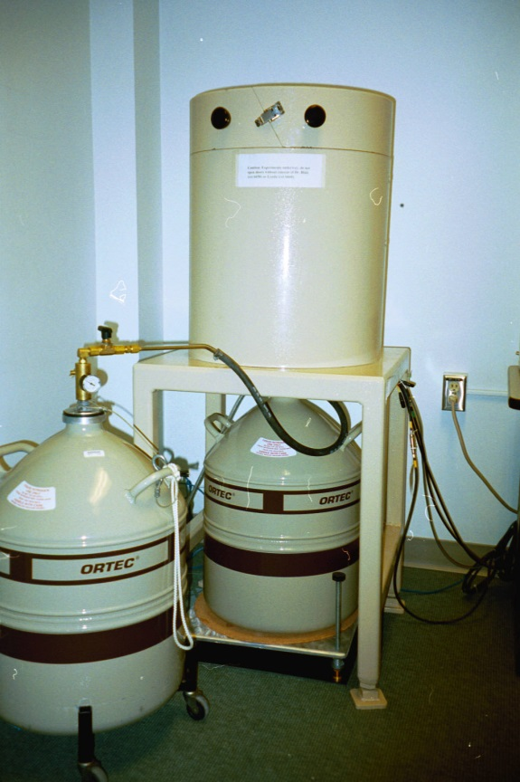
 |  | High Voltage Bias: 1500V Positive | Barry's Bay, ON, K0J 1B0
 |  |  | phone/fax: 613-756-0499
 |  | Dimensions | cell: 613-314-0499
 |  | Germanium Crystal Diameter: 54.7 mm | email: Michael.Scheer@ScienTissiME.com
 |  | Germanium Crystal Length: 66.2 mm
 |  | Active Well Depth: 40 mm | Suggested method description for research publications:
 |  | Well Inside Diameter: 15.5 mm
 |  | Total Active Volume: 120 mm | For 210Pb generated dates:

 |  | Absorbing Layers | "210Pb dating was completed using an Ortec High Purity Germanium Gamma Spectrometer (Oak Ridge, TN, USA)
 |  | Aluminum: 1.27 mm | Certified Reference Materials obtained from International Atomic Energy Association (Vienna, Austria) were
 |  | Inactive Germanium: 0.3 um | used for efficiency corrections, and results were analyzed using ScienTissiME (Barry’s Bay, ON, Canada)”

 |  | Instrument Manufacturer | For 137Cs generated dates:
 |  | Ortec
 |  | Advanced Measurement Technology, Inc | "137Cs dating was completed using an Ortec High Purity Germanium Gamma Spectrometer (Oak Ridge, TN, USA)
 |  | 801 South Illinois Avenue | Certified Reference Materials obtained from International Atomic Energy Association (Vienna, Austria) were
 |  | Oak Ridge, Tennessee 37831-0895 | used for efficiency corrections, and results were analyzed using ScienTissiME (Barry’s Bay, ON, Canada)”
 |  | United States
 | Ortec Gamma Counter | Phone: 865.482.4411
 |  | Phone: 800.251.9750
 |  | Website: http://www.ortec-online.com
 |  | Email: ortec.info@ametek.com

