Isotopes
Sitename | Harjavalta River 20160512
coredate | 17-05-16'

 | 210Pb |  | 214Pb |  | 214Bi |  | 137Cs
150.53 | 0.5 | 72.66 | 0.5 | 79.14 | 0.5 | 366.62 | 0.5
125.66 | 1.5 | 74.51 | 1.5 | 78.68 | 1.5 | 368.11 | 1.5
200.06 | 2.5 | 75.7 | 2.5 | 73.79 | 2.5 | 375.63 | 2.5
192.12 | 3.5 | 67.69 | 3.5 | 81.53 | 3.5 | 367.57 | 3.5
151.83 | 4.5 | 67.96 | 4.5 | 64.08 | 4.5 | 356.86 | 4.5
191.73 | 6.5 | 59 | 6.5 | 55.61 | 6.5 | 363.55 | 6.5
111.21 | 8.5 | 67.11 | 8.5 | 70.71 | 8.5 | 349.26 | 8.5
133.82 | 10.5 | 73.58 | 10.5 | 87.44 | 10.5 | 349.82 | 10.5
173.86 | 12.5 | 70.2 | 12.5 | 69.79 | 12.5 | 432.11 | 12.5
143.09 | 14.5 | 65.54 | 14.5 | 74.06 | 14.5 | 432.89 | 14.5
187.01 | 16.5 | 69.89 | 16.5 | 75.64 | 16.5 | 453.63 | 16.5
193.47 | 18.5 | 69.48 | 18.5 | 68.33 | 18.5 | 417.34 | 18.5
130.89 | 20.5 | 69.15 | 20.5 | 60.78 | 20.5 | 380.79 | 20.5
155.35 | 24.5 | 72.55 | 24.5 | 84.26 | 24.5 | 428.27 | 24.5
81.94 | 28.5 | 67.28 | 28.5 | 76.35 | 28.5 | 513.66 | 28.5
84.82 | 32.5 | 68.26 | 32.5 | 91.15 | 32.5 | 497.96 | 32.5
156.09 | 36.5 | 70.96 | 36.5 | 77.49 | 36.5 | 489.64 | 36.5
154.96 | 40.5 | 69.99 | 40.5 | 98.86 | 40.5 | 493.88 | 40.5
Midpoint Depth | Cumul. Drymass | 210-Pb | 210-Pb (error) | 214-Pb | 214-Pb (error) | 214-Bi | 214-Bi (error) | 137-Cs | 137-Cs (error)
[cm] | [g/cm^2] | [Bq/kg] | [Bq/kg] | [Bq/kg] | [Bq/kg] | [Bq/kg] | [Bq/kg] | [Bq/kg] | [Bq/kg]
0.5 | 0.0778 | 150.53 | 26.77 | 72.66 | 5.37 | 79.14 | 12.01 | 366.62 | 29.38
1.5 | 0.252 | 125.66 | 25 | 74.51 | 4.7 | 78.68 | 9.88 | 368.11 | 28.79
2.5 | 0.4344 | 200.06 | 26.58 | 75.7 | 5.04 | 73.79 | 10.48 | 375.63 | 29.75
3.5 | 0.6451 | 192.12 | 25.4 | 67.69 | 4.54 | 81.53 | 8.83 | 367.57 | 28.82
4.5 | 0.9278 | 151.83 | 26.23 | 67.96 | 5.07 | 64.08 | 10.76 | 356.86 | 29.27
6.5 | 1.6072 | 191.73 | 33.52 | 59 | 5.56 | 55.61 | 12.67 | 363.55 | 34.71
8.5 | 2.3734 | 111.21 | 33.2 | 67.11 | 6.45 | 70.71 | 17.4 | 349.26 | 31.55
10.5 | 3.2318 | 133.82 | 22.1 | 73.58 | 4.19 | 87.44 | 8.14 | 349.82 | 27.15
12.5 | 4.1334 | 173.86 | 24.56 | 70.2 | 4.31 | 69.79 | 8.61 | 432.11 | 33.27
14.5 | 5.0345 | 143.09 | 25.19 | 65.54 | 4.61 | 74.06 | 10.23 | 432.89 | 34.16
16.5 | 5.9522 | 187.01 | 23.3 | 69.89 | 4.15 | 75.64 | 7.8 | 453.63 | 34.96
18.5 | 6.8949 | 193.47 | 24.25 | 69.48 | 4.22 | 68.33 | 7.78 | 417.34 | 32.5
20.5 | 7.8553 | 130.89 | 23.9 | 69.15 | 4.71 | 60.78 | 9.86 | 380.79 | 30.28
24.5 | 9.7334 | 155.35 | 25.71 | 72.55 | 4.75 | 84.26 | 9.12 | 428.27 | 33.87
28.5 | 11.448 | 81.94 | 24.46 | 67.28 | 5.05 | 76.35 | 11.05 | 513.66 | 40.65
32.5 | 12.8856 | 84.82 | 26.57 | 68.26 | 5.46 | 91.15 | 12.56 | 497.96 | 39.61
36.5 | 14.3697 | 156.09 | 23.81 | 70.96 | 4.64 | 77.49 | 9.94 | 489.64 | 38.32
40.5 | 15.9235 | 154.96 | 27.07 | 69.99 | 5.64 | 98.86 | 11.88 | 493.88 | 40.63

Total (Bq/Kg) |  | 2718.44 |  | 1251.51 |  | 1367.69 |  | 7437.59
in core

Dating Models
Sitename | Harjavalta River 20160512
coredate | 17-05-16' |  |  |  |  |  |  |  | Activity Curve fit R^2= 0.120 |  |  |  |  |  |  |  |  | Activity Curve fit R^2=
 |  |  |  |  |  |  |  |  | Constant Flux & Sedimentation Rate - Profile |  |  | Constant Rate of Supply - Fit |  |  | Constant Initial Concentration - Fit |  |  | Cesium 137 - Fit
Midpoint Depth | Cumul. Drymass | Uns. Activity | Error (Activity) | Supp. Activity | Error (Supp. Act.) | Binford Rule | Inventory | Error (Inventory) | Age (CFCS) | Year (CFCS) | Error (CFCS) | Age (CRS) | Year (CRS) | Error (CRS) | Age (CIC) | Year (CIC) | Error (CIC) | Age (Cs) | Year (Cs) | Error (Cs)
[cm] | [g/cm^2] | [Bq/kg] | [Bq/kg] | [Bq/kg] | [Bq/kg] | [Bq/kg] | [Bq/m^2] | [Bq/m^2] | [y] | [y] | [y] | [y] | [y] | [y] | [y] | [y] | [y] | [y] | [y] | [y]
0 | 0 | 95.6191 | 8301.8846 |  |  |  | 11727.4888 | 1173.8283 | 0 | 2016.38 | 0 | 0 | 2016.38 | 0 | 0 | 2016.38 | 3943.0142
0.5 | 0.0778 | 77.8716 | 27.3053 | 72.6569 | 5.373 |  | 11660.0023 | 1173.6284 | 0.036 | 2016.34 | 1.2833 | 0.1853 | 2016.19 | 0.0622 | 6.5932 | 2009.78 | 2788.1548
1.5 | 0.252 | 51.1491 | 25.4386 | 74.5128 | 4.7034 |  | 11547.6066 | 1172.7746 | 0.1165 | 2016.26 | 4.1571 | 0.4964 | 2015.88 | 0.1451 | 20.0908 | 1996.28 | 2788.1778
2.5 | 0.4344 | 124.3594 | 27.0532 | 75.7025 | 5.0419 |  | 11387.5896 | 1171.6291 | 0.2008 | 2016.17 | 7.1649 | 0.9445 | 2015.43 | 0.2187 | -8.4394 | 2024.81 | 2788.1408
3.5 | 0.6451 | 124.4302 | 25.8077 | 67.6901 | 4.5436 |  | 11125.4415 | 1170.2222 | 0.2983 | 2016.08 | 10.6409 | 1.6924 | 2014.68 | 0.3057 | -8.4577 | 2024.83 | 2788.14
4.5 | 0.9278 | 83.8752 | 26.7139 | 67.9584 | 5.0699 |  | 10830.9888 | 1167.6646 | 0.429 | 2015.95 | 15.3042 | 2.5538 | 2013.82 | 0.4222 | 4.2082 | 2012.17 | 2788.1508
6.5 | 1.6072 | 132.7306 | 33.9774 | 59.004 | 5.555 |  | 10095.2307 | 1142.8805 | 0.7431 | 2015.63 | 26.5099 | 4.8129 | 2011.56 | 0.8909 | -10.5314 | 2026.91 | 2788.1442
8.5 | 2.3734 | 44.0944 | 33.8255 | 67.1135 | 6.4521 |  | 9417.7833 | 1112.8526 | 1.0973 | 2015.28 | 39.1487 | 7.0435 | 2009.33 | 1.2665 | 24.8568 | 1991.52 | 2788.2409
10.5 | 3.2318 | 60.2422 | 22.4948 | 73.5766 | 4.1922 |  | 8969.9868 | 1095.3755 | 1.4942 | 2014.88 | 53.3073 | 8.6079 | 2007.77 | 1.4782 | 14.8362 | 2001.54 | 2788.1578
12.5 | 4.1334 | 103.6533 | 24.9372 | 70.2027 | 4.3082 |  | 8231.1271 | 1070.0538 | 1.9111 | 2014.46 | 68.1793 | 11.3684 | 2005.01 | 1.8152 | -2.5909 | 2018.97 | 2788.1428
14.5 | 5.0345 | 77.547 | 25.6042 | 65.539 | 4.6133 |  | 7414.7009 | 1043.7371 | 2.3277 | 2014.05 | 83.0432 | 14.7229 | 2001.65 | 2.2196 | 6.7273 | 2009.65 | 2788.1522
16.5 | 5.9522 | 117.1124 | 23.6637 | 69.8938 | 4.1506 |  | 6521.5398 | 1018.1218 | 2.752 | 2013.62 | 98.1798 | 18.8447 | 1997.53 | 2.7408 | -6.5113 | 2022.89 | 2788.1396
18.5 | 6.8949 | 123.9832 | 24.6173 | 69.4843 | 4.2245 |  | 5385.1253 | 987.9383 | 3.1878 | 2013.19 | 113.7295 | 24.9934 | 1991.38 | 3.6283 | -8.3421 | 2024.72 | 2788.1394
20.5 | 7.8553 | 61.7483 | 24.3566 | 69.1457 | 4.7135 |  | 4493.2909 | 958.9504 | 3.6318 | 2012.74 | 129.5701 | 30.8076 | 1985.57 | 4.6162 | 14.0433 | 2002.33 | 2788.1608
24.5 | 9.7334 | 82.7995 | 26.1426 | 72.551 | 4.754 |  | 3135.87 | 816.4893 | 4.5002 | 2011.87 | 160.5499 | 42.358 | 1974.02 | 6.5464 | 4.6227 | 2011.75 | 2788.1505
28.5 | 11.448 | 14.6529 | 24.9794 | 67.2842 | 5.0527 |  | 2300.4074 | 694.9141 | 5.2929 | 2011.08 | 188.8318 | 52.3073 | 1964.07 | 8.217 | 60.2356 | 1956.14 | 2788.6695
32.5 | 12.8856 | 16.5595 | 27.1267 | 68.2631 | 5.4566 |  | 2076.0494 | 574.9295 | 5.9576 | 2010.42 | 212.545 | 55.6027 | 1960.77 | 7.837 | 56.3073 | 1960.07 | 2788.6283
36.5 | 14.3697 | 85.1299 | 24.255 | 70.959 | 4.6356 |  | 1321.4952 | 439.4958 | 6.6437 | 2009.73 | 237.0237 | 70.1083 | 1946.27 | 9.9342 | 3.7314 | 2012.64 | 2788.1471
40.5 | 15.9235 | 84.9708 | 27.6531 | 69.9852 | 5.6403 |  |  |  | 7.3621 | 2009.01 | 262.6528

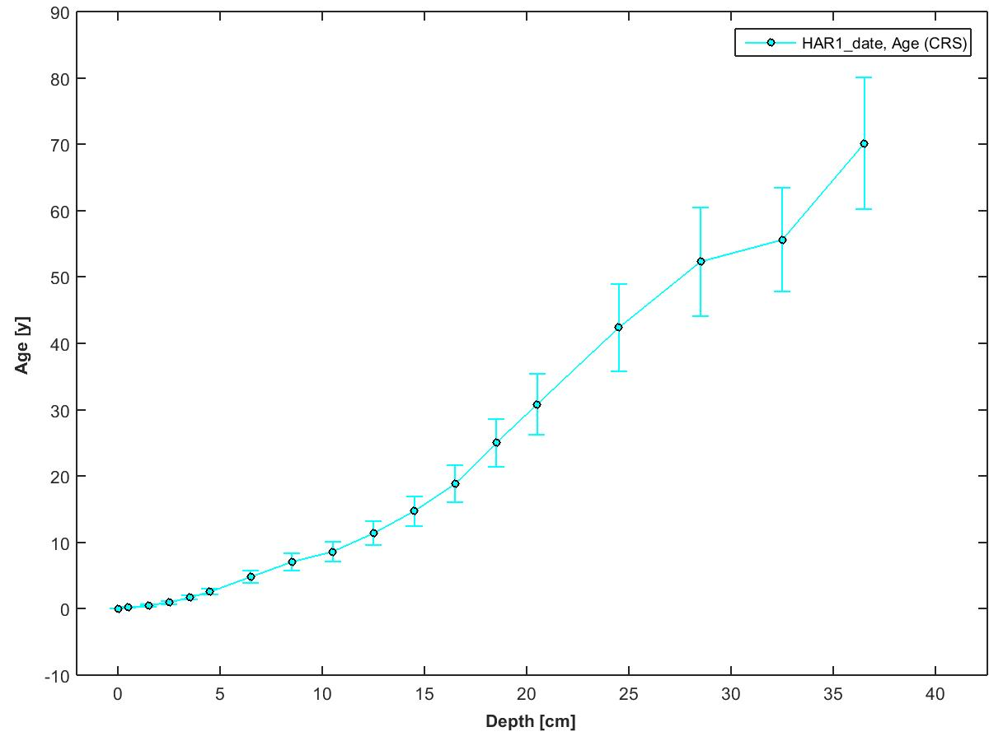
 |  |  |  |  |  |  |  |  |  | 210Pb Flux [Bq/m^2/yr] = | 852.08 | (inventory x supported 210Pb activity, both at surface)
 |  |  |  |  |  |  |  |  |  | Focus Factor = | 13.63 | (210Pb flux / predicted atmospheric flux)
 |  |  |  |  |  |  |  |  |  |  |  | (See Omelchencko et al 2005 for predicted flux value)

Instrument Details
This data has been generated on equipment at the University of Ottawa.

Linda E. Kimpe |  | Gamma Spectrometer - Instrument Details | Software Details
Department of Biology
University of Ottawa |  | Model & Serial Numbers | To acquire spectral data:
30 Marie Curie |  | Model # GWL-120230 | Maestro -32 from Ortec
Ottawa, ON, Canada K1N 6N5 |  | Configuration: XLB-GWL-SV
Tel: 613-562-5800 ext 6668 |  | Preamplifier Model: 257P | To process spectral data:
Fax: 613-562-5486 |  | Preamplifier Serial Number: 823 | ScienTissiME
lkimpe@uottawa.ca |  | H.V. Filter Model: 138 | ScheerSoftwareSolutions
 |  | H.V. Serial Number: 10450 | 6 Coghlan Lane, P.O. Box 86
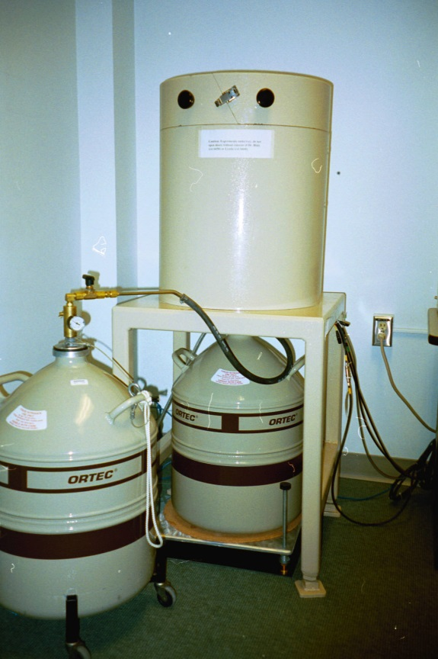
 |  | High Voltage Bias: 1500V Positive | Barry's Bay, ON, K0J 1B0
 |  |  | phone/fax: 613-756-0499
 |  | Dimensions | cell: 613-314-0499
 |  | Germanium Crystal Diameter: 54.7 mm | email: Michael.Scheer@ScienTissiME.com
 |  | Germanium Crystal Length: 66.2 mm
 |  | Active Well Depth: 40 mm | Suggested method description for research publications:
 |  | Well Inside Diameter: 15.5 mm
 |  | Total Active Volume: 120 mm | For 210Pb generated dates:

 |  | Absorbing Layers | "210Pb dating was completed using an Ortec High Purity Germanium Gamma Spectrometer (Oak Ridge, TN, USA)
 |  | Aluminum: 1.27 mm | Certified Reference Materials obtained from International Atomic Energy Association (Vienna, Austria) were
 |  | Inactive Germanium: 0.3 um | used for efficiency corrections, and results were analyzed using ScienTissiME (Barry’s Bay, ON, Canada)”

 |  | Instrument Manufacturer | For 137Cs generated dates:
 |  | Ortec
 |  | Advanced Measurement Technology, Inc | "137Cs dating was completed using an Ortec High Purity Germanium Gamma Spectrometer (Oak Ridge, TN, USA)
 |  | 801 South Illinois Avenue | Certified Reference Materials obtained from International Atomic Energy Association (Vienna, Austria) were
 |  | Oak Ridge, Tennessee 37831-0895 | used for efficiency corrections, and results were analyzed using ScienTissiME (Barry’s Bay, ON, Canada)”
 |  | United States
 | Ortec Gamma Counter | Phone: 865.482.4411
 |  | Phone: 800.251.9750
 |  | Website: http://www.ortec-online.com
 |  | Email: ortec.info@ametek.com

