Isotopes
Sitename | Ojanjarvi 20160519
coredate | 19-05-16'
 | 210Pb |  | 214Pb |  | 214Bi |  | 137Cs
286.39 | 0.5 | 47.97 | 0.5 | 47.53 | 0.5 | 392.33 | 0.5
309.18 | 1.5 | 42.9 | 1.5 | 36.79 | 1.5 | 391.63 | 1.5
307.19 | 2.5 | 38.74 | 2.5 | 38.87 | 2.5 | 422.54 | 2.5
329.43 | 3.5 | 47.37 | 3.5 | 39.64 | 3.5 | 420.23 | 3.5
330.93 | 4.5 | 40.85 | 4.5 | 50.75 | 4.5 | 452.72 | 4.5
200.57 | 6.5 | 36.75 | 6.5 | 47.69 | 6.5 | 611.85 | 6.5
154.69 | 8.5 | 34.05 | 8.5 | 35.94 | 8.5 | 712.74 | 8.5
201.44 | 10.5 | 31.32 | 10.5 | 26.02 | 10.5 | 872.63 | 10.5
168.03 | 12.5 | 32.14 | 12.5 | 44.34 | 12.5 | 1037.71 | 12.5
221.05 | 14.5 | 33.77 | 14.5 | 28.98 | 14.5 | 1212.32 | 14.5
201.04 | 16.5 | 29.24 | 16.5 | 38.05 | 16.5 | 1200.12 | 16.5
167.23 | 18.5 | 44.82 | 18.5 | 30.48 | 18.5 | 1247.89 | 18.5
109.5 | 24.5 | 46.87 | 24.5 | 43.2 | 24.5 | 158.65 | 24.5
137.7 | 28.5 | 47.08 | 28.5 | 41.29 | 28.5 | 46.01 | 28.5
76.8 | 32.5 | 42.28 | 32.5 | 47.87 | 32.5 | 29.08 | 32.5
103.79 | 36.5 | 43.54 | 36.5 | 46.22 | 36.5 | 5.21 | 36.5
51.02 | 40.5 | 41.76 | 40.5 | 43.89 | 40.5 | 0.94 | 40.5
46.09 | 48.5 | 40.61 | 48.5 | 39.54 | 48.5 | 0 | 48.5
Midpoint Depth | Cumul. Drymass | 210-Pb | 210-Pb (error) | 214-Pb | 214-Pb (error) | 214-Bi | 214-Bi (error) | 137-Cs | 137-Cs (error)
[cm] | [g/cm^2] | [Bq/kg] | [Bq/kg] | [Bq/kg] | [Bq/kg] | [Bq/kg] | [Bq/kg] | [Bq/kg] | [Bq/kg]
0.5 | 0.0521 | 286.39 | 39.27 | 47.97 | 6.41 | 47.53 | 14.65 | 392.33 | 35.25
1.5 | 0.166 | 309.18 | 38.6 | 42.9 | 5.74 | 36.79 | 12.52 | 391.63 | 31.34
2.5 | 0.2898 | 307.19 | 38.71 | 38.74 | 5.73 | 38.87 | 12.35 | 422.54 | 33.7
3.5 | 0.408 | 329.43 | 39.53 | 47.37 | 6.13 | 39.64 | 13.34 | 420.23 | 34.76
4.5 | 0.5195 | 330.93 | 43.12 | 40.85 | 6.23 | 50.75 | 14.21 | 452.72 | 36.75
6.5 | 0.7667 | 200.57 | 29.15 | 36.75 | 5.06 | 47.69 | 11.71 | 611.85 | 47.5
8.5 | 1.0379 | 154.69 | 29.32 | 34.05 | 5.29 | 35.94 | 11.42 | 712.74 | 55.21
10.5 | 1.2987 | 201.44 | 33.92 | 31.32 | 5.53 | 26.02 | 12 | 872.63 | 68.11
12.5 | 1.5711 | 168.03 | 28.58 | 32.14 | 5.07 | 44.34 | 11.26 | 1037.71 | 80.28
14.5 | 1.8745 | 221.05 | 32.44 | 33.77 | 4.89 | 28.98 | 10.2 | 1212.32 | 91.3
16.5 | 2.1517 | 201.04 | 34.32 | 29.24 | 5.72 | 38.05 | 12.8 | 1200.12 | 94.06
18.5 | 2.4288 | 167.23 | 29.36 | 44.82 | 5.05 | 30.48 | 10.47 | 1247.89 | 94.89 | 1985 Chernobyl
24.5 | 3.4785 | 109.5 | 21.73 | 46.87 | 4.12 | 43.2 | 8.71 | 158.65 | 12.46
28.5 | 4.3756 | 137.7 | 20.19 | 47.08 | 3.47 | 41.29 | 7.17 | 46.01 | 4.29
32.5 | 5.3561 | 76.8 | 19.49 | 42.28 | 3.48 | 47.87 | 7.03 | 29.08 | 3.18
36.5 | 6.4017 | 103.79 | 17.55 | 43.54 | 3.2 | 46.22 | 6.76 | 5.21 | 1.75
40.5 | 7.6387 | 51.02 | 18.94 | 41.76 | 3.46 | 43.89 | 7.75 | 0.94 | 1.78
48.5 | 10.4214 | 46.09 | 18.54 | 40.61 | 3.81 | 39.54 | 8.5 | 0 | 1.76

Total (Bq/Kg) |  | 3402.07 |  | 722.06 |  | 727.09 |  | 9214.6
in core

Dating Models
Sitename | Ojanjarvi 20160519
coredate | 19-05-16' |  |  |  |  |  |  |  | Activity Curve fit R^2= 0.950 |  |  |  |  |  |  |  |  | Activity Curve fit R^2=
 |  |  |  |  |  |  |  |  | Constant Flux & Sedimentation Rate - Profile |  |  | Constant Rate of Supply - Fit |  |  | Constant Initial Concentration - Fit |  |  | Cesium 137 - Fit
Midpoint Depth | Cumul. Drymass | Uns. Activity | Error (Activity) | Supp. Activity | Error (Supp. Act.) | Binford Rule | Inventory | Error (Inventory) | Age (CFCS) | Year (CFCS) | Error (CFCS) | Age (CRS) | Year (CRS) | Error (CRS) | Age (CIC) | Year (CIC) | Error (CIC) | Age (Cs) | Year (Cs) | Error (Cs)
[cm] | [g/cm^2] | [Bq/kg] | [Bq/kg] | [Bq/kg] | [Bq/kg] | [Bq/kg] | [Bq/m^2] | [Bq/m^2] | [y] | [y] | [y] | [y] | [y] | [y] | [y] | [y] | [y] | [y] | [y] | [y]
0 | 0 | 275.2335 | 46.6304 |  |  |  | 7937.3861 | 756.4431 | 0 | 2016.38 | 0 | 0 | 2016.38 | 0 | 0 | 2016.38 | 7.6942
0.5 | 0.0521 | 238.4224 | 39.7864 | 47.9651 | 6.4117 |  | 7803.4639 | 756.1085 | 0.5646 | 2015.82 | 0.187 | 0.5464 | 2015.83 | 0.1051 | 4.6107 | 2011.77 | 7.6366
1.5 | 0.166 | 266.2869 | 39.0289 | 42.8973 | 5.7405 |  | 7516.1576 | 754.5033 | 1.7975 | 2014.58 | 0.5953 | 1.7511 | 2014.63 | 0.2779 | 1.0612 | 2015.32 | 7.194
2.5 | 0.2898 | 268.4462 | 39.1297 | 38.7412 | 5.7275 |  | 7185.2692 | 752.5884 | 3.1376 | 2013.24 | 1.0391 | 3.1969 | 2013.18 | 0.4436 | 0.8018 | 2015.58 | 7.1771
3.5 | 0.408 | 282.0618 | 40.0003 | 47.3718 | 6.1304 |  | 6859.818 | 750.738 | 4.4179 | 2011.96 | 1.4631 | 4.6854 | 2011.7 | 0.6069 | -0.787 | 2017.17 | 7.0951
4.5 | 0.5195 | 290.0812 | 43.5652 | 40.8456 | 6.229 |  | 6540.8165 | 748.8223 | 5.6254 | 2010.76 | 1.863 | 6.2146 | 2010.17 | 0.7786 | -1.6873 | 2018.07 | 7.2705
6.5 | 0.7667 | 163.8259 | 29.5826 | 36.7469 | 5.0598 |  | 5979.6836 | 744.702 | 8.3027 | 2008.08 | 2.7496 | 9.0949 | 2007.29 | 1.1232 | 16.6608 | 1999.72 | 7.9515
8.5 | 1.0379 | 120.6372 | 29.7916 | 34.0485 | 5.2853 |  | 5593.9707 | 739.9524 | 11.2393 | 2005.14 | 3.7221 | 11.2362 | 2005.14 | 1.406 | 26.4879 | 1989.89 | 9.6172
10.5 | 1.2987 | 170.1282 | 34.3649 | 31.3164 | 5.5269 |  | 5214.8282 | 733.8482 | 14.0632 | 2002.32 | 4.6574 | 13.49 | 2002.89 | 1.7187 | 15.4485 | 2000.93 | 8.4662
12.5 | 1.5711 | 135.8829 | 29.0283 | 32.143 | 5.0738 |  | 4798.1092 | 729.117 | 17.0124 | 1999.37 | 5.6341 | 16.1645 | 2000.22 | 2.0951 | 22.6662 | 1993.71 | 8.7557
14.5 | 1.8745 | 187.2744 | 32.8058 | 33.7713 | 4.8908 |  | 4307.8133 | 721.1933 | 20.2983 | 1996.08 | 6.7222 | 19.626 | 1996.75 | 2.6261 | 12.365 | 2004.02 | 7.826
16.5 | 2.1517 | 171.8011 | 34.7933 | 29.2368 | 5.7196 |  | 3810.0914 | 713.936 | 23.3002 | 1993.08 | 7.7164 | 23.5687 | 1992.81 | 3.2883 | 15.1343 | 2001.25 | 8.4792
18.5 | 2.4288 | 122.4119 | 29.7919 | 44.8191 | 5.0498 |  | 3402.4537 | 708.7493 | 26.3008 | 1990.08 | 8.7101 | 27.2025 | 1989.18 | 3.9687 | 26.0189 | 1990.36 | 9.5227
24.5 | 3.4785 | 62.6298 | 22.1205 | 46.8731 | 4.1208 |  | 2431.2768 | 668.0518 | 37.6673 | 1978.71 | 12.4744 | 37.9951 | 1978.39 | 6.2871 | 47.5395 | 1968.84 | 12.5795
28.5 | 4.3756 | 90.6244 | 20.4826 | 47.0786 | 3.4689 |  | 1743.8969 | 639.7619 | 47.381 | 1969 | 15.6913 | 48.6661 | 1967.71 | 9.3365 | 35.6743 | 1980.71 | 9.0708
32.5 | 5.3561 | 34.5157 | 19.8033 | 42.2845 | 3.4845 |  | 1130.3966 | 609.1235 | 57.9984 | 1958.38 | 19.2075 | 62.5888 | 1953.79 | 14.9505 | 66.6733 | 1949.71 | 19.2113
36.5 | 6.4017 | 60.2466 | 17.8387 | 43.5435 | 3.1999 |  | 634.9589 | 578.1814 | 69.3212 | 1947.06 | 22.9573 | 81.1104 | 1935.27 | 26.9746 | 48.7853 | 1967.6 | 10.955
40.5 | 7.6387 | 9.2588 | 19.252 | 41.7572 | 3.4574 |  | 205.0631 | 526.7961 | 82.7162 | 1933.66 | 27.3933 | 117.406 | 1898.97 | 80.3954 | 108.9288 | 1907.45 | 66.9943
48.5 | 10.4214 | 5.4797 | 18.9274 | 40.612 | 3.8143 |  |  |  | 112.8485 | 1903.53 | 37.3723

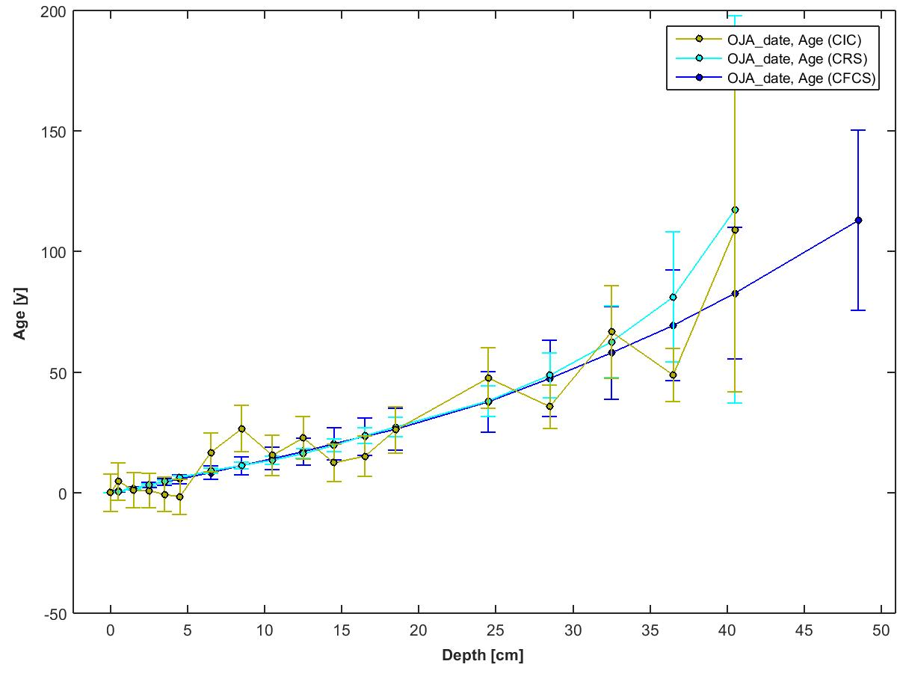
 |  |  |  |  |  |  |  |  |  | 210Pb Flux [Bq/m^2/yr] = | 380.72 | (inventory x supported 210Pb activity, both at surface)
 |  |  |  |  |  |  |  |  |  | Focus Factor = | 6.09 | (210Pb flux / predicted atmospheric flux)
 |  |  |  |  |  |  |  |  |  |  |  | (See Omelchencko et al 2005 for predicted flux value)

Instrument Details
This data has been generated on equipment at the University of Ottawa.

Linda E. Kimpe |  | Gamma Spectrometer - Instrument Details | Software Details
Department of Biology
University of Ottawa |  | Model & Serial Numbers | To acquire spectral data:
30 Marie Curie |  | Model # GWL-120230 | Maestro -32 from Ortec
Ottawa, ON, Canada K1N 6N5 |  | Configuration: XLB-GWL-SV
Tel: 613-562-5800 ext 6668 |  | Preamplifier Model: 257P | To process spectral data:
Fax: 613-562-5486 |  | Preamplifier Serial Number: 823 | ScienTissiME
lkimpe@uottawa.ca |  | H.V. Filter Model: 138 | ScheerSoftwareSolutions
 |  | H.V. Serial Number: 10450 | 6 Coghlan Lane, P.O. Box 86
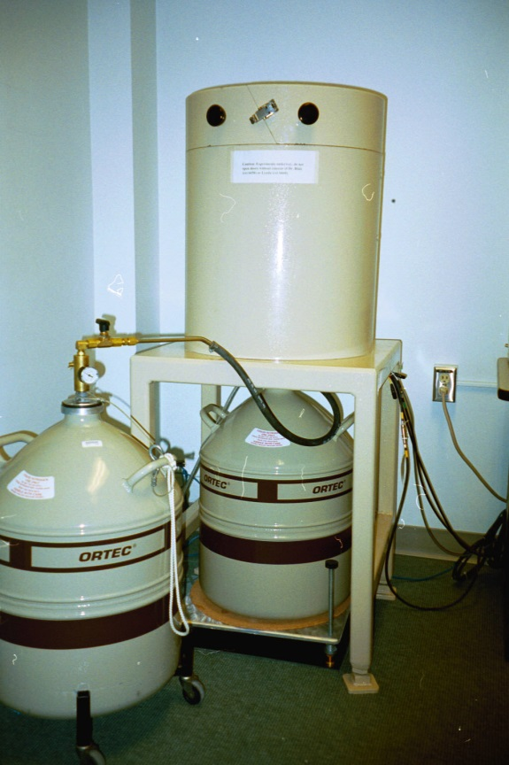
 |  | High Voltage Bias: 1500V Positive | Barry's Bay, ON, K0J 1B0
 |  |  | phone/fax: 613-756-0499
 |  | Dimensions | cell: 613-314-0499
 |  | Germanium Crystal Diameter: 54.7 mm | email: Michael.Scheer@ScienTissiME.com
 |  | Germanium Crystal Length: 66.2 mm
 |  | Active Well Depth: 40 mm | Suggested method description for research publications:
 |  | Well Inside Diameter: 15.5 mm
 |  | Total Active Volume: 120 mm | For 210Pb generated dates:

 |  | Absorbing Layers | "210Pb dating was completed using an Ortec High Purity Germanium Gamma Spectrometer (Oak Ridge, TN, USA)
 |  | Aluminum: 1.27 mm | Certified Reference Materials obtained from International Atomic Energy Association (Vienna, Austria) were
 |  | Inactive Germanium: 0.3 um | used for efficiency corrections, and results were analyzed using ScienTissiME (Barry’s Bay, ON, Canada)”

 |  | Instrument Manufacturer | For 137Cs generated dates:
 |  | Ortec
 |  | Advanced Measurement Technology, Inc | "137Cs dating was completed using an Ortec High Purity Germanium Gamma Spectrometer (Oak Ridge, TN, USA)
 |  | 801 South Illinois Avenue | Certified Reference Materials obtained from International Atomic Energy Association (Vienna, Austria) were
 |  | Oak Ridge, Tennessee 37831-0895 | used for efficiency corrections, and results were analyzed using ScienTissiME (Barry’s Bay, ON, Canada)”
 |  | United States
 | Ortec Gamma Counter | Phone: 865.482.4411
 |  | Phone: 800.251.9750
 |  | Website: http://www.ortec-online.com
 |  | Email: ortec.info@ametek.com

