Isotopes
lakename | Pulmankijärvi
coredate | 08-04-16'

 | 210Pb |  | 214Pb |  | 214Bi |  | 137Cs
474.69 | 0.5 | 36.35 | 0.5 | 58.73 | 0.5 | 53.24 | 0.5
288.1 | 1.5 | 36.22 | 1.5 | 28.17 | 1.5 | 53.28 | 1.5
312.8 | 2.5 | 40.78 | 2.5 | 50.25 | 2.5 | 101.86 | 2.5
282.09 | 3.5 | 41.69 | 3.5 | 47.72 | 3.5 | 206.24 | 3.5
196.07 | 5.5 | 42.66 | 5.5 | 40.31 | 5.5 | 250.31 | 5.5
69.61 | 7.5 | 43.32 | 7.5 | 41.73 | 7.5 | 38.05 | 7.5
54.95 | 9.5 | 41.7 | 9.5 | 45.35 | 9.5 | 4.48 | 9.5
48.47 | 11.5 | 46.06 | 11.5 | 55.64 | 11.5 | 0.37 | 11.5
56.83 | 13.5 | 45.69 | 13.5 | 50.41 | 13.5 | 0 | 13.5
31.13 | 15.5 | 44.78 | 15.5 | 47.55 | 15.5 | 0.98 | 15.5
37.81 | 17.5 | 42.68 | 17.5 | 46.38 | 17.5 | 0 | 17.5
34.5 | 19.5 | 39.01 | 19.5 | 41.97 | 19.5 | 0 | 19.5
Midpoint Depth | Cumul. Drymass | 210-Pb | 210-Pb (error) | 214-Pb | 214-Pb (error) | 214-Bi | 214-Bi (error) | 137-Cs | 137-Cs (error)
[cm] | [g/cm^2] | [Bq/kg] | [Bq/kg] | [Bq/kg] | [Bq/kg] | [Bq/kg] | [Bq/kg] | [Bq/kg] | [Bq/kg]
0.5 | 0.0391 | 474.69 | 60.59 | 36.35 | 6.86 | 58.73 | 17.16 | 53.24 | 7.45
1.5 | 0.1379 | 288.1 | 38.69 | 36.22 | 5.38 | 28.17 | 12.41 | 53.28 | 6.53
2.5 | 0.2987 | 312.8 | 31.43 | 40.78 | 3.88 | 50.25 | 8.94 | 101.86 | 8.62
3.5 | 0.5099 | 282.09 | 28.53 | 41.69 | 3.61 | 47.72 | 8.11 | 206.24 | 16.44
5.5 | 1.0236 | 196.07 | 23.13 | 42.66 | 3.73 | 40.31 | 8.05 | 250.31 | 19.75 | 1961
7.5 | 1.7174 | 69.61 | 16.6 | 43.32 | 3.43 | 41.73 | 7.51 | 38.05 | 3.78
9.5 | 2.6766 | 54.95 | 12.75 | 41.7 | 2.99 | 45.35 | 6.69 | 4.48 | 1.51
11.5 | 3.938 | 48.47 | 12.77 | 46.06 | 3.1 | 55.64 | 6.86 | 0.37 | 1.4
13.5 | 5.3847 | 56.83 | 13.09 | 45.69 | 2.99 | 50.41 | 6.78 | 0 | 1.31
15.5 | 6.9502 | 31.13 | 11.4 | 44.78 | 2.75 | 47.55 | 5.46 | 0.98 | 1.18
17.5 | 8.6721 | 37.81 | 11.83 | 42.68 | 2.7 | 46.38 | 5.39 | 0 | 1.21
19.5 | 10.412 | 34.5 | 11.95 | 39.01 | 2.65 | 41.97 | 5.8 | 0 | 1.17

Total (Bq/Kg) |  | 1887.05 |  | 500.94 |  | 554.21 |  | 708.81
in core

Dating Models
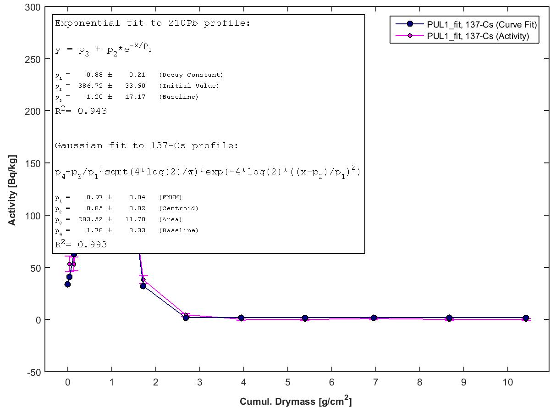
lakename | Pulmankijärvi
coredate | 08-04-16' |  |  |  |  |  |  |  | Activity Curve fit R^2= 0.43 |  |  |  |  |  |  |  |  | Activity Curve fit R^2=0.93
 |  |  |  |  |  |  |  |  | Constant Flux & Sedimentation Rate - Profile |  |  | Constant Rate of Supply - Fit |  |  | Constant Initial Concentration - Fit |  |  | Cesium 137 - Fit
Midpoint Depth | Cumul. Drymass | Uns. Activity | Error (Activity) | Supp. Activity | Error (Supp. Act.) | Binford Rule | Inventory | Error (Inventory) | Age (CFCS) | Year (CFCS) | Error (CFCS) | Age (CRS) | Year (CRS) | Error (CRS) | Age (CIC) | Year (CIC) | Error (CIC) | Age (Cs) | Year (Cs) | Error (Cs)
[cm] | [g/cm^2] | [Bq/kg] | [Bq/kg] | [Bq/kg] | [Bq/kg] | [Bq/kg] | [Bq/m^2] | [Bq/m^2] | [y] | [y] | [y] | [y] | [y] | [y] | [y] | [y] | [y] | [y] | [y] | [y]
0 | 0 | 432.945 | 60.7012 |  |  |  | 3429.289 | 294.9516 | 0 | 2016.27 | 0 | 0 | 2016.27 | 1.8474 | 0 | 2016.27 | 6.3674 | 0 | 2016.27 | 0
0.5 | 0.0391 | 432.945 | 60.7012 | 41.745 | 3.6725 |  | 3260.0075 | 293.7562 | 1.4239 | 2014.84 | 0.3388 | 1.6257 | 2014.64 | 1.8695 | 0 | 2016.27 | 6.3674 | 2.4418 | 2013.83 | 0.0477
1.5 | 0.1379 | 246.355 | 38.8639 | 41.745 | 3.6725 |  | 2924.4333 | 290.7371 | 5.022 | 2011.25 | 1.1947 | 5.1141 | 2011.15 | 1.9622 | 18.1065 | 1998.16 | 6.7776 | 8.612 | 2007.66 | 0.1681
2.5 | 0.2987 | 271.055 | 31.6438 | 41.745 | 3.6725 |  | 2508.4356 | 284.6192 | 10.878 | 2005.39 | 2.5878 | 10.0415 | 2006.23 | 2.2125 | 15.0382 | 2001.23 | 5.8589 | 18.6542 | 1997.61 | 0.3641
3.5 | 0.5099 | 240.345 | 28.7654 | 41.745 | 3.6725 |  | 1968.3972 | 275.7801 | 18.5694 | 1997.7 | 4.4176 | 17.827 | 1998.44 | 2.8365 | 18.8997 | 1997.37 | 5.9198 | 31.8439 | 1984.42 | 0.6216
5.5 | 1.0236 | 154.325 | 23.4197 | 41.745 | 3.6725 |  | 954.6873 | 241.8704 | 37.2771 | 1978.99 | 8.8682 | 41.0637 | 1975.2 | 6.3544 | 33.1262 | 1983.14 | 6.6349 | 63.925 | 1952.34 | 1.2479
7.5 | 1.7174 | 27.865 | 17.0014 | 41.745 | 3.6725 |  | 322.6702 | 210.724 | 62.5437 | 1953.72 | 14.879 | 75.8984 | 1940.37 | 19.1857 | 88.0937 | 1928.17 | 20.1039 | 107.2537 | 1909.01 | 2.0937
9.5 | 2.6766 | 13.205 | 13.2684 | 41.745 | 3.6725 |  | 125.6985 | 167.7149 | 97.4755 | 1918.79 | 23.1893 | 106.1728 | 1910.1 | 41.3804 | 112.075 | 1904.19 | 32.5798 | 167.1569 | 1849.11 | 3.263
11.5 | 3.938 | 6.725 | 13.2876 | 41.745 | 3.6725 |  |  |  | 143.4127 | 1872.86 | 34.1177 | 145.9853 | 1870.28 |  | 143.6116 | 1870.28 |  | 245.9328 | 1770.34 | 4.8008
13.5 | 5.3847 | 15.085 | 13.5954 | 41.745 | 3.6725 |  |  |  | 196.0982 | 1820.17 | 46.6515 | 191.6462 | 1824.62 |  | 179.781 | 1824.62 |  | 336.281 | 1679.99 | 6.5644
15.5 | 6.9502 | 0 | 11.9769 | 41.745 | 3.6725 |  |  |  | 253.11 | 1763.16 | 60.2145 | 241.0567 | 1775.21 |  | 218.9205 | 1775.21 |  | 434.0483 | 1582.22 | 8.4729
17.5 | 8.6721 | 0 | 12.3869 | 41.745 | 3.6725 |  |  |  | 315.8176 | 1700.45 | 75.1325 | 295.4036 | 1720.86 |  | 261.9703 | 1720.86 |  | 541.5831 | 1474.69 | 10.5721
19.5 | 10.412 | 0 | 12.5016 | 41.745 | 3.6725 |  |  |  | 379.1806 | 1637.09 | 90.2065 | 350.3185 | 1665.95 |  | 305.47 | 1665.95 |  | 650.2419 | 1366.03 | 12.6932

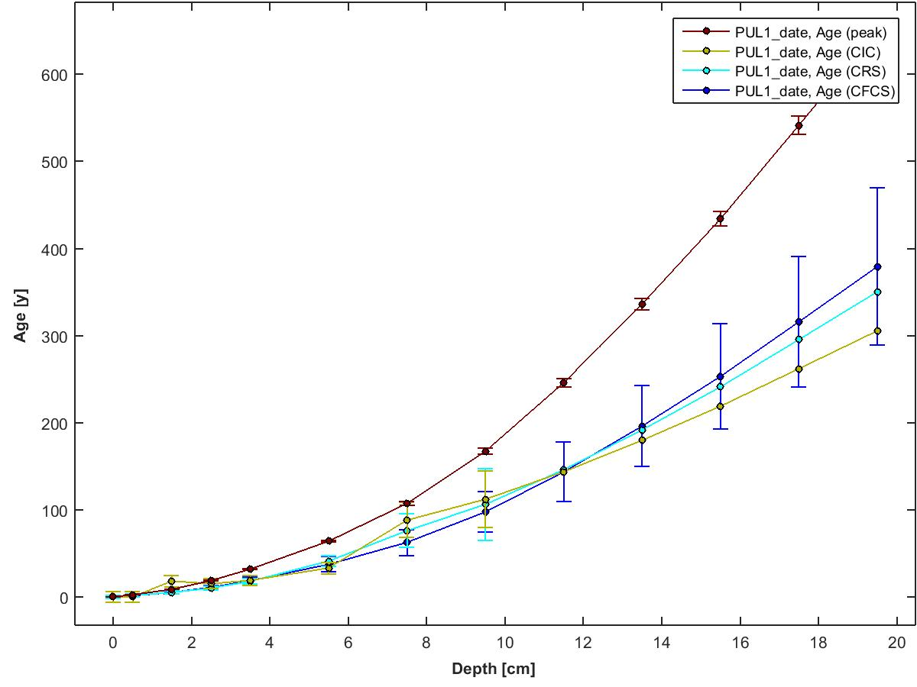
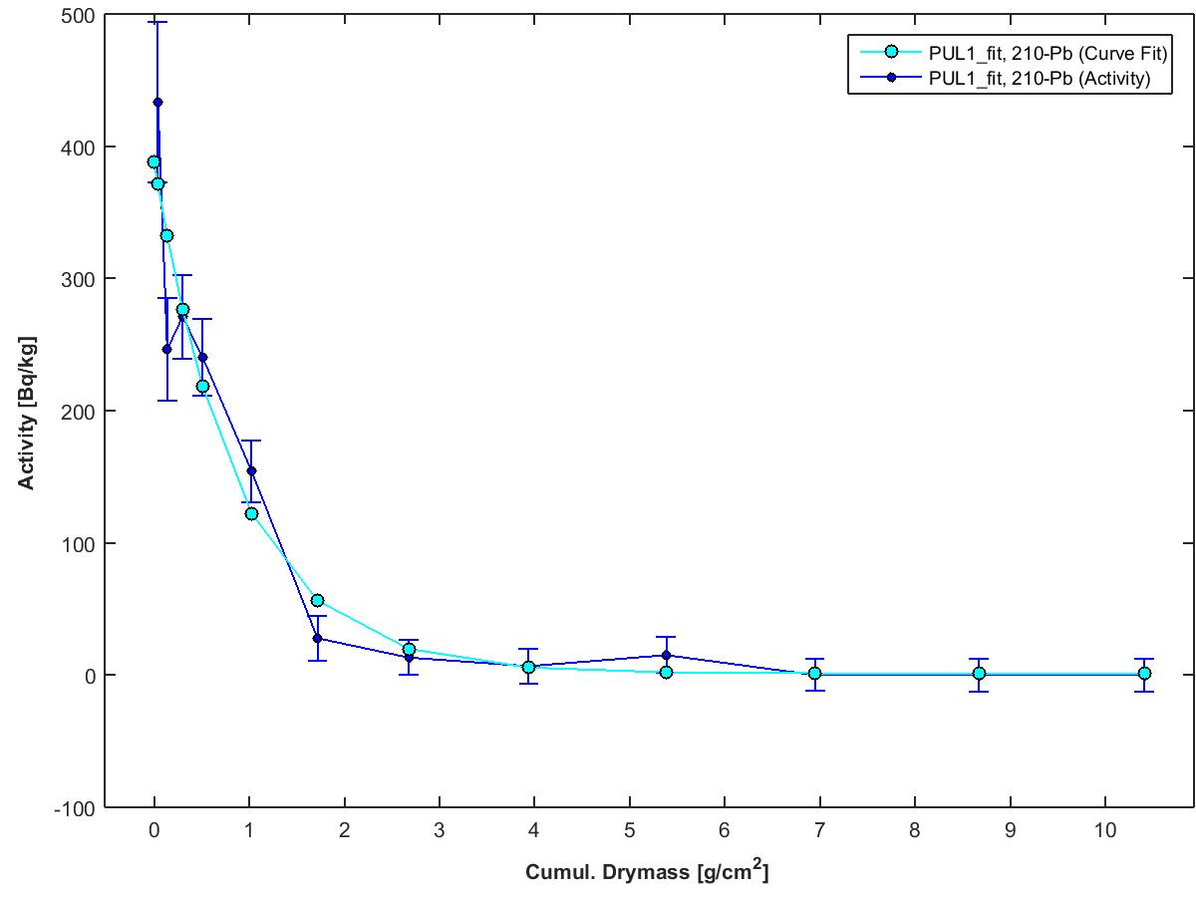
 |  |  |  |  |  |  |  |  |  | 210Pb Flux [Bq/m^2/yr] = | 143.16 | (inventory x supported 210Pb activity, both at surface)
 |  |  |  |  |  |  |  |  |  | Focus Factor = | 2.29 | (210Pb flux / predicted atmospheric flux)
 |  |  |  |  |  |  |  |  |  |  |  | (See Omelchencko et al 2005 for predicted flux value)

Instrument Details
This data has been generated on equipment at the University of Ottawa.

Linda E. Kimpe |  | Gamma Spectrometer - Instrument Details | Software Details
Department of Biology
University of Ottawa |  | Model & Serial Numbers | To acquire spectral data:
30 Marie Curie |  | Model # GWL-120230 | Maestro -32 from Ortec
Ottawa, ON, Canada K1N 6N5 |  | Configuration: XLB-GWL-SV
Tel: 613-562-5800 ext 6668 |  | Preamplifier Model: 257P | To process spectral data:
Fax: 613-562-5486 |  | Preamplifier Serial Number: 823 | ScienTissiME
lkimpe@uottawa.ca |  | H.V. Filter Model: 138 | ScheerSoftwareSolutions
 |  | H.V. Serial Number: 10450 | 6 Coghlan Lane, P.O. Box 86
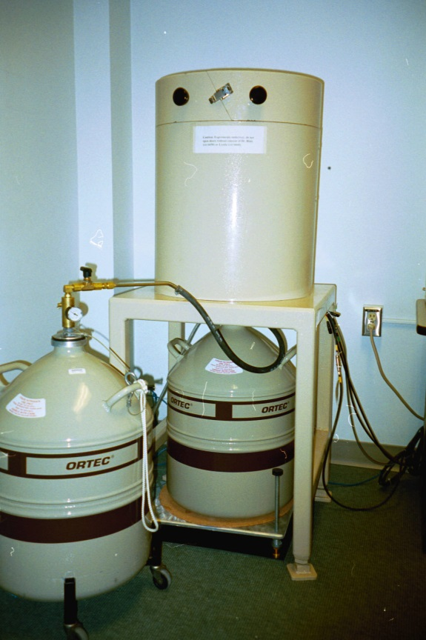
 |  | High Voltage Bias: 1500V Positive | Barry's Bay, ON, K0J 1B0
 |  |  | phone/fax: 613-756-0499
 |  | Dimensions | cell: 613-314-0499
 |  | Germanium Crystal Diameter: 54.7 mm | email: Michael.Scheer@ScienTissiME.com
 |  | Germanium Crystal Length: 66.2 mm
 |  | Active Well Depth: 40 mm | Suggested method description for research publications:
 |  | Well Inside Diameter: 15.5 mm
 |  | Total Active Volume: 120 mm | For 210Pb generated dates:

 |  | Absorbing Layers | "210Pb dating was completed using an Ortec High Purity Germanium Gamma Spectrometer (Oak Ridge, TN, USA)
 |  | Aluminum: 1.27 mm | Certified Reference Materials obtained from International Atomic Energy Association (Vienna, Austria) were
 |  | Inactive Germanium: 0.3 um | used for efficiency corrections, and results were analyzed using ScienTissiME (Barry’s Bay, ON, Canada)”

 |  | Instrument Manufacturer | For 137Cs generated dates:
 |  | Ortec
 |  | Advanced Measurement Technology, Inc | "137Cs dating was completed using an Ortec High Purity Germanium Gamma Spectrometer (Oak Ridge, TN, USA)
 |  | 801 South Illinois Avenue | Certified Reference Materials obtained from International Atomic Energy Association (Vienna, Austria) were
 |  | Oak Ridge, Tennessee 37831-0895 | used for efficiency corrections, and results were analyzed using ScienTissiME (Barry’s Bay, ON, Canada)”
 |  | United States
 | Ortec Gamma Counter | Phone: 865.482.4411
 |  | Phone: 800.251.9750
 |  | Website: http://www.ortec-online.com
 |  | Email: ortec.info@ametek.com

