Isotopes
lakename | Vuolimusjarvi
coredate | 06-04-16'

 | 210Pb |  | 214Pb |  | 214Bi |  | 137Cs
1143.77 | 0.5 | 21.45 | 0.5 | 13.02 | 0.5 | 27.05 | 0.5
1088.5 | 1.5 | 31.63 | 1.5 | 0 | 1.5 | 35.17 | 1.5
935.25 | 2.5 | 21.9 | 2.5 | 29.62 | 2.5 | 37.02 | 2.5
1157.29 | 3.5 | 17.06 | 3.5 | 14.46 | 3.5 | 57.15 | 3.5
731.83 | 4.5 | 12.14 | 4.5 | 31.91 | 4.5 | 91.14 | 4.5
614.37 | 5.5 | 20.73 | 5.5 | 21.91 | 5.5 | 64.83 | 5.5
312.02 | 6.5 | 21.33 | 6.5 | 8.77 | 6.5 | 39.52 | 6.5
115.52 | 7.5 | 25.84 | 7.5 | 26.61 | 7.5 | 30.84 | 7.5
Midpoint Depth | Cumul. Drymass | 210-Pb | 210-Pb (error) | 214-Pb | 214-Pb (error) | 214-Bi | 214-Bi (error) | 137-Cs | 137-Cs (error)
[cm] | [g/cm^2] | [Bq/kg] | [Bq/kg] | [Bq/kg] | [Bq/kg] | [Bq/kg] | [Bq/kg] | [Bq/kg] | [Bq/kg]
0.5 | 0.0203 | 1143.77 | 142.57 | 21.45 | 13.35 | 13.02 | 32.56 | 27.05 | 8.96
1.5 | 0.0618 | 1088.5 | 135.27 | 31.63 | 13.13 | 0 | 31.97 | 35.17 | 8.88
2.5 | 0.1089 | 935.25 | 93.21 | 21.9 | 10.56 | 29.62 | 24.72 | 37.02 | 7.2
3.5 | 0.1632 | 1157.29 | 114.99 | 17.06 | 10.88 | 14.46 | 26.04 | 57.15 | 8.55
4.5 | 0.2194 | 731.83 | 86.81 | 12.14 | 10.67 | 31.91 | 25.78 | 91.14 | 10.91 | 1961
5.5 | 0.2776 | 614.37 | 70.25 | 20.73 | 9.76 | 21.91 | 22.8 | 64.83 | 8.49
6.5 | 0.3373 | 312.02 | 53.18 | 21.33 | 9.35 | 8.77 | 22.8 | 39.52 | 6.69
7.5 | 0.3984 | 115.52 | 44.27 | 25.84 | 9.34 | 26.61 | 21.65 | 30.84 | 6.34

Total (Bq/Kg) |  | 6098.55 |  | 172.08 |  | 146.3 |  | 382.72
in core

Dating Models
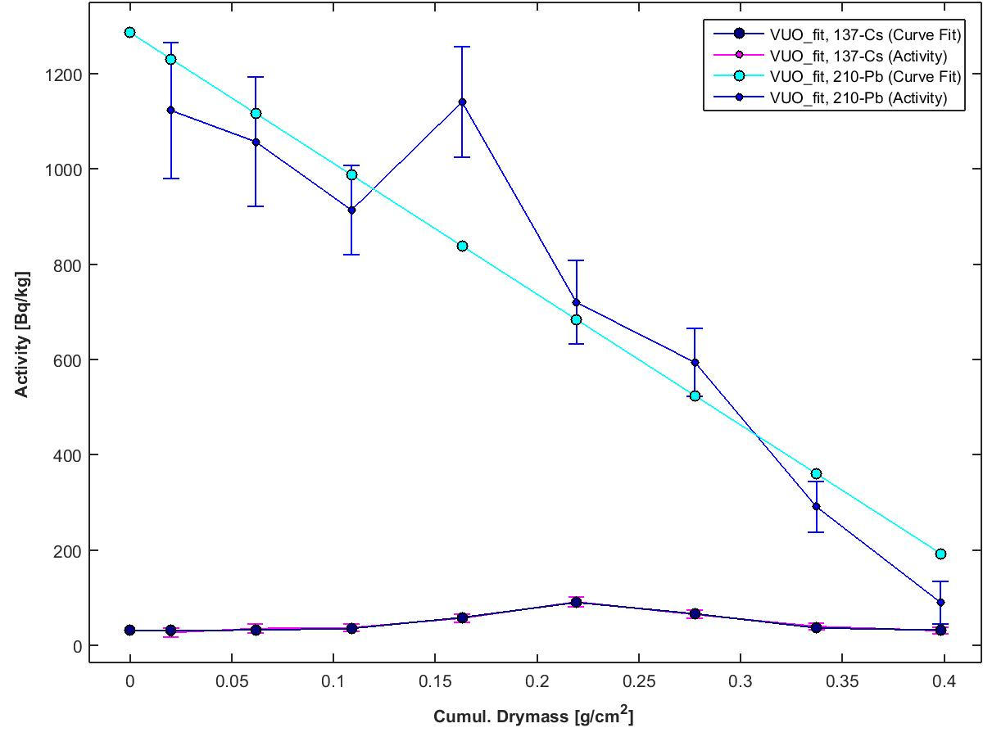
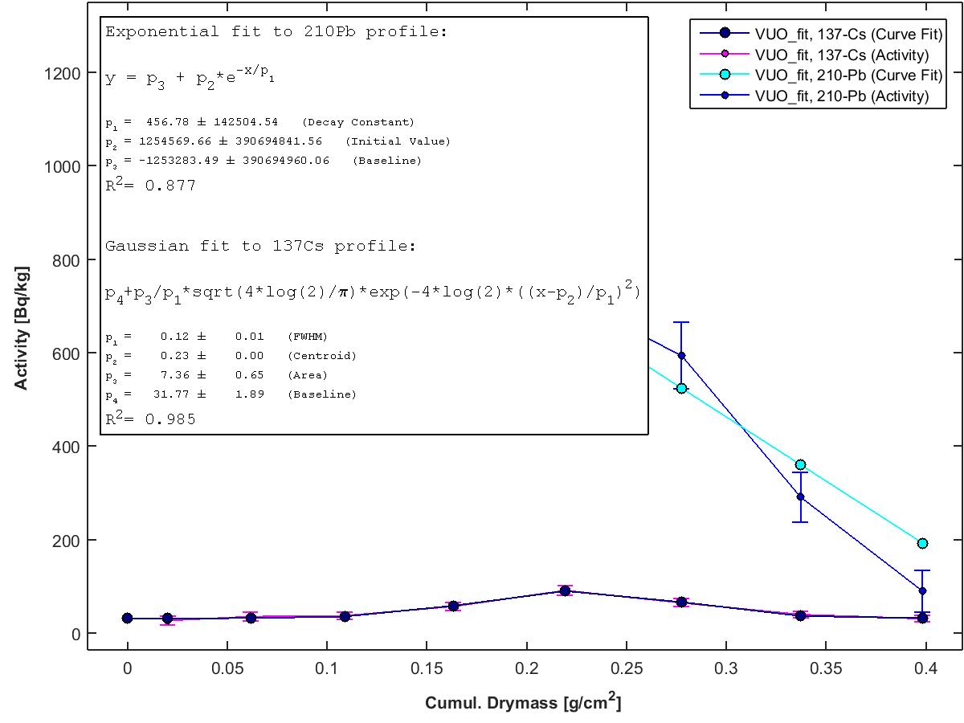
lakename | Vuolimusjarvi
coredate | 06-04-16' |  |  |  |  |  |  |  | Activity Curve fit R^2= 0.985 |  |  |  |  |  |  |  |  | Activity Curve fit R^2=0.877
 |  |  |  |  |  |  |  |  | Constant Flux & Sedimentation Rate - Profile |  |  | Constant Rate of Supply - Fit |  |  | Constant Initial Concentration - Fit |  |  | Cesium 137 - Fit
Midpoint Depth | Cumul. Drymass | Uns. Activity | Error (Activity) | Supp. Activity | Error (Supp. Act.) | Binford Rule | Inventory | Error (Inventory) | Age (CFCS) | Year (CFCS) | Error (CFCS) | Age (CRS) | Year (CRS) | Error (CRS) | Age (CIC) | Year (CIC) | Error (CIC) | Age (Cs) | Year (Cs) | Error (Cs)
[cm] | [g/cm^2] | [Bq/kg] | [Bq/kg] | [Bq/kg] | [Bq/kg] | [Bq/kg] | [Bq/m^2] | [Bq/m^2] | [y] | [y] | [y] | [y] | [y] | [y] | [y] | [y] | [y] | [y] | [y] | [y]
0 | 0 | 1286.1669 | 552526027.48 |  |  |  | 3003.0458 | 146.1513 | 0 | 2016.26 | 0 | 0 | 2016.26 | 0 | 0 | 2016.26 | 19509753.805 | 0 | 2016.26 | 0
0.5 | 0.0203 | 1122.3164 | 143.1924 | 21.4525 | 13.345 |  | 2758.6502 | 142.3429 | 0.0014 | 2016.26 | 0.4451 | 2.7259 | 2013.54 | 0.3792 | 4.3761 | 2011.89 | 13795479.215 | 4.7833 | 2011.48 | 0.0714
1.5 | 0.0618 | 1056.868 | 135.9017 | 31.6278 | 13.127 |  | 2306.6538 | 127.0487 | 0.0043 | 2016.26 | 1.355 | 8.4724 | 2007.79 | 0.8747 | 6.3056 | 2009.96 | 13795479.215 | 14.5605 | 2001.7 | 0.2174
2.5 | 0.1089 | 913.3523 | 93.8034 | 21.8978 | 10.5585 |  | 1842.2545 | 115.2279 | 0.0077 | 2016.26 | 2.3889 | 15.6916 | 2000.57 | 1.2357 | 10.9923 | 2005.27 | 13795479.215 | 25.6715 | 1990.59 | 0.3833
3.5 | 0.1632 | 1140.2341 | 115.5053 | 17.0578 | 10.8814 |  | 1285.1568 | 86.4568 | 0.0115 | 2016.25 | 3.5789 | 27.2558 | 1989.01 | 1.765 | 3.8675 | 2012.4 | 13795479.215 | 38.4592 | 1977.8 | 0.5743
4.5 | 0.2194 | 719.6899 | 87.4639 | 12.1386 | 10.6663 |  | 762.2319 | 65.2186 | 0.0154 | 2016.25 | 4.8122 | 44.0312 | 1972.23 | 2.4819 | 18.6449 | 1997.62 | 13795479.215 | 51.7124 | 1964.55 | 0.7722
5.5 | 0.2776 | 593.6405 | 70.9256 | 20.7309 | 9.7577 |  | 379.9438 | 44.3093 | 0.0195 | 2016.24 | 6.0891 | 66.3892 | 1949.87 | 3.5943 | 24.8281 | 1991.43 | 13795479.215 | 65.4336 | 1950.83 | 0.9771
6.5 | 0.3373 | 290.6834 | 53.9965 | 21.332 | 9.3527 |  | 116.1346 | 27.8934 | 0.0237 | 2016.24 | 7.3977 | 104.4519 | 1911.81 | 7.5717 | 47.7581 | 1968.5 | 13795479.215 | 79.4958 | 1936.77 | 1.187
7.5 | 0.3984 | 89.6833 | 45.2451 | 25.839 | 9.3417 |  |  |  | 0.028 | 2016.23 | 8.737 |  |  |  |  |  |  | 93.8883 | 1922.37 | 1.4019
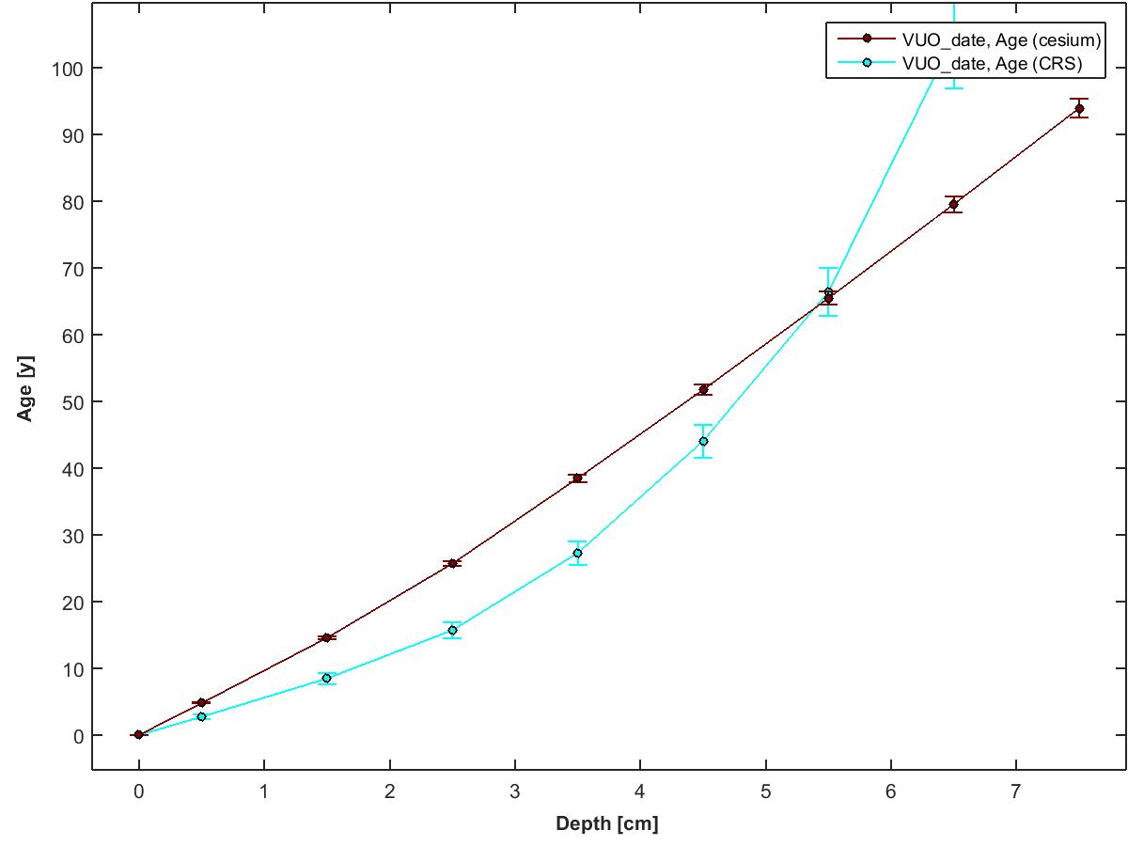

 |  |  |  |  |  |  |  |  |  | 210Pb Flux [Bq/m^2/yr] = | 64.42 | (inventory x supported 210Pb activity, both at surface)
 |  |  |  |  |  |  |  |  |  | Focus Factor = | 1.03 | (210Pb flux / predicted atmospheric flux)
 |  |  |  |  |  |  |  |  |  |  |  | (See Omelchencko et al 2005 for predicted flux value)

Instrument Details
This data has been generated on equipment at the University of Ottawa.

Linda E. Kimpe |  | Gamma Spectrometer - Instrument Details | Software Details
Department of Biology
University of Ottawa |  | Model & Serial Numbers | To acquire spectral data:
30 Marie Curie |  | Model # GWL-120230 | Maestro -32 from Ortec
Ottawa, ON, Canada K1N 6N5 |  | Configuration: XLB-GWL-SV
Tel: 613-562-5800 ext 6668 |  | Preamplifier Model: 257P | To process spectral data:
Fax: 613-562-5486 |  | Preamplifier Serial Number: 823 | ScienTissiME
lkimpe@uottawa.ca |  | H.V. Filter Model: 138 | ScheerSoftwareSolutions
 |  | H.V. Serial Number: 10450 | 6 Coghlan Lane, P.O. Box 86
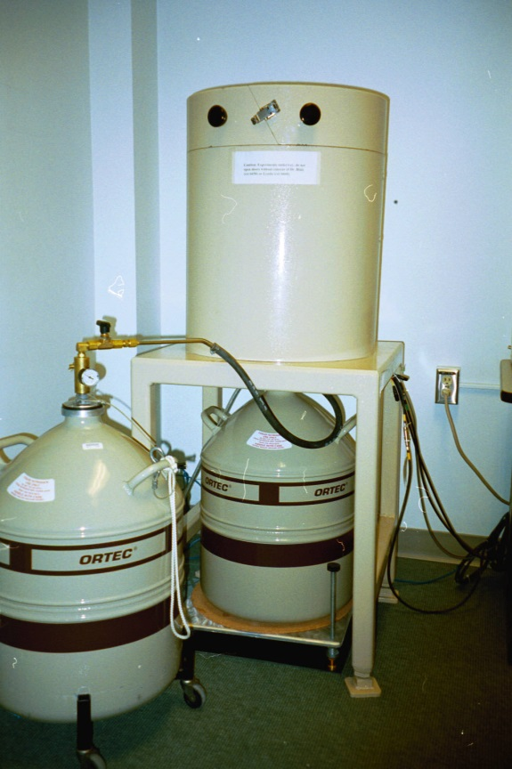
 |  | High Voltage Bias: 1500V Positive | Barry's Bay, ON, K0J 1B0
 |  |  | phone/fax: 613-756-0499
 |  | Dimensions | cell: 613-314-0499
 |  | Germanium Crystal Diameter: 54.7 mm | email: Michael.Scheer@ScienTissiME.com
 |  | Germanium Crystal Length: 66.2 mm
 |  | Active Well Depth: 40 mm | Suggested method description for research publications:
 |  | Well Inside Diameter: 15.5 mm
 |  | Total Active Volume: 120 mm | For 210Pb generated dates:

 |  | Absorbing Layers | "210Pb dating was completed using an Ortec High Purity Germanium Gamma Spectrometer (Oak Ridge, TN, USA)
 |  | Aluminum: 1.27 mm | Certified Reference Materials obtained from International Atomic Energy Association (Vienna, Austria) were
 |  | Inactive Germanium: 0.3 um | used for efficiency corrections, and results were analyzed using ScienTissiME (Barry’s Bay, ON, Canada)”

 |  | Instrument Manufacturer | For 137Cs generated dates:
 |  | Ortec
 |  | Advanced Measurement Technology, Inc | "137Cs dating was completed using an Ortec High Purity Germanium Gamma Spectrometer (Oak Ridge, TN, USA)
 |  | 801 South Illinois Avenue | Certified Reference Materials obtained from International Atomic Energy Association (Vienna, Austria) were
 |  | Oak Ridge, Tennessee 37831-0895 | used for efficiency corrections, and results were analyzed using ScienTissiME (Barry’s Bay, ON, Canada)”
 |  | United States
 | Ortec Gamma Counter | Phone: 865.482.4411
 |  | Phone: 800.251.9750
 |  | Website: http://www.ortec-online.com
 |  | Email: ortec.info@ametek.com

