2. Elements
 | Document Name | System Elements
 | Version | 0.3.0
 | * A.A: As Above
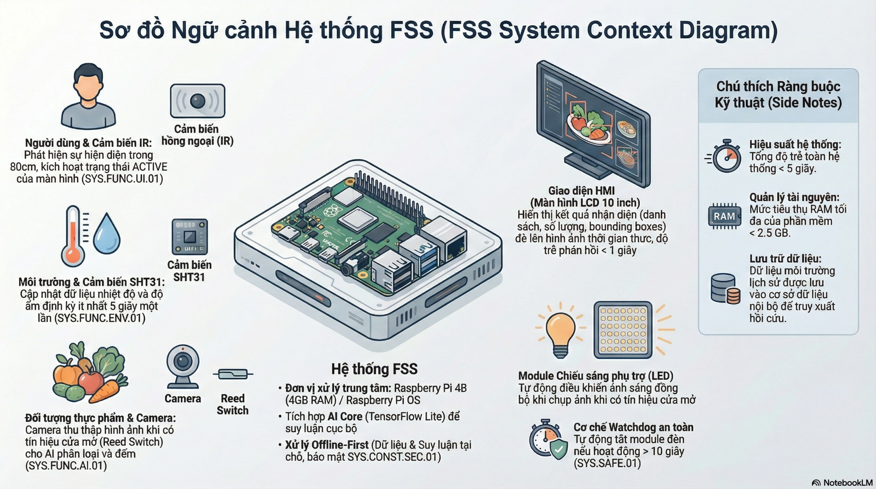

No. | ID | Name | Component | Type | Specifications | Trace
1 | SYS.ELEM.01 | Computational Unit | Raspberry Pi 4B | HW | - Raspberry Pi 4B 4GB | SYS.CONST.HW.01 SYS.CONST.HW.02
2 | SYS.ELEM.02 | A.A* | FSS Application | SW | - OS: Raspbery Pi OS. - Capability: Offline processing, Software Watchdog implementation, AI inference, UI rendering, and Control Logic. | SYS.FUNC.ENV.02 SYS.FUNC.CAM.01 SYS.PERF.GEN.01 SYS.CONST.SEC.01
3 | SYS.ELEM.03 | A.A | FSS Database | DB | - SQLite. | SYS.FUNC.ENV.02 SYS.FUNC.AI.03
4 | SYS.ELEM.04 | Sensor Subsystem | SHT31 Sensor | HW | - Digial Temperature and Humidity Sensor. - Interface: I2C Protocol. - Accuracy: 2%RH, 0.3C. | SYS.FUNC.ENV.01 SYS.CONST.HW.02
5 | SYS.ELEM.05 | A.A | Door Sensor (MC-38 Magnetic Switch) | HW | - Reed Switch. - Interface: Digital GPIO. - Function: Detect door state. | SYS.FUNC.CAM.01
6 | SYS.ELEM.06 | A.A | VL53L0X Sensor | HW | - Time-of-Flight (ToF) distance sensor. - Interface: I2C Protocol. - Detection capable at 80cm. - Function: Detect presence of USER. | SYS.FUNC.UI.01
7 | SYS.ELEM.07 | Acquisition Subsystem | USB Web Camera | HW | - USB 2.0/3.0 Camera. - Interface: USB (UVC protocol). | SYS.FUNC.CAM.01 SYS.CAM.02 SYS.FUNC.AI.01
9 | SYS.ELEM.08 | A.A | Relay Module | HW | - 1 channel 5V Relay. - Interface: Digital GPIO. | SYS.FUNC.CAM.01 SYS.SAFE.01
10 | SYS.ELEM.09 | HMI Subsystem | Display Screen | HW | - 10 inch LCD Monitor. - Interface: HDMI. | SYS.FUNC.AI.02 SYS.FUNC.UI.01
11 | SYS.ELEM.10 | Power Subsystem | PSU - Power Supply Unit | HW | - Pi supply power. - LED supply power. | All Functional Requirements.
11 | SYS.ELEM.11 | A.A* | RecommendDaemon | SW | - Python daemon. - D-Bus service: vn.edu.uit.FSS.RecommendDaemon. - Functions: GenerateShoppingList, GetAvailableRecipes, GetShoppingList, MarkItemPurchased. - Database: FSS-Recommend.db. | SYS.FUNC.AI.02
12 | SYS.ELEM.12 | A.A | RecipeExtractor Service | SW | - Python D-Bus service. - D-Bus service: vn.edu.uit.FSS.RecipeExtractor. - Function: ExtractAndPersistRecipe. - Model: fss_ner_crf_optimized.joblib (CRF). | SYS.FUNC.AI.02
13 | SYS.ELEM.13 | A.A | C TFLite Reader Library | SW | - Shared library (libtflite_reader.so). - TensorFlow Lite C API. - Supports FP32/FP16/INT8 precisions. - Optional backend for Python AI Core. | SYS.PERF.GEN.01

3. Interfaces
Document Name | System Interface Specification
Version | 1.2.0


ID | SOURCE | TARGET | TYPE | SPECIFICATIONS | TRACE
SYS.IF.INT.01 | FSS Application | Raspberry Pi 4B | Logical | OS/HAL. | SYS.PERF.GEN.01 SYS.SAFE.02
SYS.IF.INT.02 | FSS Application | FSS Database | Logical | ? | SYS.FUNC.ENV.02 SYS.FUNC.AI.03
SYS.IF.HW.01 | SHT31 Sensor | Raspberry Pi 4B | Physical | I2C Bus. Data | SYS.FUNC.ENV.01
SYS.IF.HW.02 | Door Sensor | Raspberry Pi 4B | Physical | GPIO. Signal. | SYS.FUNC.CAM.01
SYS.IF.HW.03 | Camera | Raspberry Pi 4B | Physical | USB Bus / UVC Protocol | SYS.FUNC.AI.01
SYS.IF.HW.04 | VL53L0x Sensor | Raspberry Pi 4B | Physical | I2C bus. Data | SYS.FUNC.UI.01
SYS.IF.HW.05 | Raspberry Pi 4B | Relay Module | Physical | GPIO. Control. | SYS.SAFE.01 SYS.FUNC.CAM.01
SYS.IF.HW.06 | Raspberry Pi 4B | Display Screen | Physical | HDMI. A/V. | SYS.FUNC.UI.01
SYS.IF.HW.08 | Power Supply Unit | Raspberry Pi 4B | Power | 5V | All Func
SYS.IF.HW.09 | Power Supply Unit | Relay Module | Power | 5V | SYS.FUNC.CAM.01
SYS.IF.INT.03 | RecommendDaemon | DBDaemon | Logical | D-Bus Method Call (GetInventory). Protocol: sdbus (Python). | SYS.FUNC.AI.02
SYS.IF.INT.04 | RecipeExtractor | DBDaemon | Logical | D-Bus Method Call (InsertRequest). Protocol: sdbus (Python). | SYS.FUNC.AI.02
SYS.IF.INT.05 | UI / MagicMirror | RecommendDaemon | Logical | D-Bus Method Call (GenerateShoppingList). Protocol: sdbus via Python bridge. | SYS.FUNC.AI.02
SYS.IF.INT.06 | FRTApp (AI Core) | C TFLite Reader | Logical | ctypes FFI. Protocol: C shared library (.so). | SYS.PERF.GEN.01

