DASHBOARD FILL-UPS

Fuel Volume
Consumption per 100 km
Total Volume & Refuelings
Days Between Fill-Ups
PROJECT
FILL-UPS
DASHBOARD

47.12 l
28.62 l
6.63 l
9.36 l
6.86 l
4.89 l
7,870.82 l
275
8.5
7.5

Full and Partial Fuel Fill-Ups
Domestic vs. Foreign Refueling Share
Distribution of Fill-Ups: Same Day vs. Single
FILL - UPS
 | Total
Partial | 21.73%
Full | 78.27%
 | Total
Domestic | 29.82%
Foreign | 70.18%
 | Total
Same Day | 40.73%
Single | 59.27%

COSTS
78.27%
21.73%
70.18%
29.82%
59.27%
40.73%

DISTANCE

Number of Fill-ups
Fuel Volume per Fill-up and Average
 | Volume_L | AVG Volume L
2020 | 47.120 | 28.621
2020 | 40.640 | 28.621
2020 | 41.700 | 28.621
2020 | 27.630 | 28.621
2020 | 31.712 | 28.621
2020 | 36.560 | 28.621
2020 | 32.940 | 28.621
2020 | 33.570 | 28.621
2020 | 22.890 | 28.621
2020 | 39.040 | 28.621
2020 | 27.220 | 28.621
2020 | 42.800 | 28.621
2020 | 35.020 | 28.621
2020 | 19.427 | 28.621
2020 | 24.970 | 28.621
2020 | 21.570 | 28.621
2020 | 17.310 | 28.621
2020 | 17.873 | 28.621
2020 | 18.034 | 28.621
2020 | 27.650 | 28.621
2020 | 18.430 | 28.621
2020 | 27.080 | 28.621
2020 | 18.433 | 28.621
2020 | 23.090 | 28.621
2020 | 22.620 | 28.621
2020 | 17.780 | 28.621
2020 | 21.950 | 28.621
2020 | 14.550 | 28.621
2020 | 21.100 | 28.621
2020 | 16.878 | 28.621
2020 | 17.170 | 28.621
2020 | 41.050 | 28.621
2020 | 22.400 | 28.621
2020 | 19.670 | 28.621
2020 | 32.274 | 28.621
2020 | 16.820 | 28.621
2020 | 17.110 | 28.621
2020 | 16.410 | 28.621
2020 | 39.628 | 28.621
2020 | 21.578 | 28.621
2020 | 24.867 | 28.621
2020 | 25.230 | 28.621
2020 | 37.432 | 28.621
2020 | 25.264 | 28.621
2020 | 26.340 | 28.621
2020 | 22.000 | 28.621
2020 | 25.462 | 28.621
2020 | 36.737 | 28.621
2020 | 21.980 | 28.621
2021 | 16.270 | 28.621
...
 | 2020
Jan | 6
Feb | 5
Mar | 6
Apr | 2
May | 5
Jun | 4
Jul | 2
Aug | 5
Sep | 3
Oct | 6
Nov | 1
Dec | 4



Volume by Country
 | Total
SK | 2,407 l
PL | 289 l
DE | 2,748 l
CZ | 32 l
AT | 2,395 l
Toyota Fuel Consumption Trend
 | Cons_Est_L_100km | Avg Consumption
2020 | 6.610 | 6.86
2020 | 6.930 | 6.86
2020 | 6.960 | 6.86
2020 | 7.210 | 6.86
2020 | 7.070 | 6.86
2020 | 7.370 | 6.86
2020 | 7.350 | 6.86
2020 | 7.410 | 6.86
2020 | 6.540 | 6.86
2020 | 6.770 | 6.86
2020 | 6.940 | 6.86
2020 | 6.710 | 6.86
2020 | 7.500 | 6.86
2020 | 8.300 | 6.86
2020 | 8.360 | 6.86
2020 | 6.920 | 6.86
2020 | 6.890 | 6.86
2020 | 6.875 | 6.86
2020 | 6.855 | 6.86
2020 | 6.838 | 6.86
2020 | 6.815 | 6.86
2020 | 6.810 | 6.86
2020 | 6.658 | 6.86
2020 | 6.594 | 6.86
2020 | 6.175 | 6.86
2020 | 6.095 | 6.86
2020 | 6.018 | 6.86
2020 | 5.932 | 6.86
2020 | 5.881 | 6.86
2020 | 5.799 | 6.86
2020 | 5.747 | 6.86
2020 | 5.960 | 6.86
2020 | 5.680 | 6.86
2020 | 6.030 | 6.86
2020 | 6.850 | 6.86
2020 | 6.859 | 6.86
2020 | 6.862 | 6.86
2020 | 6.867 | 6.86
2020 | 6.870 | 6.86
2020 | 7.210 | 6.86
2020 | 6.750 | 6.86
2020 | 7.071 | 6.86
2020 | 7.280 | 6.86
2020 | 7.520 | 6.86
2020 | 7.158 | 6.86
2020 | 7.536 | 6.86
2020 | 7.220 | 6.86
2020 | 6.320 | 6.86
2020 | 7.280 | 6.86
2021 | 7.337 | 6.86
...
Total Fuel
 | 2020
Jan | 225.36 L
Feb | 155.66 L
Mar | 161.10 L
Apr | 35.91 L
May | 114.68 L
Jun | 76.90 L
Jul | 37.98 L
Aug | 132.56 L
Sep | 50.34 L
Oct | 174.00 L
Nov | 26.34 L
Dec | 106.18 L

DASHBOARD COSTS
Cost per Fill-up
Price per liter
Cost per km
Total & Daily & Monthly Cost
PROJECT
COSTS
DASHBOARD

D
A
Y
12,071.78 €
6.77 €
206.12 €
82.80 €
43.90 €
10.00 €
2.139 €
1.527 €
1.001 €
0.167 €
0.105 €
0.061 €

Annual Fuel Spend
 | Total
2020 | 1,537.37 €
2021 | 2,063.28 €
2022 | 3,258.68 €
2023 | 3,261.69 €
2024 | 1,950.76 €
Fuel Price Trend and Monthly Average (€ / L)
 | Price_EUR_L | AVG price EUR/L
2020 | 1.350 | 1.527
2020 | 1.350 | 1.527
2020 | 1.335 | 1.527
2020 | 1.152 | 1.527
2020 | 1.277 | 1.527
2020 | 1.389 | 1.527
2020 | 1.379 | 1.527
2020 | 1.369 | 1.527
2020 | 1.369 | 1.527
2020 | 1.191 | 1.527
2020 | 1.166 | 1.527
2020 | 1.299 | 1.527
2020 | 1.088 | 1.527
2020 | 1.099 | 1.527
2020 | 1.054 | 1.527
2020 | 1.004 | 1.527
2020 | 1.155 | 1.527
2020 | 1.119 | 1.527
2020 | 1.109 | 1.527
2020 | 1.085 | 1.527
2020 | 1.085 | 1.527
2020 | 1.085 | 1.527
2020 | 1.085 | 1.527
2020 | 1.085 | 1.527
2020 | 1.105 | 1.527
2020 | 1.125 | 1.527
2020 | 1.139 | 1.527
2020 | 1.375 | 1.527
2020 | 1.185 | 1.527
2020 | 1.185 | 1.527
2020 | 1.165 | 1.527
2020 | 1.165 | 1.527
2020 | 1.066 | 1.527
2020 | 1.074 | 1.527
2020 | 1.249 | 1.527
2020 | 1.189 | 1.527
2020 | 1.169 | 1.527
2020 | 1.219 | 1.527
2020 | 1.209 | 1.527
2020 | 1.039 | 1.527
2020 | 1.056 | 1.527
2020 | 1.189 | 1.527
2020 | 1.036 | 1.527
2020 | 1.119 | 1.527
2020 | 1.139 | 1.527
2020 | 1.149 | 1.527
2020 | 1.179 | 1.527
2020 | 1.094 | 1.527
2020 | 1.111 | 1.527
2021 | 1.229 | 1.527
...
Fuel Costs by Octane Rating
 | Total
95 | 10,240.08 €
98 | 74.76 €
100 | 60.00 €
95+ | 1,696.94 €
FILL - UPS

COSTS

DISTANCE

Fuel Costs
Cost per km and Average (€/km)
 | Cost_per_km | Avg Cost/km
2020 | 0.0892 | 0.105
2020 | 0.0936 | 0.105
2020 | 0.0929 | 0.105
2020 | 0.0831 | 0.105
2020 | 0.0903 | 0.105
2020 | 0.1024 | 0.105
2020 | 0.1014 | 0.105
2020 | 0.1014 | 0.105
2020 | 0.0895 | 0.105
2020 | 0.0806 | 0.105
2020 | 0.0809 | 0.105
2020 | 0.0872 | 0.105
2020 | 0.0816 | 0.105
2020 | 0.0912 | 0.105
2020 | 0.0881 | 0.105
2020 | 0.0695 | 0.105
2020 | 0.0796 | 0.105
2020 | 0.0769 | 0.105
2020 | 0.0760 | 0.105
2020 | 0.0742 | 0.105
2020 | 0.0739 | 0.105
2020 | 0.0739 | 0.105
2020 | 0.0722 | 0.105
2020 | 0.0715 | 0.105
2020 | 0.0682 | 0.105
2020 | 0.0686 | 0.105
2020 | 0.0685 | 0.105
2020 | 0.0816 | 0.105
2020 | 0.0697 | 0.105
2020 | 0.0687 | 0.105
2020 | 0.0669 | 0.105
2020 | 0.0694 | 0.105
2020 | 0.0605 | 0.105
2020 | 0.0648 | 0.105
2020 | 0.0856 | 0.105
2020 | 0.0816 | 0.105
2020 | 0.0802 | 0.105
2020 | 0.0837 | 0.105
2020 | 0.0831 | 0.105
2020 | 0.0749 | 0.105
2020 | 0.0713 | 0.105
2020 | 0.0841 | 0.105
2020 | 0.0754 | 0.105
2020 | 0.0841 | 0.105
2020 | 0.0815 | 0.105
2020 | 0.0866 | 0.105
2020 | 0.0851 | 0.105
2020 | 0.0691 | 0.105
2020 | 0.0809 | 0.105
2021 | 0.0902 | 0.105
...

 | 2020
Jan | 297.26 €
Feb | 200.96 €
Mar | 183.02 €
Apr | 40.00 €
May | 124.43 €
Jun | 90.01 €
Jul | 45.00 €
Aug | 153.14 €
Sep | 60.00 €
Oct | 193.64 €
Nov | 30.00 €
Dec | 119.91 €

Fueling Payment per Fill-up and Average
 | Amount_EUR | AVG Amount EUR
2020 | 63.61 | 43.90
2020 | 54.86 | 43.90
2020 | 55.67 | 43.90
2020 | 31.83 | 43.90
2020 | 40.51 | 43.90
2020 | 50.78 | 43.90
2020 | 45.42 | 43.90
2020 | 45.96 | 43.90
2020 | 31.34 | 43.90
2020 | 46.49 | 43.90
2020 | 31.75 | 43.90
2020 | 55.60 | 43.90
2020 | 38.10 | 43.90
2020 | 21.35 | 43.90
2020 | 26.32 | 43.90
2020 | 21.66 | 43.90
2020 | 19.99 | 43.90
2020 | 20.00 | 43.90
2020 | 20.00 | 43.90
2020 | 30.00 | 43.90
2020 | 20.00 | 43.90
2020 | 29.38 | 43.90
2020 | 20.00 | 43.90
2020 | 25.05 | 43.90
2020 | 25.00 | 43.90
2020 | 20.00 | 43.90
2020 | 25.00 | 43.90
2020 | 20.01 | 43.90
2020 | 25.00 | 43.90
2020 | 20.00 | 43.90
2020 | 20.00 | 43.90
2020 | 47.82 | 43.90
2020 | 23.88 | 43.90
2020 | 21.13 | 43.90
2020 | 40.31 | 43.90
2020 | 20.00 | 43.90
2020 | 20.00 | 43.90
2020 | 20.00 | 43.90
2020 | 47.91 | 43.90
2020 | 22.42 | 43.90
2020 | 26.26 | 43.90
2020 | 30.00 | 43.90
2020 | 38.78 | 43.90
2020 | 28.27 | 43.90
2020 | 30.00 | 43.90
2020 | 25.28 | 43.90
2020 | 30.02 | 43.90
2020 | 40.19 | 43.90
2020 | 24.42 | 43.90
2021 | 20.00 | 43.90
...
Fuel Cost by Country
 | Total
SK | 3,671.68 €
PL | 367.29 €
DE | 4,453.28 €
CZ | 54.00 €
AT | 3,525.53 €

DASHBOARD COSTS & DISTANCE
Odometer Readings
Max & Avg Trip per Fill-Up
Avg Distance per Day & Month
PROJECT
DISTANCE
DASHBOARD

7 km
114,620 km
672 km
417 km
64 km
1,955 km

FILL - UPS
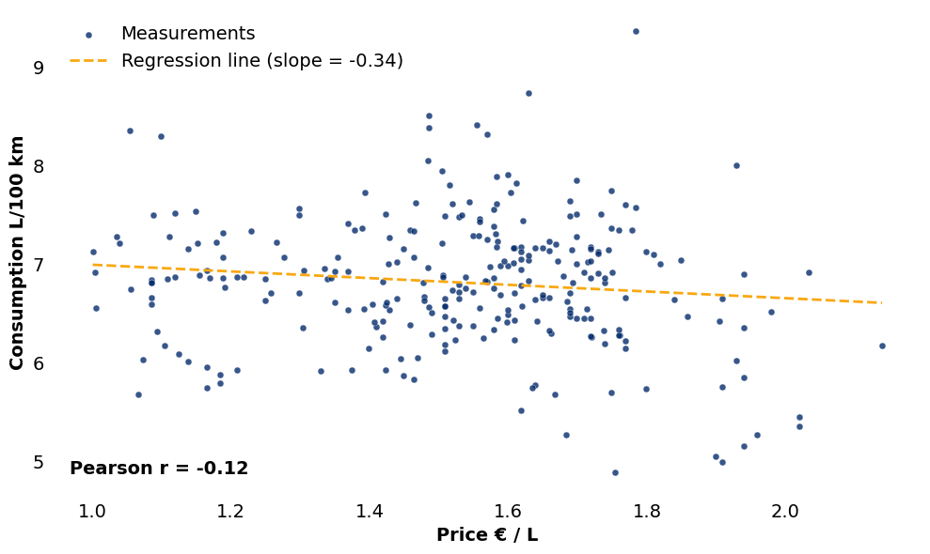
l/100km vs. €/l Over Time
 | l/100km | €/l
2020-01-09 | 6.610 | 1.350
2020-01-14 | 6.930 | 1.350
2020-01-22 | 6.960 | 1.335
2020-01-26 | 7.210 | 1.152
2020-01-26 | 7.070 | 1.277
2020-01-26 | 7.370 | 1.389
2020-02-01 | 7.350 | 1.379
2020-02-14 | 7.410 | 1.369
2020-02-22 | 6.540 | 1.369
2020-02-22 | 6.770 | 1.191
2020-02-22 | 6.940 | 1.166
2020-03-05 | 6.710 | 1.299
2020-03-08 | 7.500 | 1.088
2020-03-08 | 8.300 | 1.099
2020-03-15 | 8.360 | 1.054
2020-03-15 | 6.920 | 1.004
2020-03-30 | 6.890 | 1.155
2020-04-14 | 6.875 | 1.119
2020-04-26 | 6.855 | 1.109
2020-05-02 | 6.838 | 1.085
2020-05-12 | 6.815 | 1.085
2020-05-14 | 6.810 | 1.085
2020-05-18 | 6.658 | 1.085
2020-05-22 | 6.594 | 1.085
2020-06-01 | 6.175 | 1.105
2020-06-09 | 6.095 | 1.125
2020-06-18 | 6.018 | 1.139
2020-06-29 | 5.932 | 1.375
2020-07-10 | 5.881 | 1.185
2020-07-27 | 5.799 | 1.185
2020-08-04 | 5.747 | 1.165
2020-08-17 | 5.960 | 1.165
2020-08-18 | 5.680 | 1.066
2020-08-18 | 6.030 | 1.074
2020-08-24 | 6.850 | 1.249
2020-09-08 | 6.859 | 1.189
2020-09-13 | 6.862 | 1.169
2020-09-28 | 6.867 | 1.219
2020-10-16 | 6.870 | 1.209
2020-10-20 | 7.210 | 1.039
2020-10-21 | 6.750 | 1.056
2020-10-28 | 7.071 | 1.189
2020-10-28 | 7.280 | 1.036
2020-10-29 | 7.520 | 1.119
2020-11-07 | 7.158 | 1.139
2020-12-04 | 7.536 | 1.149
2020-12-23 | 7.220 | 1.179
2020-12-31 | 6.320 | 1.094
2020-12-31 | 7.280 | 1.111
2021-01-11 | 7.337 | 1.229
...

COSTS

DISTANCE

Distance Driven by Month
Total Distance Driven Over Time
 | Odometer_km
2020-01-09 | 7
2020-01-14 | 622
2020-01-22 | 1224
2020-01-26 | 1621
2020-01-26 | 2061
2020-01-26 | 2578
2020-02-01 | 3025
2020-02-14 | 3482
2020-02-22 | 3791
2020-02-22 | 4388
2020-02-22 | 4790
2020-03-05 | 5407
2020-03-08 | 5929
2020-03-08 | 6188
2020-03-15 | 6489
2020-03-15 | 6747
2020-03-30 | 7249
2020-04-14 | 7488
2020-04-26 | 7819
2020-05-02 | 8100
2020-05-12 | 8484
2020-05-14 | 8572
2020-05-18 | 9134
2020-05-22 | 9372
2020-06-01 | 9720
2020-06-09 | 10032
2020-06-18 | 10335
2020-06-29 | 10668
2020-07-10 | 10869
2020-07-27 | 11186
2020-08-04 | 11392
2020-08-17 | 11722
2020-08-18 | 12098
2020-08-18 | 12444
2020-08-24 | 12979
2020-09-08 | 13598
2020-09-13 | 13769
2020-09-28 | 14090
2020-10-16 | 14292
2020-10-20 | 14606
2020-10-21 | 14951
2020-10-28 | 15514
2020-10-28 | 15880
2020-10-29 | 16227
2020-11-07 | 16670
2020-12-04 | 17047
2020-12-23 | 17399
2020-12-31 | 17697
2020-12-31 | 18045
2021-01-11 | 18607
...

 | 2020
Jan | 2,578 km
Feb | 2,212 km
Mar | 2,459 km
Apr | 570 km
May | 1,553 km
Jun | 1,296 km
Jul | 518 km
Aug | 1,793 km
Sep | 1,111 km
Oct | 2,137 km
Nov | 443 km
Dec | 1,375 km

