Negative
ID | Negative Verification | Expected result
Date fields
1 | Choose a date earlier than the current one in Departure Date | System does not allow to select a date earlier than the current one
2 | Choose a date earlier than the current one in Return Date | System does not allow to select a date earlier than the current one
3 | Select earlier date in Return Date than Departure Date | System does not allow to select a date in Return Date eralier than in Dearture Date
4 | Fill To and From fields, Departure Date and click Search | System highlight in red Return Date field
5 | Fill To and From fields, Return Date and click Search | System highlight in red Departure Date field
6 | Fill To and From fields | System highlight in red Departure and Return Date fields
Passangers Field
7 | Click Minus in Abult when Abult is 1 | System does not allow to choose less then 1 Abult anyway
8 | Click Plus in Abult until there are 5 Abults and then click Plus one more time | System does not allow to choose more then 5 Abults
9 | Click Plus in Children when Abult are 5 | System does not allow to choose Childrens with Abults are 5
10 | Choose 1 Infant, when Abult is 1, and then click one more time to Plus in Infant | System does not allow to choose more then 1 infant with 1 Abult
From/To fields
11 | Fill From field, Departure Date, Retunt date and click Search | System highlight in red To field
12 | Fill To field, Departure Date, Retunt date and click Search | System highlight in red From field
13 | Fill Departure and Return date | System highlight in red From and To fields
14 | Fill From field valid data, fill To field invalid date, fill Departure and Return Date fields and click Search | System show white screen
15 | Fill From field invalid data, fill To field valid date, fill Departure and Return Date fields and click Search | System show white screen
16 | Fill the From field and try to fill same data To fields | Autocomplete does not show suitable city in To field
17 | Click to arrow-down in To field, when Form field is not filled | List of city does not appear
18 | Write in From or To field city, which is not in city list | Autocomplete does not show suitable city and search must not contain non-existing flights
Redeem points
19 | Fill all fields valid data and mark "Redeem points" | System show error "Please log in to buy with points"
One-way/Return radio-buttons
20 | Fill To and From fields, Departure and Return Date, then click One-Way radio-button and click Search | The system will show flights in one direction only without return flights

 | Bag
 | ID: 1 Title: Search form: when clicked One-Way radio-button, search flights and return to previous page, Return date field is visible with clicked One-Way radio-button Description: -Steps: 1) Open https://en.belavia.by/ 2) Click Search to open extended Searching Form 3) Fill all field with valid data 4) Click Search 5) Click on Back-Arrow to return to the previous page 6) Click Search to open extended Searching Form -Actual result: One-Way radio-button is clicked, but Return Date field is visible, look at screenshot in notes -Expected result: One-Way radio-button is clicked and Return Date field is not visibl -Environment: Browser Google Chrome, OS Windows 10 -Notes:
 | 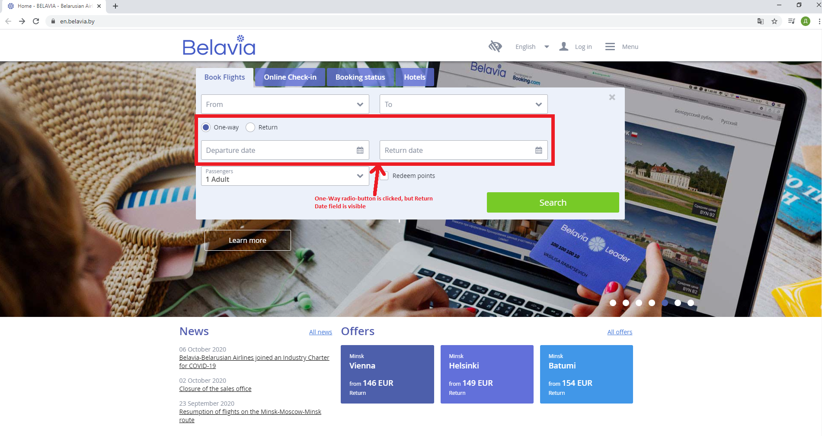
 | Component: Search form
 | Priority: Medium; Severity: Minor
 | Assignee: Tanya Oukhortseva @oukhortseva

