Sheet1
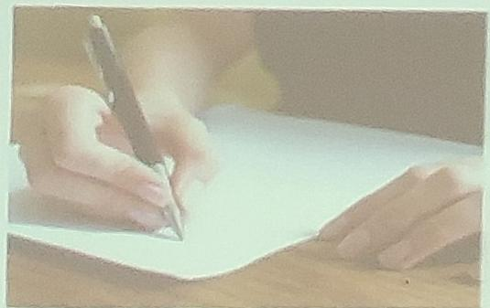
 |  |  |  |  |  |  | homework
 |  |  |  |  |  | AIMRD Structure
组号 | 学生姓名 | 学生学号 | Appendix | Abstract | Introduction |  | Materials & Methods | Results | Discussion
英语3班4组 | 马健敏 | 212241811510 | 1. Chi, R., Zhang, T., & Liu, L.(2024). How do intercultural communication textbooks represent culture? A case study of chinese culture. Social Sciences, 13(1), 32. | This study analyzes Chinese culture's representation in IC textbooks. They widely cover Chinese culture, focusing on products, individuals, practices, and perspectives. Representations range from essentialist to non-essentialist views. Chinese culture is paired with IC theories and compared to others. The study discusses differences in representation between IC and language textbooks. | Culture is an integral part of language teaching. Therefore, cultural representation in language textbooks is also an important topic for research. This study is designed to take an initial step to address concerning questions by investigating how Chinese culture is represented in IC textbooks. |  | Case studies：The author used the maximum variation sampling strategy with an aim to capture a wide range of features of IC textbooks. Content analysis was conducted using NVivo 12. | Chinese culture is widely represented in IC textbooks through its products (609), persons (466), practices (159), and perspectives (150). | These fingdings suggest that there is a need for developing future IC textbooks that go beyond the East–West dichotomous contrast pattern; embed contextualized and localized cultural contents; are rich with thick descriptions of cultural perspectives and practices; and maintain a delicate balance between within- and across-cultural variances.
英语3班4组 | 刘啸天 | 212241811231 | 2. Qi, J. (2023). Interpretation of cultural conflict in the joy luck club from perspective of high-context and low-context cultures. Les Ulis: EDP Sciences. | The Joy Luck Club, a masterpiece by Amy Tan, tells the story of the mother-daughter conflicts, focusing on the differencesbetween Chinese culture and American culture. According to the theory of high-context and low-context cultures put forward by Eward T. Hall, Chinese culture can be classified as a high-context culture, while American culture is classified as a low-context culture. | Different places have different geography and social forms, which create diverse cultures in the world. Cultural differencescan be reflected in cultural exchanges, and those differences often lead to conflicts between cultures. |  | Comparative analysis：This paper compares cultural differences from high and low context. | Analyzing the mother-daughter conflicts in The Joy Luck Club from the perspective of high-context and low-context cultures can let us see the deep-seated cultural causes through the appearance of life, so as to better resolve the conflicts and promote harmony. | There will inevitably be conflicts and collisions between Chinese and American cultures which have different characteristics, but cultures in the world also have universal characteristics.
英语3班4组 | 吴君豪 | 212241811232 | 3. Liu Xirui. Foreign Studies on Intercultural Communication: Paradigms, Methods, and Implications [J]. Foreign Language Teaching Theory and Practice, 2022(02): 61-68 | The study of intercultural communication traces its origins to Hall's seminal work "The Silent Language". Early research in this field predominantly focused on comparative cultural analysis. In the era of Globalization 4.0, new opportunities and challenges have emerged. This paper delves into the specific applications of various research methods and provides valuable insights based on the current state of research in China. | Intercultural Communication (IC) research originated with Hall's 1959 classic, "The Silent Language," which examined the interplay between language, cultural systems, and perceptions of time and space. As IC developed, it drew on theories from anthropology, linguistics, and psychology, highlighting its interdisciplinary nature. |  | Analyzing three main paradigms of foreign IC research through the literature review method. | Current research shows a weak paradigm awareness, a limited range of research methods, and a lack of empirical approaches. | The corresponding specific research paradigms and methods in IC research.

