Sheet1
Moteur 12VDC RF-370CA-15370

U in [V] | v [rpm] | Ui [V] | rendement [-] |  |  |  | v (voiture) [km/h] | Ui [V]
0 | 0 | 0 | 0.000 |  |  |  | 0 | 0
1 | 382 | 0.82 | 0.820 |  |  |  | 50 | 5
2 | 840 | 1.8 | 0.900 |  |  |  | 80 | 9
3 | 1293 | 2.78 | 0.927 |  |  |  | 100 | 12
4 | 1750 | 3.75 | 0.938
5 | 2210 | 4.75 | 0.950
6 | 2667 | 5.73 | 0.955
7 | 3124 | 6.7 | 0.957
8 | 3584 | 7.69 | 0.961
9 | 4044 | 8.68 | 0.964
10 | 4494 | 9.66 | 0.966
11 | 4954 | 10.58 | 0.962
12 | 5406 | 11.52 | 0.960

Lignes tension-courant du générateur

 | Rrotor = | 10.7 | [ohm]

 | Ui [V] | v [rpm] | I max [mA] | UT [V] | I min [mA] | UT [V]
 | 0 | 0 | 0 | 0 | 0 | 0
 | 0.82 | 382 | 77 | 0 | 0 | 0.82
 | 1.8 | 840 | 168 | 0 | 0 | 1.8
 | 2.78 | 1293 | 259 | 0 | 0 | 2.78
 | 3.75 | 1750 | 351 | 0 | 0 | 3.75
 | 4.75 | 2210 | 443 | 0 | 0 | 4.75
 | 5.73 | 2667 | 534 | 0 | 0 | 5.73
 | 6.7 | 3124 | 626 | 0 | 0 | 6.7
 | 7.69 | 3584 | 718 | 0 | 0 | 7.69
 | 8.68 | 4044 | 810 | 0 | 0 | 8.68
 | 9.66 | 4494 | 901 | 0 | 0 | 9.66
 | 10.58 | 4954 | 993 | 0 | 0 | 10.58
 | 11.52 | 5406 | 1083 | 0 | 0 | 11.52

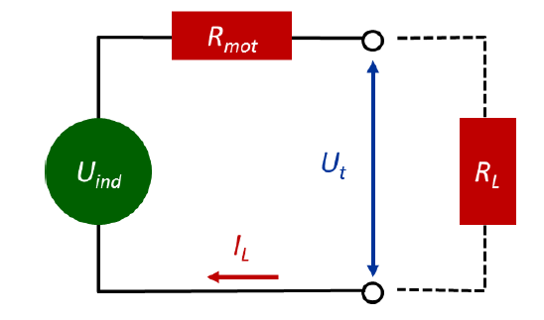

 | Kn = | 465.85365854
 | Kn = | 466.66666667
 | Kn = | 465.10791367
 | Kn = | 466.66666667
$$P_{el}$$
 | Kn = | 465.26315789
 | Kn = | 465.44502618
 | Kn = | 466.26865672
 | Kn = | 466.05981795
 | Kn = | 465.89861751
 | Kn = | 465.2173913
 | Kn = | 468.24196597
 | Kn = | 469.27083333

 | kn moy = | 466.33003103

