Layout
Banner


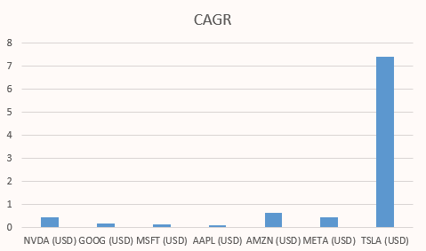
Free Cash Flow
 | NVDA (USD) | GOOG (USD) | MSFT (USD) | AAPL (USD) | AMZN (USD) | META (USD) | TSLA (USD)
9/26/2009 |  |  |  | 5704000000
12/31/2009 |  |  |  | 9858500000 | 902000000
6/30/2010 |  |  | 18760000000 | 9858500000 | 1027000000
9/25/2010 |  |  | 20955000000 | 14013000000 | 1027000000
12/31/2010 |  |  | 20955000000 | 19967500000 | 1152000000
1/30/2011 | 253146000 |  | 20955000000 | 19967500000 | 891500000
6/30/2011 | 417118000 |  | 23150000000 | 19967500000 | 891500000
9/24/2011 | 417118000 |  | 20064000000 | 25922000000 | 891500000
12/31/2011 | 417118000 |  | 20064000000 | 33827500000 | 631000000 |  | -254411000
1/29/2012 | 581090000 |  | 20064000000 | 33827500000 | 296000000 |  | -325312000
6/30/2012 | 571813000 |  | 16978000000 | 33827500000 | 296000000 |  | -325312000
9/29/2012 | 571813000 |  | 19420500000 | 41733000000 | 296000000 |  | -325312000
12/31/2012 | 571813000 |  | 19420500000 | 39385000000 | -39000000 | 53000000 | -396213000
1/27/2013 | 562536000 |  | 19420500000 | 39385000000 | 117500000 | 776500000 | -235113500
6/30/2013 | 501263000 |  | 21863000000 | 39385000000 | 117500000 | 776500000 | -235113500
9/28/2013 | 501263000 |  | 21968500000 | 37037000000 | 117500000 | 776500000 | -235113500
12/31/2013 | 501263000 |  | 21968500000 | 38273500000 | 274000000 | 1500000000 | -74014000
1/26/2014 | 439990000 |  | 21968500000 | 38273500000 | 16500000 | 2220000000 | -184027000
6/30/2014 | 535288500 |  | 22074000000 | 38273500000 | 16500000 | 2220000000 | -184027000
9/27/2014 | 535288500 |  | 17133500000 | 39510000000 | 16500000 | 2220000000 | -184027000
12/31/2014 | 535288500 |  | 17133500000 | 46452000000 | -241000000 | 2940000000 | -294040000
1/25/2015 | 630587000 |  | 17133500000 | 46452000000 | 177500000 | 3314000000 | -591351500
6/30/2015 | 622293500 |  | 12193000000 | 46452000000 | 177500000 | 3314000000 | -591351500
9/26/2015 | 622293500 |  | 14495500000 | 53394000000 | 177500000 | 3314000000 | -591351500
12/31/2015 | 622293500 | 16348000000 | 14495500000 | 49540500000 | 596000000 | 3688000000 | -888663000
1/31/2016 | 614000000 | 17913000000 | 14495500000 | 49540500000 | 1483500000 | 6952500000 | -781788500
6/30/2016 | 1140000000 | 17913000000 | 16798000000 | 49540500000 | 1483500000 | 6952500000 | -781788500
9/24/2016 | 1140000000 | 17913000000 | 19001000000 | 45687000000 | 1483500000 | 6952500000 | -781788500
12/31/2016 | 1140000000 | 19478000000 | 19001000000 | 47019000000 | 2371000000 | 10217000000 | -674914000
1/29/2017 | 1666000000 | 16070000000 | 19001000000 | 47019000000 | 2702000000 | 13075500000 | -1318157000
6/30/2017 | 2356500000 | 16070000000 | 21204000000 | 47019000000 | 2702000000 | 13075500000 | -1318157000
9/30/2017 | 2356500000 | 16070000000 | 18887500000 | 48351000000 | 2702000000 | 13075500000 | -1318157000
12/31/2017 | 2356500000 | 12662000000 | 18887500000 | 53941000000 | 3033000000 | 15934000000 | -1961400000
1/28/2018 | 3047000000 | 21699000000 | 18887500000 | 53941000000 | 6553000000 | 19023000000 | -1468745500
6/30/2018 | 3594000000 | 21699000000 | 16571000000 | 53941000000 | 6553000000 | 19023000000 | -1468745500
9/29/2018 | 3594000000 | 21699000000 | 27905500000 | 59531000000 | 6553000000 | 19023000000 | -1468745500
12/31/2018 | 3594000000 | 30736000000 | 27905500000 | 57393500000 | 10073000000 | 22112000000 | -976091000
1/27/2019 | 4141000000 | 32539500000 | 27905500000 | 57393500000 | 10830500000 | 20298500000 | -919045500
6/30/2019 | 3468500000 | 32539500000 | 39240000000 | 57393500000 | 10830500000 | 20298500000 | -919045500
9/28/2019 | 3468500000 | 32539500000 | 41760500000 | 55256000000 | 10830500000 | 20298500000 | -919045500
12/31/2019 | 3468500000 | 34343000000 | 41760500000 | 56333500000 | 11588000000 | 18485000000 | -862000000
1/26/2020 | 2796000000 | 37306000000 | 41760500000 | 56333500000 | 16459500000 | 23815500000 | -70500000
6/30/2020 | 3564000000 | 37306000000 | 44281000000 | 56333500000 | 16459500000 | 23815500000 | -70500000
9/26/2020 | 3564000000 | 37306000000 | 52776000000 | 57411000000 | 16459500000 | 23815500000 | -70500000
12/31/2020 | 3564000000 | 40269000000 | 52776000000 | 76045500000 | 21331000000 | 29146000000 | 721000000
1/31/2021 | 4332000000 | 58151000000 | 52776000000 | 76045500000 | 27347500000 | 34258000000 | 3120000000
6/30/2021 | 7042000000 | 58151000000 | 61271000000 | 76045500000 | 27347500000 | 34258000000 | 3120000000
9/25/2021 | 7042000000 | 58151000000 | 67004500000 | 94680000000 | 27347500000 | 34258000000 | 3120000000
12/31/2021 | 7042000000 | 76033000000 | 67004500000 | 97241500000 | 33364000000 | 39370000000 | 5519000000
1/30/2022 | 9752000000 | 68002500000 | 67004500000 | 97241500000 | 15321000000 | 31285000000 | 9037500000
...
Sidebar | Area1


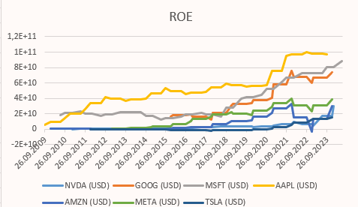
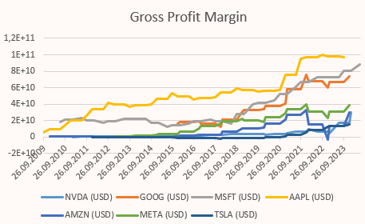
 | Area2
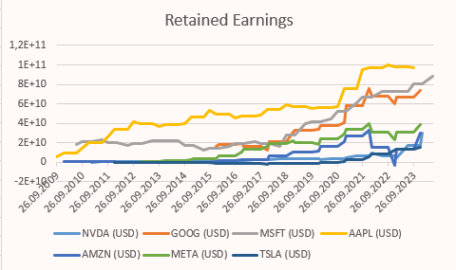

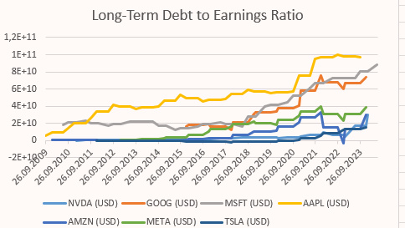
 | Area3

Footer

Images
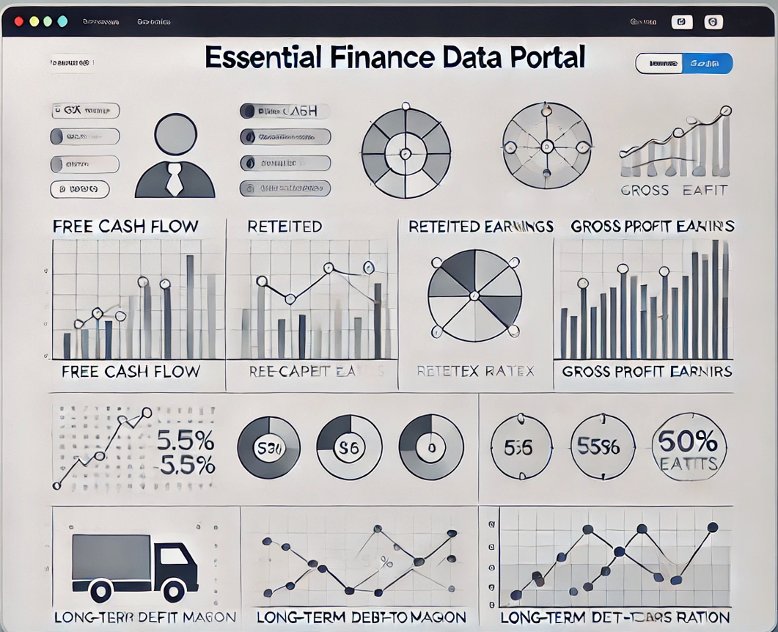
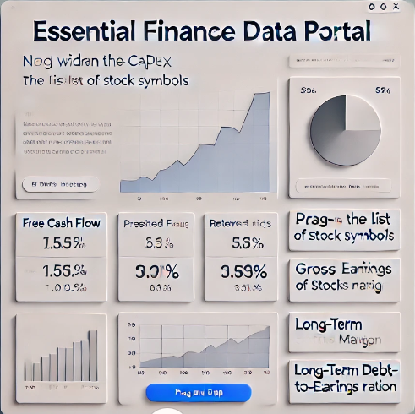
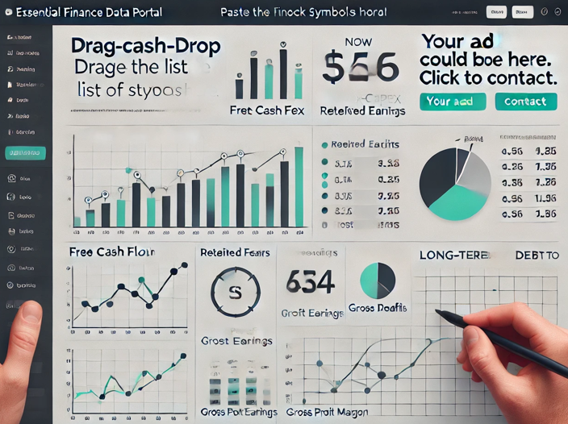

CAGR
Symbol | Years | Growth | CAGR
NVDA (USD) | 11 | 59.37 | 0.45
GOOG (USD) | 9 | 4.514 | 0.182
MSFT (USD) | 12 | 4.031 | 0.123
AAPL (USD) | 11 | 2.463 | 0.085
AMZN (USD) | 11 | 258.936 | 0.657
META (USD) | 11 | 50.352 | 0.428
TSLA (USD) | 11 | 15232113501 | 7.428

FCF
Symbol | 2009-09-26 | 2009-12-31 | 2010-06-30 | 2010-09-25 | 2010-12-31 | 2011-01-30 | 2011-06-30 | 2011-09-24 | 2011-12-31 | 2012-01-29 | 2012-06-30 | 2012-09-29 | 2012-12-31 | 2013-01-27 | 2013-06-30 | 2013-09-28 | 2013-12-31 | 2014-01-26 | 2014-06-30 | 2014-09-27 | 2014-12-31 | 2015-01-25 | 2015-06-30 | 2015-09-26 | 2015-12-31 | 2016-01-31 | 2016-06-30 | 2016-09-24 | 2016-12-31 | 2017-01-29 | 2017-06-30 | 2017-09-30 | 2017-12-31 | 2018-01-28 | 2018-06-30 | 2018-09-29 | 2018-12-31 | 2019-01-27 | 2019-06-30 | 2019-09-28 | 2019-12-31 | 2020-01-26 | 2020-06-30 | 2020-09-26 | 2020-12-31 | 2021-01-31 | 2021-06-30 | 2021-09-25 | 2021-12-31 | 2022-01-30 | 2022-06-30 | 2022-09-24 | 2022-12-31 | 2023-01-29 | 2023-06-30 | 2023-09-30 | 2023-12-31 | 2024-01-28 | 2024-06-30
NVDA (USD) |  |  |  |  |  | 253146000 | 417118000 | 417118000 | 417118000 | 581090000 | 571813000 | 571813000 | 571813000 | 562536000 | 501263000 | 501263000 | 501263000 | 439990000 | 535288500 | 535288500 | 535288500 | 630587000 | 622293500 | 622293500 | 622293500 | 614000000 | 1140000000 | 1140000000 | 1140000000 | 1666000000 | 2356500000 | 2356500000 | 2356500000 | 3047000000 | 3594000000 | 3594000000 | 3594000000 | 4141000000 | 3468500000 | 3468500000 | 3468500000 | 2796000000 | 3564000000 | 3564000000 | 3564000000 | 4332000000 | 7042000000 | 7042000000 | 7042000000 | 9752000000 | 7060000000 | 7060000000 | 7060000000 | 4368000000 | 17064000000 | 17064000000 | 17064000000 | 29760000000
GOOG (USD) |  |  |  |  |  |  |  |  |  |  |  |  |  |  |  |  |  |  |  |  |  |  |  |  | 16348000000 | 17913000000 | 17913000000 | 17913000000 | 19478000000 | 16070000000 | 16070000000 | 16070000000 | 12662000000 | 21699000000 | 21699000000 | 21699000000 | 30736000000 | 32539500000 | 32539500000 | 32539500000 | 34343000000 | 37306000000 | 37306000000 | 37306000000 | 40269000000 | 58151000000 | 58151000000 | 58151000000 | 76033000000 | 68002500000 | 68002500000 | 68002500000 | 59972000000 | 66883500000 | 66883500000 | 66883500000 | 73795000000
MSFT (USD) |  |  | 18760000000 | 20955000000 | 20955000000 | 20955000000 | 23150000000 | 20064000000 | 20064000000 | 20064000000 | 16978000000 | 19420500000 | 19420500000 | 19420500000 | 21863000000 | 21968500000 | 21968500000 | 21968500000 | 22074000000 | 17133500000 | 17133500000 | 17133500000 | 12193000000 | 14495500000 | 14495500000 | 14495500000 | 16798000000 | 19001000000 | 19001000000 | 19001000000 | 21204000000 | 18887500000 | 18887500000 | 18887500000 | 16571000000 | 27905500000 | 27905500000 | 27905500000 | 39240000000 | 41760500000 | 41760500000 | 41760500000 | 44281000000 | 52776000000 | 52776000000 | 52776000000 | 61271000000 | 67004500000 | 67004500000 | 67004500000 | 72738000000 | 72549500000 | 72549500000 | 72549500000 | 72361000000 | 80248500000 | 80248500000 | 80248500000 | 88136000000
AAPL (USD) | 5704000000 | 9858500000 | 9858500000 | 14013000000 | 19967500000 | 19967500000 | 19967500000 | 25922000000 | 33827500000 | 33827500000 | 33827500000 | 41733000000 | 39385000000 | 39385000000 | 39385000000 | 37037000000 | 38273500000 | 38273500000 | 38273500000 | 39510000000 | 46452000000 | 46452000000 | 46452000000 | 53394000000 | 49540500000 | 49540500000 | 49540500000 | 45687000000 | 47019000000 | 47019000000 | 47019000000 | 48351000000 | 53941000000 | 53941000000 | 53941000000 | 59531000000 | 57393500000 | 57393500000 | 57393500000 | 55256000000 | 56333500000 | 56333500000 | 56333500000 | 57411000000 | 76045500000 | 76045500000 | 76045500000 | 94680000000 | 97241500000 | 97241500000 | 97241500000 | 99803000000 | 98399000000 | 98399000000 | 98399000000 | 96995000000
AMZN (USD) |  | 902000000 | 1027000000 | 1027000000 | 1152000000 | 891500000 | 891500000 | 891500000 | 631000000 | 296000000 | 296000000 | 296000000 | -39000000 | 117500000 | 117500000 | 117500000 | 274000000 | 16500000 | 16500000 | 16500000 | -241000000 | 177500000 | 177500000 | 177500000 | 596000000 | 1483500000 | 1483500000 | 1483500000 | 2371000000 | 2702000000 | 2702000000 | 2702000000 | 3033000000 | 6553000000 | 6553000000 | 6553000000 | 10073000000 | 10830500000 | 10830500000 | 10830500000 | 11588000000 | 16459500000 | 16459500000 | 16459500000 | 21331000000 | 27347500000 | 27347500000 | 27347500000 | 33364000000 | 15321000000 | 15321000000 | 15321000000 | -2722000000 | 13851500000 | 13851500000 | 13851500000 | 30425000000
META (USD) |  |  |  |  |  |  |  |  |  |  |  |  | 53000000 | 776500000 | 776500000 | 776500000 | 1500000000 | 2220000000 | 2220000000 | 2220000000 | 2940000000 | 3314000000 | 3314000000 | 3314000000 | 3688000000 | 6952500000 | 6952500000 | 6952500000 | 10217000000 | 13075500000 | 13075500000 | 13075500000 | 15934000000 | 19023000000 | 19023000000 | 19023000000 | 22112000000 | 20298500000 | 20298500000 | 20298500000 | 18485000000 | 23815500000 | 23815500000 | 23815500000 | 29146000000 | 34258000000 | 34258000000 | 34258000000 | 39370000000 | 31285000000 | 31285000000 | 31285000000 | 23200000000 | 31149000000 | 31149000000 | 31149000000 | 39098000000
TSLA (USD) |  |  |  |  |  |  |  |  | -254411000 | -325312000 | -325312000 | -325312000 | -396213000 | -235113500 | -235113500 | -235113500 | -74014000 | -184027000 | -184027000 | -184027000 | -294040000 | -591351500 | -591351500 | -591351500 | -888663000 | -781788500 | -781788500 | -781788500 | -674914000 | -1318157000 | -1318157000 | -1318157000 | -1961400000 | -1468745500 | -1468745500 | -1468745500 | -976091000 | -919045500 | -919045500 | -919045500 | -862000000 | -70500000 | -70500000 | -70500000 | 721000000 | 3120000000 | 3120000000 | 3120000000 | 5519000000 | 9037500000 | 9037500000 | 9037500000 | 12556000000 | 13776500000 | 13776500000 | 13776500000 | 14997000000

Long-Term Debt to Earnings Ratio
 | NVDA (USD) | GOOG (USD) | MSFT (USD) | AAPL (USD) | AMZN (USD) | META (USD) | TSLA (USD)
9/26/2009 |  |  |  | 5704000000
12/31/2009 |  |  |  | 9858500000 | 902000000
6/30/2010 |  |  | 18760000000 | 9858500000 | 1027000000
9/25/2010 |  |  | 20955000000 | 14013000000 | 1027000000
12/31/2010 |  |  | 20955000000 | 19967500000 | 1152000000
1/30/2011 | 253146000 |  | 20955000000 | 19967500000 | 891500000
6/30/2011 | 417118000 |  | 23150000000 | 19967500000 | 891500000
9/24/2011 | 417118000 |  | 20064000000 | 25922000000 | 891500000
12/31/2011 | 417118000 |  | 20064000000 | 33827500000 | 631000000 |  | -254411000
1/29/2012 | 581090000 |  | 20064000000 | 33827500000 | 296000000 |  | -325312000
6/30/2012 | 571813000 |  | 16978000000 | 33827500000 | 296000000 |  | -325312000
9/29/2012 | 571813000 |  | 19420500000 | 41733000000 | 296000000 |  | -325312000
12/31/2012 | 571813000 |  | 19420500000 | 39385000000 | -39000000 | 53000000 | -396213000
1/27/2013 | 562536000 |  | 19420500000 | 39385000000 | 117500000 | 776500000 | -235113500
6/30/2013 | 501263000 |  | 21863000000 | 39385000000 | 117500000 | 776500000 | -235113500
9/28/2013 | 501263000 |  | 21968500000 | 37037000000 | 117500000 | 776500000 | -235113500
12/31/2013 | 501263000 |  | 21968500000 | 38273500000 | 274000000 | 1500000000 | -74014000
1/26/2014 | 439990000 |  | 21968500000 | 38273500000 | 16500000 | 2220000000 | -184027000
6/30/2014 | 535288500 |  | 22074000000 | 38273500000 | 16500000 | 2220000000 | -184027000
9/27/2014 | 535288500 |  | 17133500000 | 39510000000 | 16500000 | 2220000000 | -184027000
12/31/2014 | 535288500 |  | 17133500000 | 46452000000 | -241000000 | 2940000000 | -294040000
1/25/2015 | 630587000 |  | 17133500000 | 46452000000 | 177500000 | 3314000000 | -591351500
6/30/2015 | 622293500 |  | 12193000000 | 46452000000 | 177500000 | 3314000000 | -591351500
9/26/2015 | 622293500 |  | 14495500000 | 53394000000 | 177500000 | 3314000000 | -591351500
12/31/2015 | 622293500 | 16348000000 | 14495500000 | 49540500000 | 596000000 | 3688000000 | -888663000
1/31/2016 | 614000000 | 17913000000 | 14495500000 | 49540500000 | 1483500000 | 6952500000 | -781788500
6/30/2016 | 1140000000 | 17913000000 | 16798000000 | 49540500000 | 1483500000 | 6952500000 | -781788500
9/24/2016 | 1140000000 | 17913000000 | 19001000000 | 45687000000 | 1483500000 | 6952500000 | -781788500
12/31/2016 | 1140000000 | 19478000000 | 19001000000 | 47019000000 | 2371000000 | 10217000000 | -674914000
1/29/2017 | 1666000000 | 16070000000 | 19001000000 | 47019000000 | 2702000000 | 13075500000 | -1318157000
6/30/2017 | 2356500000 | 16070000000 | 21204000000 | 47019000000 | 2702000000 | 13075500000 | -1318157000
9/30/2017 | 2356500000 | 16070000000 | 18887500000 | 48351000000 | 2702000000 | 13075500000 | -1318157000
12/31/2017 | 2356500000 | 12662000000 | 18887500000 | 53941000000 | 3033000000 | 15934000000 | -1961400000
1/28/2018 | 3047000000 | 21699000000 | 18887500000 | 53941000000 | 6553000000 | 19023000000 | -1468745500
6/30/2018 | 3594000000 | 21699000000 | 16571000000 | 53941000000 | 6553000000 | 19023000000 | -1468745500
9/29/2018 | 3594000000 | 21699000000 | 27905500000 | 59531000000 | 6553000000 | 19023000000 | -1468745500
12/31/2018 | 3594000000 | 30736000000 | 27905500000 | 57393500000 | 10073000000 | 22112000000 | -976091000
1/27/2019 | 4141000000 | 32539500000 | 27905500000 | 57393500000 | 10830500000 | 20298500000 | -919045500
6/30/2019 | 3468500000 | 32539500000 | 39240000000 | 57393500000 | 10830500000 | 20298500000 | -919045500
9/28/2019 | 3468500000 | 32539500000 | 41760500000 | 55256000000 | 10830500000 | 20298500000 | -919045500
12/31/2019 | 3468500000 | 34343000000 | 41760500000 | 56333500000 | 11588000000 | 18485000000 | -862000000
1/26/2020 | 2796000000 | 37306000000 | 41760500000 | 56333500000 | 16459500000 | 23815500000 | -70500000
6/30/2020 | 3564000000 | 37306000000 | 44281000000 | 56333500000 | 16459500000 | 23815500000 | -70500000
9/26/2020 | 3564000000 | 37306000000 | 52776000000 | 57411000000 | 16459500000 | 23815500000 | -70500000
12/31/2020 | 3564000000 | 40269000000 | 52776000000 | 76045500000 | 21331000000 | 29146000000 | 721000000
1/31/2021 | 4332000000 | 58151000000 | 52776000000 | 76045500000 | 27347500000 | 34258000000 | 3120000000
6/30/2021 | 7042000000 | 58151000000 | 61271000000 | 76045500000 | 27347500000 | 34258000000 | 3120000000
9/25/2021 | 7042000000 | 58151000000 | 67004500000 | 94680000000 | 27347500000 | 34258000000 | 3120000000
12/31/2021 | 7042000000 | 76033000000 | 67004500000 | 97241500000 | 33364000000 | 39370000000 | 5519000000
1/30/2022 | 9752000000 | 68002500000 | 67004500000 | 97241500000 | 15321000000 | 31285000000 | 9037500000
...

