MD NVDA
Symbol | Year | Attribute | NetCashProvidedByUsedInOperatingActivities | PaymentsToAcquirePropertyPlantAndEquipment | Value
NVDA | 2014 | FreeCashFlow | 905656000 | -122381000 | 783275000
NVDA | 2015 | FreeCashFlow | 1175000000 | -86000000 | 1089000000
NVDA | 2016 | FreeCashFlow | 1672000000 | -176000000 | 1496000000
NVDA | 2017 | FreeCashFlow | 3502000000 | -593000000 | 2909000000
NVDA | 2018 | FreeCashFlow | 3743000000 | -600000000 | 3143000000
NVDA | 2019 | FreeCashFlow | 4761000000 | -489000000 | 4272000000
NVDA | 2020 | FreeCashFlow | 5822000000 | -1128000000 | 4694000000
NVDA | 2021 | FreeCashFlow | 9108000000 | -976000000 | 8132000000
NVDA | 2022 | FreeCashFlow | 5641000000 | -1833000000 | 3808000000
NVDA | 2023 | FreeCashFlow | 28090000000 | -1069000000 | 27021000000

Symbol | Year | Attribute | Value
NVDA | 2014 | FreeCashFlow | 783275000
NVDA | 2015 | FreeCashFlow | 1089000000
NVDA | 2016 | FreeCashFlow | 1496000000
NVDA | 2017 | FreeCashFlow | 2909000000
NVDA | 2018 | FreeCashFlow | 3143000000
NVDA | 2019 | FreeCashFlow | 4272000000
NVDA | 2020 | FreeCashFlow | 4694000000
NVDA | 2021 | FreeCashFlow | 8132000000
NVDA | 2022 | FreeCashFlow | 3808000000
NVDA | 2023 | FreeCashFlow | 27021000000

MD GOOG
Symbol | Filed | Attribute | NetCashProvidedByUsedInOperatingActivities | PaymentsToAcquirePropertyPlantAndEquipment | Value
GOOG | 2014-12-31 | FreeCashFlow | 22376000000 | -10959000000 | 11417000000

GOOG (USD) | 2014-12-31 | 2015-12-31 | 2016-12-31 | 2017-12-31 | 2018-12-31 | 2019-12-31 | 2020-12-31 | 2021-12-31 | 2022-12-31 | 2023-12-31
Cash from operation |  | 26024000000 | 36036000000 | 37091000000 | 47971000000 | 54520000000 | 65124000000 | 91652000000 | 91495000000 | 101746000000
Cap. ex. |  | 9915000000 | 10212000000 | 13184000000 | 25139000000 | 23548000000 | 22281000000 | 24640000000 | 31485000000 | 32251000000
Free cash flow | 11417000000 | 16109000000 | 25824000000 | 23907000000 | 22832000000 | 30972000000 | 42843000000 | 67012000000 | 60010000000 | 69495000000

EdgarMissingData
ID | Symbol | Filed | Year | Attrubute | Value
23 | GOOG | 2014-12-31 | 0 | FreeCashFlow | 11417000000

MD MSFT
Symbol | Filed | Attribute | Net cash from operations | Additions to property and equipment | Value
MSFT | 2017-06-30 | FreeCashFlow | 39507000000 | 8129000000 | 47636000000
MSFT | 2016-06-30 | FreeCashFlow | 33325000000 | 8343000000 | 41668000000
MSFT | 2015-06-30 | FreeCashFlow | 29668000000 | 5944000000 | 35612000000

2014 | 2015 | 2016 | 2017

Symbol | Filed | Attribute | Net cash from operations | Additions to property and equipment | Value
MSFT | 2017-06-30 | FreeCashFlow | 39507000000 | 8129000000 | 47636000000
MSFT | 2016-06-30 | FreeCashFlow | 33325000000 | 8343000000 | 41668000000
MSFT | 2015-06-30 | FreeCashFlow | 29668000000 | 5944000000 | 35612000000

MSFT (USD) | 2010-06-30 | 2011-06-30 | 2012-06-30 | 2013-06-30 | 2015-06-30 | 2016-06-30 | 2017-06-30 | 2018-06-30 | 2019-06-30 | 2020-06-30 | 2021-06-30 | 2022-06-30 | 2023-06-30 | 2024-06-30
Free cash flow | 22096000000 | 24639000000 | 29321000000 | 24576000000 | 35612000000 | 41668000000 | 47636000000 | 32252000000 | 38260000000 | 45234000000 | 56118000000 | 65149000000 | 59475000000 | 74071000000

MSFT (USD) | 2015-06-30 | 2016-06-30 | 2017-06-30 | 2018-06-30 | 2019-06-30 | 2020-06-30 | 2021-06-30 | 2022-06-30 | 2023-06-30 | 2024-06-30
Free cash flow | 35612000000 | 41668000000 | 47636000000 | 32252000000 | 38260000000 | 45234000000 | 56118000000 | 65149000000 | 59475000000 | 74071000000

 | Symbol | Filed | Attribute | Value
24 | MSFT | 2017-06-30 | FreeCashFlow | 47636000000
25 | MSFT | 2016-06-30 | FreeCashFlow | 41668000000
26 | MSFT | 2015-06-30 | FreeCashFlow | 35612000000

Add MD
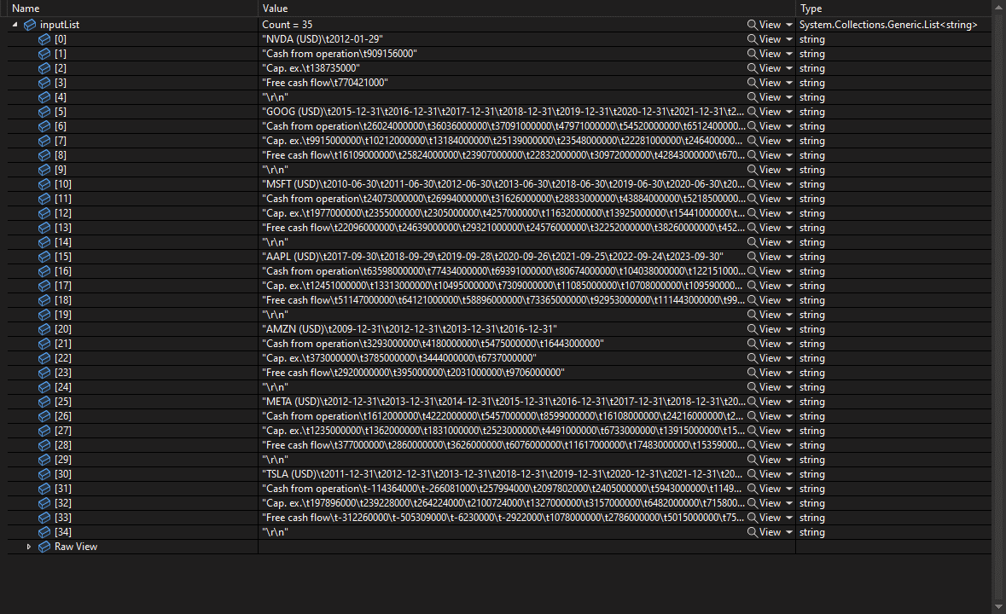
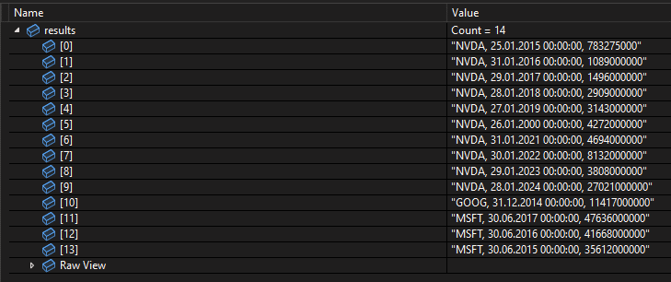

Eliminate Multiple Tables
