Weapons OLD
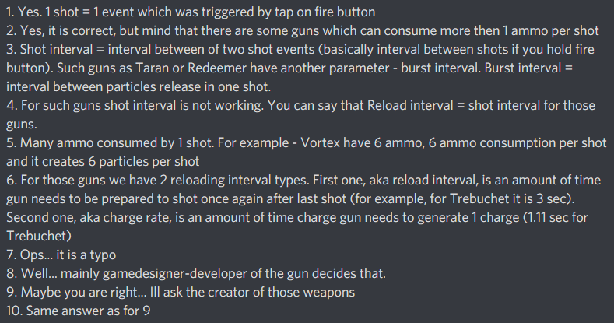
 |  |  |  | Smallest unit of damage | DOT damage per particle per second | DOT damage duration per particle | Effect accumulation % shown in-game | Max ammo | Ammo deducted in one tap | Particles created in one tap | Time between particles of a shot | Min time between shots in a magazine | Ammo added in one reload interval | Base time for charging one charge | Min time between addition of ammo | Max ammo when reloading starts | UI total reload time (sometimes inexact) | Damage Per Particle * Particles Per Shot | Damage Per Shot / Shot Interval | Shots Per Magazine * Damage Per Shot | Magazine Ammo / Ammo Per Shot | 1 / Shot Interval | (Shots Per Magazine -1)* Shot Interval + (Particles Per Shot -1)* Particle Interval | Damage Per Magazine /(Reload Time+Unload Time)
ID | NAME | MK | LVL | DMG PER PARTICLE | UNIT DOT DMG | DOT DURATION | EFFECT ACCUMLATION | MAGAZINE AMMO | AMMO PER SHOT | PARTICLES PER SHOT | BURST INTERVAL | SHOT INTERVAL | RELOAD AMOUNT | CHARGE RATE | RELOAD INTERVAL | RELOAD THRESHOLD | RELOAD TIME | DAMAGE PER SHOT | DAMAGE PER SECOND | DAMAGE PER MAGAZINE | SHOTS PER MAGAZINE | RATE OF FIRE | UNLOAD TIME | CYCLE DAMAGE PER SECOND
1 | Punisher | I | 1 | 160 |  |  |  | 220 | 1 | 1 |  | 0.09 | 220 |  | 10.00 | 0 | 10.00 | 160 | 1,777.8 | 35,200 | 220 | 11.11 | 19.71 | 1,184.8
2 | Molot | I | 1 | 279 |  |  |  | 70 | 1 | 1 |  | 0.22 | 70 |  | 10.00 | 0 | 10.00 | 279 | 1,297.7 | 19,530 | 70 | 4.65 | 14.83 | 786.4
3 | Aphid | I | 1 | ~ |  |  |  | 8 | 8 | 8 |  |  | 8 |  | 10.00 | 0 | 10.00 | ~ | ~ | ~ | 1 | ~ | 0.00 | ~
4 | Spiral | I | 1 | 920 |  |  |  | 3 | 3 | 3 | 0.20 |  | 3 |  | 12.00 | 0 | 12.00 | 2,760 | ~ | 2,760 | 1 | ~ | 0.40 | 222.6
5 | Gekko | I | 1 | ~ |  |  |  | 30 | 1 | 1 |  | 0.10 | 3 |  | 1.10 | 29 | 11.00 | ~ | ~ | ~ | 30 | 10.00 | 2.90 | ~
6 | Pinata | I | 1 | ~ |  |  |  | 17 | 1 | 1 |  | 0.09 | 1 |  | 0.88 | 16 | 15.00 | ~ | ~ | ~ | 17 | 11.36 | 1.41 | ~
7 | Pin | I | 1 | ~ |  |  |  | 4 | 1 | 1 |  | 0.50 | 1 |  | 3.00 | 3 | 12.00 | ~ | ~ | ~ | 4 | 2.00 | 1.50 | ~
8 | Punisher T | I | 1 | 260 |  |  |  | 220 | 1 | 1 |  | 0.09 | 220 |  | 10.00 | 0 | 10.00 | 260 | 2,888.9 | 57,200 | 220 | 11.11 | 19.71 | 1,925.3
9 | Nashorn | I | 1 | ~ |  |  |  | 1 | 1 | 1 |  |  | 1 |  | 9.00 | 0 | 9.00 | ~ | ~ | ~ | 1 | ~ | 0.00 | ~
11 | Thunder | I | 1 | ~ |  |  |  | 5 | 1 | 16 |  | 1.00 | 1 |  | 2.00 | 4 | 10.00 | ~ | ~ | ~ | 5 | 1.00 | 4.00 | ~
12 | Kang Dae | I | 1 | ~ |  |  |  | 1 | 1 | 1 |  |  | 1 |  | 6.00 | 0 | 6.00 | ~ | ~ | ~ | 1 | ~ | 0.00 | ~
...

