postman
200
№ | Curl | Request Headers, Params/Body | Response
1 | curl -X 'POST' \ 'https://petstore.swagger.io/v2/pet' \ -H 'accept: application/json' \ -H 'Content-Type: application/json' \ -d '{ "id": 99998888777, "category": { "id": 99998888777, "name": "Belyk" }, "name": "Belyk", "photoUrls": [ "string" ], "tags": [ { "id": 99998888777, "name": "Belyk" } ], "status": "available" }' | 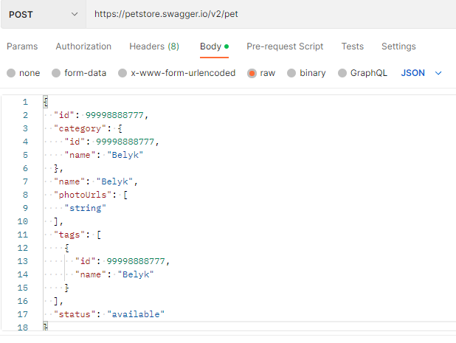 
2 | curl -X 'GET' \ 'https://petstore.swagger.io/v2/pet/99998888777' \ -H 'accept: application/json | 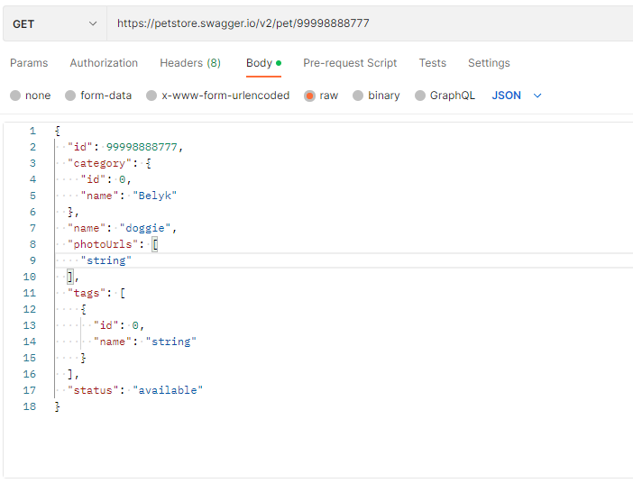 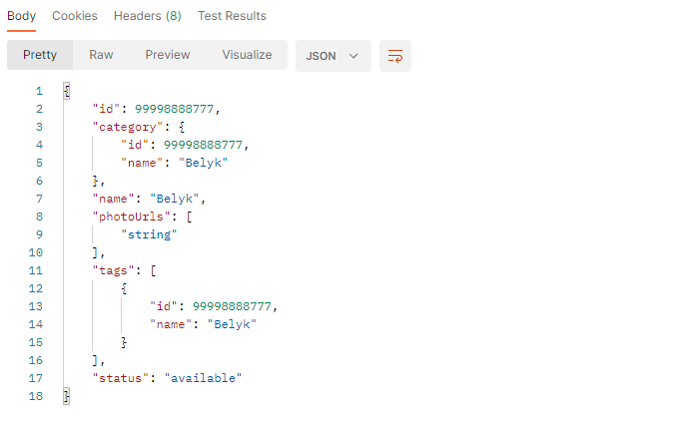
3 | curl -X 'GET' \ 'https://petstore.swagger.io/v2/pet/findByStatus?status=available' \ -H 'accept: application/json | 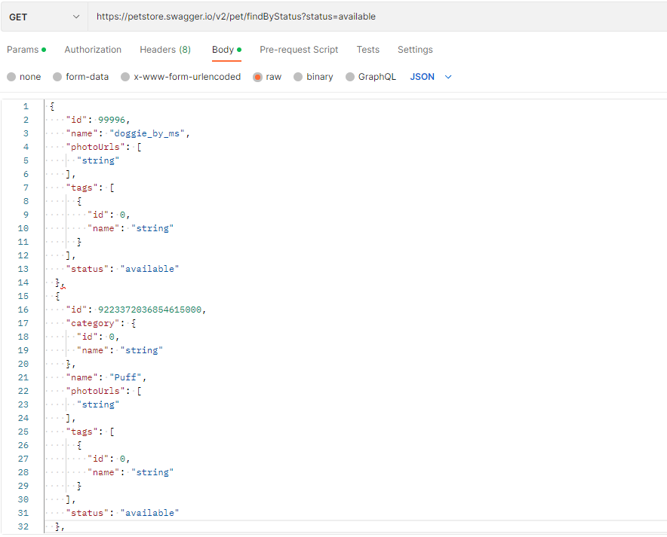 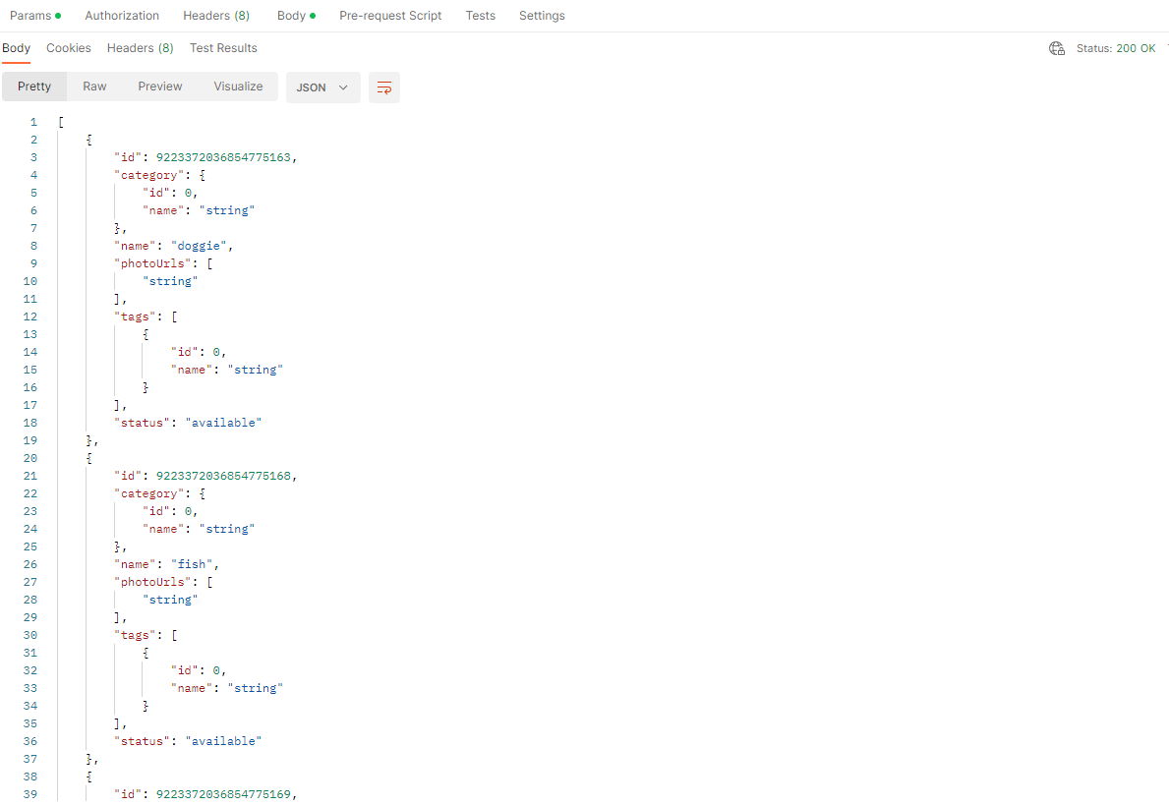
4 | curl -X 'GET' \ 'https://petstore.swagger.io/v2/pet/findByStatus?status=pending' \ -H 'accept: application/json | 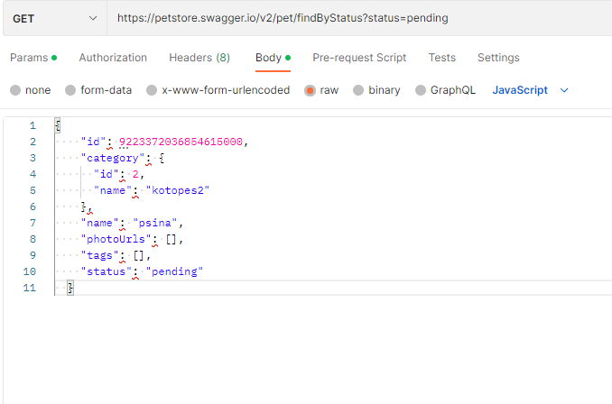 
5 | curl -X 'GET' \ 'https://petstore.swagger.io/v2/pet/findByStatus?status=sold' \ -H 'accept: application/json | 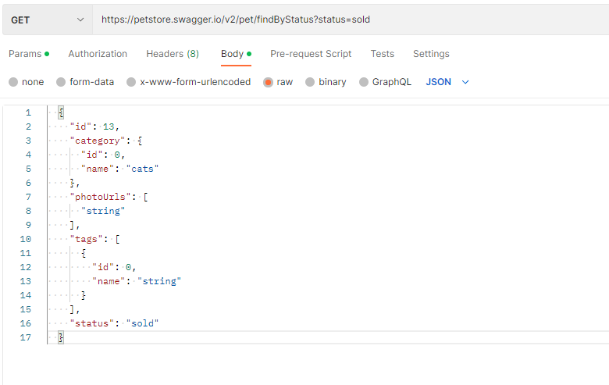 
6 | curl -X 'POST' \ 'https://petstore.swagger.io/v2/pet/99998888777' \ -H 'accept: application/json' \ -H 'Content-Type: application/x-www-form-urlencoded' \ -d 'name=Belyk&status=available | 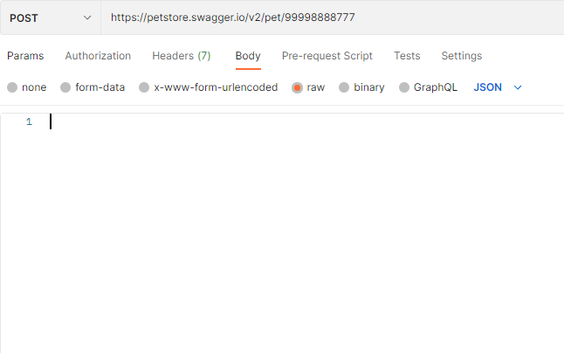
7 | curl -X 'POST' \ 'https://petstore.swagger.io/v2/store/order' \ -H 'accept: application/jsocurl -X 'POST' \ 'https://petstore.swagger.io/v2/store/order' \ -H 'accept: application/json' \ -H 'Content-Type: application/json' \ -d '{ "id": 99998888777, "petId": 0, "quantity": 0, "shipDate": "2023-04-05T14:45:27.466Z", "status": "avilable", "complete": true }'n' \ -H 'Content-Type: application/json' \ -d '{ "id": 99998888777, "petId": 0, "quantity": 0, "shipDate": "2023-04-05T14:45:27.466Z", "status": "avilable", "complete": true }' | 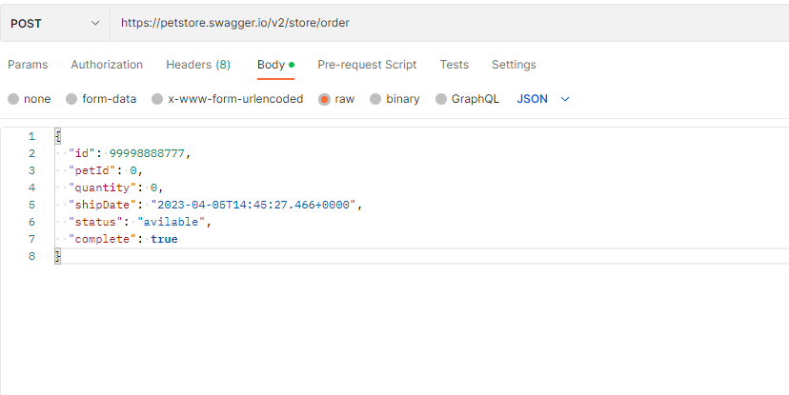 | 
8 | curl -X 'DELETE' \ 'https://petstore.swagger.io/v2/store/order/99998888777' \ -H 'accept: application/json' | 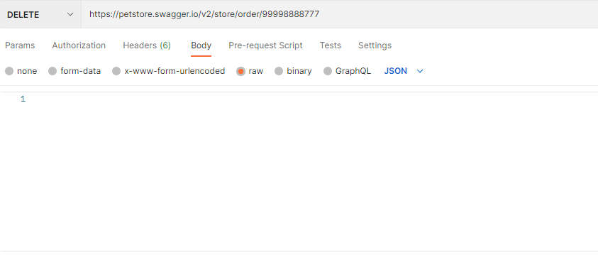
9 | curl -X 'GET' \ 'https://petstore.swagger.io/v2/store/inventory' \ -H 'accept: application/json' | 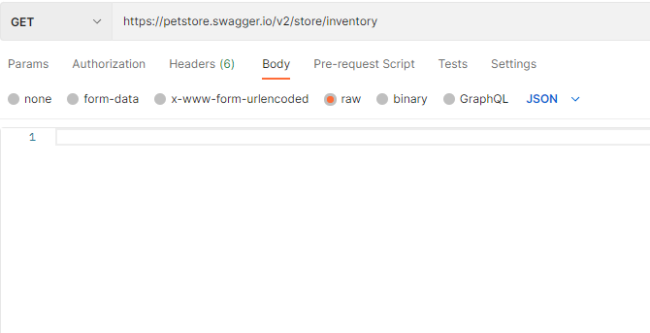 | 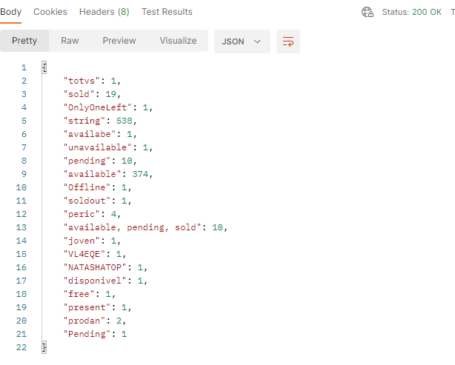
10 | 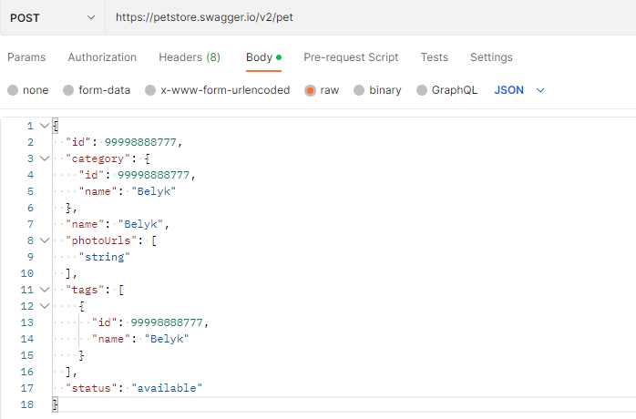 curl -X 'POST' \ 'https://petstore.swagger.io/v2/pet' \ -H 'accept: application/json' \ -H 'Content-Type: application/json' \ -d '{ "id": 99998888777, "category": { "id": 99998888777, "name": "Belyk" }, "name": "Belyk", "photoUrls": [ "string" ], "tags": [ { "id": 99998888777, "name": "Belyk" } ], "status": "available" }' |  | 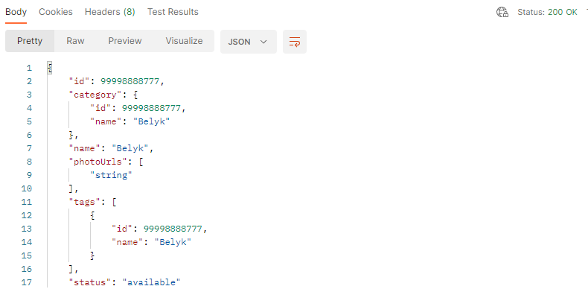

404
№ | curl | Request Headers, Params/Body | Response
1 | 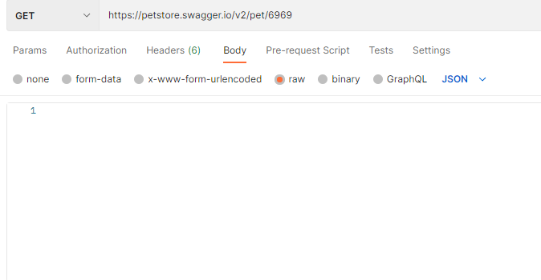 curl -X 'GET' \ 'https://petstore.swagger.io/v2/pet/6969' \ -H 'accept: application/json' |  | 

500
№ | curl | Request Headers, Params/Body | Response
1 | curl -X 'POST' \ 'https://petstore.swagger.io/v2/user/createWithArray' \ -H 'accept: application/json' \ -H 'Content-Type: application/json' \ -d '[ { "id": 0, "username": "Andrey", "firstName": "Andrey, "lastName": "Bel", "email": "string@gail.com", "password": "123456", "phone": "654321", "userStatus": 0 } ]'

400
№ | curl | Request Headers, Params/Body | Response
1 | 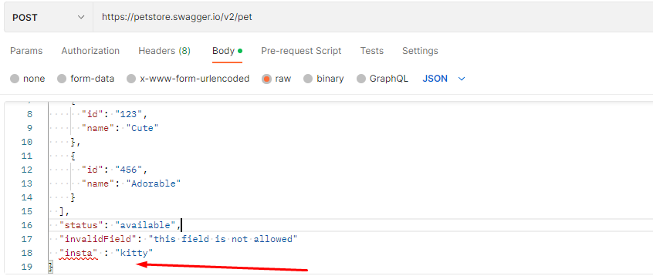 POST https://petstore.swagger.io/v2/pet Content-Type: application/json | 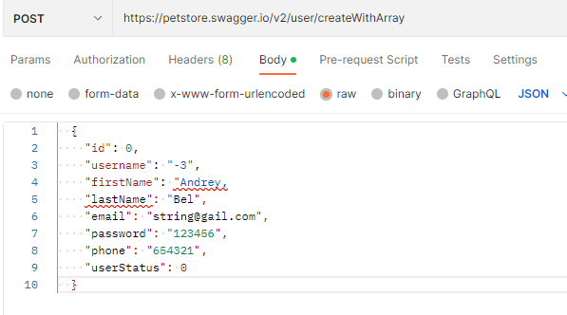 | 