GapMinder.org
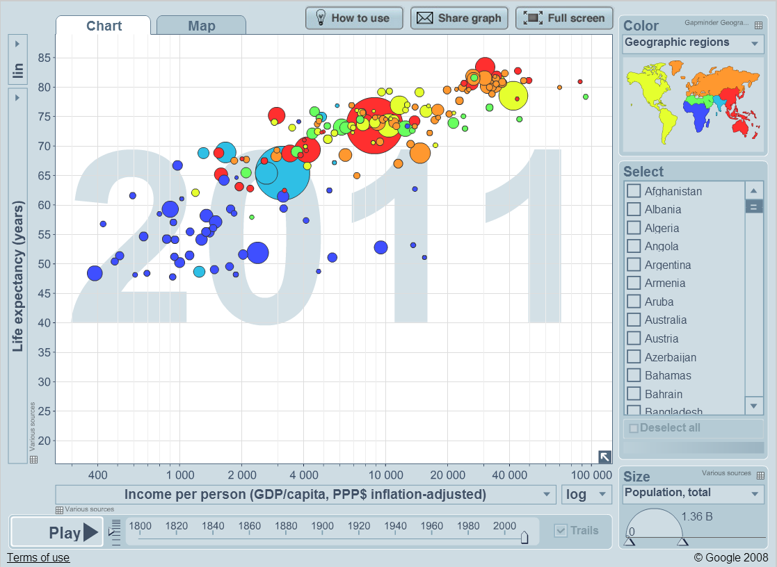

Aaron Koblin
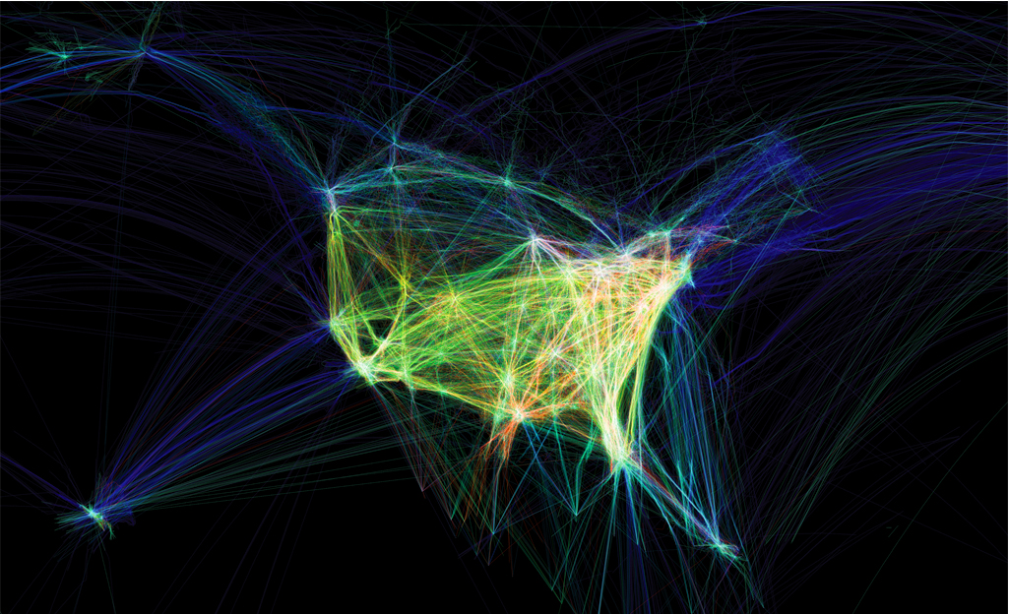

Stacked Column - Month
REVENUES (SALES) | TREND | jan | feb | mar | apr | may | jun | jul | aug | sep | oct | nov | dec
LA |  | $186 | $108 | $92 | $122 | $190 | $71 | $21 | $37 | $24 | $178 | $92 | $97 | $1,218
NY |  | $15 | $16 | $198 | $44 | $25 | $68 | $43 | $119 | $37 | $118 | $29 | $171 | $883
SF |  | $166 | $185 | $89 | $170 | $131 | $70 | $50 | $149 | $179 | $104 | $119 | $187 | $1,599
Paris |  | $21 | $113 | $83 | $17 | $130 | $26 | $167 | $102 | $82 | $33 | $88 | $193 | $1,055
Tokyo |  | $70 | $160 | $125 | $84 | $191 | $97 | $52 | $45 | $173 | $136 | $144 | $167 | $1,444
London |  | $61 | $99 | $70 | $162 | $28 | $163 | $101 | $103 | $78 | $33 | $162 | $159 | $1,219
Shanghai |  | $105 | $55 | $163 | $12 | $117 | $83 | $163 | $120 | $171 | $79 | $105 | $69 | $1,242
TOTAL SALES |  | $624 | $736 | $820 | $611 | $812 | $578 | $597 | $675 | $744 | $681 | $739 | $1,043 | $8,660

Revenue

Stacked Column - City
REVENUES (SALES) | TREND | jan | feb | mar | apr | may | jun | jul | aug | sep | oct | nov | dec
LA |  | $186 | $108 | $92 | $122 | $190 | $71 | $21 | $37 | $24 | $178 | $92 | $97 | $1,218
NY |  | $15 | $16 | $198 | $44 | $25 | $68 | $43 | $119 | $37 | $118 | $29 | $171 | $883
SF |  | $166 | $185 | $89 | $170 | $131 | $70 | $50 | $149 | $179 | $104 | $119 | $187 | $1,599
Paris |  | $21 | $113 | $83 | $17 | $130 | $26 | $167 | $102 | $82 | $33 | $88 | $193 | $1,055
Tokyo |  | $70 | $160 | $125 | $84 | $191 | $97 | $52 | $45 | $173 | $136 | $144 | $167 | $1,444
London |  | $61 | $99 | $70 | $162 | $28 | $163 | $101 | $103 | $78 | $33 | $162 | $159 | $1,219
Shanghai |  | $105 | $55 | $163 | $12 | $117 | $83 | $163 | $120 | $171 | $79 | $105 | $69 | $1,242
TOTAL SALES |  | $624 | $736 | $820 | $611 | $812 | $578 | $597 | $675 | $744 | $681 | $739 | $1,043 | $8,660

Revenue

Column - Location
REVENUES (SALES) | TREND | jan | feb | mar | apr | may | jun | jul | aug | sep | oct | nov | dec
LA |  | $186 | $108 | $92 | $122 | $190 | $71 | $21 | $37 | $24 | $178 | $92 | $97 | $1,218
NY |  | $15 | $16 | $198 | $44 | $25 | $68 | $43 | $119 | $37 | $118 | $29 | $171 | $883
SF |  | $166 | $185 | $89 | $170 | $131 | $70 | $50 | $149 | $179 | $104 | $119 | $187 | $1,599
Paris |  | $21 | $113 | $83 | $17 | $130 | $26 | $167 | $102 | $82 | $33 | $88 | $193 | $1,055
Tokyo |  | $70 | $160 | $125 | $84 | $191 | $97 | $52 | $45 | $173 | $136 | $144 | $167 | $1,444
London |  | $61 | $99 | $70 | $162 | $28 | $163 | $101 | $103 | $78 | $33 | $162 | $159 | $1,219
Shanghai |  | $105 | $55 | $163 | $12 | $117 | $83 | $163 | $120 | $171 | $79 | $105 | $69 | $1,242
TOTAL SALES |  | $624 | $736 | $820 | $611 | $812 | $578 | $597 | $675 | $744 | $681 | $739 | $1,043 | $8,660

Revenue

Stacked Bar - City
REVENUES (SALES) | TREND | jan | feb | mar | apr | may | jun | jul | aug | sep | oct | nov | dec
LA |  | $186 | $108 | $92 | $122 | $190 | $71 | $21 | $37 | $24 | $178 | $92 | $97 | $1,218
NY |  | $15 | $16 | $198 | $44 | $25 | $68 | $43 | $119 | $37 | $118 | $29 | $171 | $883
SF |  | $166 | $185 | $89 | $170 | $131 | $70 | $50 | $149 | $179 | $104 | $119 | $187 | $1,599
Paris |  | $21 | $113 | $83 | $17 | $130 | $26 | $167 | $102 | $82 | $33 | $88 | $193 | $1,055
Tokyo |  | $70 | $160 | $125 | $84 | $191 | $97 | $52 | $45 | $173 | $136 | $144 | $167 | $1,444
London |  | $61 | $99 | $70 | $162 | $28 | $163 | $101 | $103 | $78 | $33 | $162 | $159 | $1,219
Shanghai |  | $105 | $55 | $163 | $12 | $117 | $83 | $163 | $120 | $171 | $79 | $105 | $69 | $1,242
TOTAL SALES |  | $624 | $736 | $820 | $611 | $812 | $578 | $597 | $675 | $744 | $681 | $739 | $1,043 | $8,660

Revenue

Scatter
total rainfall
year | total rainfall |  |  | total rainfall |  | year | total rainfall
1980 | 10.28 |  | 1980 | 10.28 |  | 1980 | 10.28
1981 | 10.01 |  | 1981 | 10.01 |  | 1981 | 10.01
1982 | 16.08 |  | 1982 | 16.08 |  | 1982 | 16.08
1983 | 21.61 |  | 1983 | 21.61 |  | 1983 | 21.61
1984 | 6.77 |  | 1984 | 6.77 |  | 1984 | 6.77
1985 | 8.4 |  | 1985 | 8.4 |  | 1985 | 8.4
1986 | 12.41 |  | 1986 | 12.41 |  | 1986 | 12.41
1987 | 9.19 |  | 1987 | 9.19 |  | 1987 | 9.19
1988 | 9.39 |  | 1988 | 9.39 |  | 1988 | 9.39
1989 | 6.91 |  | 1989 | 6.91 |  | 1989 | 6.91
1990 | 8.73 |  | 1990 | 8.73 |  | 1990 | 8.73
1991 | 10.49 |  | 1991 | 10.49 |  | 1991 | 10.49
1992 | 14.08 |  | 1992 | 14.08 |  | 1992 | 14.08
1993 | 13.75 |  | 1993 | 13.75 |  | 1993 | 13.75
1994 | 10.12 | LINE CHART | 1994 | 10.12 | LINE CHART | 1994 | 10.12 | SCATTER CHART
1995 | 17.29 |  | 1995 | 17.29 |  | 1995 | 17.29
1996 | 16.97 |  | 1996 | 16.97 |  | 1996 | 16.97
1997 | 7.68 |  | 1997 | 7.68 |  | 1997 | 7.68
1998 | 17.65 |  | 1998 | 17.65 |  | 1998 | 17.65
EXPERIMENT WITH WHAT YOU SELECT
1999 | 6.17 |  | 1999 | 6.17 |  | 1999 | 6.17
2000 | 15.24 |  | 2000 | 15.24 |  | 2000 | 15.24
2001 | 12.02 |  | 2001 | 12.02 |  | 2001 | 12.02
2002 | 6.75 |  | 2002 | 6.75 |  | 2002 | 6.75
2003 | 9.14 |  | 2003 | 9.14 |  | 2003 | 9.14
2004 | 10.63 |  | 2004 | 10.63 |  | 2004 | 10.63
2005 | 11.68 |  | 2005 | 11.68 |  | 2005 | 11.68
2006 | 13.94 |  | 2006 | 13.94 |  | 2006 | 13.94
2007 | 7.03 |  | 2007 | 7.03 |  | 2007 | 7.03
2008 | 8.46 |  | 2008 | 8.46 |  | 2008 | 8.46
2009 | 9.08 |  | 2009 | 9.08 |  | 2009 | 9.08
2010 | 16.51 |  | 2010 | 16.51 |  | 2010 | 16.51
2011 | 10.93 |  | 2011 | 10.93 |  | 2011 | 10.93
2012 | 9.97 |  | 2012 | 9.97 |  | 2012 | 9.97
2013 | 2.12 |  | 2013 | 2.12 |  | 2013 | 2.12

Scatter - Year
Rainfall Per Year
YEAR | total
1878 | 8.65
1879 | 6.59
1880 | 9.22
1881 | 5.98
1882 | 5.87
1883 | 7.68
1884 | 17.84
1885 | 12.12
1886 | 8.25
1887 | 8.02
1888 | 8.76
1889 | 12.27
1890 | 8.36
1891 | 8.94
1892 | 8.75
1893 | 9.4
1894 | 12.48
1895 | 10.39
1896 | 11.02
1897 | 8.41
1898 | 4.99
1899 | 10.54
1900 | 11.09
1901 | 8.07
1902 | 7.91
1903 | 6.19
1904 | 13.33
1905 | 7.27
1906 | 16.06
1907 | 9
1908 | 7.08
1909 | 16.47
1910 | 4.88
1911 | 11.25
1912 | 7.32
1913 | 8.69
1914 | 9.67
1915 | 11.65
1916 | 12.5
1917 | 3.91
1918 | 13.68
1919 | 4.5
1920 | 9.78
1921 | 9.08
1922 | 10.23
1923 | 6.99
1924 | 7.26
1925 | 10.24
1926 | 9.42
1927 | 11.07
1928 | 5.54
1929 | 4.9
1930 | 7.18
1931 | 12.13
1932 | 5.69
1933 | 6.66
1934 | 8.17
1935 | 13.99
1936 | 12.99
1937 | 10.24
1938 | 15.08
1939 | 8
1940 | 16.03
1941 | 16.74
1942 | 6.97
1943 | 8.21
1944 | 8.88
1945 | 9.48
1946 | 9.52
1947 | 3.55
1948 | 7.63
1949 | 6.57
1950 | 12.35
1951 | 9.69
1952 | 15.54
1953 | 6.13
1954 | 9.83
1955 | 15.21
1956 | 6.64
1957 | 10.43
1958 | 16.47
1959 | 7.21
1960 | 9.57
1961 | 6.96
1962 | 9.59
1963 | 14.27
1964 | 8.44
1965 | 10.34
1966 | 6.07
1967 | 12.98
1968 | 10.5
1969 | 19.14
1970 | 11.86
1971 | 6.99
1972 | 7.47
1973 | 12.68
1974 | 9.31
1975 | 6.33
1976 | 11.04
1977 | 6.56
1978 | 17.68
1979 | 9.95
1980 | 10.28
1981 | 10.01
1982 | 16.08
1983 | 21.61
1984 | 6.77
1985 | 8.4
1986 | 12.41
1987 | 9.19
1988 | 9.39
1989 | 6.91
1990 | 8.73
1991 | 10.49
1992 | 14.08
1993 | 13.75
1994 | 10.12
1995 | 17.29
1996 | 16.97
1997 | 7.68
1998 | 17.65
1999 | 6.17
2000 | 15.24
2001 | 12.02
2002 | 6.75
2003 | 9.14
2004 | 10.63
2005 | 11.68
2006 | 13.94
2007 | 7.03
2008 | 8.46
2009 | 9.08
2010 | 16.51
2011 | 10.93
2012 | 9.97
2013 | 2.12

Line - Year
Rainfall Per Year
 | total
1878 | 8.65
1879 | 6.59
1880 | 9.22
1881 | 5.98
1882 | 5.87
1883 | 7.68
1884 | 17.84
1885 | 12.12
1886 | 8.25
1887 | 8.02
1888 | 8.76
1889 | 12.27
1890 | 8.36
1891 | 8.94
1892 | 8.75
1893 | 9.4
1894 | 12.48
1895 | 10.39
1896 | 11.02
1897 | 8.41
1898 | 4.99
1899 | 10.54
1900 | 11.09
1901 | 8.07
1902 | 7.91
1903 | 6.19
1904 | 13.33
1905 | 7.27
1906 | 16.06
1907 | 9
1908 | 7.08
1909 | 16.47
1910 | 4.88
1911 | 11.25
1912 | 7.32
1913 | 8.69
1914 | 9.67
1915 | 11.65
1916 | 12.5
1917 | 3.91
1918 | 13.68
1919 | 4.5
1920 | 9.78
1921 | 9.08
1922 | 10.23
1923 | 6.99
1924 | 7.26
1925 | 10.24
1926 | 9.42
1927 | 11.07
1928 | 5.54
1929 | 4.9
1930 | 7.18
1931 | 12.13
1932 | 5.69
1933 | 6.66
1934 | 8.17
1935 | 13.99
1936 | 12.99
1937 | 10.24
1938 | 15.08
1939 | 8
1940 | 16.03
1941 | 16.74
1942 | 6.97
1943 | 8.21
1944 | 8.88
1945 | 9.48
1946 | 9.52
1947 | 3.55
1948 | 7.63
1949 | 6.57
1950 | 12.35
1951 | 9.69
1952 | 15.54
1953 | 6.13
1954 | 9.83
1955 | 15.21
1956 | 6.64
1957 | 10.43
1958 | 16.47
1959 | 7.21
1960 | 9.57
1961 | 6.96
1962 | 9.59
1963 | 14.27
1964 | 8.44
1965 | 10.34
1966 | 6.07
1967 | 12.98
1968 | 10.5
1969 | 19.14
1970 | 11.86
1971 | 6.99
1972 | 7.47
1973 | 12.68
1974 | 9.31
1975 | 6.33
1976 | 11.04
1977 | 6.56
1978 | 17.68
1979 | 9.95
1980 | 10.28
1981 | 10.01
1982 | 16.08
1983 | 21.61
1984 | 6.77
1985 | 8.4
1986 | 12.41
1987 | 9.19
1988 | 9.39
1989 | 6.91
1990 | 8.73
1991 | 10.49
1992 | 14.08
1993 | 13.75
1994 | 10.12
1995 | 17.29
1996 | 16.97
1997 | 7.68
1998 | 17.65
1999 | 6.17
2000 | 15.24
2001 | 12.02
2002 | 6.75
2003 | 9.14
2004 | 10.63
2005 | 11.68
2006 | 13.94
2007 | 7.03
2008 | 8.46
2009 | 9.08
2010 | 16.51
2011 | 10.93
2012 | 9.97
2013 | 2.12

Scatter - Trendline
Rainfall Per Year
YEAR | total
1878 | 8.65
1879 | 6.59
1880 | 9.22
1881 | 5.98
1882 | 5.87
1883 | 7.68
1884 | 17.84
1885 | 12.12
1886 | 8.25
1887 | 8.02
1888 | 8.76
1889 | 12.27
1890 | 8.36
1891 | 8.94
1892 | 8.75
1893 | 9.4
1894 | 12.48
1895 | 10.39
1896 | 11.02
1897 | 8.41
1898 | 4.99
1899 | 10.54
1900 | 11.09
1901 | 8.07
1902 | 7.91
1903 | 6.19
1904 | 13.33
1905 | 7.27
1906 | 16.06
1907 | 9
1908 | 7.08
1909 | 16.47
1910 | 4.88
1911 | 11.25
1912 | 7.32
1913 | 8.69
1914 | 9.67
1915 | 11.65
1916 | 12.5
1917 | 3.91
1918 | 13.68
1919 | 4.5
1920 | 9.78
1921 | 9.08
1922 | 10.23
1923 | 6.99
1924 | 7.26
1925 | 10.24
1926 | 9.42
1927 | 11.07
1928 | 5.54
1929 | 4.9
1930 | 7.18
1931 | 12.13
1932 | 5.69
1933 | 6.66
1934 | 8.17
1935 | 13.99
1936 | 12.99
1937 | 10.24
1938 | 15.08
1939 | 8
1940 | 16.03
1941 | 16.74
1942 | 6.97
1943 | 8.21
1944 | 8.88
1945 | 9.48
1946 | 9.52
1947 | 3.55
1948 | 7.63
1949 | 6.57
1950 | 12.35
1951 | 9.69
1952 | 15.54
1953 | 6.13
1954 | 9.83
1955 | 15.21
1956 | 6.64
1957 | 10.43
1958 | 16.47
1959 | 7.21
1960 | 9.57
1961 | 6.96
1962 | 9.59
1963 | 14.27
1964 | 8.44
1965 | 10.34
1966 | 6.07
1967 | 12.98
1968 | 10.5
1969 | 19.14
1970 | 11.86
1971 | 6.99
1972 | 7.47
1973 | 12.68
1974 | 9.31
1975 | 6.33
1976 | 11.04
1977 | 6.56
1978 | 17.68
1979 | 9.95
1980 | 10.28
1981 | 10.01
1982 | 16.08
1983 | 21.61
1984 | 6.77
1985 | 8.4
1986 | 12.41
1987 | 9.19
1988 | 9.39
1989 | 6.91
1990 | 8.73
1991 | 10.49
1992 | 14.08
1993 | 13.75
1994 | 10.12
1995 | 17.29
1996 | 16.97
1997 | 7.68
1998 | 17.65
1999 | 6.17
2000 | 15.24
2001 | 12.02
2002 | 6.75
2003 | 9.14
2004 | 10.63
2005 | 11.68
2006 | 13.94
2007 | 7.03
2008 | 8.46
2009 | 9.08
2010 | 16.51
2011 | 10.93
2012 | 9.97
2013 | 2.12

Your Business
Sales By Month

 |  |  | jan | feb | mar | total
 |  | store 1 | 575 | 625 | 705 | 1905
 |  | store 2 | 375 | 425 | 395 | 1195
 |  | store 3 | 480 | 593 | 617 | 1690
 |  | total | 1430 | 1643 | 1717 | 4790
tax rate | 9% | tax | 128.7 | 147.87 | 154.53 | 431.1

Sales By Store

Templates
GO TO TEMPLATES

