Tabelle1
Stecker Tabelle
8 Polig für Sensoren:
 | Anzahl Pins | Stecker Gehäuse | Stecker Kabel | Hersteller | Durchmesser Stecker | Preis Stecker Gehäuse | Preis Stecker Kabel | Preis total | Links Digikey:
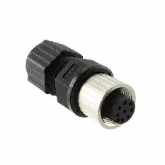
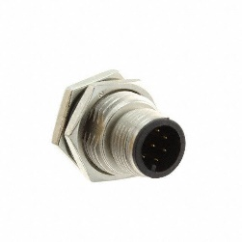

 | 8 | 12-08PMMS-SF8001 | 12-08BFFA-SL8001 | Amphenol PCD | 14.5mm | 4.72 | 5.84 | 10.56 | http://www.digikey.com/product-search/en?keywords=12-08PMMS-SF8001
 |  |  |  |  |  |  |  |  | http://www.digikey.com/product-detail/en/amphenol-pcd/12-08BFFA-SL8001/APC1735-ND/5253129

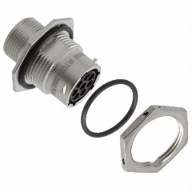

 | 8 | RT0712-8SNH | RT06128PNH-K | Amphenol Sine Systems Corp | 23.6mm | 16.45 | 20.41 | 36.86 | http://www.digikey.com/product-detail/en/amphenol-sine-systems-corp/RT0712-8SNH/889-1174-ND/2617204
 |  |  |  |  |  |  |  |  | http://www.digikey.com/product-detail/en/amphenol-sine-systems-corp/RT06128PNH-K/889-1283-ND/4415066

4 polig für Sensorstab (Potentiometer)
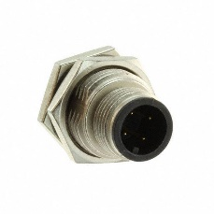
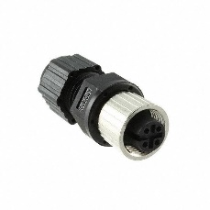

 | 4 | 12-04PMMS-SF8001 | 12-04BFFA-SL8001 | Amphenol PCD | 14.5mm | 4.1 | 4.94 | 9.04 | http://www.digikey.com/product-detail/en/amphenol-pcd/12-04BFFA-SL8001/APC1733-ND/5253127
 |  |  |  |  |  |  |  |  | http://www.digikey.com/product-detail/en/amphenol-pcd/12-04PMMS-SF8001/APC1759-ND/5253161

