SQL
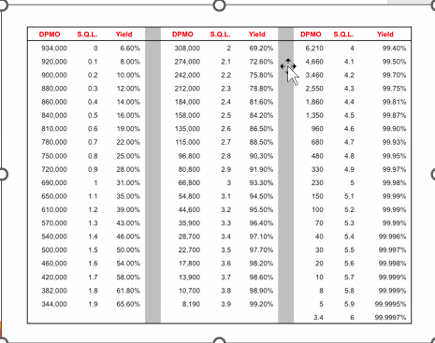
Upper Limit: | 300
Process Mean: | 125.25
Standard Dev: | 262.50537409

SQL: | 0.665700657
DPMO:
Per mil opportunities

Based on Over FLEX Mean
Upper Limit: | 1
Process Mean: | 0.5
Standard Dev: | 0.50854762772

SQL: | 0.98319208025
DPMO: | 690000
Per mil opportunities
Yield | 31.00%

