Optimizer_9Asset_Constraints
Mean Variance Optimizer |  |  |  |  |  |  |  |  |  |  | Covariance Table |  |  |  |  |  |  |  |  |  | Annual Returns
 | U.S. Bonds | U.S.Total Equities | Developed-Market Equities Ex US | Emerging-Market Equities | Hedge Funds | Global REITS | Commodities | Gold | BTC |  |  | U.S. Bonds | U.S.Total Equities | Developed-Market Equities Ex US | Emerging-Market Equities | Hedge Funds | Global REITS | Commodities | Gold | BTC |  | U.S. Bonds | U.S.Total Equities | Developed-Market Equities Ex US | Emerging-Market Equities | Hedge Funds | Global REITS | Commodities | Gold | BTC
Weigths | 20.00% | 32.00% | 10.00% | 5.00% | 10.00% | 10.00% | 2.00% | 10.00% | 1.00% |  | U.S. Bonds | 0.0033 | 0.0040 | 0.0028 | 0.0044 | 0.0012 | 0.0043 | -0.0049 | 0.0041 | -0.0737 | 2011 | 7.84% | -6.81% | -12.68% | -19.81% | -5.25% | 2.26% | -1.18% | 8.93% | 1316.67%
Expected Return | 2.04% | 11.90% | 5.17% | 2.86% | 4.14% | 6.95% | -0.39% | 3.07% | 729.88% |  | U.S.Total Equities | 0.0040 | 0.0248 | 0.0203 | 0.0183 | 0.0090 | 0.0153 | 0.0042 | 0.0004 | 0.9619 | 2012 | 4.22% | 16.22% | 17.43% | 18.48% | 6.36% | 22.97% | 0.08% | 8.26% | 217.88%
Expected STD | 5.98% | 16.43% | 15.03% | 16.86% | 6.41% | 16.34% | 22.77% | 13.88% | 1563.25% |  | Developed-Market Equities Ex US | 0.0028 | 0.0203 | 0.0207 | 0.0195 | 0.0079 | 0.0115 | 0.0069 | 0.0023 | 0.8156 | 2013 | -2.02% | 33.64% | 20.52% | -2.82% | 9.13% | 2.32% | -1.22% | -27.33% | 5428.42%
 |  |  |  |  |  |  |  |  |  |  | Emerging-Market Equities | 0.0044 | 0.0183 | 0.0195 | 0.0261 | 0.0081 | 0.0116 | 0.0041 | 0.0114 | -0.0785 | 2014 | 5.97% | 12.58% | -4.40% | 2.96% | 2.98% | 22.87% | -33.06% | 0.12% | -57.51%
Target Portfolio STD | 10% |  |  |  |  |  |  |  |  |  | Hedge Funds | 0.0012 | 0.0090 | 0.0079 | 0.0081 | 0.0038 | 0.0047 | 0.0028 | 0.0018 | 0.2155 | 2015 | 0.55% | 0.40% | -1.78% | -13.28% | -1.12% | 0.62% | -32.86% | -12.11% | 36.16%
Total Weights | 100.0% |  |  |  |  |  |  |  |  |  | Global REITS | 0.0043 | 0.0153 | 0.0115 | 0.0116 | 0.0047 | 0.0245 | 0.0068 | 0.0007 | -0.2240 | 2016 | 2.65% | 12.68% | 3.10% | 10.66% | 5.44% | 6.51% | 11.37% | 8.10% | 120.31%
Expected Portfolio Return | 13.58% |  |  |  |  |  |  |  |  |  | Commodities | -0.0049 | 0.0042 | 0.0069 | 0.0041 | 0.0028 | 0.0068 | 0.0475 | 0.0016 | 0.0124 | 2017 | 3.54% | 21.19% | 26.31% | 31.46% | 8.59% | 7.98% | 5.77% | 12.66% | 1375.10%
Expected Portfolio STD | 19.16% |  |  |  |  |  |  |  |  |  | Gold | 0.0041 | 0.0004 | 0.0023 | 0.0114 | 0.0018 | 0.0007 | 0.0016 | 0.0177 | -1.1228 | 2018 | 0.01% | -5.17% | -14.79% | -14.49% | -4.75% | -4.94% | -13.82% | -0.93% | -73.84%
 |  |  |  |  |  |  |  |  |  |  | BTC | -0.0737 | 0.9619 | 0.8156 | -0.0785 | 0.2155 | -0.2240 | 0.0124 | -1.1228 | 224.0111 | 2019 | 8.72% | 30.84% | 22.34% | 20.81% | 10.45% | 24.36% | 17.63% | 18.43% | 94.83%
 |  |  |  |  |  |  |  |  |  |  |  |  |  |  |  |  |  |  |  |  | 2020 | 7.51% | 20.99% | 10.00% | 15.84% | 11.83% | -10.40% | -23.72% | 24.61% | 305.07%
Optimal Portfolio Simulation |  |  |  |  |  |  |  |  |  |  |  |  |  |  |  |  |  |  |  |  | 2021 | -1.54% | 25.72% | 11.58% | 1.76% | 10.16% | 32.61% | 40.35% | -4.33% | 59.79%
No Gold & No Bitcoin (Constraints) |  |  |  |  |  |  |  |  |  |  | Correlation Table |  |  |  |  |  |  |  |  |  | 2022 | -13.01% | -19.49% | -15.58% | -17.26% | -4.14% | -23.71% | 25.99% | 0.44% | -64.30%
Target Portfolio STD | U.S. Bonds | U.S.Total Equities | Developed-Market Equities Ex US | Emerging-Market Equities | Hedge Funds | Global REITS | Commodities | Gold | BTC | Expected Portfolio Return |  | U.S. Bonds | U.S.Total Equities | Developed-Market Equities Ex US | Emerging-Market Equities | Hedge Funds | Global REITS | Commodities | Gold | BTC | Expected Return | 2.04% | 11.90% | 5.17% | 2.86% | 4.14% | 6.95% | -0.39% | 3.07% | 729.88%
2% |  |  |  |  |  |  |  |  |  |  | U.S. Bonds | 1 | 0.44 | 0.34 | 0.48 | 0.35 | 0.48 | -0.39 | 0.54 | -0.09 | Expected STD | 5.98% | 16.43% | 15.03% | 16.86% | 6.41% | 16.34% | 22.77% | 13.88% | 1563.25%
4% |  |  |  |  |  |  |  |  |  |  | U.S.Total Equities | 0.44 | 1 | 0.90 | 0.72 | 0.93 | 0.62 | 0.12 | 0.02 | 0.41
6% |  |  |  |  |  |  |  |  |  |  | Developed-Market Equities Ex US | 0.34 | 0.90 | 1 | 0.84 | 0.89 | 0.51 | 0.22 | 0.12 | 0.38
8% |  |  |  |  |  |  |  |  |  |  | Emerging-Market Equities | 0.48 | 0.72 | 0.84 | 1 | 0.82 | 0.46 | 0.12 | 0.53 | -0.03
10% |  |  |  |  |  |  |  |  |  |  | Hedge Funds | 0.35 | 0.93 | 0.89 | 0.82 | 1 | 0.49 | 0.21 | 0.22 | 0.23
12% |  |  |  |  |  |  |  |  |  |  | Global REITS | 0.48 | 0.62 | 0.51 | 0.46 | 0.49 | 1 | 0.20 | 0.03 | -0.10
14% |  |  |  |  |  |  |  |  |  |  | Commodities | -0.39 | 0.12 | 0.22 | 0.12 | 0.21 | 0.20 | 1 | 0.05 | 0.00
16% |  |  |  |  |  |  |  |  |  |  | Gold | 0.54 | 0.02 | 0.12 | 0.53 | 0.22 | 0.03 | 0.05 | 1 | -0.56
18% |  |  |  |  |  |  |  |  |  |  | BTC | -0.09 | 0.41 | 0.38 | -0.03 | 0.23 | -0.10 | 0.00 | -0.56 | 1

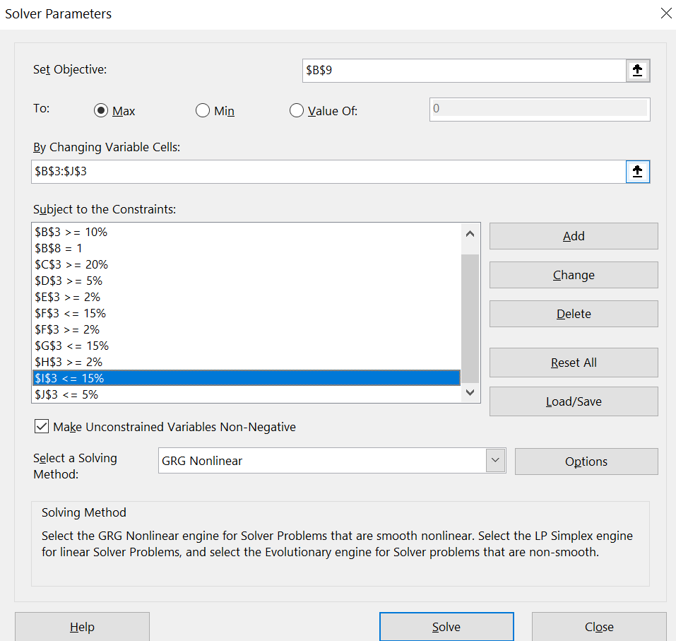
With Gold & No Bitcoin (Constraints)
Target Portfolio STD | U.S. Bonds | U.S.Total Equities | Developed-Market Equities Ex US | Emerging-Market Equities | Hedge Funds | Global REITS | Commodities | Gold | BTC | Expected Portfolio Return
2%
4%
6%
8%
10%
12%
14%
16%
18%

No Gold & With Bitcoin (Constraints)
Target Portfolio STD | U.S. Bonds | U.S.Total Equities | Developed-Market Equities Ex US | Emerging-Market Equities | Hedge Funds | Global REITS | Commodities | Gold | BTC | Expected Portfolio Return
2%
4%
6%
8%
10%
12%
14%
16%
18%

With Gold & With Bitcoin (Constraints)
Target Portfolio STD | U.S. Bonds | U.S.Total Equities | Developed-Market Equities Ex US | Emerging-Market Equities | Hedge Funds | Global REITS | Commodities | Gold | BTC | Expected Portfolio Return
2%
4%
6%
8%
10%
12%
14%
16%
18%

